PlaneWall
Transient-conduction in a plane wall

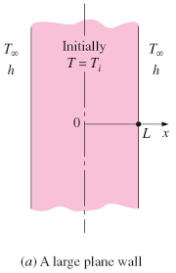
 |  |  |  |  |  |  | Description

 |  |  |  |  | An initially hot wall is cooling.Given all the values,this tool can show you how to use Heisler chart and get the value of θ(x,t) and Q(t).

 |  |  |  |  |  | L (m) | 0.5
 |  |  |  |  |  | V (m^3) | 0.125

 |  |  |  | Select material of the plane wall from the Drop-down box |  |  |  | Copper

 | Enter the value of T∞ |  | 10 | Select a possible value of convection coefficient, h (W/m^2 K) from the Drop-down box |  |  |  |  | 7.72 |  |  |  |  |  | A1 | 1.0017
 |  |  |  |  |  |  |  |  |  |  |  |  |  |  | λ1 | 0.0998
 | Enter the value of Ti |  | 100
 |  |  |  | Biot Number(Bi) |  |  |  |  | 0.01

 |  |  |  |  |  |  |  |  |  |  |  |  |  |  |  |  | Thermal conductivity, k (W/mK) | 386

 |  |  |  |  |  |  |  |  |  |  |  |  |  |  |  |  | density, rho (kg/m^3) | 8933

 |  |  |  |  |  |  |  |  |  |  |  |  |  |  |  |  | alpha = k/(rho*c_p) | 0.000117
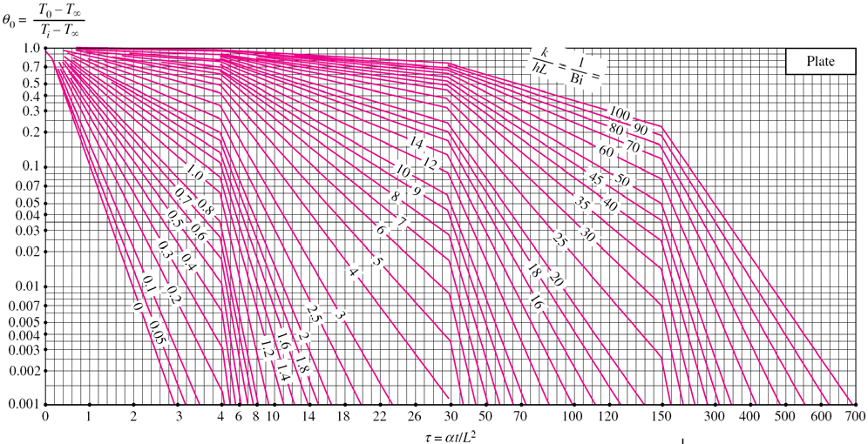
INPUTS
 |  |  |  |  |  |  |  |  |  |  |  |  |  |  |  |  | Mass, m (kg) | 1116.625

 |  |  |  |  |  |  |  |  |  |  |  |  |  |  |  |  | C_p | 385
OUTPUTS

 |  |  |  |  |  |  |  |  |  | At the selected x and t the values are:-
 | Enter the value of x |  | 5

 | Enter the value of t |  | 10 |  |  |  |  |  |  | The value of θ0(wall) |  | 1.0016533089

 |  |  |  |  |  |  |  |  |  | The value of T0 |  | 100.1487978

The dimensionless distance from the center(X) |  |  |  | 10

Dimensionless time, Fourier Number (τ) |  |  |  | 0.00468

 |  |  | Instruction:- |  | Take T0 from output above and input below to get T(x,t)

OUTPUTS

INPUTS

 |  |  |  |  |  |  |  |  |  | The value of θ(x,t) is |  | 0.54288023333
 | Enter the value of T0 from above:-
 |  |  |  |  |  |  |  |  |  | The value of T(x,t) |  | enter the value of T0 in the input
Biot Number(Bi) |  |  |  | 0.01

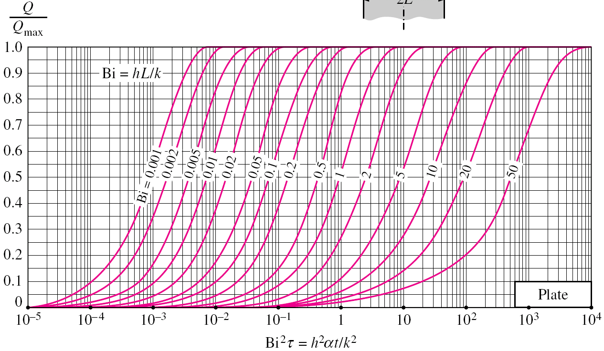
INPUTS

OUTPUTS

 | x= | 5
 | t= | 10 |  |  |  |  |  |  |  |  | The value of Qmax is |  | -38691056.25

 |  |  |  |  |  |  |  |  |  |  | The value of Q/Qmax is |  | 8.6144543898E-06

 |  |  |  |  |  |  |  |  |  |  | The value of Q is |  | -333.30233936 | Watts

The dimensionless distance from the center(X) |  |  |  | 10

Dimensionless time, Fourier Number (τ) |  |  |  | 0.00468

LongCylinder
Transient-conduction in a long cylinder
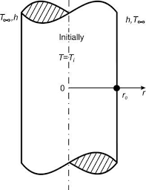

 |  |  |  |  |  |  |  | Description

 |  |  |  |  |  | An initially hot Cylinder is cooling.Given all the values,this tool can show you how to use Heisler chart and get the value of θ(r,t) and Q(t).

 |  |  |  |  |  |  | r0(m) | 0.5
 |  |  |  |  |  |  | V (m^3) | 0.125

 |  |  |  |  | Select material of the plane wall from the Drop-down box |  |  |  | Brass |  |  |  |  |  |  |  |  | J1(λ1) | Thermal conductivity, k (W/mK) | 110
 |  |  |  |  |  |  |  |  |  |  |  |  |  |  |  |  |  | 0.0704
 | Enter the value of T∞ |  | 10 |  | Select a possible value of convection coefficient, h (W/m^2 K) from the Drop-down box |  |  |  |  | 2.2 |  |  |  |  |  | A1 | 1.0025 |  | density, rho (kg/m^3) | 8530
 |  |  |  |  |  |  |  |  |  |  |  |  |  |  |  | λ1 | 0.1412
 | Enter the value of Ti |  | 100 |  |  |  |  |  |  |  |  |  |  |  |  |  |  |  | alpha = k/(rho*c_p) | 0.0000339
 |  |  |  |  | Biot Number(Bi) |  |  |  |  | 0.01
 |  |  |  |  |  |  |  |  |  |  |  |  |  |  |  |  |  |  | Mass, m (kg) | 1066.25

 |  |  |  |  |  |  |  |  |  |  |  |  |  |  |  |  |  |  | C_p | 380

OUTPUTS
INPUTS

 |  |  |  |  |  |  |  |  |  |  |  |  | At the selected x and t the values are:-

 | Enter the value of r |  | 0.257
 |  |  |  |  |  |  |  |  |  |  |  |  | The value of θ0(Cylinder) |  | 1.002418695
 | Enter the value of t |  | 30
 |  |  |  |  |  |  |  |  |  |  |  |  | The value of T0 |  | 100.21768255

The dimensionless distance from the center(X) |  |  |  |  | 0.514

Dimensionless time, Fourier Number (τ) |  |  |  |  | 0.004068

 |  |  |  | Instruction:- |  |  | Take T0 from output above and input below to get T(x,t)

OUTPUTS

INPUTS
 |  |  |  |  |  |  |  |  |  |  | λ1(r/r0)
 |  |  |  |  |  |  |  |  |  |  | 0.0725768

 |  |  |  |  |  |  |  |  |  |  |  | The value of θ(r,t) is |  | 1.0005998865
 | Enter the value of T0 from above:- |  |  |  |  |  |  |  |  |  | j0(x)
 |  |  |  |  |  |  |  |  |  |  | 0.99818558 | The value of T(r,t) |  | enter the value of T0 first

Biot Number(Bi) |  |  |  |  | 0.01

OUTPUTS

INPUTS

 |  |  |  |  |  |  |  |  |  |  |  | The value of Qmax is |  | -36465750

 | r= | 0.257 |  |  |  |  |  |  |  |  |  | The value of Q/Qmax is |  | 0.00042101798957
 | t= | 30
 |  |  |  |  |  |  |  |  |  |  |  | The value of Q is |  | -15352.736753

The dimensionless distance from the center(X) |  |  |  |  | 0.514

Dimensionless time, Fourier Number (τ) |  |  |  |  | 0.004068

Sphere
Transient-conduction in a sphere

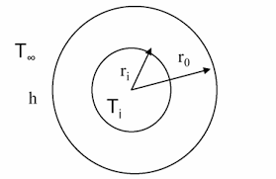
 |  |  |  |  |  |  | Description

 |  |  |  |  | An initially hot sphere is cooling.Given all the values,this tool can show you how to use Heisler chart and get the value of θ(r,t) and Q(t).

 |  |  |  |  |  | r0 (m) | 0.5
 |  |  |  |  |  | V (m^3) | 0.125

 |  |  |  | Select material of the plane wall from the Drop-down box |  |  |  | Copper

 | Enter the value of T∞ |  | 10 | Select a possible value of convection coefficient, h (W/m^2 K) from the Drop-down box |  |  |  |  | 7.72 |  |  |  |  | A1 | 1.003 | Thermal conductivity, k (W/mK) | 386
 |  |  |  |  |  |  |  |  |  |  |  |  |  | λ1 | 0.173
 | Enter the value of Ti |  | 100 |  |  |  |  |  |  |  |  |  |  |  |  | density, rho (kg/m^3) | 8933
 |  |  |  | Biot Number(Bi) |  |  |  |  | 0.01
 |  |  |  |  |  |  |  |  |  |  |  |  |  |  |  | alpha = k/(rho*c_p) | 0.000117

 |  |  |  |  |  |  |  |  |  |  |  |  |  |  |  | Mass, m (kg) | 1116.625

 |  |  |  |  |  |  |  |  |  |  |  |  |  |  |  | C_p | 385

OUTPUTS
INPUTS

 |  |  |  |  |  |  |  |  |  |  | At the selected x and t the values are:-

 | Enter the value of r |  | 20 |  |  |  |  |  |  |  | The value of θ0(Sphere) |  | 1.0025084128

 | Enter the value of t |  | 35 |  |  |  |  |  |  |  | The value of T0 |  | 100.22575715

The dimensionless distance from the center(X) |  |  |  | 160

Dimensionless time, Fourier Number (τ) |  |  |  | 0.01638

 |  |  |  | Instruction:- |  |  | Take T0 from output above and input below to get T(x,t)

INPUTS

OUTPUTS

 |  |  |  |  |  |  |  |  |  | The value of θ(r,t) is |  | 0.086145822395
 | Enter the value of T0 from above:-
 |  |  |  |  |  |  |  |  |  | The value of T(r,t) |  | enter the value of T0 from above
Biot Number(Bi) |  |  |  | 0.01

INPUTS

OUTPUTS

 |  | r= | 20
 |  | t= | 35 |  |  |  |  |  |  |  | The value of Qmax is |  | -38691056.25

 |  |  |  |  |  |  |  |  |  |  | The value of Q/Qmax is |  | 0.00048878931553

 | The dimensionless distance from the center(X) |  |  |  | 160 |  |  |  |  |  | The value of Q is |  | -18911.774901

 | Dimensionless time, Fourier Number (τ) |  |  |  | 0.01638

Data
$$λ1$$
$$λ1$$
$$λ1$$
 |  | Material | Copper | Aluminum | Iron | Stainless Steel (AISI304) | Bronze | Brass |  | Plane wall |  | Cylinder |  | Sphere |  |  | Copper | Aluminum | Iron | Stainless Steel (AISI304) | Bronze | Brass
L (m) | 0.5 | Thermal conductivity, k (W/mK) | 386 | 237 | 80.2 | 14.4 | 52 | 110 | Bi |  | A1 |  | A1 |  | A1 |  | 7.72 | 4.74 | 1.604 | 0.288 | 1.04 | 2.2
V (m^3) | 0.125 | density, rho (kg/m^3) | 8933 | 2702 | 7870 | 7900 | 8800 | 8530 | 0.01 | 0.0998 | 1.0017 | 0.1412 | 1.0025 | 0.173 | 1.003 |  | 15.44 | 9.48 | 3.208 | 0.576 | 2.08 | 4.4
 |  | C_p | 385 | 903 | 447 | 477 | 420 | 380 | 0.02 | 0.141 | 1.0033 | 0.1995 | 1.005 | 0.2445 | 1.006 | Copper | 30.88 | 18.96 | 6.416 | 1.152 | 4.16 | 8.8
 |  | alpha = k/(rho*c_p) | 0.000117 | 0.0000971 | 0.0000231 | 0.00000395 | 0.000014 | 0.0000339 | 0.04 | 0.1987 | 1.0066 | 0.2814 | 1.0099 | 0.345 | 1.012 | Aluminium | 46.32 | 28.44 | 9.624 | 1.728 | 6.24 | 13.2
 |  | Mass, m (kg) | 1116.625 | 337.75 | 983.75 | 987.5 | 1100 | 1066.25 | 0.06 | 0.2425 | 1.0098 | 0.3438 | 1.0148 | 0.4217 | 1.0179 | Iron | 61.76 | 37.92 | 12.832 | 2.304 | 8.32 | 17.6
Bi |  |  | h_allowed | h_allowed | h_allowed | h_allowed | h_allowed | h_allowed | 0.08 | 0.2791 | 1.013 | 0.396 | 1.0197 | 0.486 | 1.0239 | Stainless Steel (AISI304) | 77.2 | 47.4 | 16.04 | 2.88 | 10.4 | 22
0.01 |  |  | 7.72 | 4.74 | 1.604 | 0.288 | 1.04 | 2.2 | 0.1 | 0.3111 | 1.0161 | 0.4417 | 1.0246 | 0.5423 | 1.0298 | Bronze | 154.4 | 94.8 | 32.08 | 5.76 | 20.8 | 44
0.02 |  |  | 15.44 | 9.48 | 3.208 | 0.576 | 2.08 | 4.4 | 0.2 | 0.4328 | 1.0311 | 0.617 | 1.0483 | 0.7593 | 1.0592 | Brass | 231.6 | 142.2 | 48.12 | 8.64 | 31.2 | 66
0.04 |  |  | 30.88 | 18.96 | 6.416 | 1.152 | 4.16 | 8.8 | 0.3 | 0.5218 | 1.045 | 0.7465 | 1.0712 | 0.9208 | 1.088 |  | 308.8 | 189.6 | 64.16 | 11.52 | 41.6 | 88
0.06 |  |  | 46.32 | 28.44 | 9.624 | 1.728 | 6.24 | 13.2 | 0.4 | 0.5932 | 1.058 | 0.8516 | 1.09331 | 1.0528 | 1.1164 |  | 386 | 237 | 80.2 | 14.4 | 52 | 110
0.08 |  |  | 61.76 | 37.92 | 12.832 | 2.304 | 8.32 | 17.6 | 0.5 | 0.6533 | 1.0701 | 0.9408 | 1.1143 | 1.1656 | 1.1441 |  | 463.2 | 284.4 | 96.24 | 17.28 | 62.4 | 132
0.1 |  |  | 77.2 | 47.4 | 16.04 | 2.88 | 10.4 | 22 | 0.6 | 0.7051 | 1.0814 | 1.0184 | 1.1345 | 1.2644 | 1.1713 |  | 540.4 | 331.8 | 112.28 | 20.16 | 72.8 | 154
0.2 |  |  | 154.4 | 94.8 | 32.08 | 5.76 | 20.8 | 44 | 0.7 | 0.7506 | 1.0918 | 1.0873 | 1.1539 | 1.3525 | 1.1973 |  | 617.6 | 379.2 | 128.32 | 23.04 | 83.2 | 176
0.3 |  |  | 231.6 | 142.2 | 48.12 | 8.64 | 31.2 | 66 | 0.8 | 0.791 | 1.1016 | 1.149 | 1.1724 | 1.432 | 1.2236 |  | 694.8 | 426.6 | 144.36 | 25.92 | 93.6 | 198
0.4 |  |  | 308.8 | 189.6 | 64.16 | 11.52 | 41.6 | 88 | 0.9 | 0.8274 | 1.1107 | 1.2048 | 1.1902 | 1.5044 | 1.2488 |  | 772 | 474 | 160.4 | 28.8 | 104 | 220
0.5 |  |  | 386 | 237 | 80.2 | 14.4 | 52 | 110 | 1 | 0.8603 | 1.1191 | 1.2558 | 1.2071 | 1.5708 | 1.2732 |  | 1544 | 948 | 320.8 | 57.7 | 208 | 440
0.6 |  |  | 463.2 | 284.4 | 96.24 | 17.28 | 62.4 | 132 | 2 | 1.0769 | 1.1785 | 1.5995 | 1.3384 | 2.288 | 1.4793 |  | 2316 | 1422 | 481.2 | 86.4 | 312 | 660
0.7 |  |  | 540.4 | 331.8 | 112.28 | 20.16 | 72.8 | 154 | 3 | 1.1925 | 1.2102 | 1.7887 | 1.4191 | 2.2889 | 1.6227 |  | 3088 | 1896 | 641.6 | 115.2 | 416 | 880
0.8 |  |  | 617.6 | 379.2 | 128.32 | 23.04 | 83.2 | 176 | 4 | 1.2646 | 1.2287 | 1.9081 | 1.4698 | 2.2456 | 1.7202 |  | 3860 | 2370 | 802 | 144 | 520 | 1100
0.9 |  |  | 694.8 | 426.6 | 144.36 | 25.92 | 93.6 | 198 | 5 | 1.3138 | 1.2403 | 1.9898 | 1.5029 | 2.5704 | 1.787 |  | 4632 | 2844 | 962.4 | 172.8 | 624 | 1320
1 |  |  | 772 | 474 | 160.4 | 28.8 | 104 | 220 | 6 | 1.3496 | 1.2479 | 2.049 | 1.5253 | 2.6537 | 1.8338 |  | 5404 | 3318 | 1122.8 | 201.6 | 728 | 1540
2 |  |  | 1544 | 948 | 320.8 | 57.6 | 208 | 440 | 7 | 1.3766 | 1.2532 | 2.0937 | 1.5411 | 2.7165 | 1.8673 |  | 6176 | 3792 | 1283.2 | 230.4 | 832 | 1760
3 |  |  | 2316 | 1422 | 481.2 | 86.4 | 312 | 660 | 8 | 1.3978 | 1.257 | 2.1286 | 1.5526 | 2.7654 | 1.892 |  | 6948 | 4266 | 1443.6 | 259.2 | 936 | 1980
4 |  |  | 3088 | 1896 | 641.6 | 115.2 | 416 | 880 | 9 | 1.4149 | 1.2598 | 2.1566 | 1.5611 | 2.8044 | 1.9106 |  | 7720 | 4740 | 1604 | 288 | 1040 | 2200
5 |  |  | 3860 | 2370 | 802 | 144 | 520 | 1100 | 10 | 1.4289 | 1.262 | 2.1795 | 1.5677 | 2.8363 | 1.9249 |  | 15440 | 9480 | 3208 | 576 | 2080 | 4400
6 |  |  | 4632 | 2844 | 962.4 | 172.8 | 624 | 1320 | 20 | 1.4961 | 1.2699 | 2.288 | 1.5919 | 2.9857 | 1.9781 |  | 23160 | 14220 | 4812 | 864 | 3120 | 6600
7 |  |  | 5404 | 3318 | 1122.8 | 201.6 | 728 | 1540 | 30 | 1.5202 | 1.2717 | 2.3261 | 1.5973 | 3.372 | 1.9898 |  | 30880 | 18960 | 6416 | 1152 | 4160 | 8800
8 |  |  | 6176 | 3792 | 1283.2 | 230.4 | 832 | 1760 | 40 | 1.5325 | 1.2723 | 2.3455 | 1.5993 | 3.0632 | 1.9942 |  | 38600 | 23700 | 8020 | 1440 | 5200 | 11000
9 |  |  | 6948 | 4266 | 1443.6 | 259.2 | 936 | 1980 | 50 | 1.54 | 1.2727 | 2.3572 | 1.6002 | 3.0788 | 1.9962 |  | 77200 | 47400 | 16040 | 2880 | 10400 | 22000
10 |  |  | 7720 | 4740 | 1604 | 288 | 1040 | 2200 | 100 | 1.5552 | 1.2731 | 2.3809 | 1.6015 | 3.1102 | 1.999
$$∞$$
20 |  |  | 15440 | 9480 | 3208 | 576 | 2080 | 4400 |  | 1.5708 | 1.2732 | 2.4048 | 1.6021 | 3.1416 | 2
30 |  |  | 23160 | 14220 | 4812 | 864 | 3120 | 6600
40 |  |  | 30880 | 18960 | 6416 | 1152 | 4160 | 8800
50 |  |  | 38600 | 23700 | 8020 | 1440 | 5200 | 11000
100 |  |  | 77200 | 47400 | 16040 | 2880 | 10400 | 22000
INF |  |  | #VALUE! | #VALUE! | #VALUE! | #VALUE! | #VALUE! | #VALUE!

ξ | J0(ξ) | J1(ξ) |  | λ1 | J1(λ1)
0 | 1 | 0 |  | 0.1412 | 0.0704
0.1 | 0.9975 | 0.0499 |  | 0.1995 | 0.09925
0.2 | 0.99 | 0.0995 |  | 0.2814 | 0.1393
0.3 | 0.9776 | 0.1483 |  | 0.3438 | 0.1694
0.4 | 0.9604 | 0.196 |  | 0.396 | 0.1941
0.5 | 0.9385 | 0.2423 |  | 0.4417 | 0.2155
0.6 | 0.912 | 0.2867 |  | 0.617 | 0.2941
0.7 | 0.8812 | 0.329 |  | 0.7465 | 0.3478
0.8 | 0.8463 | 0.3688 |  | 0.8516 | 0.3883
0.9 | 0.8075 | 0.4059 |  | 0.9408 | 0.4202
1 | 0.7652 | 0.44 |  | 1.0184 | 0.446
1.1 | 0.7196 | 0.4709 |  | 1.0873 | 0.4672
1.2 | 0.6711 | 0.4983 |  | 1.149 | 0.4848
1.3 | 0.6201 | 0.522 |  | 1.2048 | 0.4995
1.4 | 0.5669 | 0.5419 |  | 1.2558 | 0.512
1.5 | 0.5118 | 0.5529 |  | 1.5995 | 0.5698
1.6 | 0.4554 | 0.5699 |  | 1.7887 | 0.5813
1.7 | 0.398 | 0.5778 |  | 1.9081 | 0.5809
1.8 | 0.34 | 0.5815 |  | 1.9898 | 0.5774
1.9 | 0.2818 | 0.5812 |  | 2.049 | 0.5731
2 | 0.2239 | 0.5767 |  | 2.0937 | 0.5689
2.1 | 0.1666 | 0.5683 |  | 2.1286 | 0.5652
2.2 | 0.1104 | 0.556 |  | 2.1566 | 0.5618
2.3 | 0.0555 | 0.5399 |  | 2.1795 | 0.5588
2.4 | 0.0025 | 0.5202 |  | 2.288 | 0.542
2.6 | -0.0968 | -0.4708 |  | 2.3261 | 0.5351
2.8 | -0.185 | -0.4097 |  | 2.3455 | 0.5313
3 | -0.2601 | -0.3391 |  | 2.3572 | 0.529
3.2 | -0.3202 | -0.2613 |  | 2.3809 | 0.5242
 |  |  |  | 2.4048 | 0.5192

