Program_hierarchy
HAL

...

MCAL

..

stdlib.h
stdio.h
compiler.h

device_config.c

Drivers
MCAL_std_types.h
device_config.h
xc.h
pic18f4620.h

main
Firmware-APP
LED
GPIO

main.h
application.h
LED.h
HAL_GPIO.h

main.c
application.c
LED.c
HAL_GPIO.c

gpio_driver
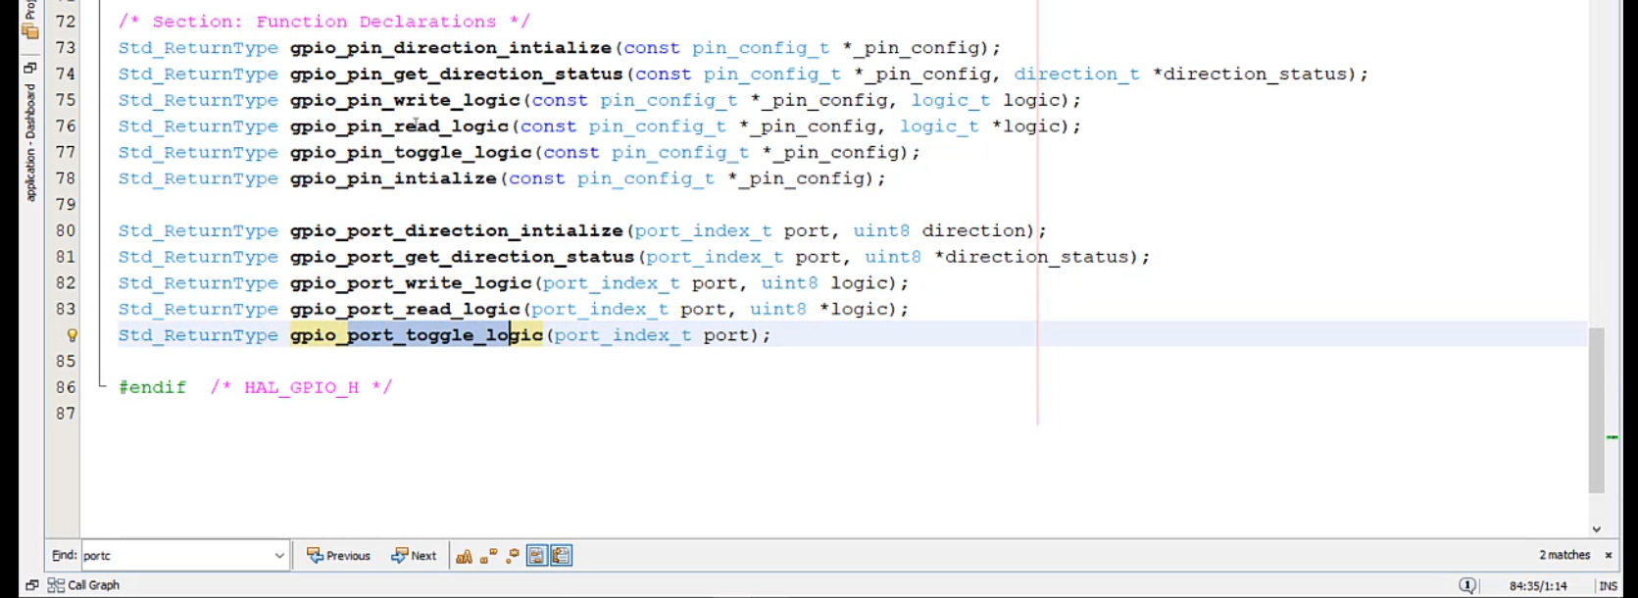
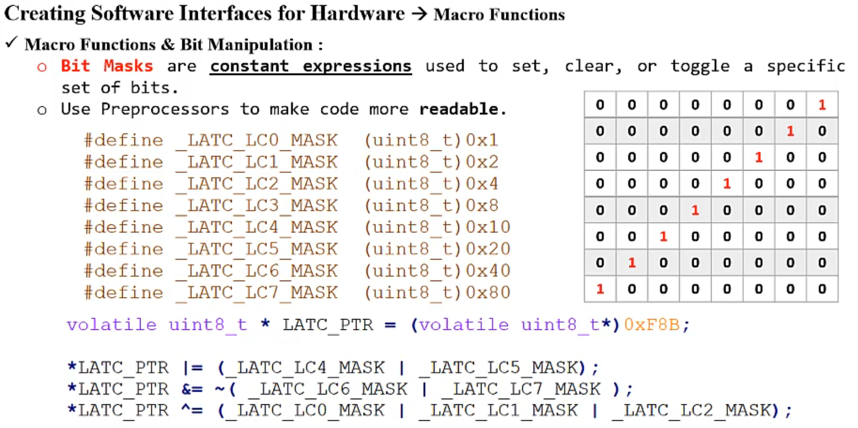

 |  | *p_logic = ((*(PORT_REG_ADD_arr[p_pin_config->port]) & bit_mask) == bit_mask);

 |  | 0 | 0 | 1 | 0 | 1 | 0 | 0 | 0
Set-Clear-Toggle |  | 0 | 0 | 0 | 0 | 1 | 0 | 0 | 0
1 | set_bit |  |  |  |  | 1
2 | clear_bit
3 | toggle_bit |  |  |  |  | 1
PIN FUNC() |  |  |  |  |  | 0
1 | pin_direction_initialize
2 | pin_get_direction_status
3 | pin_write_logic
4 | pin_initialize
5 | pin_read_logic
6 | pin_toggle_logic
PORT FUNC()
1 | port_direction_initialize
2 | port_get_direction_status
3 | port_write_logic
5 | port_read_logic
6 | port_toggle_logic

