1. Title Page
[Instacart Grocery Basket ]

Project Name: Instacart Grocery Basket Analysis
Date: 26 July 2024
Analyst Name: Timothy Aluko

Contents:
Population Flow
Consistency checks
Wrangling steps
Column derivations
Visualizations
Recommendations

Data Source: The Instacart Online Grocery Shopping Dataset 2017”, Accessed from https://www.instacart.com/datasets/grocery-shopping-2017 on November 10, 2022.
 | Customer data and the “prices” column in the products data set were fabricated for the purpose of this course.

2. Population Flow
Title page

Population flow

Exclusion flag
Condition: max_order < 5
Obervations to be removed: 1,440,295
Final total count of order_products_all: 32,404,859

Orders_products_combined
Orders_products_merged
Orders_products_all

Total: 32,404,859
Total: 32,434,489
Total: 32,404,859

1.) The grey boxes in the first row of the population flow represent the original data sets as they were when you downloaded them. In the Total fields you need to add the count of the rows when you imported the data set into Jupyter.
2.) The second row of boxes (coloured) represents the data sets after you manipulated them, e.g., removed missing values and duplicates. In the Total fields you need to add the count of the rows after conducting these operations. This offers a visual oveview of how the data flows throughout the data consistency checks.
3.) The third row, where also the arrows are coloured, represents the merges you performed between the datasets. In the Total fields you need to add the count of the rows in the merged datasets, so that you end up with the final dataset (in the red box). Keep in mind the final dataset should be without exclusions (based on the exclusion flag).

3. Consistency checks
 |  |  |  | Title page
Consistency checks

Dataset | Missing values | Missing values treatment | Duplicates
orders | days_since_last_order (206,209 missing values) | The missing values in the `days_since_prior_order` column, was address using the average value of column which is 3. | No duplicates
products | product_name (16 missing values) | Missing values were exported into a dataframe of its own database (df_nan). | 5 duplicates were identified and dropped from the dataframe.
orders_products_prior | None | N/A | No duplicates
customers | first_name (11,259 missing values) | Though First names are missing, surnname are presnts. As first name are unique , cant impute even.we should keep it as thez are. We can utilise the data with surnames without deleting it. | No duplicates

4. Wrangling steps
 |  |  |  | Title page
Wrangling steps

Columns dropped | Columns renamed | Columns' type changed | Comment/Reason
orders | orders_exclude |  | changed to orders_day_of_week
 |  | order_id | changed to string
 |  | user_id | changed to string

customers | First Name |  | Changed to first_name for consistency
 | Surnam |  | Change to last_name for consistency
 | STATE |  | Changed to lower case for consistency
 | GENDER |  | Changed to lower case for consistency
 | AGE |  | Changed to lower case for consistency
 | fam_status |  | Changed for consistency
 | n_dependants |  | Changed for consistency

5. Column derivations
 |  |  |  | Title page

Column derivations and aggregations

In this tab you should add tables below that the frequences of flags/label variables that you produced after deriving them. NB: don't do this for continuous variables, only for flags.
Dataset | New column | Column/s it was derived from | Conditions
ords_prods_merge.csv | price_range_loc | prices | If price <=5, then low-range product. If else price > 5 and <= 15, then mid-range product. If else price > 15, then high-range product.
 | busiest_day | orders_day_of_week | If day 0 then busiest day. If day 4 then least busy day. If else, then regularly busy.
 | busiest_days | orders_day_of_week | If day 0 or 1 then busiest days. If day 4 or 3 then slowest days. If else, then regularly busy days.
ords_prods_merge | busiest_period_of_day | order_hour_of_day | If hour of day < list_quantile[2] then fewest orders. If else hour of day >= list_quantile[2] and <=list_quantile [1] then average orders. If else hour of day >=list_quantile [1] then most orders.
 | max_order | max of user_id and order_number | Maximum number of orders
 | loyalty_flag | max_order | If max_order > 40 then loyal customer. If max order <=40 and > 10 then regular customer. If max order <= 10 then new customer.
 | spending_average | mean of user_id and prices | Average prices of products ordered by user
 | type_of_spender | spending_average | If avg price < 10 then low spender. If avg price >=10 then high spender.
 | user_frequency | median of user_id and days_since_last_order | Median number of days since prior order
 | customer_frequency_type | user_frequency | If median_days_since_prior_order > 20, then non frequent customer. If median_days_since_prior_order <=20 and >10, then regular customer. If median_days_since_prior_order <=10 then frequent customer.
instacart_project | region | state | Northeast=['Maine','New Hampshire','Vermont','Massachusetts','Rhode Island','Connecticut','New York','Pennsylvania','New Jersey'] Midwest=['Wisconsin','Michigan','Illinois','Indiana','Ohio','North Dakota','South Dakota','Nebraska','Kansas','Minnesota','Iowa','Missouri'] South=['Delaware','Maryland','District of Columbia','Virginia','West Virginia','North Carolina','South Carolina','Georgia','Florida','Kentucky', 'Tennessee','Mississippi','Alabama','Oklahoma','Texas','Arkansas','Louisiana'] West=['Idaho','Montana','Wyoming','Nevada','Utah','Colorado','Arizona','New Mexico','Alaska','Washington','Oregon','California','Hawaii']
 | Income_group | income | If income <=50000 then low . If income >=50000 and income <= 100000 then middle . If income >=100000 then high .
 | age_group | age | If age <=25 then young adult. If age>25 & <45then adult, if age >= 45 &<65 then Older adult. If age >=65 then senior.
 | dependent_flag | number_of_dependents | If number of dependents > 0, then has dependents. If number of dependents =0 then no dependents.
 | department | department_id | data dictionary from departments_wrangled

6. Visualizations
 |  | Title page

Visualisations

In this tab you should include all the visualtions from Exercises 4.9 and 4.10, alongside the questions from the project brief that they answer. Include any commentary on the relationship between different variables.

Key Questions

1. The sales team needs to know what the busiest days of the week and hours of the day are (i.e., the days and times with the most orders) in order to schedule ads at times when there are fewer orders.


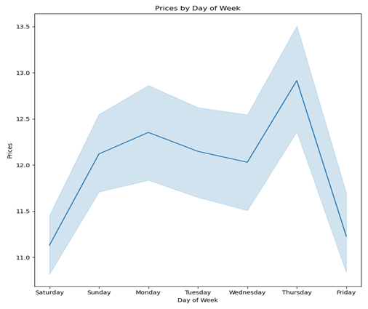


Observation: The busiest days of the week are Saturday and Sunday, according to the Day of Week bar chart. Additionally, Tuesday and Wednesday appear to be the least busy days of the week in the middle of the week. In general, orders decrease from Monday through Wednesday before rising once more starting on Thursday. Orders are highest during the day between 10 a.m. and 4 p.m., and they are lowest in the early morning between 5 a.m. and 12 p.m. Order activity increases after 5 a.m. to reach its peak hours of 10 a.m. to 4 p.m., after which it starts to decrease.

2. They also want to know whether there are particular times of the day when people spend the most money, as this might inform the type of products they advertise at these times.

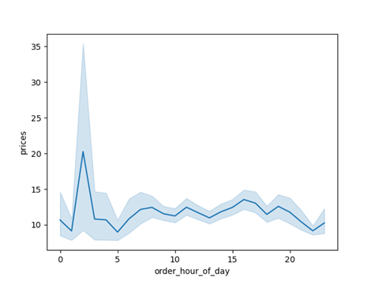
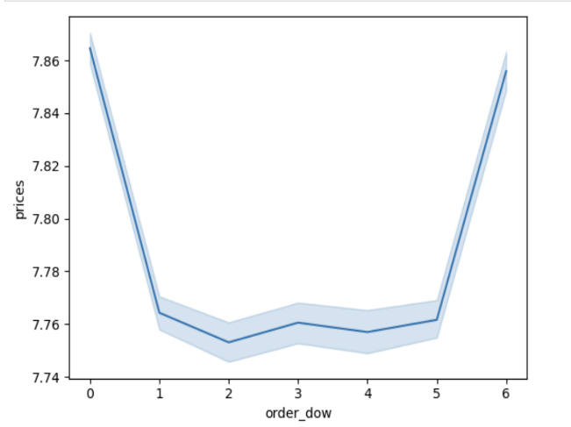

 | Observation: From 8 a.m. to 4 p.m., people spend the most money. People spend the most money at nine in the morning. As a result, Instacart ought to promote particular products during those hours.

3. Instacart has a lot of products with different price tags. Marketing and sales want to use simpler price range groupings to help direct their efforts.

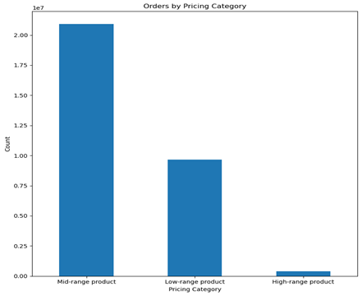
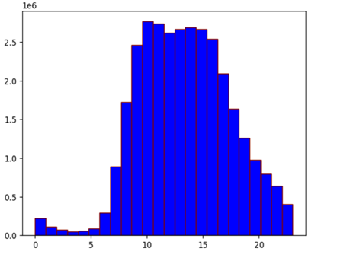

 | Observation: Customers of Instacart prefer items in the mid-range to low-range price category, as indicated by the bar chart. The produce department leads in product sales over all other departments, as indicated by the histogram, which correlates with the mid-range products having the highest sales.

4. Are there certain types of products that are more popular than others? The marketing and sales teams want to know which departments have the highest frequency of product orders.

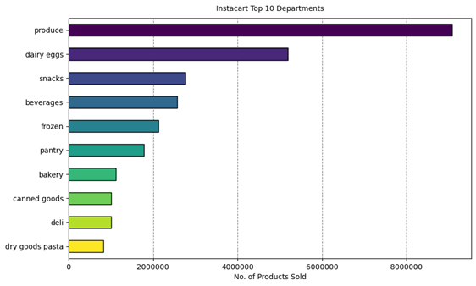

Observation: Produce's most popular products are displayed in the bar chart. Dairy/eggs, snacks, drinks, and frozen foods are the next most popular departments to order from. While other items aren't as likely to be ordered several at a time, individual produce products would probably be ordered many at a time.

5. The marketing and sales teams are particularly interested in the different types of customers in their system and how their ordering behaviors differ. For example:
What’s the distribution among users in regards to their brand loyalty (i.e., how often do they return to Instacart)?

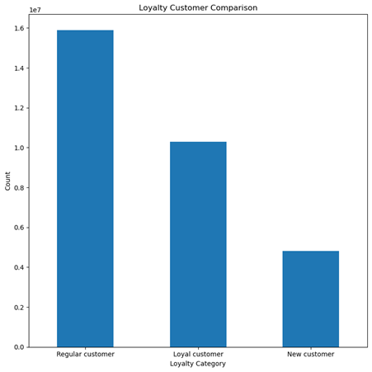
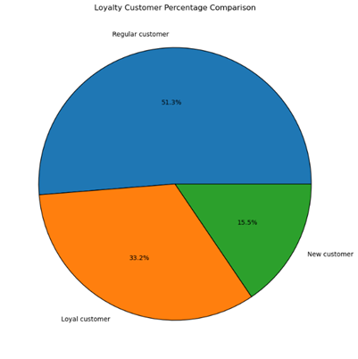

6. Are there differences in ordering habits based on a customer’s loyalty status?

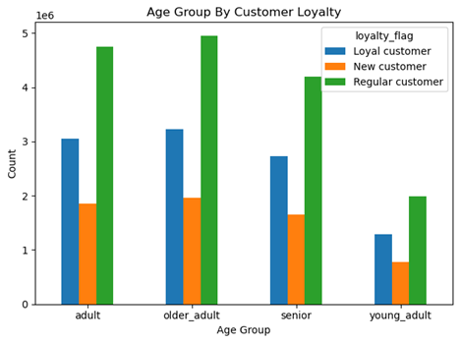


Observation: According to data, 51% of Instacart users are part of the regular customer loyalty group and visit the site occasionally but not frequently enough to be regarded as devoted users. 33 percent of Instacart's clientele are repeat customers, or loyal customers. At 15.5%, the smallest segment is new customers, which can indicate a respectable stream of new clients who could eventually turn into regular or full clients.
7. Are there differences in ordering habits based on a customer’s region?

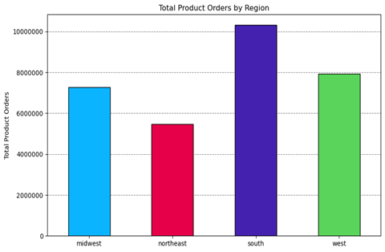
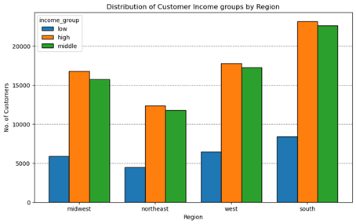

Observation: Department sales across regions are proportionate, as the charts demonstrate. Due to those states' growing populations, more goods have been bought in the southern states. The graph on the left illustrates that, across all four regions, the high income group contributes more than the low income group.

8. Is there a connection between age and family status in terms of ordering habits?

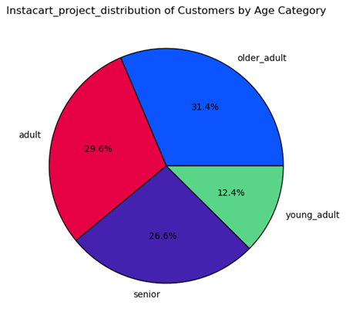
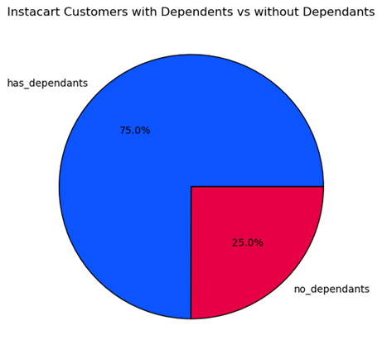
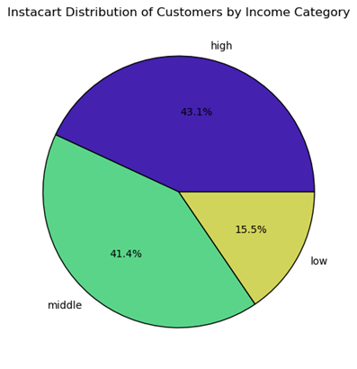

 | Observation:The age, income, and dependent variables of instacart's customer base are broken down into pie charts. Age: Young adult, adult, older adult, and senior citizen age ranges are the standard socially accepted age groups and categories. Income: The majority of instacart's clientele are middle-class and upper-class individuals of income groups according to the 2022 U.S. household income distributions. Dependents: Whether a customer has a dependent or dependents is the basis for this category. 75% of customers have a dependent.

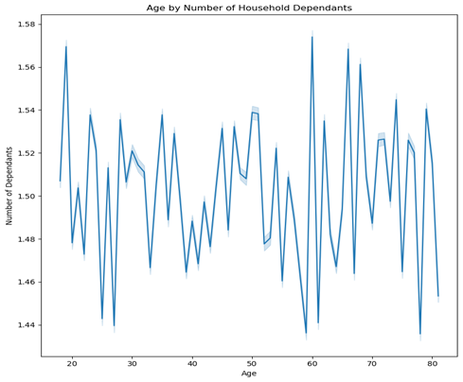

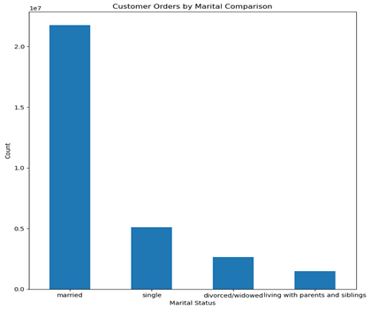
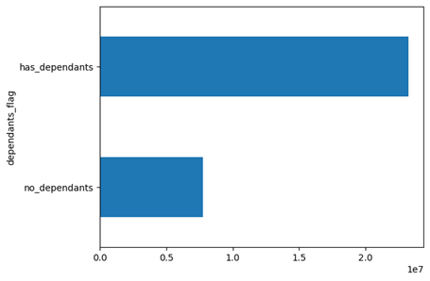

Observation: Age and income have a positive correlation, with older people earning more income. The scatterplot shows that a significant portion of the client base, spanning all age groups, earns up to 200,000, with customers 40 years of age and above earning up to 600,000. Thus, due to their higher income, customers 40 years of age and older may spend more. There's no relationship between the number of dependents and age. The majority of Instacart users are married, with singles, divorced or widowed people, and those living with parents and siblings coming in second and third, respectively. Customers with dependents are shown as the top line in the above bar chart, while customers without dependents are shown as the bottom line. The graph unequivocally shows that the majority of Instacart's clientele is dependent on them.

9.What different classifications does the demographic information suggest? Age? Income? Certain types of goods? Family status?

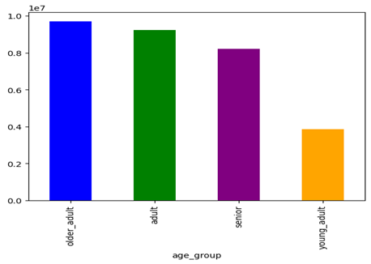
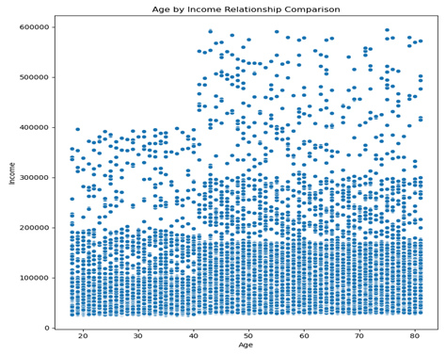

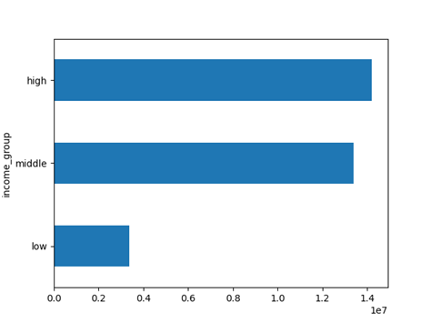
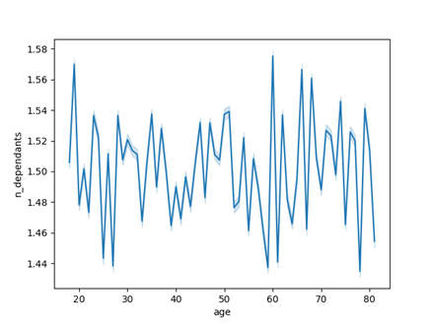

Observation: The scatterplot demonstrates that there is no discernible correlation between age and income, nor is there any real consistency in terms of rising or falling trends. Additionally, incomes for some customers start to rise at the age of 40 compared to younger age groups below 40. At 400,000 and over, there is a larger distribution of incomes according to age. It also observes that, compared to incomes over 400,000, incomes of 200,000 or less are significantly more densely distributed and less widely dispersed across all age groups. The peak after 40 years of age indicates that middle-aged and older adults will typically have the highest incomes, as opposed to younger adults. The majority of the customers' income, or 53%, is categorised as middle income, with high- and low-income groups being nearly equal at 23.8% and 23.2%, respectively. The customers' dependant groups chart mainly fits into the small dependant household category, which includes 0–1 dependant.

10. What differences can you find in ordering habits of different customer profiles? Consider the price of orders, the frequency of orders, the products customers are ordering, and anything else you can think of.

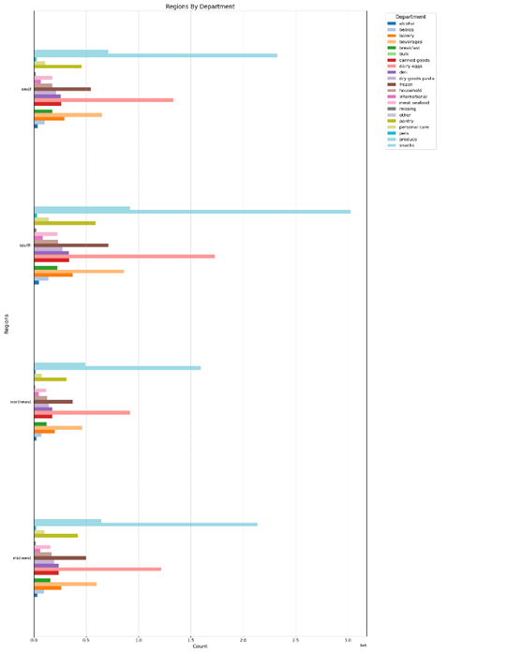
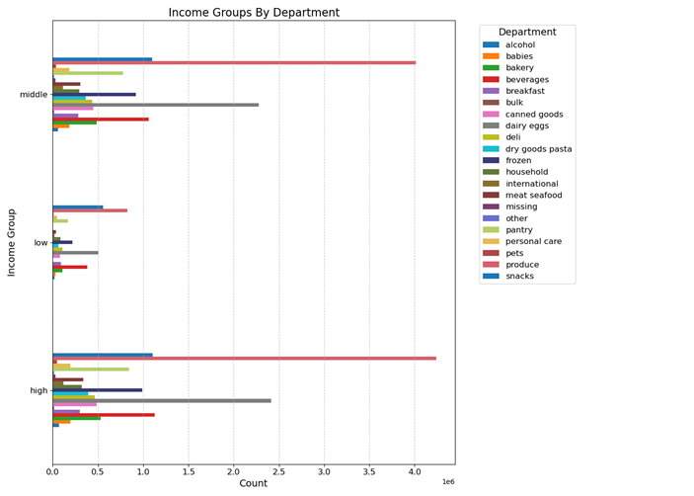


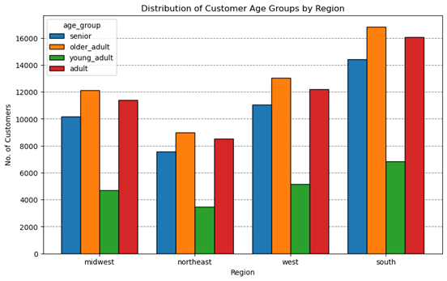

Observation: Produce is the primary selling department, with the middle age group holding primary sells in all product departments. Along with having the most loyalty flag customers overall, this group ranks first for regular customers and second for loyal customers. Furthermore, the majority of department sales are made up of people with middle-class incomes; low-income people appear to make up the least amount of department sales, while high-income people make up the majority. Although low income seems to be the lowest, it trails high income in a number of areas.

7. Recommendations
 |  | Title page

Recommendations

In this tab you should include any recommendations you would made to Instcart in terms of their marketing strategy based on the questions posed in the brief. Every key question has been covered in the Tasks of the Exercises - here you need to add an item - a visualisation or table/crosstable that is showing the answer in the data, acompanied by a comment from you. Please, list the questions below and add the answer underneath.

Question | Answer
Key Question 1. What days of the week and hours of the day are busiest? | With the highest number of orders placed between 10 a.m. and 3 p.m. on Saturday and Sunday, these are the busiest days of the week. Wednesday early in the morning is the least busy day of the week. It would be advised that Instacart run their advertising campaigns during off-peak times, like from 12 to 5 AM, and schedule extra ads for Tuesdays and Wednesdays.
Key Question 2. What times of the day do people spend the most money? | Between 8 a.m. to 4 p.m. is when people spend the most money. The peak hour for spending is 9 a.m. in the morning. Thus, Instacart ought to use those moments to promote particular goods.
Key Question 3. Are there certain types of products that are more popular than others? | Produce, dairy and eggs, snacks, drinks, and frozen food round out the top five products. Consequently, Instacart ought to provide exclusive deals on those categories in order to maintain customer interest and engagement.
Key Question 4. What's the distribution amoung users in regards to their brand loyalty? | Regular customers outnumber loyal customers in this case. Consequently, Instacart ought to provide incentives to its loyal and new customers to encourage them to become regular customers as well as to reward its regular customers.
Key Question 5. Are there differences in ordering habits based on a customer's loyalty status? | Spending patterns on orders don't seem to vary depending on a customer's loyalty status. Low and high spenders make up the majority of all loyalty status groups. Although there seem to be more high-spenders among regular customers, their percentage is small in comparison to the other groups. To get more custormers to spend more money with Instacart, it would be advised to create new incentives like bonus points or amount-based discounts.
Key Question 6. Are there differences in ordering habits based on a customer's region? | Customers of Instacart are primarily adults and older people in every region. In every age group, the South has the greatest number of customers, followed by the West, the Midwest, and the Northeast. In all four regions, the majority of consumers purchase mid-range, low-range, and high-range products least frequently. While the South should be the primary target for Instacart's advertising, the West and Midwest should receive more attention from the company since their ordering practices are similar to those of the South.
Key Question 7. Is there a connection between age and family status in terms of ordering habits? | When examining ordering behaviours, there is no particular relationship found between age and family status. The majority of Instacart's regular, non-regular, and frequent customers are married. Singles, divorced or widowed people, and people who live with their parents and siblings are the next most common demographics. Nonetheless, age and income have a positive relationship. The scatterplot displays the correlation between Instacart customers' age and income. Customers with incomes up to 200,000 are concentrated among all age groups, and those 40 years of age and above have incomes up to 600,000. Therefore, given their higher incomes, it is possible that customers 40 years of age and older will spend more. There's no relationship between the number of dependents and age. Beyond adults and older adults, seniors make up the third largest demographic of regular customers. Consequently, Instacart ought to extend exclusive promotions to senior citizens in an effort to encourage them to place more orders. Offering products that young adults are interested in at special prices or discounts will also encourage them to spend more money.
Key Question 8. What differences can you find in ordering habits of different customer profiles? consider the price of orders, frequency of orders, products customers are ordering, and anything else you can think of. | The data indicates that the spending habits of middle-class and high-class earners are comparable. Low-income earners, on the other hand, shop slightly less frequently and spend much less per order. For all groups, produce is the most important department, with "snacks" ranking second for those with lower incomes. This implies that people with low incomes may prioritise different things when it comes to shopping, perhaps because many of these customers do not use Instacart for their primary grocery shopping. As a result, since age and family status had already been looked at, income groups became the main focus.

