Planilha1
Ring Cell Design (full bridge) |  |  | E = | 205 | (GPa)

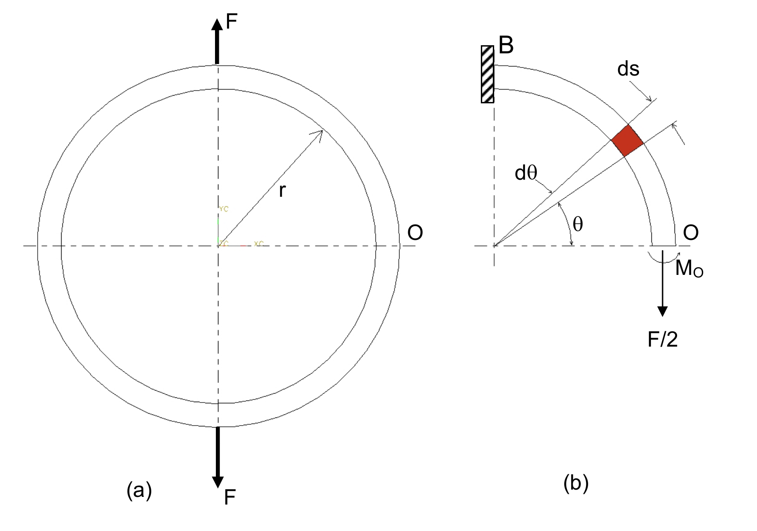
 |  |  | F = | 1000 | (N)

 |  |  | r = | 0.15 | (m)

 |  |  | b = | 0.02 | (m)

 |  |  | h = | 0.01 | (m)

 |  |  | R = | 350 | (ohm)

 |  |  | k = | 2.11 | (gage factor)

 |  |  | G = | 418 | (amp. gain)

Position | Bending moment (Nm) | σ (MPa) | με | ΔR (ohm) | ΔV/V
θ = π/2 | 47.75 | 143.24 | 698.73 | 0.516 | 0.616

