PIVOT ACTUALIZADA
 |  |  |  |  |  | COBERTURA DE CAMBIO E DIVISA |  | Calls/Futuros a este precio que me aseguren poder comprar dólares a este pecio |  |  |  |  | 1,000,000,000.00

Exchange | Peso | Divisa | Peso | Precio hoy de cada divisa | DIVISA | PESO | Precio hoy de cada divisa por cada 1$ | Precio hoy del $ por 1 unidad de divisa extranjera | STRIKE | PRIMA EN USD | Vencimineto | % de los activos dedicado a comprar cada una de estas opciones | Cantidad en $ dedicada a comprar cada una de esas opciones asumiendo un valor de 1000 millones de $ de activos bajo gestión del fondo
New York Stock Exchange | 37.94% | USD | 74.96% |  | USD | 74.96%
Nasdaq Stock Market | 35.84% | EUR | 7.09% | 0.9291 | EUR | 7.09% | 0.9291 | 1.0763 | 1.08 | 0.0070 | 2024-06-05 | 0.0496% | 496,400 |  | Debería de comprar PUT EUR/USD por valor de 496399.738162781USD
London Stock Exchange | 4.40% | JPY | 5.33% | 152.95 | JPY | 5.33% | 152.95 | 0.0065 | 152.20 | 0.0111 | 2024-06-05 | 0.0592% | 591,918 |  | Debería de comprar CALL USD/JPY por valor de 591917.755093183USD
Tokyo Stock Exchange | 3.97% | GBX | 3.51% | 0.797 | GBX | 3.51% | 0.797 | 1.2547 | 1.26 | 0.0093 | 2024-06-05 | 0.0326% | 325,654 |  | Debería de comprar PUT GBX/USD por valor de 325653.502072883USD
Deutsche Boerse AG | 3.83% | CAD | 2.64% | 1.3685 | CAD | 2.64% | 1.3685 | 0.7307 | 1.37 | 0.0059 | 2024-06-05 | 0.0156% | 156,270 |  | Debería de comprar CALL USD/CAD por valor de 156270.042477997USD
Toronto Stock Exchange | 2.64% | CHF | 2.50% | 0.9051 | CHF | 2.50% | 0.9051 | 1.1049 | 0.90 | 0.0072 | 2024-06-05 | 0.0179% | 179,421 |  | Debería de comprar CALL USD/CHF por valor de 179420.648135608USD
OTC Markets | 2.52% | AUD | 1.63% | 1.5131 | AUD | 1.63% | 1.5131 | 0.6609 | 0.66 | 0.0067 | 2024-06-05 | 0.0109% | 108,913 |  | Debería de comprar PUT AUD/USD por valor de 108913.375518221USD
SIX Swiss Exchange | 2.27% | DKK | 0.97% | 6.9299 | DKK | 0.97% | 6.9299 | 0.1443 |  |  | 2024-06-05
Euronext Paris | 1.72% | SEK | 0.73% | 10.7875 | SEK | 0.73% | 10.7875 | 0.0927 |  |  | 2024-06-05
Australian Securities Exchange | 1.66% | HKD | 0.34% | 7.8127 | HKD | 0.34% | 7.8127 | 0.1280 |  |  | 2024-06-05
Euronext Amsterdam | 0.64% | SGD | 0.22% | 1.3491 | SGD | 0.22% | 1.3491 | 0.7412 |  |  | 2024-06-05
Borsa Italiana | 0.59% | NOK | 0.08% | 10.8851 | NOK | 0.08% | 10.8851 | 0.0919 |  |  | 2024-06-05
Bolsas y Mercados Espanoles | 0.52% | Grand Total | 100.00%
NASDAQ Stockholm | 0.33%
Wiener Boerse | 0.29% |  |  |  |  | COBERTURA BAJADAS DE SUBYACENTE
NASDAQ Helsinki | 0.19%
Mexican Stock Exchange | 0.17%
Euronext Brussels | 0.15% |  |  |  | Row Labels | Sum of WEIGHT OVER 100% | índice de referencia | Valor del índice hoy | Prima Put | Vencimiento | Multiplicador | Valor contrato en moneda local
TSX Venture Exchange | 0.04% |  |  |  | New York Stock Exchange | 37.94% | S&P 500 | 5,128 | 40.55 | 2024-06-21 | 50 | 256,390
Xetra | 0.04% |  |  |  | Nasdaq Stock Market | 35.84% | S&P 500 | 5,128 | 40.55 | 2024-06-21 | 50 | 256,390
Bombay Stock Exchange | 0.04% |  |  |  | London Stock Exchange | 4.40% | FTSE 100 | 8,213 | 115.5 | 2024-06-21 | 10 | 82,135
Euronext Dublin | 0.04% |  |  |  | Tokyo Stock Exchange | 3.97% | NIKKEI 225 | 38,411 | 1046 | 2024-06-14 | 500
NYSE Arca | 0.04% |  |  |  | Deutsche Boerse AG | 3.83% | DAX 40 | 18,002 | 256 | 2024-06-21 | 5 | 90,008
Hong Kong Stock Exchange | 0.04% |  |  |  | Toronto Stock Exchange | 2.64% | TSX 60 | NO EXISTEN OPCIONES DISPONIBLES CON VOLUMEN
Euronext Lisbon | 0.03% |  |  |  | OTC Markets | 2.52%
Nasdaq Copenhagen | 0.02% |  |  |  | SIX Swiss Exchange | 2.27% | SMI | 11,273 | 147.3 | 2024-06-21 | 10 | 112,730
Grand Total | 1 |  |  |  | Euronext Paris | 1.72% | CAC 40 | 7,958 | 54.18 | 2024-06-21 | 10 | 79,576
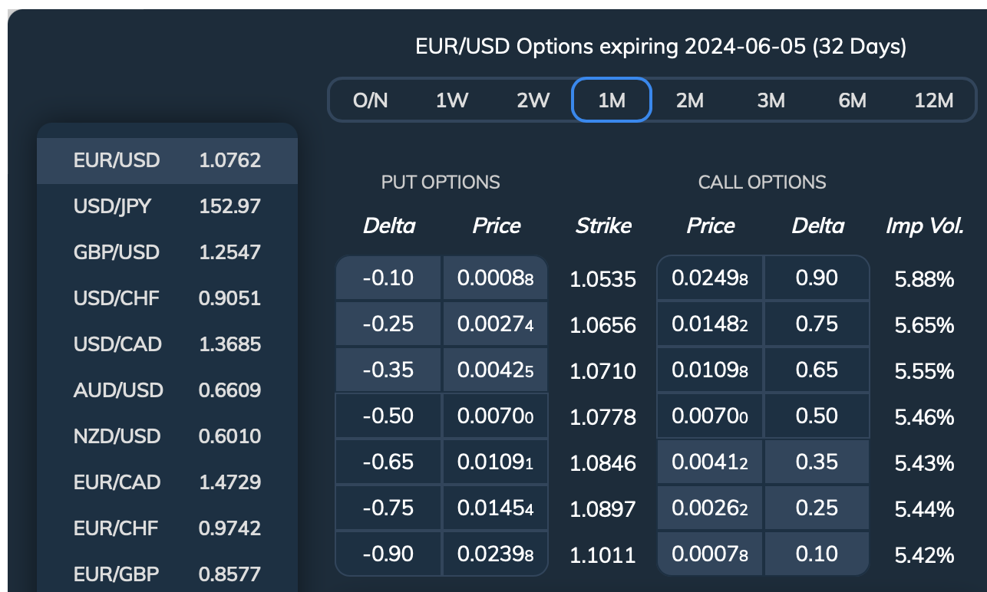
 |  |  |  |  | Australian Securities Exchange | 1.66% | ASX | NO EXISTEN OPCIONES DISPONIBLES CON VOLUMEN
 |  |  |  |  | Euronext Amsterdam | 0.64% | Eurostoxx 50 | 4,921 | 91.8 | 2024-06-21 | 10 | 49,215
 |  |  |  |  | Borsa Italiana | 0.59% | Eurostoxx 50 | 4,921 | 91.8 | 2024-06-21 | 10 | 49,215
 |  |  |  |  | Bolsas y Mercados Espanoles | 0.52% | Eurostoxx 50 | 4,921 | 91.8 | 2024-06-21 | 10 | 49,215
 |  |  |  |  | NASDAQ Stockholm | 0.33%
 |  |  |  |  | Wiener Boerse | 0.29%
 |  |  |  |  | NASDAQ Helsinki | 0.19%
 |  |  |  |  | Mexican Stock Exchange | 0.17%
 |  |  |  |  | Euronext Brussels | 0.15%
 |  |  |  |  | Xetra | 0.04%
 |  |  |  |  | TSX Venture Exchange | 0.04%
 |  |  |  |  | Bombay Stock Exchange | 0.04%
 |  |  |  |  | Euronext Dublin | 0.04%
 |  |  |  |  | NYSE Arca | 0.04%
 |  |  |  |  | Hong Kong Stock Exchange | 0.04%
 |  |  |  |  | Euronext Lisbon | 0.03%
 |  |  |  |  | Nasdaq Copenhagen | 0.02%

 |  |  |  |  | COBERTURA CON OPCIONES

 |  |  |  |  | Grupos de acciones | Peso | Beta de cada "subcartera" | Índice de referencia | Strike Put | Prima Put en USD | Vencimiento | Multiplicador | Tamaño de cada contrato put en moneda local | Tamaño de cada contrato put en moneda local en USD | Cantidad a cubrir asumiento 1000 millones de $ de activos bajo gestión del fondo | Contratos put a adquirir | Coste de primas en USD
 |  |  |  |  | Estados Unidos | 73.78% | 1.067 | S&P 500 | 5060 | 40.55 | 2024-06-21 | 50 | 256,390 | 256,390 | 737,835,479 | 3071 | 124,542
 |  |  |  |  | Reino Unido | 4.40% | 0.874 | FTSE 100 | 8200 | 144.92 | 2024-06-21 | 10 | 82,135 | 88,403 | 43,966,834 | 435 | 62,982
 |  |  |  |  | Japón | 3.97% | 0.958 | NIKKEI 225 | 38380 | 6.84 | 1476724 | 500 | 19,205,620 | 125,568 | 39,711,979 | 303 | 2,073
 |  |  |  |  | Alemania | 3.83% | 1.025 | DAX 40 | 18000 | 275.54 | 2024-06-21 | 10 | 180,016 | 193,753 | 38,293,694 | 203 | 55,799
 |  |  |  |  | Suiza | 2.16% | 0.988 | SMI | 11200 | 162.74 | 2024-06-21 | 10 | 112,730 | 124,549 | 21,601,571 | 171 | 27,895
 |  |  |  |  | Francia | 1.72% | 0.955 | CAC 40 | 7900 | 58.31 | 2024-06-21 | 10 | 79,576 | 85,648 | 17,237,617 | 192 | 11,204
 |  |  |  |  | Países Bajos, Italia y España | 1.76% | 1.007 | Eurostoxx 50 | 4900 | 98.81 | 2024-06-21 | 10 | 49,215 | 52,970 | 17,564,914 | 334 | 33,007

 |  |  |  |  | COBERTURA CON FUTUROS

 |  |  |  |  | Grupos de acciones | Peso | Beta de cada "subcartera" | Índice de referencia | Futuro | Mult | Tamaño de 1 contrato en moneda local | Tamaño de 1 contrato en USD | Cantidad a cubrir asumiento 1000 millones de $ de activos | Contratos de futuros a vender ajustados con las betas
 |  |  |  |  | Estados Unidos | 73.78% | 1.067 | S&P 500 | 5160.61 | 50 | 256,390 | 256,390 | 737,835,479 | 3071
 |  |  |  |  | Reino Unido | 4.40% | 0.874 | FTSE 100 | 8256.4 | 10 | 82,135 | 103,055 | 43,966,834 | 373
 |  |  |  |  | Japón | 3.97% | 0.958 | NIKKEI 225 | 38380 | 1000 | 38,411,240 | 251,136 | 39,711,979 | 152
 |  |  |  |  | Alemania | 3.83% | 1.025 | DAX 40 | 18205.8 | 25 | 450,040 | 484,383 | 38,293,694 | 81
 |  |  |  |  | Suiza | 2.16% | 0.988 | SMI | 11273 | 10 | 112,730 | 124,549 | 21,601,571 | 171
 |  |  |  |  | Francia | 1.72% | 0.955 | CAC 40 | 7910 | 10 | 79,576 | 85,648 | 17,237,617 | 192
 |  |  |  |  | Países Bajos, Italia y España | 1.76% | 1.007 | Eurostoxx 50 | 4909 | 10 | 49,215 | 52,970 | 17,564,914 | 334

