工作表1
圖片縮圖 | 圖片大小 (需要購買的尺寸,每家圖庫每種尺寸價格不同,請詳標上您所需的尺寸) | 圖片編號 | 圖片網址完整連結 | 需使用的客戶名稱 | 圖庫費用
 | 9000 × 3218 | 276530603 | https://www.shutterstock.com/zh-Hant/image-photo/panorama-scenic-forest-fresh-green-deciduous-276530603 | 兆豐票券
 |  | 7766883 | https://it.freepik.com/foto-premium/analisi-dei-dati-per-il-concetto-di-finanza-e-affari_7766883.htm | 兆豐票券
 | 4752 × 3168 | 1376319980 | https://www.shutterstock.com/zh-Hant/image-photo/accountant-working-on-consolidated-financial-report-1376319980 | 兆豐票券
 |  | 19795586 | https://www.freepik.com/premium-photo/financial-investment-concept-stack-coins-finance-investor-with-trading-graph-growth-banking_19795586.htm#query=financial%20investment&position=31&from_view=search | 兆豐票券
 | 7815 × 3126 | 1984914791 | https://www.shutterstock.com/zh-Hant/image-photo/world-environment-day-global-community-teamwork-1984914791 | 兆豐票券
 |  | 3986824 | https://www.freepik.com/premium-photo/close-up-lawyer-businessman-working-pointing_3986824.htm#query=law%20service&position=22&from_view=keyword | 兆豐票券
 |  | 9232016 | https://it.freepik.com/foto-premium/grafico-di-crescita-di-tiraggio-dell-uomo-d-affari-e-progresso-dell-affare-e-dell-analisi-finanziario_9232016.htm#query=financial%20banking&position=45&from_view=search | 兆豐票券
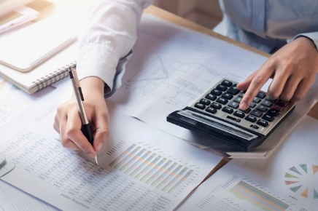 |  | 4134121 | https://www.freepik.com/premium-photo/finance-accounting-concept-business-woman-working-desk-using-calculator_4134121.htm#query=finance%20calculator&position=8&from_view=search | 兆豐票券
 |  | 10967517 | https://www.freepik.com/premium-photo/close-up-gold-trophy-award-3d-rendering_10967517.htm | 兆豐票券
 | 8003 × 3949 | 2090924290 | https://www.shutterstock.com/zh-Hant/image-photo/esg-concept-environmental-man-hand-holding-2090924290 | 兆豐票券
 | 5616 × 3744 | 1278656971 | https://www.shutterstock.com/zh/image-photo/business-people-join-hands-symbol-strong-127865697 | 兆豐票券

