Sheet1
Microstate List
Molecule | microstate ID | canonical isomeric SMILES | canonical SMILES
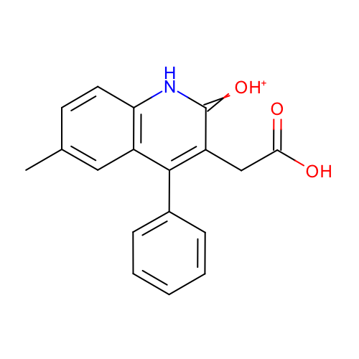 | SM08_micro002 | Cc1ccc2c(c1)c(c(c(=[OH+])[nH]2)CC(=O)O)c3ccccc3 | Cc1ccc2c(c1)c(c(c(=[OH+])[nH]2)CC(=O)O)c3ccccc3
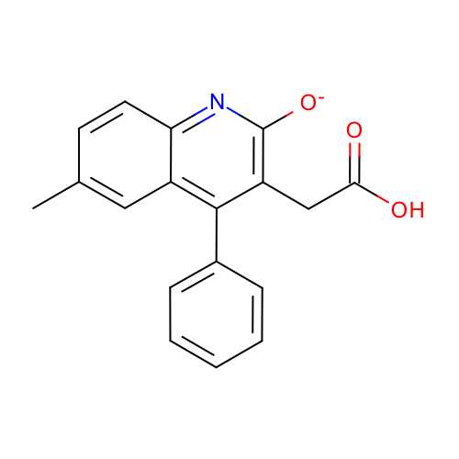 | SM08_micro003 | Cc1ccc2c(c1)c(c(c(n2)[O-])CC(=O)O)c3ccccc3 | Cc1ccc2c(c1)c(c(c(n2)[O-])CC(=O)O)c3ccccc3
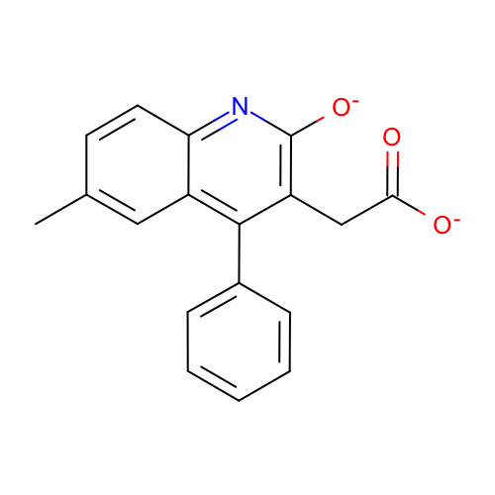 | SM08_micro004 | Cc1ccc2c(c1)c(c(c(n2)[O-])CC(=O)[O-])c3ccccc3 | Cc1ccc2c(c1)c(c(c(n2)[O-])CC(=O)[O-])c3ccccc3
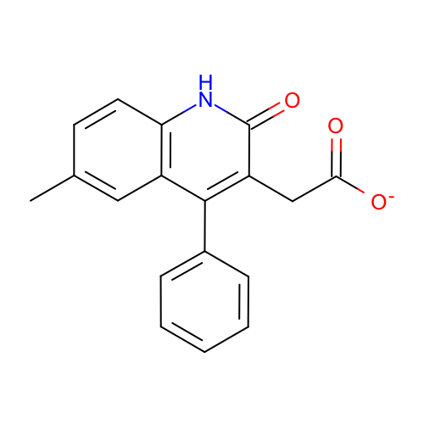 | SM08_micro006 | Cc1ccc2c(c1)c(c(c(=O)[nH]2)CC(=O)[O-])c3ccccc3 | Cc1ccc2c(c1)c(c(c(=O)[nH]2)CC(=O)[O-])c3ccccc3
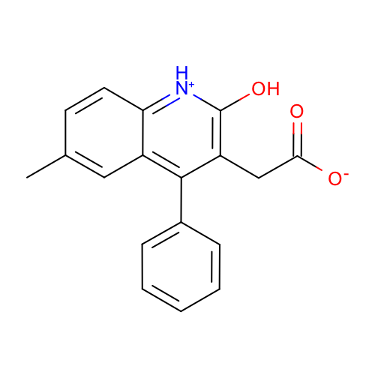 | SM08_micro008 | Cc1ccc2c(c1)c(c(c([nH+]2)O)CC(=O)[O-])c3ccccc3 | Cc1ccc2c(c1)c(c(c([nH+]2)O)CC(=O)[O-])c3ccccc3
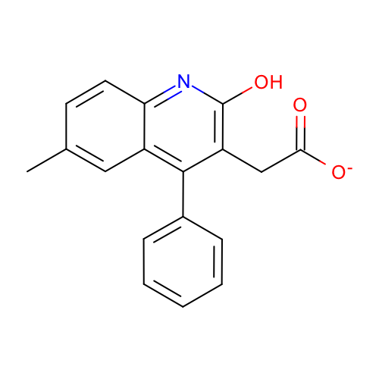 | SM08_micro009 | Cc1ccc2c(c1)c(c(c(n2)O)CC(=O)[O-])c3ccccc3 | Cc1ccc2c(c1)c(c(c(n2)O)CC(=O)[O-])c3ccccc3
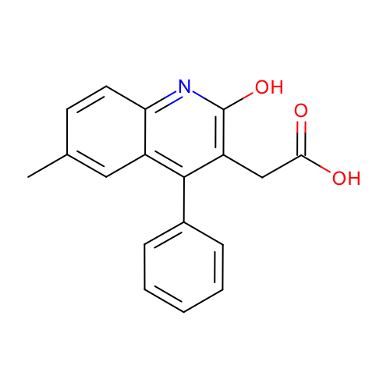 | SM08_micro010 | Cc1ccc2c(c1)c(c(c(n2)O)CC(=O)O)c3ccccc3 | Cc1ccc2c(c1)c(c(c(n2)O)CC(=O)O)c3ccccc3
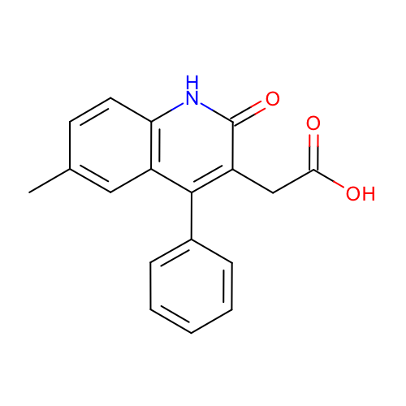 | SM08_micro011 | Cc1ccc2c(c1)c(c(c(=O)[nH]2)CC(=O)O)c3ccccc3 | Cc1ccc2c(c1)c(c(c(=O)[nH]2)CC(=O)O)c3ccccc3

