Sheet1
Microstate List
Molecule | microstate ID | canonical isomeric SMILES | canonical SMILES
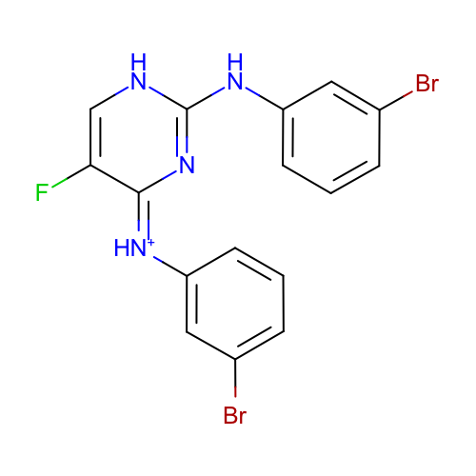 | SM21_micro001 | c1cc(cc(c1)Br)Nc2[nH]cc(/c(=[NH+]/c3cccc(c3)Br)/n2)F | c1cc(cc(c1)Br)Nc2[nH]cc(c(=[NH+]c3cccc(c3)Br)n2)F
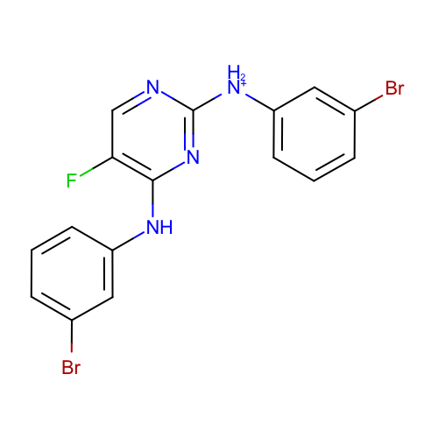 | SM21_micro002 | c1cc(cc(c1)Br)[NH2+]c2ncc(c(n2)Nc3cccc(c3)Br)F | c1cc(cc(c1)Br)[NH2+]c2ncc(c(n2)Nc3cccc(c3)Br)F
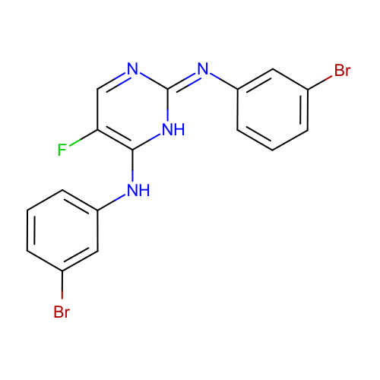 | SM21_micro003 | c1cc(cc(c1)Br)Nc2c(cn/c(=N/c3cccc(c3)Br)/[nH]2)F | c1cc(cc(c1)Br)Nc2c(cnc(=Nc3cccc(c3)Br)[nH]2)F
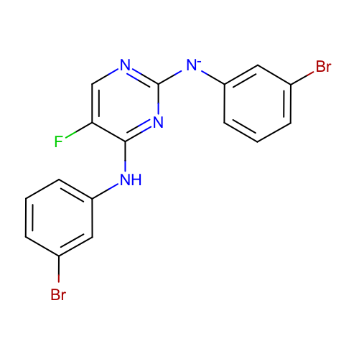 | SM21_micro005 | c1cc(cc(c1)Br)Nc2c(cnc(n2)[N-]c3cccc(c3)Br)F | c1cc(cc(c1)Br)Nc2c(cnc(n2)[N-]c3cccc(c3)Br)F
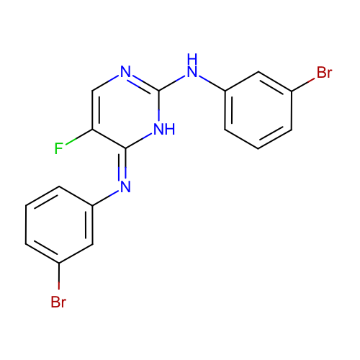 | SM21_micro006 | c1cc(cc(c1)Br)Nc2[nH]/c(=N/c3cccc(c3)Br)/c(cn2)F | c1cc(cc(c1)Br)Nc2[nH]c(=Nc3cccc(c3)Br)c(cn2)F
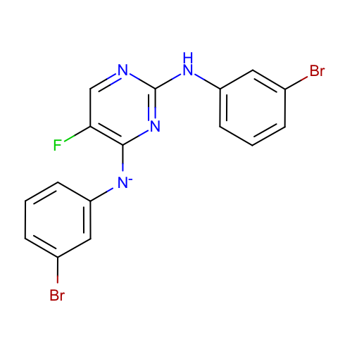 | SM21_micro012 | c1cc(cc(c1)Br)Nc2ncc(c(n2)[N-]c3cccc(c3)Br)F | c1cc(cc(c1)Br)Nc2ncc(c(n2)[N-]c3cccc(c3)Br)F
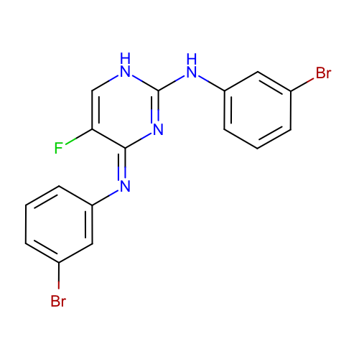 | SM21_micro014 | c1cc(cc(c1)Br)Nc2[nH]cc(/c(=N\c3cccc(c3)Br)/n2)F | c1cc(cc(c1)Br)Nc2[nH]cc(c(=Nc3cccc(c3)Br)n2)F
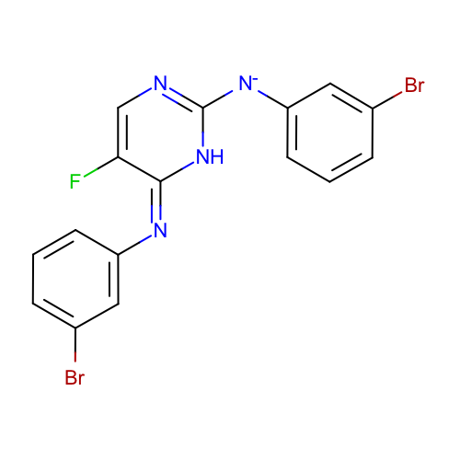 | SM21_micro015 | c1cc(cc(c1)Br)[N-]c2[nH]/c(=N/c3cccc(c3)Br)/c(cn2)F | c1cc(cc(c1)Br)[N-]c2[nH]c(=Nc3cccc(c3)Br)c(cn2)F
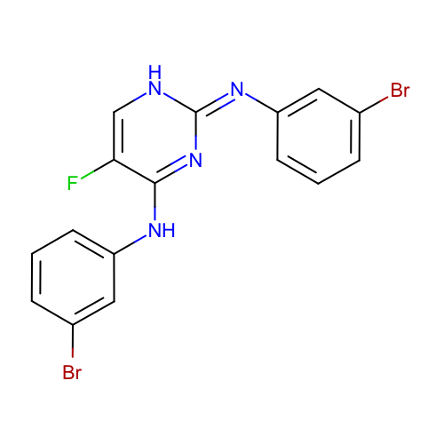 | SM21_micro018 | c1cc(cc(c1)Br)Nc2c(c[nH]/c(=N/c3cccc(c3)Br)/n2)F | c1cc(cc(c1)Br)Nc2c(c[nH]c(=Nc3cccc(c3)Br)n2)F
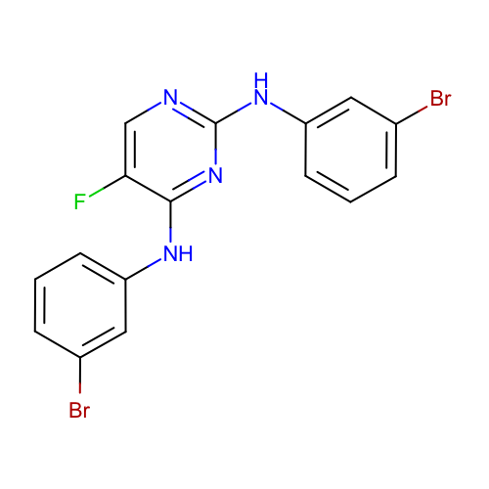 | SM21_micro020 | c1cc(cc(c1)Br)Nc2c(cnc(n2)Nc3cccc(c3)Br)F | c1cc(cc(c1)Br)Nc2c(cnc(n2)Nc3cccc(c3)Br)F
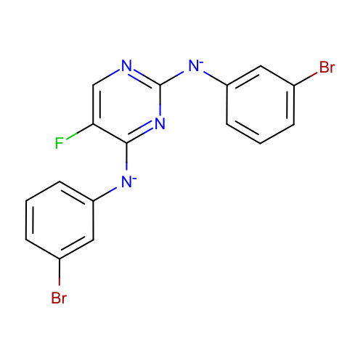 | SM21_micro021 | c1cc(cc(c1)Br)[N-]c2c(cnc(n2)[N-]c3cccc(c3)Br)F | c1cc(cc(c1)Br)[N-]c2c(cnc(n2)[N-]c3cccc(c3)Br)F
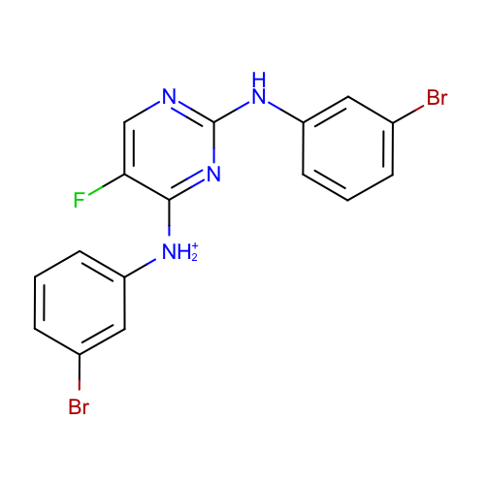 | SM21_micro022 | c1cc(cc(c1)Br)[NH2+]c2c(cnc(n2)Nc3cccc(c3)Br)F | c1cc(cc(c1)Br)[NH2+]c2c(cnc(n2)Nc3cccc(c3)Br)F
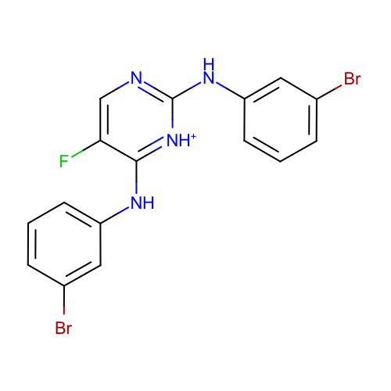 | SM21_micro024 | c1cc(cc(c1)Br)Nc2c(cnc([nH+]2)Nc3cccc(c3)Br)F | c1cc(cc(c1)Br)Nc2c(cnc([nH+]2)Nc3cccc(c3)Br)F
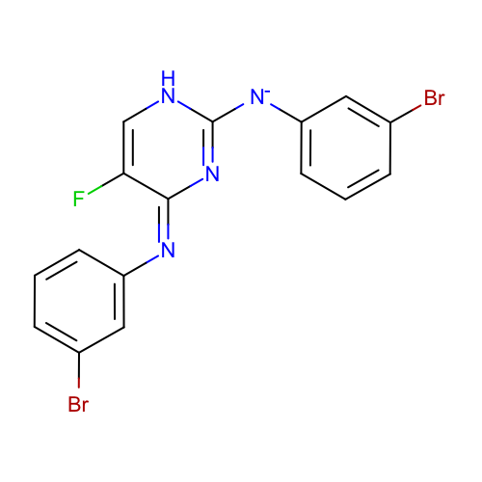 | SM21_micro025 | c1cc(cc(c1)Br)[N-]c2[nH]cc(/c(=N\c3cccc(c3)Br)/n2)F | c1cc(cc(c1)Br)[N-]c2[nH]cc(c(=Nc3cccc(c3)Br)n2)F
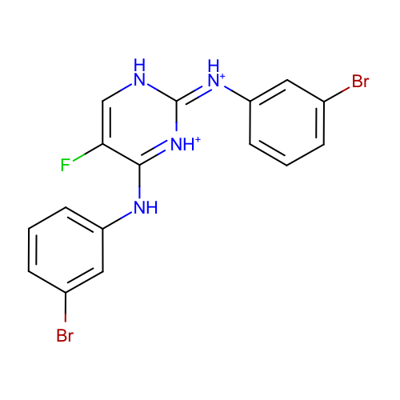 | SM21_micro026 | c1cc(cc(c1)Br)Nc2c(c[nH]/c(=[NH+]/c3cccc(c3)Br)/[nH+]2)F | c1cc(cc(c1)Br)Nc2c(c[nH]c(=[NH+]c3cccc(c3)Br)[nH+]2)F
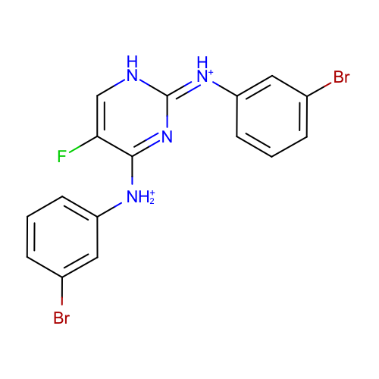 | SM21_micro027 | c1cc(cc(c1)Br)[NH2+]c2c(c[nH]/c(=[NH+]/c3cccc(c3)Br)/n2)F | c1cc(cc(c1)Br)[NH2+]c2c(c[nH]c(=[NH+]c3cccc(c3)Br)n2)F
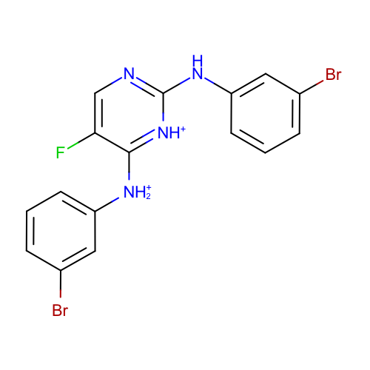 | SM21_micro028 | c1cc(cc(c1)Br)[NH2+]c2c(cnc([nH+]2)Nc3cccc(c3)Br)F | c1cc(cc(c1)Br)[NH2+]c2c(cnc([nH+]2)Nc3cccc(c3)Br)F
 | SM21_micro029 | c1cc(cc(c1)Br)[NH2+]c2[nH+]c(c(cn2)F)Nc3cccc(c3)Br | c1cc(cc(c1)Br)[NH2+]c2[nH+]c(c(cn2)F)Nc3cccc(c3)Br
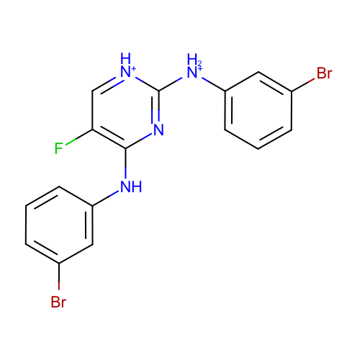 | SM21_micro030 | c1cc(cc(c1)Br)[NH2+]c2[nH+]cc(c(n2)Nc3cccc(c3)Br)F | c1cc(cc(c1)Br)[NH2+]c2[nH+]cc(c(n2)Nc3cccc(c3)Br)F
 | SM21_micro031 | c1cc(cc(c1)Br)[NH2+]c2c(cnc(n2)[NH2+]c3cccc(c3)Br)F | c1cc(cc(c1)Br)[NH2+]c2c(cnc(n2)[NH2+]c3cccc(c3)Br)F
 | SM21_micro032 | c1cc(cc(c1)Br)[NH2+]c2c(c[nH+]c([nH+]2)Nc3cccc(c3)Br)F | c1cc(cc(c1)Br)[NH2+]c2c(c[nH+]c([nH+]2)Nc3cccc(c3)Br)F
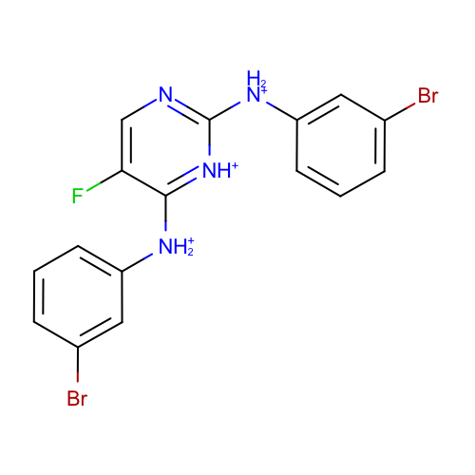 | SM21_micro033 | c1cc(cc(c1)Br)[NH2+]c2c(cnc([nH+]2)[NH2+]c3cccc(c3)Br)F | c1cc(cc(c1)Br)[NH2+]c2c(cnc([nH+]2)[NH2+]c3cccc(c3)Br)F
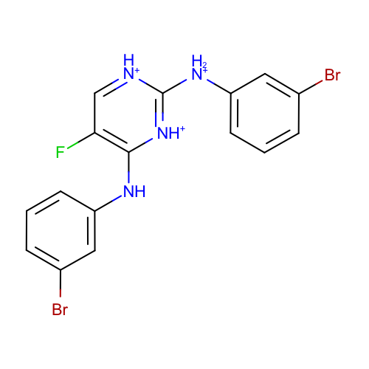 | SM21_micro034 | c1cc(cc(c1)Br)[NH2+]c2[nH+]cc(c([nH+]2)Nc3cccc(c3)Br)F | c1cc(cc(c1)Br)[NH2+]c2[nH+]cc(c([nH+]2)Nc3cccc(c3)Br)F
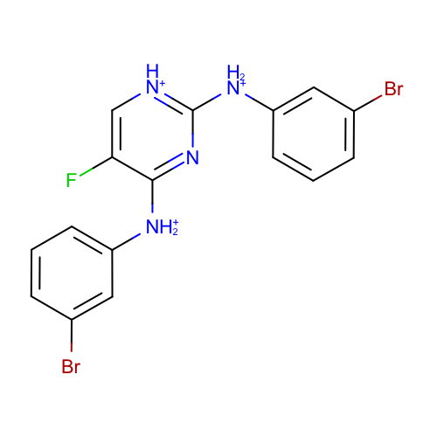 | SM21_micro035 | c1cc(cc(c1)Br)[NH2+]c2c(c[nH+]c(n2)[NH2+]c3cccc(c3)Br)F | c1cc(cc(c1)Br)[NH2+]c2c(c[nH+]c(n2)[NH2+]c3cccc(c3)Br)F
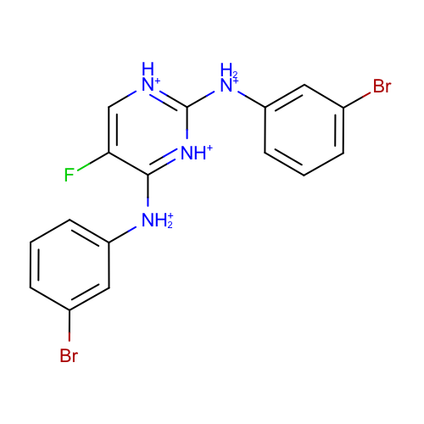 | SM21_micro036 | c1cc(cc(c1)Br)[NH2+]c2c(c[nH+]c([nH+]2)[NH2+]c3cccc(c3)Br)F | c1cc(cc(c1)Br)[NH2+]c2c(c[nH+]c([nH+]2)[NH2+]c3cccc(c3)Br)F

