Character
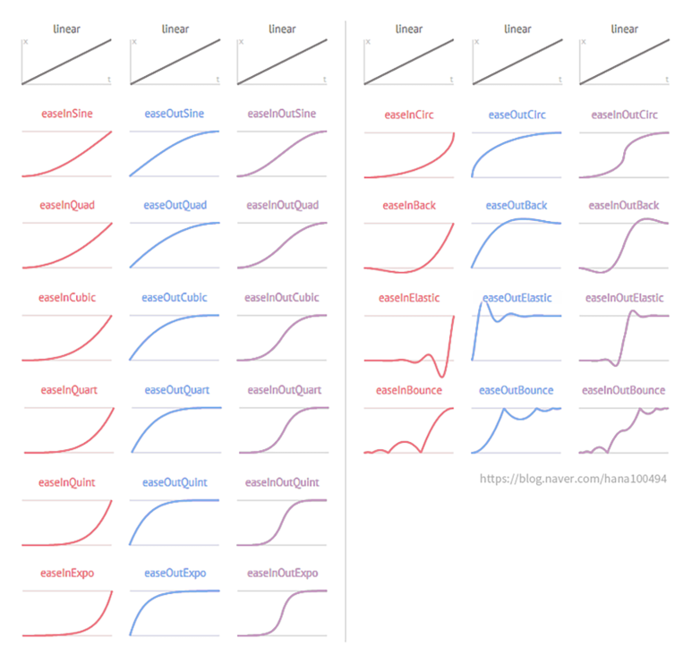
ID | Path | #Path | Curve_AssetName | #DESC
string | Tb.ResourcePath Path | - | string
Test_03 | Curves_Monster | Assets\Curves\Monster\ | Test_03.Curve
WallClimb | Curves_Player | Assets\Curves\Player\ | WallClimb.Curve | 플레이어 벽 타기 커브
Linear | Curves_Common | Assets\Curves\Common\ | Linear.Curve
InSine | Curves_Common | Assets\Curves\Common\ | InSine.Curve
InQuint | Curves_Common | Assets\Curves\Common\ | InQuint.Curve
InQuart | Curves_Common | Assets\Curves\Common\ | InQuart.Curve
InQuad | Curves_Common | Assets\Curves\Common\ | InQuad.Curve
InExpo | Curves_Common | Assets\Curves\Common\ | InExpo.Curve
InElastic | Curves_Common | Assets\Curves\Common\ | InElastic.Curve
InCubic | Curves_Common | Assets\Curves\Common\ | InCubic.Curve
InCirc | Curves_Common | Assets\Curves\Common\ | InCirc.Curve
InBounce | Curves_Common | Assets\Curves\Common\ | InBounce.Curve
InBack | Curves_Common | Assets\Curves\Common\ | InBack.Curve
OutSine | Curves_Common | Assets\Curves\Common\ | OutSine.Curve
OutQuint | Curves_Common | Assets\Curves\Common\ | OutQuint.Curve
OutQuart | Curves_Common | Assets\Curves\Common\ | OutQuart.Curve
OutQuad | Curves_Common | Assets\Curves\Common\ | OutQuad.Curve
OutExpo | Curves_Common | Assets\Curves\Common\ | OutExpo.Curve
OutElastic | Curves_Common | Assets\Curves\Common\ | OutElastic.Curve
OutCubic | Curves_Common | Assets\Curves\Common\ | OutCubic.Curve
OutCirc | Curves_Common | Assets\Curves\Common\ | OutCirc.Curve
OutBounce | Curves_Common | Assets\Curves\Common\ | OutBounce.Curve
OutBack | Curves_Common | Assets\Curves\Common\ | OutBack.Curve
InOutSine | Curves_Common | Assets\Curves\Common\ | InOutSine.Curve
InOutQuint | Curves_Common | Assets\Curves\Common\ | InOutQuint.Curve
InOutQuart | Curves_Common | Assets\Curves\Common\ | InOutQuart.Curve
InOutQuad | Curves_Common | Assets\Curves\Common\ | InOutQuad.Curve
InOutExpo | Curves_Common | Assets\Curves\Common\ | InOutExpo.Curve
InOutElastic | Curves_Common | Assets\Curves\Common\ | InOutElastic.Curve
InOutCubic | Curves_Common | Assets\Curves\Common\ | InOutCubic.Curve
InOutCirc | Curves_Common | Assets\Curves\Common\ | InOutCirc.Curve
InOutBounce | Curves_Common | Assets\Curves\Common\ | InOutBounce.Curve
InOutBack | Curves_Common | Assets\Curves\Common\ | InOutBack.Curve

