Hazard Analysis and Risk Assess
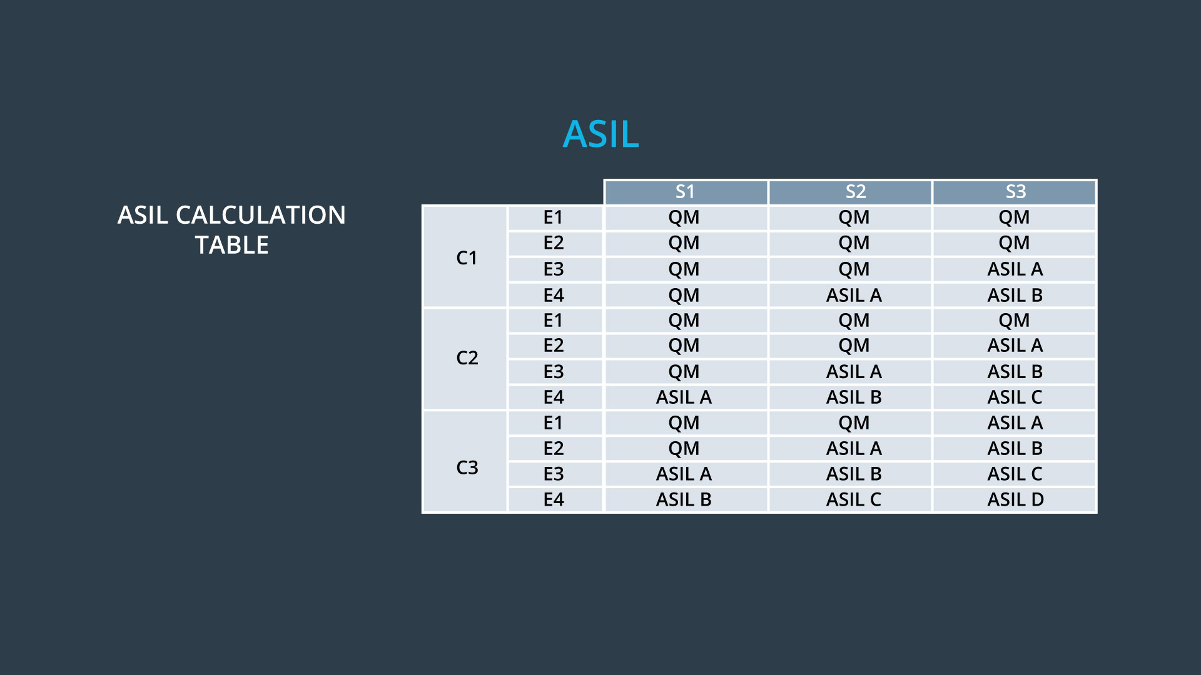
Hazard ID | Situational Analysis |  |  |  |  |  |  | Hazard Identification |  |  |  |  |  | Hazardous Event Classification |  |  |  |  |  | Determination of ASIL and Safety Goals
 | Operational Mode | Operational Scenario | Environmental Details | Situation Details | Other Details (optional) | Item Usage (function) | Situation Description | Function | Deviation | Deviation Details | Hazardous Event (resulting effect) | Event Details | Hazardous Event Description | Exposure (of situation) | Rationale (for exposure) | Severity (of potential harm) | Rationale (for severity) | Controllability (of hazardous event) | Rationale (for controllability) | ASIL Determination | Safety Goal
HA-001 | Normal Driving | City road | Normal conditions | Low speed |  | Correctly Used | Cruising through the city center | Lane Departure Warning (LWD) shall apply an oscillating torque to provide haptic feedback | Actor effect is too much | Driver overreacts due too too intense vibration of the steering wheel | Potential loose of control | Vehicle drives through city, crosses lane and too intense feedback is created. | Potential crash with other car/obstacle | E4 - High probability | An everyday situation while driving through the city | S2 - Severe and life threatening injuries possible of other participants | Medium danger of other participants | C1 - Simply Controllable | Controllability should be easily regainable | ASIL A | The lane keeping item shall ensure that the lane departure oscillating torque amplitude is below Max_Torque_Amplituded and verified.
HA-002 | Normal Driving | Highway | Snow | High Speed | Windshield slightly covered | Correctly Used | Driving through a road work site in the winter | Lane Keeping Assistance (LKA) function shall apply the steering torque when active in order to stay in ego lane | Actor effect is wrong | Crash is caused due to misinterpretation of slightly covered camera and snow covered road | Side collision with obstacle | Vehicles tried to drive through road work site | Vehicle crashes into obstacle of road work site | E2 - Low probability | Snow is quite rare (<2%) within western Europe | S2 - Severe and life threatening injuries possible of other participants | High chance of hitting a road work vehicle or concrete block | C3 - Difficult to control | Depending on the situation the distance to the obstacle is quite often very low so in many situation a crash can not be avoided but the control of the car could be restored | ASIL A | Under bad weather conditions the LKA should deny activation to prevent this situation. The driver should be made aware that the LGA is no autonomous system and that majorly road work sites can lead to uncontrollable situations.
HA-003 | Normal Driving | Country road | Normal conditions | High speed |  | Incorrectly used | The driver uses the car as if it were autonomous | Lane Keeping Assistance | Function Always Activated | Function should be deactivated when used abusively | Potential death through due to collision with obstacles close to the road | Vehicle leaves the road at high speed | Vehicle leaves the road because it can not drive autonomous but the user thinks so | E4 - High probability | An everyday situation | S3 - Life threatening injuries | Very likely | C3 - Difficult to control | Difficult to regain control | ASIL D | User is not allowed to take his hands off the wheel for more than a given amount of seconds. User should be loudly alarmed if he does otherwise
HA-004 | Service | N/A | Car service | Stopped |  | Correctly Used | Vehicle is in a service center and causes and accident due to automatic steering | Lane Keeping Assistance | Function unexpectedly activated | Function was activated in a wrong situation | Potential damage of car and service personal | Vehicle steered while not driving | Vehicle steers in still-stand and causes accident | E2 - Low probability | Quite unlikely | S1 - Light and moderate injuries | Likely | C2 - Normally controllable | Control could be regained by counter-steering | QM | Lane Keeping needs to be deactivated in still-stand and deactivated in service mode

