Sheet1
Report Design Process

1. What is my objective?
First we need to define the concrete goal for the analysis. This helps us to frame out what the main purpose of the analysis is and set the direction for the rest of the project. A couple examples of this could be:

2. Who will this story be for?
Once we have defined the high level objective for the analysis, we need to decide what and how users will consume the analysis. This is very important because based on the answer, multiple versions might be necessary to achieve the end goal. An example of this difference is between the CFO and the Store Director.

The CFO is interested in the following metrics:
Quarter over quarter trends of profit margins
Quarter over quarter breakdown of costs
Top and bottom performing categories

Meanwhile, the Store Director is interested in another set of X:
Monthly breakdown of costs and sales
Top and bottom performing products
Weekly accounts receivable by customer

3. What actions can users take from these insights?
The best practice for any analysis is to ensure that end users can take action after reviewing the analysis. Once we know the objective and who the end users will be, we can begin to define this. These can be organized into a list of data-driven action/decision items, also sometimes referred to as a “Workqueue” or “Task List”.

In the case of the scenario with the CFO and Store Director, some potential Task Lists could be:
List of top-selling products with profit margins
List of customers that have shown a decrease in purchase activity

4. How often do I need to update the data?

Data Storytelling Best Practices (Gestalt Principles)

Enclosure / Figure-Ground: An enclosure is a group of objects placed together with a boundary around them. This technique is used in data visualization by placing a border, shadow or box around similar widgets that we would like the user to review at the same time. This is especially useful when adding KPIs to the dashboard, creating a specific outlined area so that the user knows that the KPIs are meant to be viewed together.

Similarity: Similarity is when we have data points with similar attributes such as color, direction or shape. When we have this happen, it is perceived that these are part of a group. For example, if we are visualizing departments, we may want to use color for each department in addition to enclosures to make the different departments easily distinguishable from each other.

Closure: Our eyes add any missing elements to familiar shapes. An example of this is not needing an enclosure around a bar chart, because we have both an X and Y axis to help us to understand where the boundaries of the graph are.

Continuity: This principle has to do with the direction that we read the story in. The order in which we place the visualizations can influence how the user reads the data.

Connection: We tend to perceive objects that are connected in some way as part of the same group or theme. This could be a connection using an arrow to show steps in a process for instance.

Proximity: This principle is when we place objects that are similar close together. Different from Similarity, this principle refers to the arrangement of objects. An example of this is placing all widgets together that may be a slightly different view of the same data so that the user can see that they are related.

Symmetry: Symmetry is the concept that states that elements that are far apart can be perceived as being related, as long as they are placed symmetrically on the report or dashboard. Having objects placed symmetrically, are pleasing to viewers and make the report or dashboard feel harmonious.

Report Structure

F Pattern
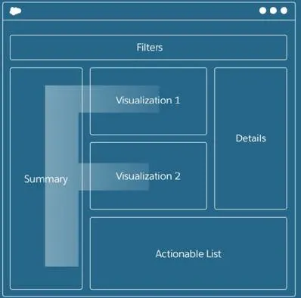

In the F pattern, Filters are shown at the top of the dashboard to help give users control to create subsets of the data. The KPIs are shown on the left-hand side of the dashboard, followed by a couple visualizations to the right of that, creating the two strokes of the letter F. To the right of that are additional details that further highlight any insights. Finally, at the bottom are the actions that need to be taken from the dashboard.

Z Pattern
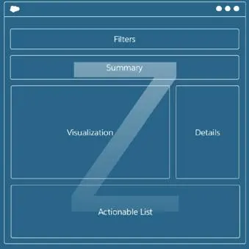

In addition to the F pattern, the Z pattern is one of the more common designs of dashboards that is typically created. In the Z design, the KPIs are placed in the Summary section of the page. Below the KPIs are the one or two visualizations that summarize the KPIs along with additional information about them. At the bottom is the actionable list, usually some sort of raw data table. This pattern is called the Z pattern because the eye reads left to right, then down to the visualizations, then left to right again in the action items.

Side by Side
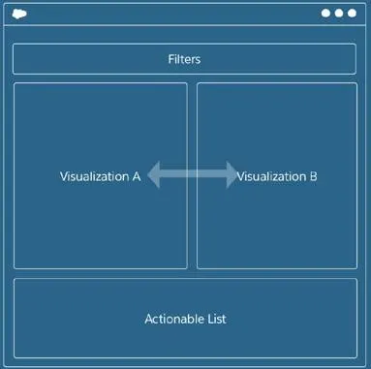

The last common layout is the Side-by-Side layout. In this layout there are a couple of visualizations that are right next to each other with an actionable list at the bottom. This view might have KPIs at the top of the page, but if it has KPIs that do not directly relate to the graphs, it may turn into the Z pattern. This pattern is best used when comparing multiple metrics using similar groupings like time or categories.

Filters

Before creating filters, we need to ask a few questions. We need to ask ourselves what we want the filters to do and determine what types of filters we want to add. If we do not first consider the end users that will be interacting with the dashboard, we will create something that is not as effective as we would like. It would be a bummer if we spent all this time creating a report that no one can really interact with, wouldn’t it?

For example, if a category is already displayed on the dashboard, it should not be in the filter pane. The reason for this is because having too many Filters can take up valuable screen real estate which distracts the viewer from the content. Also, Filters should be intuitive in that the user knows exactly what they are used for. Here are a few additional things to consider:

• Try making filters apply to each widget on the dashboard
• Arrange filters in order with the highest importance at the top
• Hide filters that do not add value to the dashboard (filter fatigue)

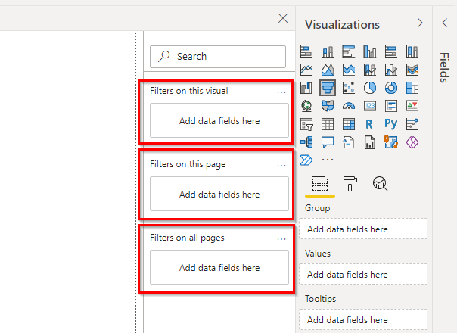

Visualization Filters: We can add filters to a visual that are either shown in the visualization or additional data points in the dataset. The fields that are used in the visualization are automatically in this section with “All” selected. Additional fields can be pulled into the “Filters on this visual” section by dragging them from the Fields area. This is typically used when we want to focus a visualization on a specific subset of the data, such as a KPI that we want to track for a specific group of data.

Page Filters: Page filters are added by dragging fields into the “Filters on this page” section. These are the most common and can be put on the page directly. These are great for allowing end users to be able to manipulate the data without needing assistance manipulating the data.

Report Filters: Report filters are added to the “Filters on all pages” section. This section will filter out data from the dataset, no matter what page the user is on. This is an alternative option, rather than filtering out at the Power Query level.

Slicer Visualizations: A slicer is a visualization that pulls a filter directly onto the dashboard. These work strictly as page filters. It is another way of ensuring that specific data points are meant to be toggled. These work especially with dates or any range of numbers where a slider is preferable to a drop down list. You can learn more about slicers in the Microsoft Power BI documentation.

Data Story Refinement

Comparison Charts
Always sort categories in ascending or descending order
Ensure the axis is always anchored to zero
Use one color for each measure, never one color per category

Trend charts
Never show more than 4 lines on a trend chart
Use a dual axis to show similar units that have vastly different scales

Relationship Charts
Always start at zero for both axes
Use color to highlight outliers and patterns

Across chart types:
Show Comparisons: Ensure that there is context when comparing multiple items, especially when showing these over time
Show Causality: Ensure that if a correlation between measures is present, that insight is presented to end users. This can also sometimes be shown on a dual axis, with the same time dimension.
Use Multivariate Data: Use as many related categories as makes sense. Leveraging color, size, shape and position can significantly impact the quality of the story.
Complete Integrate Modes: Ensure that whenever possible, text, numbers, and even images are all included on visualizations.

• Limit the number of views in a dashboard to 3 or 4. Having more than 4 visualizations in a dashboard can cause confusion and begin to tell multiple stories. It is best practice to create a separate view for these situations.

• Establish credibility. Ensure that the source of the information is clearly presented to end users. Without this, it can be difficult to trust insights from the data, especially if they are impactful.

• Focus on content. Minimize the amount of unnecessary noise in the chart (text, color, shapes, etc.) if they are not directly contributing to the story being told.

Summary

1. Is my dashboard telling a single story?
2. Are my charts cohesive and easy to understand?
3. Am I calling out specific points of interest on the dashboard?
4. Do I need to add tooltips?
5. Are my colors being used effectively to enhance my story?
6. Am I annotating specific data points that I want to call out?
7. Does my report flow when I read it? Is the information I wanted the user to see first easy to identify?
8. Are similar data points on visualizations grouped in the same area?
9. Are my KPIs enclosed? If not, should they be?

