Hoja1
TC-2027 | Computer and Information Security
Subject | Lab 0: Certificates and VPN
Teacher | José de Jesús Jiménez Martínez
Design | Rafael Emilio Dávalos Villarreal
Name | Alan Macedo Esparza
Student ID | A01366288
Group | 4
Date | 2020-10-14

1 | Analyze a Certificate

 | Review the certificate of tec.mx |  | I have visited this site 1,526 times
 | Write 5 interesting facts you noticed on this |  | Encrypted with TLS_AES_128_GCM
 | certificate |  | certified by digicert
 |  |  | The certificate is only valid for 2 months
 |  |  | It has 2 dns alternatives: *.tec.mx and tec.mx

 |  | Notes
 | Now review the certificate in www.youtube.com | DNS | 1.1.1.1
 | What do you notices about the DNS and the Certificate Autorithy | Certificate Autorithy | Google Trust Services

2 | Create your own Web Service Certificate

 | If you don't have IIS installed on your computer
 | Go to Control Panel
 | Go to Programs and Features
 | Click on Enable/Distable Windows Features
 | Click on the option Internet Information Services
 | It's no necessary to click on FTP
 | Click on OK
 | Now open Internet Information Services (IIS) Administrator

 | Click once over the name of your computer, then double click on
 | Server Certificates
 | Now we are going to generate a CSR (Certificate Signing Request)
 | Click on Create a new Certificate request on the right panel
 | Fill the date | Common Name | groupN.lab.cybersecurity.nl
 |  | Organization | tec
 |  | Organizational Unit | tec
 |  | City | MTY
 |  | State or Province | MTY
 |  | Country or Region | MX
 | Click on Next
 | Select the Default provider
 | Select 2048 bits to length
 | Click on Next
 | Save the file as GroupN.csr
 | Open the file with Notepad or Similar
 | Review the content of the file
 | Send your CSR file to your teacher. You will receive back a certificate
 | file
 | Once you hace the certificate, go to:
 | Complete the certificate request
 | Choose the file you received from your teacher
 | Use a descriptive name
 | Choose Web Server option

 | Now on the left IIS panel
 | Click on the > on the left of Sites
 | On the right panel, click on Bindings
 | Click on Add
 |  | Type | https
 |  | IP Address | (choose your IP)
 |  | Port | 443
 |  | Host Name | grupoN.lab.cybersecurity.nl
 |  | SSL Certificate | (choose the certificate with the name you used)
 | Click on OL
 | Click on Close
 | Modify your hosts file so the domain:
 | groupN.lab.cybersecurity.ln
 | is solved using your local ip
 | Exaple:
 | 192.168.0.100 groupN.lab.cybersecurity.nl

 | On the right panel, click on Go to:
 | Browse GroupN.lab.cybrsecurity.nl en 192.168.0.100:443 (https)

 | You web browser will say that the certificate autorithy is not valid
 | This is because we used a local CA, not a commercial one

 | Click on Continue to load the page

 | You're all set, you configures a SSL Certificate on your web service. Now
 | The information is encripted and you can see your certificate information.

 | On a Mac environment, you can follow the instruccions of this videos:
 | to generate the CSR and the certificate
 | IT IS NO NECESSARY FOR THE REPORT. WORK WITH A PARTNER WITH WINDOWS
 | https://www.youtube.com/watch?v=-VxQU1w9L6w
 | https://www.youtube.com/watch?v=JhksSDHAP_g

3 | Ventana de Certificados
 | O Windows
 | Press the Windows key + R
 | Run: certmgr.msc | 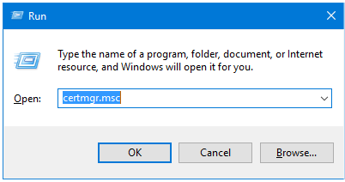

 | Browse al the options
 | Think about the certificates you see. What do you think they are ment for? | Type of certificate: | Theres many certificates that say that companies are who they say they are.
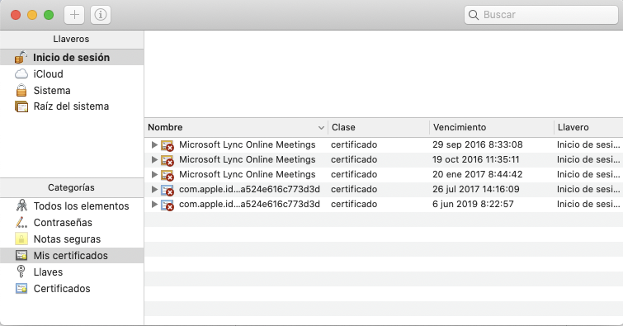
 | On Mac

 | Open the Mac Keychain

 | Browse al the options

4 | Private Virtual Networks

 | Find and describe the a VPN is | VPNs create a virtual network by encapsulating all of your network traffic and encrypt it, then re-direct it through a gateway where they unencrypt and unpack your network traffic.
 | (Virtual Private Network)

 | Search 5 names of VPN Commercial providers | Provider | Country | Cost
 | the countries of original and the cost (montly or annual) | NordVPN | USA | $5/yr
 |  | PIA | USA | $3.33/yr
 | You can use: | CyberGhost | USA | $2.75/mo
 | https://www.pcmag.com/roundup/296955/the-best-vpn-services | Surfshark | USA | MXN$53.21/mo
 |  | Hostpot shield | USA | free

 | Answer: | What's the difference between VPN & Proxy? | Proxies only encapsulate specific sites, while VPNs encapsulate your entire network.

 | VPN | Install
 | If you don't have a VPN, you can find one | Connect
 | or use the basic TunnelBear free version with 500 MB / month | Create a Username and
 | https://www.tunnelbear.com/pricing | Password
 | Fist, check:
 | https://restoreprivacy.com/tunnelbear/

 | https://www.freelan.org/

 | Get you publick IP before and after the VPN Service | ISP IP Address | IP Address with VPN
 | You can use https://checkip.dyndns.org | (you can skip this step if you feel the information is confidential)

5 | Reflexion

 | This was an interesting lab, that got me to investigate about security certificates

