DefectReport
Defect Report
Sr.No | Bug_id | Module Name | Summary | Environment | Bug details |  |  |  | Bug Tracking |  |  | Bug Status | Submission Date | Attachement/Screenshot | Note
 |  |  |  |  | Steps to reproduce | Expected Result | Actual Result | Description | Severity | Priority | Assigned to
1 | Bug_id_001 | Login (Functionality) | Login | forgot password link should be available | QA Environment | 1. Hit the URL of application 2. Forgot password link should be available | When click on forgot password link it should navigate to forgot password page but Forgot password link is not available | Forgot password link is not mention | When user hit the URL login form should be display if user forgot the password. Forgot password link should be mention but it is not mention. | High | High | Amaan | open | 22-11-2024
2 | Bug_id_002 | Login (Functionality) | Login | Sign IN Button should be available | QA Environment | 1. Hit the URL of application 2. Sign IN Button should be available | When user is new it should register first but Sign button is not available | Sign In Button is not mention | When users are new it should register first before login they should click on Sign In button but Sign button is not available | High | High | Amaan | open | 22-11-2024
3 | Bug_id_003 | Login (Functionality) | Login | Validate logging into application using inactive credential | QA Environment | 1. Hit the URL of application 2. Enter valid Username of an inactive username 3. Enter valid Password of an inactive account password 4. Click on Login button | When leave users leave the company they should not able to login in the Admin360 | User are able to login in the Admin360 after they leave the company | When user hit the URL; login form should be display if user inactive it should not able to login into Admin360 | High | High | Amaan | open | 22-11-2024
4 | Bug_id_004 | Login (Functionality) | Login | remember me functionality is not available | QA Environment | 1. Hit the URL of application. 2. Enter valid Username 3. Enter valid Password 4. Click on Remember me checkbox then 5. Click on Login button | Username/password should be remembered for next login attempt when click on the remember me | remember me functionality is not mention | when enter the Username/password and click on the login button it should ask remember me for username and password for the next attempt. | High | Low | Amaan | open | 22-11-2024 | 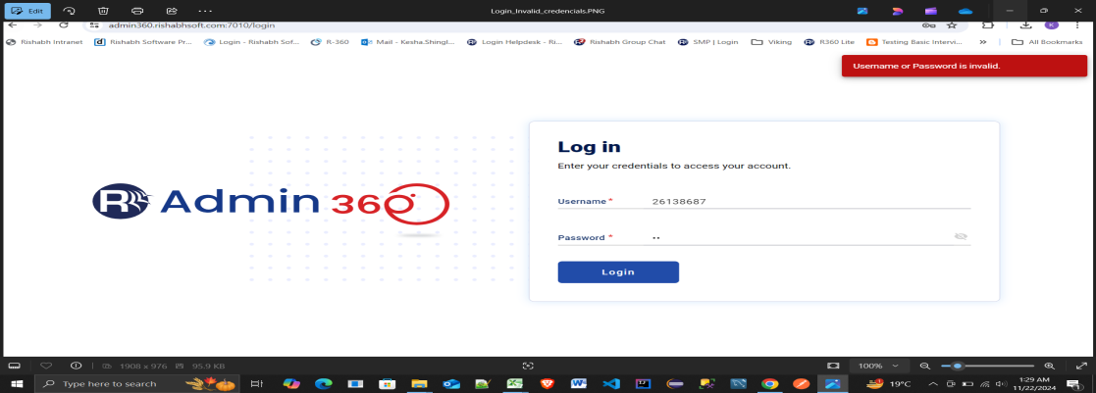
5 | Bug_id_005 | Login (Functionality) | Login | working after session expiry | QA Environment | 1. Hit the URL of application. 2. Enter valid Username 3. Enter valid Password 4.Leave the session idle for a predefined timeout duration. 5. Attempt to perform an action or refresh the page | User should be redirected to the login page and able to log in successfully. | User are not able to login in the Admin360 after predefined timeout duration | User should be redirected to the login page after predefined timeout duration when user become idle on the screen | High | Medium | Amaan | open | 22-11-2025
6 | Bug_id_006 | Login (Functionality) | Login | expired or deactivated user accounts | QA Environment | 1. Hit the URL of application. 2. Enter invalid Username 3. Enter invalid Password 4. Ensure the user account is marked as deactivated in the database. 5. Attempt to log in with the credentials. | The system should deny login with an appropriate error message like "Account deactivated.". | Login is successful message or no message is display | The system should deny login with an appropriate error message but it should not show other any message from which user get confused | High | Medium | Amaan | open | 22-11-2026
6 | Bug_id_007 | Login (Functionality) | Login | suspended user accounts | QA Environment | 1. Hit the URL of application. 2. Ensure the user account is marked as "suspended" in the database. 3. Attempt to log in with the credentials. | The system should deny login with an appropriate error message like "Account suspended. Contact to support.". | Login is successful message or no message is display | The system should deny login with an appropriate error message but it should not show other any message from which user get confused | High | Medium | Amaan | open | 22-11-2027
7 | Bug_id_008 | Login (Functionality) | Login |Multiple consecutive failed login attempts an account is lock | QA Environment | 1. Hit the URL of application. 2. Attempt to log in with invalid username and password repeatedly | The system should lock the account after multiple failed attempts, It should display "Account locked. Reset password." | Account is not locked, or user is still able to log in after multiple failed | The system should lock the account after multiple failed attempts but user is still able to log in. | Critical | High | Amaan | open | 22-11-2028
8 | Bug_id_009 | Guest House System (Functionality) | Booking Page |Check In - Check Out field | QA Environment | 1. Hit the URL of application. 2. Navigate to Dashboard 3. Click on Guest house 4. Navigate to the Booking Page. 5. Enter invalid | The system should validate the input and display an error for invalid dates. | The system accepts invalid dates without any validation | The Check In - Check Out field allows invalid dates or does not validate input properly. | High | High | Amaan | open | 22-11-2029
9 | Bug_id_010 | Guest House System (Functionality) | Booking Page |Check the Room Number dropdown | QA Environment | 1. Hit the URL of application. 2. Navigate to Dashboard 3. Click on Guest house 4. Open the Booking Page. 5. Check the Room Number and Bed Number dropdown menus | Dropdowns should display available options for Room Numbers | Dropdowns are empty is not display on user side | The Room Number dropdown fields are not auto-filled with options. | High | Medium | Amaan | open | 22-11-2030
10 | Bug_id_011 | Guest House System (Functionality) | Booking Page |terms and conditions | QA Environment | 1. Hit the URL of application. 2. Navigate to Dashboard 3. Click on Guest house 4. Open the Booking Page. 5. Click the "terms and conditions" link | The link should redirect to the Terms and Conditions page | The link does not work or It is redirecting to the some other page | The terms and conditions link is not functional does not redirect to the appropriate page. | High | Low | Amaan | open | 22-11-2031
11 | Bug_id_012 | Guest House System (Functionality) | Booking Page |Enter Purpose | QA Environment | 1. Hit the URL of application. 2. Navigate to Dashboard 3. Click on Guest house 4. Open the Booking Page. 5. Write something upto 1000+ word in the "Enter Purpose" field. | The text box should have a character limit | The system accepts excessively long text | The "Enter Purpose" text box does not have a character limit validation. | Low | Medium | Amaan | open | 22-11-2032
12 | Bug_id_013 | Guest House System (Functionality) | MY Booking |Search box | QA Environment | 1. Hit the URL of application. 2. Navigate to Dashboard 3. Click on Guest house 4. Open My Booking Page. 5. Enter a keyword in the search box. 6. Click the search icon. | The search box should filter and display according to booking records. | The search box does not filter results | Search functionality on the "My Bookings" page is not working. | High | Medium | Amaan | open | 22-11-2033
13 | Bug_id_014 | Guest House System (Functionality) | MY Booking | | QA Environment | 1. Hit the URL of application. 2. Navigate to Dashboard 3. Click on Guest house 4. Open Booking Make a booking on the Booking Page. 5. Navigate to the My Bookings page. | The My Bookings page should display details of all past bookings. | The page does not show any bookings and always says "No records Found." | The "My Bookings" page displays "No records Found" even if bookings are made. | High | High | Amaan | open | 22-11-2034
14 | Bug_id_015 | Remote Attendance (Functionality) | Attendance | | QA Environment | 1. Hit the URL of application. 2. Navigate to Dashboard 3. Click on Remote attendance System 4. Attempt to check in or check out using the page. 5. Observe the table for updated records. | The table should display user attendance details, including Name, Date, Check-In, and Check-Out times. | The table always shows "No Record Found" | The table displays "No Record Found" despite users attempting to check-in/check-out. | High | High | Amaan | open | 22-11-2035
15 | Bug_id_016 | Remote Attendance (Functionality) | Attendance |Item per page | QA Environment | 1. Hit the URL of application. 2. Navigate to Dashboard 3. Click on Remote attendance System 4. Click on Attendance 5. Click on the "Items per page" dropdown to select a value. | The dropdown should allow users to change the number of rows displayed on the table. | The dropdown does not respond to user interaction. | Items per page dropdown is not workingl. | Low | Medium | Amaan | open | 22-11-2036
16 | Bug_id_017 | Remote Attendance (Functionality) | Attendance |RED NOTES | QA Environment | 1. Hit the URL of application. 2. Navigate to Dashboard 3. Click on Remote attendance System 4. Click on Attendance 5. Read the note on the Attendance page. | The note should clearly explain | The note is confusing for users. | The note in red text states the application is for mobile use but does not provide a clear explanation. | Low | Low | Amaan | open | 22-11-2037
17 | Bug_id_018 | Remote Attendance (Functionality) | Attendance |Data Failure | QA Environment | 1. Hit the URL of application. 2. Navigate to Dashboard 3. Click on Remote attendance System 4. Click on Attendance 5. When there is a database connection failure. 6. Reload the Attendance page. | The page should display a proper error message for connection issue | The page loads with no records but without any error | Page does not show an error message if the database connection fails. | Medium | Medium | Amaan | open | 22-11-2038
18 | Bug_id_019 | Remote Attendance (Functionality) | Attendance |Scan QR | QA Environment | 1. Hit the URL of application. 2. Navigate to Dashboard 3. Click on Remote attendance System 4. Click on Attendance | A "Scan QR" button should be present for users to scan QR codes for attendance. | There is no option to scan a QR code for attendance | The "Scan QR" button is missing on the Remote Attendance page. | High | High | Amaan | open | 22-11-2039
19 | Bug_id_020 | Remote Attendance (Functionality) | Attendance |Scan QR | QA Environment | 1. Hit the URL of application. 2. Navigate to Dashboard 3. Click on Remote attendance System 4. Click on Attendance 5. Click on the "Scan QR" button on the Attendance | The camera or QR scanning dialog should open to scan attendance | Clicking the "Scan QR" button does not working the QR scanning functionality | "Scan QR" functionality does not open the camera for QR scanning | High | High | Amaan | open | 22-11-2040
20 | Bug_id_021 | Remote Attendance (Functionality) | Attendance |Scan QR | QA Environment | 1. Hit the URL of application. 2. Navigate to Dashboard 3. Click on Remote attendance System 4. Click on Attendance 5. Click on the "Scan QR" button on the Attendance 6. Observe the user interface for confirmation feedback. | The system should display a confirmation message | No confirmation message is shown after successful | No confirmation message displayed after a successful QR scan and check-in/check-out. | High | Medium | Amaan | open | 22-11-2041

