DefectReport
Defect Report
Sr.No | Bug_id | Module Name | Summary | Environment | Bug details |  |  |  | Bug Tracking |  |  | Bug Status | Submission Date | Attachement/Screenshot | Note
 |  |  |  |  | Steps to reproduce | Expected Result | Actual Result | Description | Severity | Priority | Assigned to
1 | ORHRM_001 | MyInfo | Myinfo| After login successfully Dashboard page gets open instead of Myinfo page | QA Environment | 1.Launch the browser 2. Open url " https://opensource-demo.orangehrmlive.com " 3. Provide valid user name 4. Provide valid password 5. Click on Login Button | When user gets successfully login it should open Myinfo page | When user gets successfully login it was opening Dashboard page instead of Myinfo page. | After providing valid credential when user click on login button Myinfo page should open for the user instead of Dashboard page. | Mediium | High | Amaan | open | 30-Oct-24 | 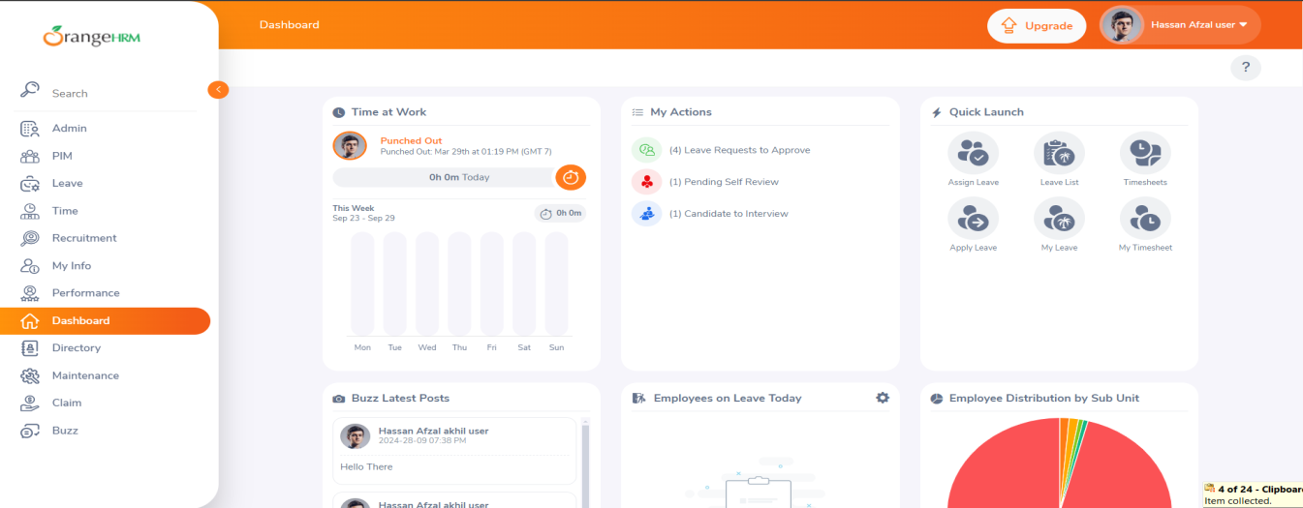
2 | ORHRM_002 | MyInfo | License Expiry Date calendar | Myinfo| In License Expiry Date calendar it is showing previous, current year but not showing upcoming year. | QA Environment | 1.Open url " https://opensource-demo.orangehrmlive.com " 2. Provide valid user name 3. Provide valid password 4. Click on Login Button 5. Click on Myinfo 6. Click on License Expiry Date calendar 7. Click on current year down arrow. | When user click on License Expiry Date calendar it should show previous, current and upcoming years. | In License Expiry Date calendar User unable to see upcoming years. | When user click on License Expiry Date calendar it should show previous, current and upcoming years. | Medium | High | Amaan | open | 30-Oct-24 | Bug Report ScreenShot Floder - ScreenShot (141)
3 | ORHRM_003 | MyInfo| License Expiry Date calendar | Myinfo| When user click on Months or years of Down arrow in License Expiry Date calendar website page does not remain static | QA Environment | 1.Open url " https://opensource-demo.orangehrmlive.com " 2. Provide valid user name 3. Provide valid password 4. Click on Login Button 5. Click on Myinfo 6. Click on License Expiry Date calendar 7. Click on current year down arrow. | When User Click on Month or Year down arrow in License Expiry Date calendar website page should remain static only Month and year should open there. | When user click on Month or year down arrow in License Expiry Date calendar website page goes down and calendar goes up. | When user click on Months or year down arrow so website page remain static and Months and Year remain static. It should open there only. | Medium | High | Amaan | open | 30-Oct-24
4 | ORHRM_004 | Admin |Add User password show Icon | Admin| Go to Admin Click on add user here password show icon is not available | QA Environment | 1.Open url " https://opensource-demo.orangehrmlive.com " 2. Provide valid user name 3. Provide valid password 4. Click on Login Button 5. Click on Admin 6. Click on Add | In admin when we click add button where we can add user in that password show icon should be available | In admin when user click add button where we can add user in that password show icon is not available | In add when click on add button where we can add user in that password show icon should be available now it is not not available. | Medium | Medium | Amaan | open | 30-Oct-24 | Bug Report ScreenShot Floder - ScreenShot (142)
5 | ORHRM_005 | MyInfo | Qualification | Myinfo| In the qualifications the language section in fluency section user unable to select all or two option | QA Environment | 1.Open url " https://opensource-demo.orangehrmlive.com " 2. Provide valid user name 3. Provide valid password 4. Click on Login Button 5. Click on Myinfo 6. Click on qualifications 7. In qualifications go to add language section 8.Select language 9. Click on Fluency down arrow 9. Select Speaking, Writing, Reading | User want to add any language at that time user should select all or two option at a same time | User unable to select all or two option in fluency at same time | User want to add any language when user click on fluency down arrow option should be availablethat all two or three can select at a same time. | Medium | Low | Amaan | open | 30-Oct-24 | Bug Report ScreenShot Floder - ScreenShot (143)
6 | ORHRM_006 | MyInfo |Qualification | Myinfo|In qualifications in that Education section year, Starting and End Date is available after saving only year is showing | QA Environment | 1.Open url " https://opensource-demo.orangehrmlive.com " 2. Provide valid user name 3. Provide valid password 4. Click on Login Button 5. Click on Myinfo 6. Click on qualifications 7.Click on Education Add button 8. write any random in year 9.Select start and end date 10. click on save button | User add the year and after that user select the start and end date in education. Click on save button. It should see start and end date | User have two options are available year as well as start and end date in education but after saving it is showing only year. | User is getting confused because two options are avaliable in the education year as well as start and end date but after click on save button it is showing only year. | Medium | Low | Amaan | open | 30-Oct-24 | 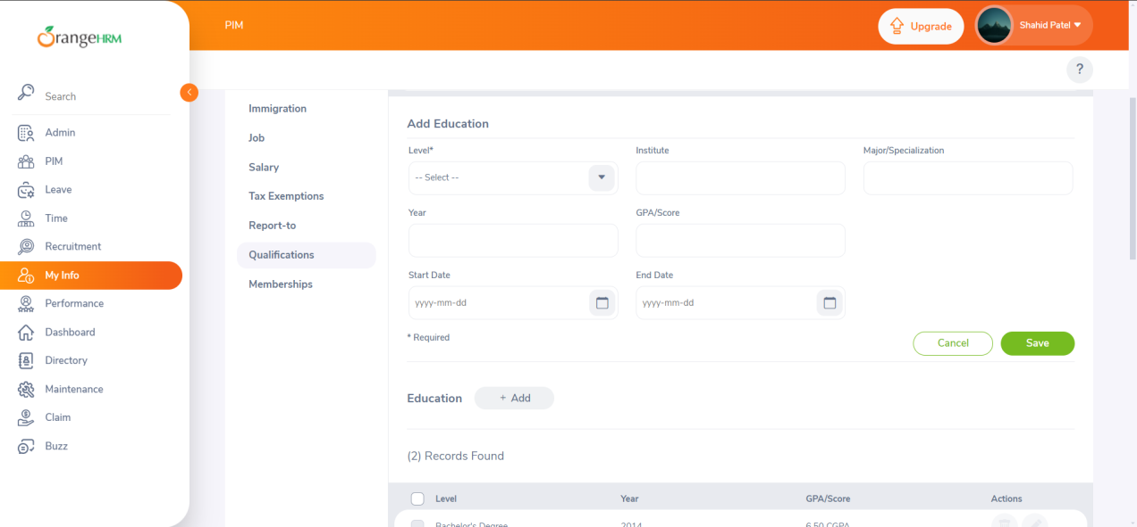
7 | ORHRM_007 | MyInfo | Qualification | Myinfo| When user click on Months or years of Down arrow in Education calendar website page does not remain static | QA Environment | 1.Open url " https://opensource-demo.orangehrmlive.com " 2. Provide valid user name 3. Provide valid password 4. Click on Login Button 5. Click on Myinfo 6. Click on qualifications 7.Click on Education Add button 8. Click on Start Date or End date Calendar 9. Click on Month down arrow or Year down | When User click on Month or year down arrow calendar should remain there. | When User click on Month or year down arrow calendar. It should not remain there instead of calendar goes up and website page goes down | When User click on Month or year down arrow calendar should remain there. User should not have to scroll up to select month and year it should remain static while selecting. | Medium | Low | Amaan | open | 30-Oct-24 | Bug Report ScreenShot Floder - ScreenShot (145)
8 | ORHRM_008 | MyInfo | Qualification |Work Experience | Myinfo| When user click on Months or years of Down arrow in Work Experience calendar website page does not remain static | QA Environment | 1.Open url " https://opensource-demo.orangehrmlive.com " 2. Provide valid user name 3. Provide valid password 4. Click on Login Button 5. Click on Myinfo 6. Click on qualifications 7.Click on Work Experience Add button 8. Click on Start Date or End date Calendar 9. Click on Month down arrow or Year down | When User click on Month or year down arrow calendar should remain there. | When User click on Month or year down arrow in the calendar. It should remain there instead of calendar goes up and website page comes down | When User click on Month or year down arrow calendar should remain there. User should not have to scroll up to select month and year it should remain static while selecting. | Medium | High | Amaan | open | 30-Oct-24 | Bug Report ScreenShot Floder - ScreenShot (146)
9 | ORHRM_009 | MyInfo |Qualifications | Skill | Myinfo| In Qualifications go to skill click on add button when user write comment. It is not showing in the record after saved | QA Environment | 1.Open url " https://opensource-demo.orangehrmlive.com " 2. Provide valid user name 3. Provide valid password 4. Click on Login Button 5. Click on Myinfo 6. Click on Skill add button 7.Click on comment and write comment 8. Then Click on Save button | When user write a comment in the comment box after click on save button it should showed in the record along with skill and year of experience | When user select skill and write year of experience and write a comment in the comment box but after click on saved button comment is not appearing. | When user write a comment in the comment box and after user click on save button it should appear in the record box along with the skill and year of experiences. | Low | Low | Amaan | open | 30-Oct-24 | Bug Report ScreenShot Floder - ScreenShot (147)
10 | ORHRM_010 | MyInfo | Qualifications | Attachment | Myinfo| In Qualifications go to attachment in the last click on add and write a comment after writing click on save button instead of comment section. Description section is showing | QA Environment | 1.Open url " https://opensource-demo.orangehrmlive.com " 2. Provide valid user name 3. Provide valid password 4. Click on Login Button 5. Click on Myinfo 6. Go to Qualifications 7. Click on Attachments add button 8.Click on comment and write comment 9. Then Click on Save button 10. observer the output | When user write a comment in the comment box after click on save button it should show in the record . | When user write a comment in the comment box after click on save button it is not showing comment name instead of it is showing description name. | When user write a comment in the comment box after click on save button. Record should show comment section name instead of it is showing Description section name after file name | Low | Low | Amaan | open | 30-Oct-24 | Bug Report ScreenShot Floder - ScreenShot (148) and Sceenshot (149)
11 | ORHRM_011 | MyInfo | Memberships | Myinfo| In Myinfo go to membership in that when user put 0 amount in Subscription Amount and It should show error messages | QA Environment | 1.Open url " https://opensource-demo.orangehrmlive.com " 2. Provide valid user name 3. Provide valid password 4. Click on Login Button 5. Click on Myinfo 6. Select Memberships 7. Click on add Memberships 8. Put 0 in the Subscription Amount 9. Observer the output | When user put 0 amount in the subscription amount it should show error message. | When User put 0 amount in the subscription amount it is not showing error message | When User put 0 amount in the subscription amount it is not showing error message but when user click on save button add membership keep gets loading and other functionality like edit in the record get block and user have refresh the webpage | High | High | Amaan | open | 30-Oct-24 | 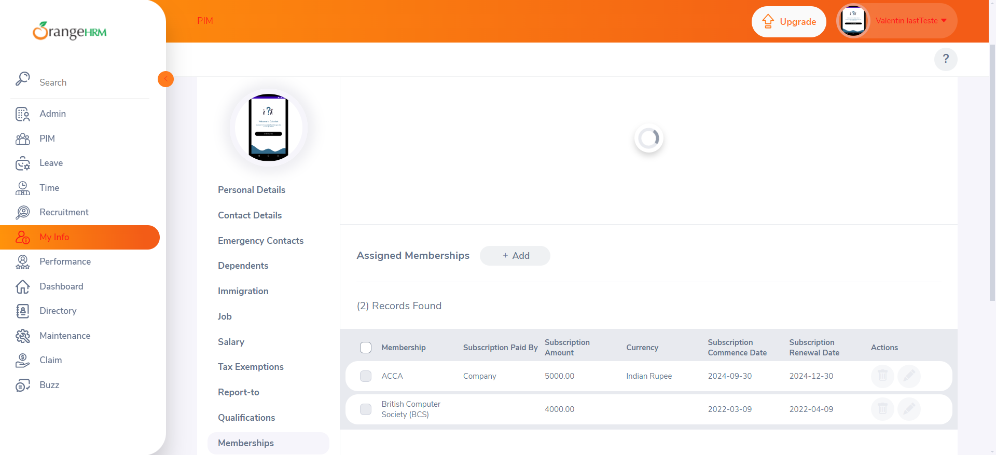
12 | ORHRM_012 | Search| Search Result | Incorrect search result | QA Enviornment | 1)Should be connected to the Internet. 2)Then,login with the valid username and password. 3)Home Page should get open. 4)Go to the search. 5)Search something. | Whatever the user searches the data should be shown other than that nothing extra data should be dislayed | When searching at that time not only the data we searched but it is showing other data employees data also. | If anything in the search space is being searched then only the searched data of the employee should be shown, no other employees data should be shown there. | Major | High | Amaan | Open | 28-Sep-24
13 | ORHRM_013 | Search| Search Result | Case Sensitive should be shown when searched | QA Enviornment | 1)Should be connected to the Internet. 2)Then,login with the valid username and password. 3)Home Page should get open. 4)Go to the search. 5)Search something. | When searched whether it is written in small letter then also similar search should be shown. | If anything in small letters written in the search then, it is not showing similar result if written in capital. | If anything written either in capital or in small letter that is it should case sensitive. It should not happen like ifthe user is searching something but he didn’t got for what the user for. | Medium | Medium | Amaan | Open | 29-Sep-24
14 | ORHRM_014 | Search|Slow Search | When searching it should not take much time | QA Enviornment | 1)Should be connected to the Internet. 2)Then,login with the valid username and password. 3)Home Page should get open. 4)Go to the search. 5)Search something. | When the user search anything , the application should take the minimum time in seconds. | When searching anything the application is taking too much to display the searched result. | If anything is being searched , it should not take much time hardly it should take some micro second to display or to get the output.So,if it takes much time to display then it is not feasible.If it takes much time then the user will have to wait and it seems to be not properly built application. | Critical | High | Amaan | Open | 29-Sep-24
15 | ORHRM_015 | Search| Special Characters | Search fails for special characters | QA Enviornment | 1)Should be connected to the Internet. 2)Then,login with the valid username and password. 3)Home Page should get open. 4)Go to the search. 5)Search something. | Search should handle special characters. | When searching anything with special characters, it is not showing the result. | If anything is being searched by the user , with any special characters then the output is not shown.So, this should be not the case .When anything by the user with the special characters should be searched then it should show some result. | Critical | High | Amaan | Open | 3-Oct-24
16 | ORHRM_016 | Search|Not showing symbol | Symbol not showing to close the search panel | QA Enviornment | 1)Should be connected to the Internet. 2)Then,login with the valid username and password. 3)Home Page should get open. 4)Go to the search. 5)Search something. | Symbol to close the search panel should be shown. | Symbol to close the search panel is not been shown sometimes. | As per the attached document, the symbol for the panel to close is not showing in the aatached screenshot.So, it should be seen because somethimes it is being seen and sometimes it is being not which is not feasible.As, seen in the all earlier defect it is showing the defect but sometimes it is not showing. | Low | High | Amaan | Open | 3-Oct-24
17 | ORHRM_017 | Search|No range in searching input | There is no limit in search bar in characters | QA Enviornment | 1)Should be connected to the Internet. 2)Then,login with the valid username and password. 3)Home Page should get open. 4)Go to the search. 5)Search something. | There should be some limit in the search bar. | In search bar the user is able to input as many characters. | In search bar there should be some limit that the user should enter only till some limited characters.But here, the user is able to enter as many characters. | Low | Low | Amaan | Open | 3-Oct-24
18 | ORHRM_018 | Search|No result found | If nothing is matching in search then some error should be shown. | QA Enviornment | 1)Should be connected to the Internet. 2)Then,login with the valid username and password. 3)Home Page should get open. 4)Go to the search. 5)Search something. | If nothing is matching in search bar as per the user input then message like"No result found" should be displayed. | If nothing is matching as per the user input then "No result found " message is not been displayed. | Whenever anything is been searched in the search bar by the user, if there is any matching item then it should show.But, if anything is nt been matched as per the user input then the error of the "No result found" should be displayed. | Low | Medium | Amaan | Open | 3-Oct-24
19 | ORHRM_019 | Search|Search keyword not working | Search keyword is not at all working. | QA Enviornment | 1)Should be connected to the Internet. 2)Then,login with the valid username and password. 3)Home Page should get open. 4)Go to the search. 5)Search something. | If the user inputs anything in search then it should be able to give some output. | In search the user is not able to enter anything. | The search functionality is not working.So, the user is not able to enter in that rather it should work because otherwise the user need to find all the things and that would be the tedious work for the user. | High | High | Amaan | Open | 3-Oct-24
20 | ORHRM_020 | Search|Search result not shown | After searching anything the search results are not shown. | QA Enviornment | 1)Should be connected to the Internet. 2)Then,login with the valid username and password. 3)Home Page should get open. 4)Go to the search. 5)Search something. | There should be search results shown while searching anything. | Search result is not shown while searching anything. | If the user searches anything and after that again anything is been searched then the previous searches should be shown.So, that the user need not to write the whole thing what he is looking for. | Low | Medium | Amaan | Open | 3-Oct-24
21 | ORHRM_021 | Search|Search field not clearing after searched | After searching anything by the user the needs to remove what he/she searched. | QA Enviornment | 1)Should be connected to the Internet. 2)Then,login with the valid username and password. 3)Home Page should get open. 4)Go to the search. 5)Search something. | Search functionality should get cleared after searching the expected output. | Search field not clearing after search | When the user search anything in the search functionality then , after the expected output the | Low | Low | Amaan | Open | 2024-10-03

