synthetic DoE
Feed rate DoE:
 | t < 96h | t >= 96h
Experiment | Pre induction miu | Post induction
number | setpoint (1/h) | feed rate (L/h)
Br1 | 0.0015 | 0.0044
Br2 | 0.0015 | 0.0256
Br3 | 0.0085 | 0.0044
Br4 | 0.0085 | 0.0256
Br5 | 0.0000 | 0.0150
Feed concentrations are always the same with the following values:
Br6 | 0.0100 | 0.0150
Br7 | 0.0050 | 0.0000
Br8 | 0.0050 | 0.0300 |  | X | mAb | Ala | Arg | Asn | Asp | Cys | Glc | Gln | Glu | Pyr | Gly | His | Ile | Lac | Leu | Lys | Met | Nh4 | Phe | Pro | Ser | Thr | Tyr | Val
Br9 | 0.0050 | 0.0150 |  | Mcell | mg | mM | mM | mM | mM | mM | mM | mM | mM | mM | mM | mM | mM | mM | mM | mM | mM | mM | mM | mM | mM | mM | mM | mM
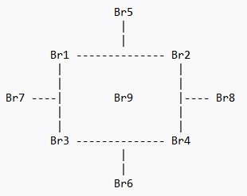
 |  |  |  | 0 | 0 | 0 | 29.71 | 0 | 0 | 3.32 | 42.8 | 23.53 | 0 | 39.67 | 0 | 11.73 | 46.96 | 0 | 27.71 | 1.02 | 3.57 | 0 | 23.89 | 41.31 | 72.97 | 32.12 | 0 | 56.21

 |  |  |  |  | mAb | Ala | Arg | Asn | Asp | Cys | Glc | Gln | Glu | Pyr | Gly | His | Ile | Lac | Leu | Lys | Met | Nh4 | Phe | Pro | Ser | Thr | Tyr | Val
 |  |  | Molecular weight (g): |  | 1.45E+05 | 89.1 | 174.2 | 132.12 | 133.11 | 121.16 | 180.16 | 146.15 | 147.13 | 110.04 | 75.07 | 155.16 | 131.18 | 89.07 | 131.18 | 146.19 | 149.21 | 17.031 | 165.19 | 115.13 | 105.09 | 119.12 | 181.19 | 117.15

