Dashboard
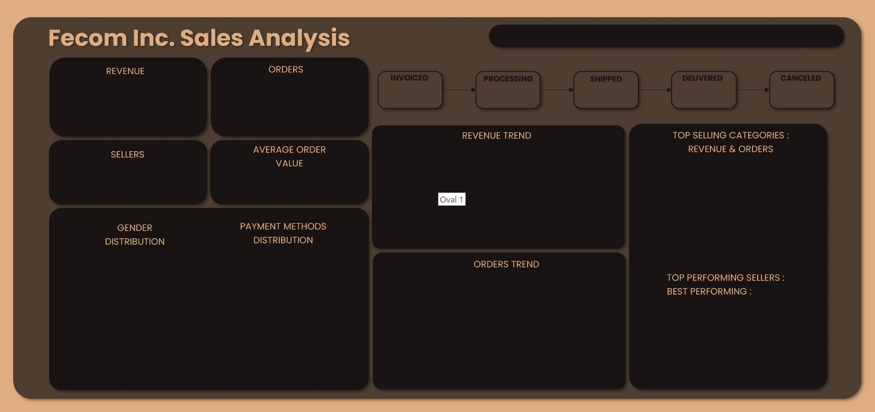
Presented by Chiamaka I. Okonkwo

 | Total
Qtr4 | 4
Qtr1 | 167
Qtr2 | 291
Qtr3 | 408
Qtr4 | 505
Qtr1 | 582
Qtr2 | 582
Qtr3 | 345
$384.8K
 | Total
Qtr4 | $0.9K
Qtr1 | $22.5K
Qtr2 | $41.5K
Qtr3 | $54.3K
Qtr4 | $58.8K
Qtr1 | $77.8K
Qtr2 | $79.5K
Qtr3 | $49.5K
2,884
0.28%
0.28%
1.70%
97.26%
0.49%
-40.7% vs. Prev. Qtr
8 ORDERS
8 ORDERS
49 ORDERS
2805 ORDERS
14 ORDERS
-37.7% vs. Prev. Qtr
 | Total
 | 894.05
Jan | 3419.56
Feb | 6935.53
Mar | 12386.44
Apr | 12277.47
May | 13772.94
Jun | 16007.45
Jul | 14397.38
Aug | 23008.4
Sep | 19738.67
Oct | 17766.06
Nov | 18806.68
Dec | 22276.81
Jan | 25312.92
Feb | 24324.32
Mar | 28724.17
Apr | 24623.51
May | 27969.91
Jun | 26895.05
Jul | 31950.3
Aug | 17589.75
To toggle between full-screen and normal view:
Press Ctrl+Shift+F1
This hides the ribbon, formula bar, and status bar,
735
$134.1
 | Sum of Price | Count of Order_ID
Toys_Pets | $37.3K | 275
Health_Beauty | $49.8K | 368
Furniture | $50.5K | 472
Home_Appliances | $58.2K | 452
Computers_Gaming | $95.8K | 616
ORDERS
REVENUE
maximizing the view of your sheet.

To return to the normal view,
Press Ctrl+Shift+F1 again

 | Count of Order_ID | Sum of Price
Female | 1,208 | $167.7K
Male | 1,676 | $221.4K
 | Count of Order_ID | Sum of Price
credit_card | 2,139 | $308.2K
debit_card | 497 | $56.4K
prepaid_card | 36 | $3.6K
voucher | 212 | $20.8K

 | Total
 | 4
Jan | 22
Feb | 61
Mar | 84
Apr | 73
May | 126
Jun | 92
Jul | 129
Aug | 130
Sep | 149
Oct | 147
Nov | 189
Dec | 169
Jan | 194
Feb | 178
Mar | 210
Apr | 193
May | 213
Jun | 176
Jul | 204
Aug | 141
PrimeBuilders
 | Total
Heliosphere | $6.7K
NimbusBreeze | $6.8K
CreediteStar | $7K
MicroliteWave | $7.5K
PrimeBuilders | $9.4K

