Price Quotation
Puramente International
113/101, Sector-11, Pratap Nagar, Sanganer, Jaipur, 302033
Mob: +919314346148 | www.puramentejewel.com

PRICE QUOTATION

Name: | aman
Email: | aman.techkriti@gmail.com
Mob.: | 08429205391
Company:
Address:
Ref. No: | 14
Date: | 30/5/2025
Currency: | US$
Model No. | Image | Item | Metal | Price | Qty | Amount

55555 |  | son | 925 SILVER | $- | 1 | $-
aman |  | aman pandey | 925 SILVER | $- | 1 | $-
ssssss |  | aman | 925 SILVER | $- | 1 | $-
RS0193 | 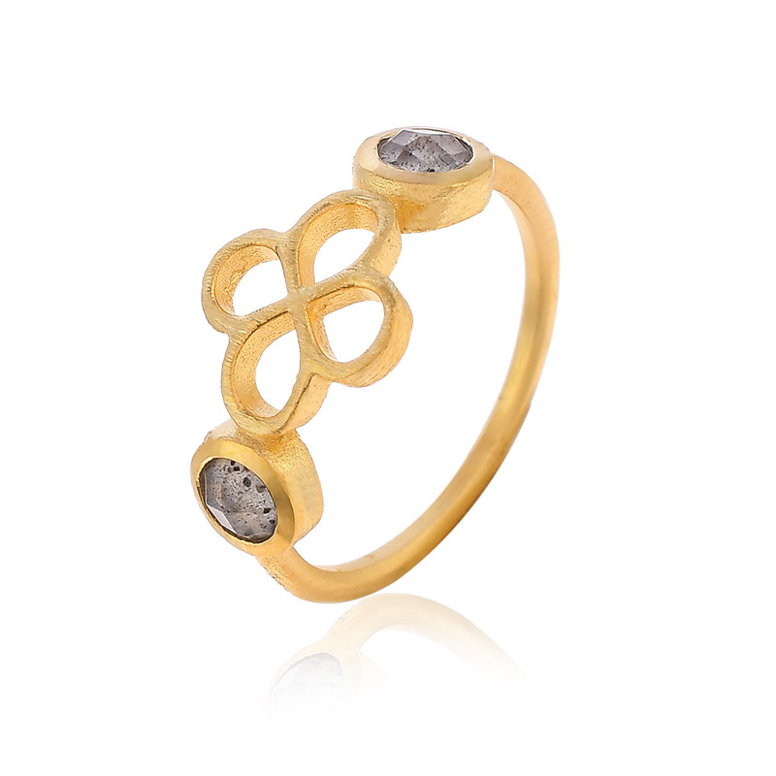 | Golden Ring | 925 SILVER | $- | 1 | $-
r7tf |  | ap | 925 SILVER | $- | 1 | $-
hfgc |  | yfyuf | 925 SILVER | $- | 1 | $-
gyuvhu |  | jhvhv | 925 SILVER | $- | 2 | $-
2 |  | Cyan color Neckless | 925 SILVER | $- | 1 | $-
BDSSN0063 | 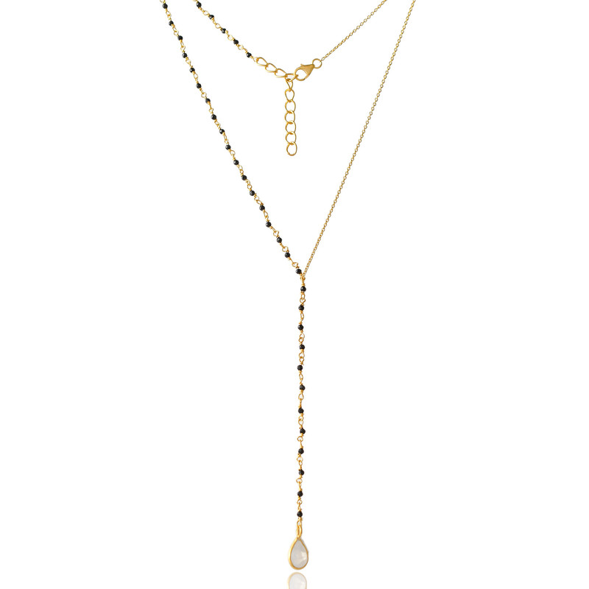 | Neckless | 925 SILVER | $- | 1 | $-
ES0374 | 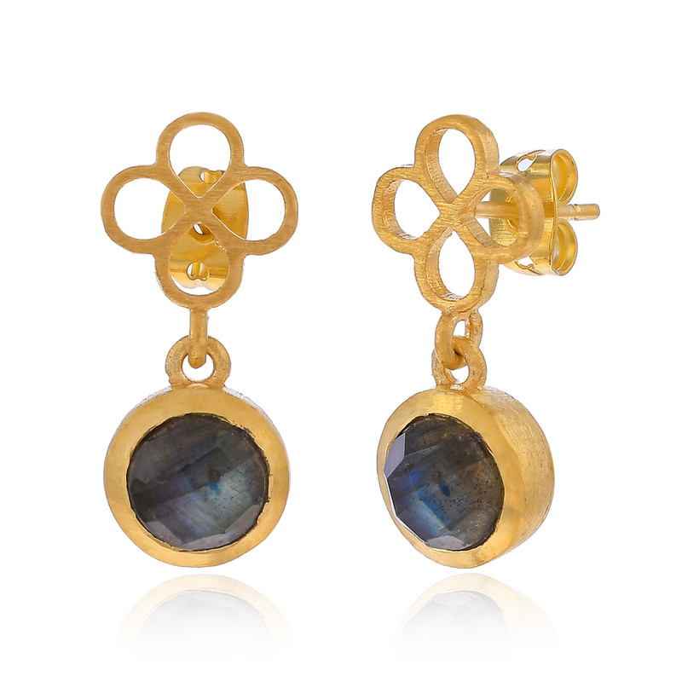 | Black earring | 925 SILVER | $- | 1 | $-
ND008B PMS | 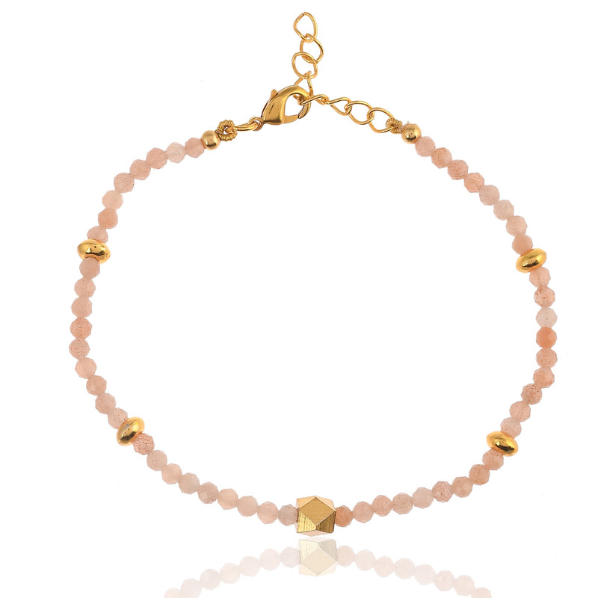 | Pink Bracelets | 925 SILVER | $- | 1 | $-
ES0442 | 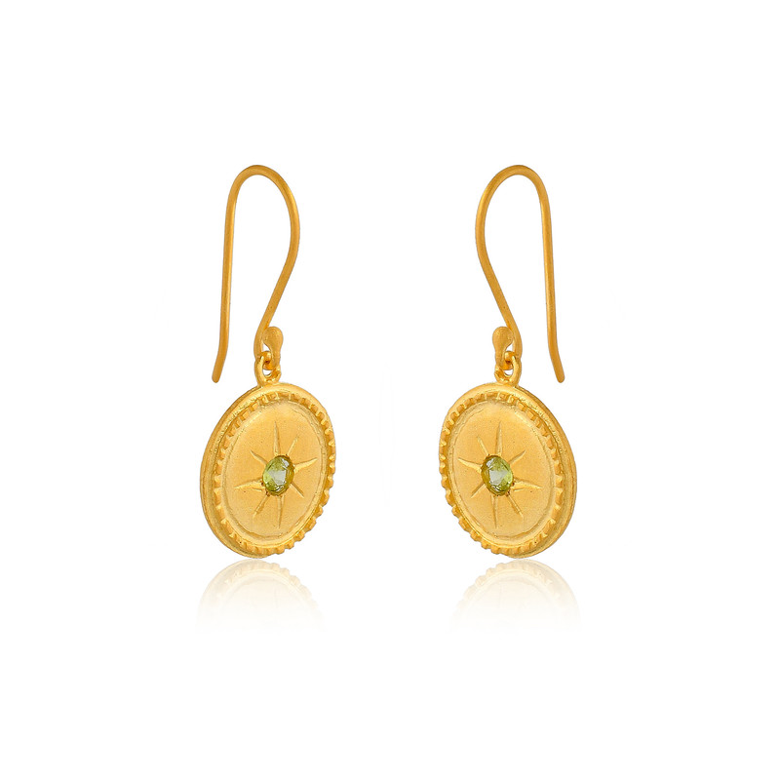 | Golden Rounded earring | 925 SILVER | $- | 1 | $-
ES0434 | 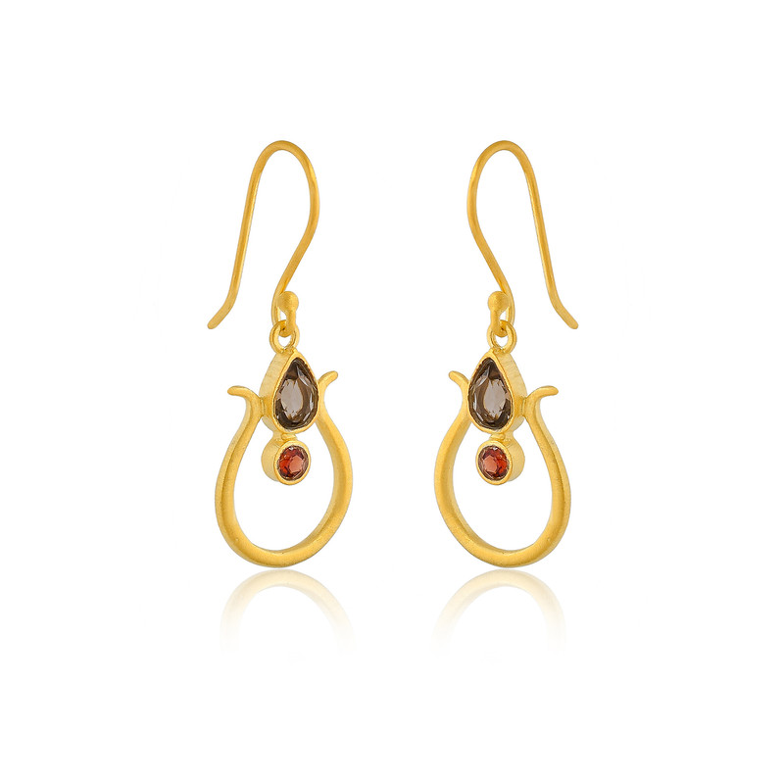 | Red earring | 925 SILVER | $- | 1 | $-
TOTAL |  |  |  |  | $0.00

