Price Quotation
Puramente International
113/101, Sector-11, Pratap Nagar, Sanganer, Jaipur, 302033
Mob: +919314346148 | www.puramentejewel.com

PRICE QUOTATION

Name: | aman
Email: | aman.techkriti@gmail.com
Mob.: | 08429205391
Company: | Khatipura Rd Shilp Colony Jhotwara Jaipur
Address:
Ref. No: | 19
Date: | 31/5/2025
Currency: | US$
Model No. | Image | Item | Metal | Price | Qty | Amount

sssssssssss |  | sssss | 925 SILVER | $- | 9 | $-
r7tf |  | ap | 925 SILVER | $- | 1 | $-
hfgc |  | yfyuf | 925 SILVER | $- | 1 | $-
gyuvhu |  | jhvhv | 925 SILVER | $- | 1 | $-
2 | Image not available | Cyan color Neckless | 925 SILVER | $- | 1 | $-
BDSSN0063 | Image not available | Neckless | 925 SILVER | $- | 1 | $-
1 |  | Earring cyan | 925 SILVER | $- | 1 | $-
fhgcgy | 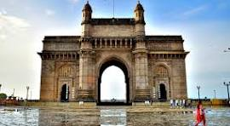 | t8ygy | 925 SILVER | $- | 1 | $-
TOTAL |  |  |  |  | $0.00

