Sheet1
Event Arrival time at Dallas Love Field from Austin (E) [HH:MM] | Time Between Consecutive Events (t) [HH:MM]

6:19:00
6:55:00 | 0:36:00
7:02:00 | 0:07:00
7:04:00 | 0:02:00
7:25:00 | 0:21:00
7:30:00 | 0:05:00
7:30:00 | 0:00:00
7:35:00 | 0:05:00
7:44:00 | 0:09:00
7:48:00 | 0:04:00
7:54:00 | 0:06:00
7:58:00 | 0:04:00
8:05:00 | 0:07:00
8:07:00 | 0:02:00
8:11:00 | 0:04:00
8:16:00 | 0:05:00
8:17:00 | 0:01:00
8:24:00 | 0:07:00
8:28:00 | 0:04:00
8:29:00 | 0:01:00
8:33:00 | 0:04:00
8:36:00 | 0:03:00
8:38:00 | 0:02:00
8:40:00 | 0:02:00
8:52:00 | 0:12:00
8:54:00 | 0:02:00
8:56:00 | 0:02:00
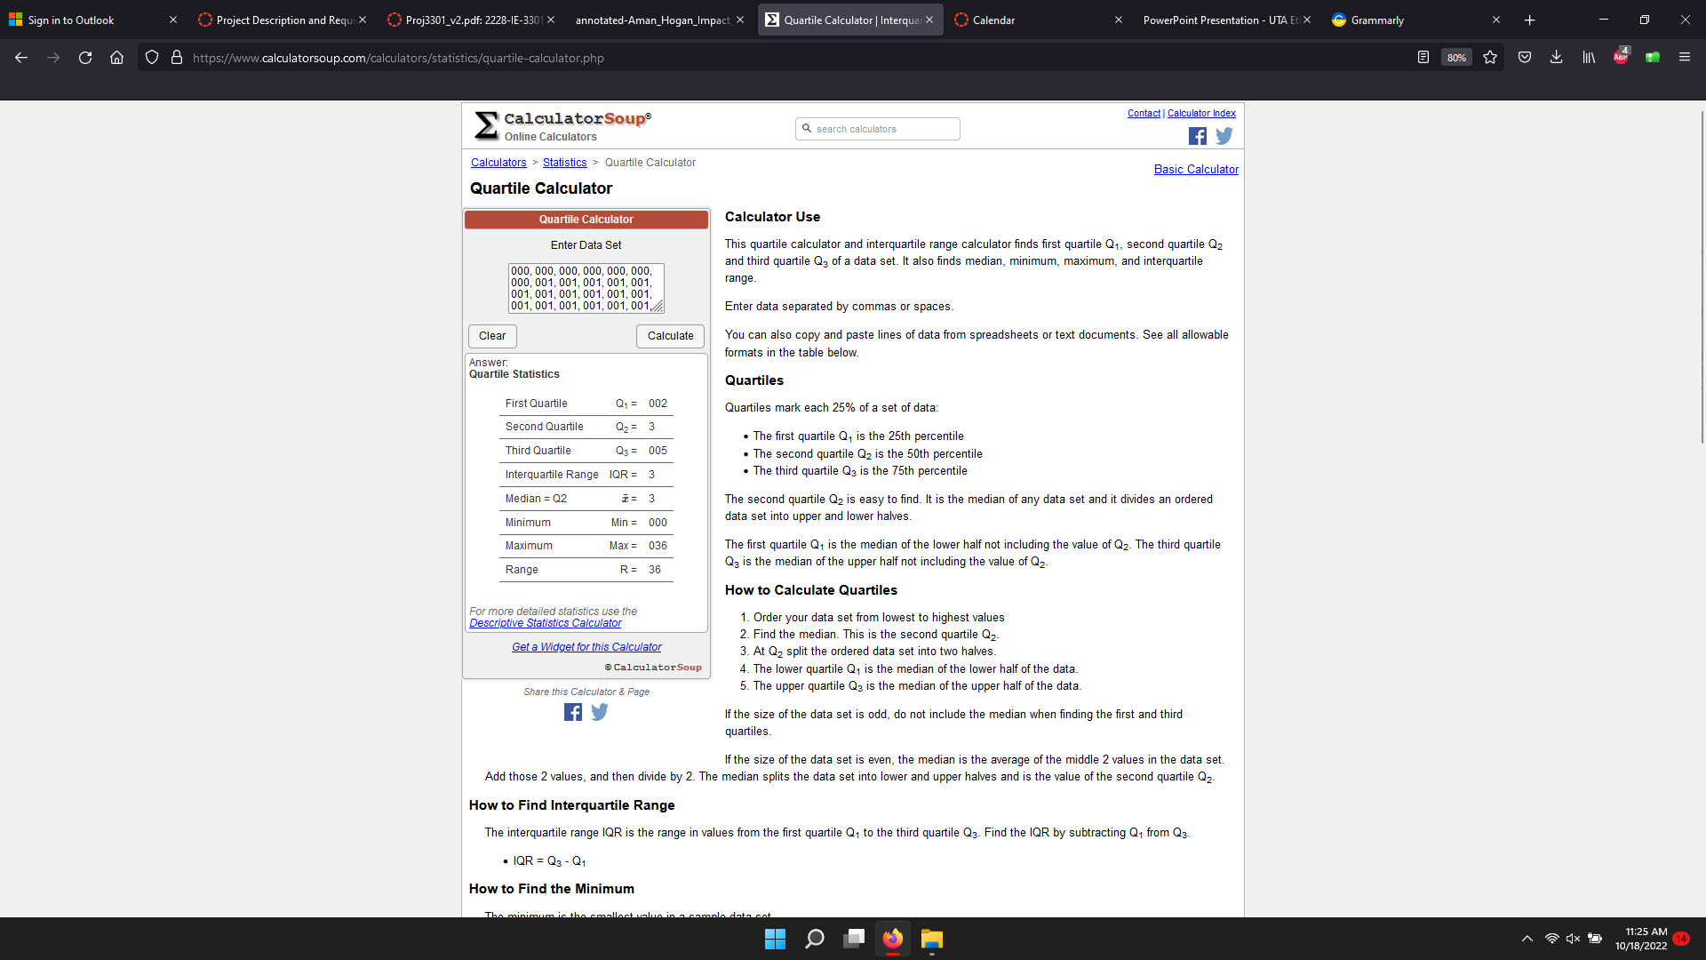
8:56:00 | 0:00:00
9:01:00 | 0:05:00
9:13:00 | 0:12:00
9:13:00 | 0:00:00
9:16:00 | 0:03:00
9:17:00 | 0:01:00
9:20:00 | 0:03:00
9:23:00 | 0:03:00
9:25:00 | 0:02:00
9:27:00 | 0:02:00
9:28:00 | 0:01:00
9:30:00 | 0:02:00
9:31:00 | 0:01:00
9:32:00 | 0:01:00
9:32:00 | 0:00:00
9:35:00 | 0:03:00
9:36:00 | 0:01:00
9:41:00 | 0:05:00
9:45:00 | 0:04:00
9:49:00 | 0:04:00
9:53:00 | 0:04:00
9:57:00 | 0:04:00
10:10:00 | 0:13:00
10:11:00 | 0:01:00
10:13:00 | 0:02:00
10:15:00 | 0:02:00
10:16:00 | 0:01:00
10:22:00 | 0:06:00
10:27:00 | 0:05:00
10:29:00 | 0:02:00
10:30:00 | 0:01:00
10:34:00 | 0:04:00
10:38:00 | 0:04:00
10:41:00 | 0:03:00
10:44:00 | 0:03:00
10:48:00 | 0:04:00
10:55:00 | 0:07:00
10:57:00 | 0:02:00
11:04:00 | 0:07:00
11:13:00 | 0:09:00
11:16:00 | 0:03:00
11:23:00 | 0:07:00
11:33:00 | 0:10:00
11:37:00 | 0:04:00
11:39:00 | 0:02:00
11:42:00 | 0:03:00
11:43:00 | 0:01:00
11:46:00 | 0:03:00
11:55:00 | 0:09:00
11:58:00 | 0:03:00
11:59:00 | 0:01:00
12:01:00 | 0:02:00
12:02:00 | 0:01:00
12:06:00 | 0:04:00
12:11:00 | 0:05:00
12:18:00 | 0:07:00
12:23:00 | 0:05:00
12:25:00 | 0:02:00
12:29:00 | 0:04:00
12:29:00 | 0:00:00
12:31:00 | 0:02:00
12:34:00 | 0:03:00
12:39:00 | 0:05:00
12:40:00 | 0:01:00
12:46:00 | 0:06:00
12:47:00 | 0:01:00
12:48:00 | 0:01:00
12:56:00 | 0:08:00
13:00:00 | 0:04:00
13:04:00 | 0:04:00
13:04:00 | 0:00:00
13:05:00 | 0:01:00
13:23:00 | 0:18:00
13:24:00 | 0:01:00
13:24:00 | 0:00:00
13:27:00 | 0:03:00
13:46:00 | 0:19:00
13:47:00 | 0:01:00
13:53:00 | 0:06:00
13:56:00 | 0:03:00

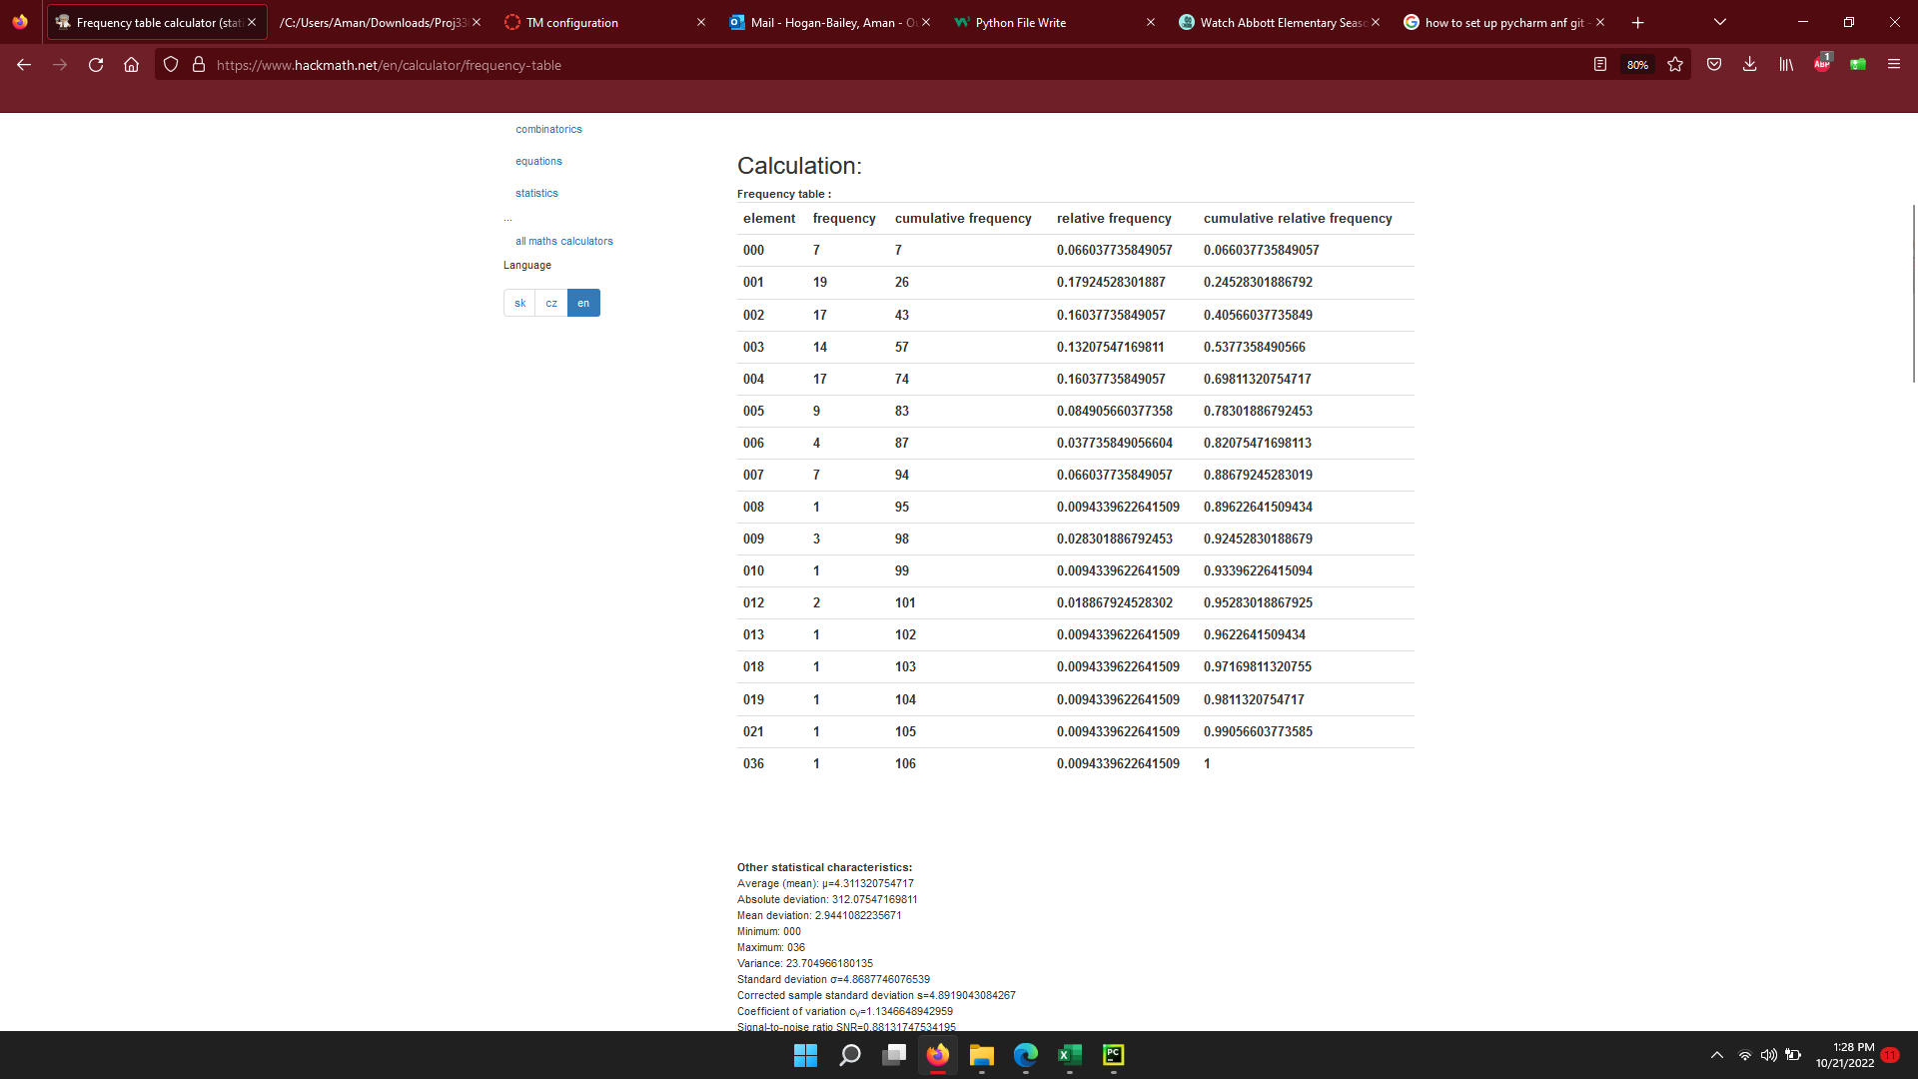

0:02:00
0:03:00
0:05:00

