Internal Standards
Row Index Number | Y
1 | 100.0%
2 | 101.9%
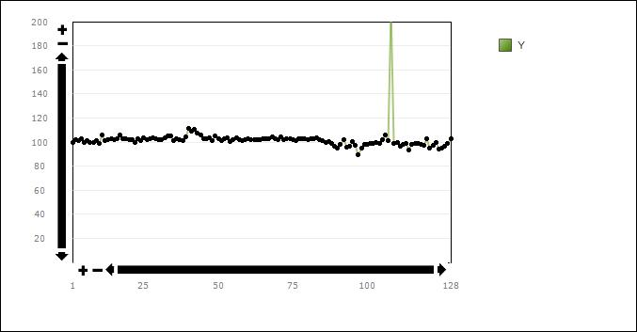
3 | 101.1%
4 | 102.4%
5 | 100.0%
6 | 100.9%
7 | 99.3%
8 | 99.5%
9 | 101.5%
10 | 98.9%
11 | 105.5%
12 | 101.0%
13 | 101.8%
14 | 102.7%
15 | 102.3%
16 | 103.1%
17 | 105.5%
18 | 102.4%
19 | 103.1%
20 | 101.9%
21 | 101.9%
22 | 99.9%
23 | 102.8%
24 | 101.5%
25 | 103.4%
26 | 102.3%
27 | 102.8%
28 | 103.5%
29 | 102.9%
30 | 101.6%
31 | 102.3%
32 | 103.4%
33 | 104.7%
34 | 104.9%
35 | 101.3%
36 | 102.7%
37 | 102.2%
38 | 101.2%
39 | 104.4%
40 | 111.3%
41 | 108.7%
42 | 110.9%
43 | 107.2%
44 | 106.0%
45 | 102.9%
46 | 102.8%
47 | 103.4%
48 | 101.3%
49 | 104.7%
50 | 103.1%
51 | 101.1%
52 | 102.9%
53 | 103.2%
54 | 100.7%
55 | 102.3%
56 | 103.3%
57 | 102.0%
58 | 100.9%
59 | 102.2%
60 | 102.8%
61 | 101.6%
62 | 101.9%
63 | 102.0%
64 | 102.3%
65 | 103.1%
66 | 102.6%
67 | 102.5%
68 | 104.0%
69 | 102.5%
70 | 102.2%
71 | 104.3%
72 | 101.8%
73 | 102.6%
74 | 103.1%
75 | 101.8%
76 | 101.5%
77 | 103.0%
78 | 102.4%
79 | 102.6%
80 | 102.2%
81 | 102.8%
82 | 102.8%
83 | 103.3%
84 | 101.7%
85 | 101.3%
86 | 100.0%
87 | 100.4%
88 | 98.9%
89 | 96.8%
90 | 94.9%
91 | 98.2%
92 | 102.3%
93 | 95.7%
94 | 96.5%
95 | 100.5%
96 | 97.0%
97 | 89.8%
98 | 94.9%
99 | 98.2%
100 | 98.3%
101 | 98.9%
102 | 98.9%
103 | 99.7%
104 | 98.9%
105 | 102.1%
106 | 106.0%
107 | 101.1%
108 | 210.3%
109 | 99.0%
110 | 99.6%
111 | 96.3%
112 | 97.8%
113 | 98.9%
114 | 93.0%
115 | 98.3%
116 | 98.6%
117 | 98.8%
118 | 98.2%
119 | 97.1%
120 | 102.6%
121 | 94.9%
122 | 97.6%
123 | 99.3%
124 | 93.9%
125 | 95.3%
126 | 96.6%
127 | 98.5%
128 | 102.4%

