Internal Standards
Row Index Number | Y
1 | 100.0%
2 | 104.2%
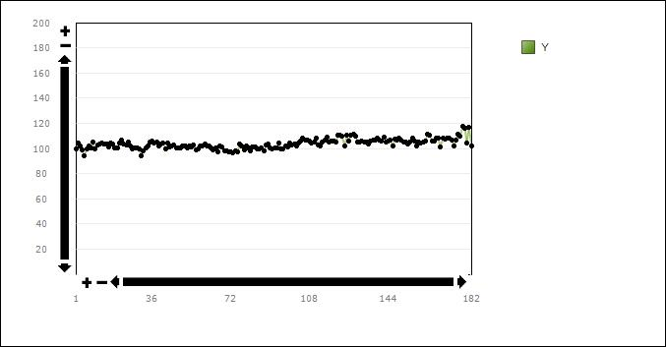
3 | 101.7%
4 | 98.9%
5 | 93.8%
6 | 100.0%
7 | 102.2%
8 | 100.3%
9 | 105.4%
10 | 99.3%
11 | 102.6%
12 | 103.4%
13 | 104.5%
14 | 103.4%
15 | 103.6%
16 | 101.0%
17 | 104.4%
18 | 103.5%
19 | 100.1%
20 | 100.0%
21 | 104.2%
22 | 106.7%
23 | 103.4%
24 | 102.9%
25 | 104.9%
26 | 101.8%
27 | 100.0%
28 | 100.0%
29 | 100.1%
30 | 99.4%
31 | 93.8%
32 | 98.0%
33 | 100.6%
34 | 102.2%
35 | 104.7%
36 | 105.8%
37 | 104.6%
38 | 105.1%
39 | 102.1%
40 | 103.7%
41 | 104.3%
42 | 99.6%
43 | 104.1%
44 | 101.2%
45 | 102.0%
46 | 103.1%
47 | 100.6%
48 | 100.4%
49 | 100.8%
50 | 101.8%
51 | 102.2%
52 | 100.7%
53 | 101.9%
54 | 100.8%
55 | 102.9%
56 | 99.2%
57 | 99.9%
58 | 102.0%
59 | 102.3%
60 | 103.8%
61 | 101.8%
62 | 101.7%
63 | 100.5%
64 | 98.6%
65 | 100.5%
66 | 97.1%
67 | 101.7%
68 | 101.2%
69 | 98.4%
70 | 97.7%
71 | 97.1%
72 | 97.5%
73 | 96.7%
74 | 98.4%
75 | 97.0%
76 | 103.4%
77 | 102.1%
78 | 98.9%
79 | 101.9%
80 | 100.3%
81 | 97.9%
82 | 101.5%
83 | 101.1%
84 | 99.5%
85 | 99.6%
86 | 100.3%
87 | 98.4%
88 | 102.8%
89 | 103.3%
90 | 100.6%
91 | 99.5%
92 | 100.3%
93 | 100.6%
94 | 104.6%
95 | 99.5%
96 | 100.0%
97 | 102.3%
98 | 101.3%
99 | 104.4%
100 | 102.8%
101 | 103.8%
102 | 101.6%
103 | 104.6%
104 | 106.1%
105 | 108.3%
106 | 106.4%
107 | 106.6%
108 | 105.7%
109 | 104.7%
110 | 105.4%
111 | 108.0%
112 | 102.4%
113 | 101.8%
114 | 104.8%
115 | 106.6%
116 | 109.1%
117 | 105.4%
118 | 105.6%
119 | 105.5%
120 | 105.1%
121 | 110.8%
122 | 110.6%
123 | 109.5%
124 | 102.1%
125 | 110.9%
126 | 106.0%
127 | 110.9%
128 | 111.5%
129 | 109.9%
130 | 105.3%
131 | 105.1%
132 | 106.1%
133 | 105.3%
134 | 104.9%
135 | 103.3%
136 | 105.7%
137 | 106.9%
138 | 106.7%
139 | 108.2%
140 | 106.6%
141 | 105.9%
142 | 108.8%
143 | 105.4%
144 | 105.7%
145 | 107.0%
146 | 101.6%
147 | 107.4%
148 | 106.7%
149 | 107.9%
150 | 106.9%
151 | 105.0%
152 | 105.0%
153 | 103.2%
154 | 105.4%
155 | 107.9%
156 | 105.6%
157 | 101.8%
158 | 104.9%
159 | 104.2%
160 | 105.3%
161 | 106.1%
162 | 111.5%
163 | 110.8%
164 | 106.0%
165 | 106.0%
166 | 108.0%
167 | 108.2%
168 | 101.4%
169 | 107.9%
170 | 107.8%
171 | 108.2%
172 | 108.1%
173 | 106.8%
174 | 102.2%
175 | 106.7%
176 | 111.0%
177 | 109.5%
178 | 117.5%
179 | 116.3%
180 | 104.3%
181 | 116.5%
182 | 101.6%

