Internal Standards
Row Index Number | Y
1 | 100.0%
2 | 104.2%
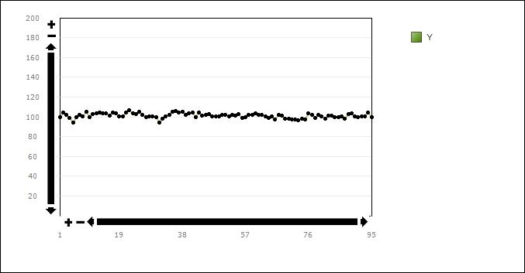
3 | 101.7%
4 | 98.9%
5 | 93.8%
6 | 100.0%
7 | 102.2%
8 | 100.3%
9 | 105.4%
10 | 99.3%
11 | 102.6%
12 | 103.4%
13 | 104.5%
14 | 103.4%
15 | 103.6%
16 | 101.0%
17 | 104.4%
18 | 103.5%
19 | 100.1%
20 | 100.0%
21 | 104.2%
22 | 106.7%
23 | 103.4%
24 | 102.9%
25 | 104.9%
26 | 101.8%
27 | 100.0%
28 | 100.0%
29 | 100.1%
30 | 99.4%
31 | 93.8%
32 | 98.0%
33 | 100.6%
34 | 102.2%
35 | 104.7%
36 | 105.8%
37 | 104.6%
38 | 105.1%
39 | 102.1%
40 | 103.7%
41 | 104.3%
42 | 99.6%
43 | 104.1%
44 | 101.2%
45 | 102.0%
46 | 103.1%
47 | 100.6%
48 | 100.4%
49 | 100.8%
50 | 101.8%
51 | 102.2%
52 | 100.7%
53 | 101.9%
54 | 100.8%
55 | 102.9%
56 | 99.2%
57 | 99.9%
58 | 102.0%
59 | 102.3%
60 | 103.8%
61 | 101.8%
62 | 101.7%
63 | 100.5%
64 | 98.6%
65 | 100.5%
66 | 97.1%
67 | 101.7%
68 | 101.2%
69 | 98.4%
70 | 97.7%
71 | 97.1%
72 | 97.5%
73 | 96.7%
74 | 98.4%
75 | 97.0%
76 | 103.4%
77 | 102.1%
78 | 98.9%
79 | 101.9%
80 | 100.3%
81 | 97.9%
82 | 101.5%
83 | 101.1%
84 | 99.5%
85 | 99.6%
86 | 100.3%
87 | 98.4%
88 | 102.8%
89 | 103.3%
90 | 100.6%
91 | 99.5%
92 | 100.3%
93 | 100.6%
94 | 104.6%
95 | 99.5%

