Feuil1
lit | count | percent | regroupement | percent null
null | 2898672 | 84.39 | null
yes | 404586 | 11.78 | yes
no | 128171 | 3.73 | no
"24/7" | 2048 | 0.06 | yes
automatic | 766 | 0.02 | yes
disused | 634 | 0.02 | no
P157-0633 on 2011-08-02 | 113 | 0.0 | yes
05:30-23:30 | 8 | 0.0 | yes
sunset-21:00 | 3 | 0.0 | yes
yes;no | 1 | 0.0 | yes
bridge
null | 3361819 | 97.87 | no
yes | 61622 | 1.79 | yes
viaduct | 11371 | 0.33 | yes
covered | 137 | 0.0 | yes
movable | 43 | 0.0 | yes
dam | 4 | 0.0 | yes
aqueduct | 4 | 0.0 | yes
cantilever | 2 | 0.0 | yes
cycleway
null | 3279092 | 95.46 | null
lane | 74517 | 2.17 | opposite_lane
no | 41675 | 1.21 | Shared_lane
opposite | 17447 | 0.51 | Seperate
track | 5777 | 0.17 | no
shoulder | 5052 | 0.15
share_busway | 3688 | 0.11
shared_lane | 2275 | 0.07
none | 1931 | 0.06
opposite_lane | 2067 | 0.06
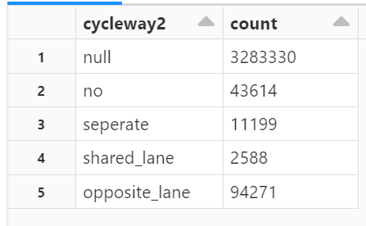
shared | 298 | 0.01
right=separate | 339 | 0.01
separate | 461 | 0.01
designated | 62 | 0.0
opposite_track | 54 | 0.0
use_sidepath | 13 | 0.0
sidewalk | 2 | 0.0
left | 8 | 0.0
opposite_share_busway | 55 | 0.0
soft_lane | 22 | 0.0
asl | 5 | 0.0
left:lane | 35 | 0.0
left=separate | 2 | 0.0
construction | 5 | 0.0
yes | 73 | 0.0
right | 17 | 0.0
right_lane | 1 | 0.0
aucun | 2 | 0.0
both | 2 | 0.0
cyclestreet | 2 | 0.0
chaussidoux | 2 | 0.0
lanes
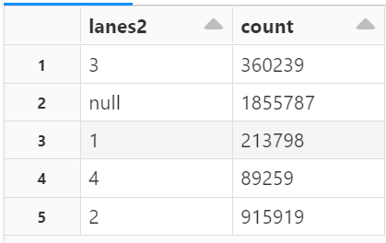
si le nombre de voies > 4 on considére que est toujours 4
si 0 on remplace par 1
"forward=2" on remplace par 2 voies

oneway
yes | 1650798 | 48.06 | yes
null | 1577900 | 45.94 | no
no | 205288 | 5.98 | null
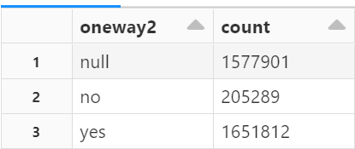
-1 | 974 | 0.03
alternating | 40 | 0
conditional | 1 | 0
service:no | 1 | 0

sidewalk
null | 3261551 | 94.95 | null
both | 95570 | 2.78 | yes
right | 32592 | 0.95 | no
no | 21373 | 0.62
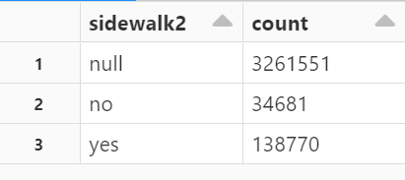
none | 13280 | 0.39
left | 6072 | 0.18
separate | 4435 | 0.13
yes | 98 | 0
half | 27 | 0
right;both | 3 | 0
no;right | 1

tunnel
null | 3428200 | 99.8
yes | 6619 | 0.19
building_passage | 147 | 0
avalanche_protector | 31 | 0
no | 5 | 0

surface
null | 1738470 | 50.61 | null
asphalt | 1680221 | 48.91 | pavés
paved | 6844 | 0.2 | autres
sett | 4538 | 0.13 | asphalt
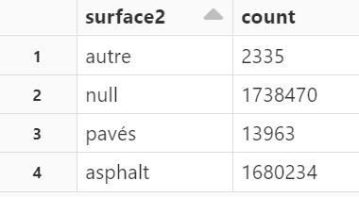
paving_stones | 2238 | 0.07
concrete | 907 | 0.03
unpaved | 441 | 0.01
gravel | 358 | 0.01
compacted | 218 | 0.01
cobblestone | 265 | 0.01
goudron | 5 | 0
cobblestone:flattened | 2 | 0
concrete:plates | 3 | 0
unhewn_cobblestone | 45 | 0
sand | 12 | 0
grass | 8 | 0
earth | 6 | 0
concrete:lanes | 3 | 0
pebblestone | 18 | 0
ground | 107 | 0
artificial_turf | 36 | 0
fine_gravel | 168 | 0
dirt | 55 | 0
wood | 1 | 0
pavement | 1 | 0
asphalt_no_1 | 10 | 0
metal_grid | 2 | 0
grass_paver | 11 | 0
pierre | 1 | 0
yes | 5 | 0
enrobes | 2 | 0
enrobé | 1 | 0

parking
null | 3434857 | 100 | null
left | 7 | 0 | yes
both | 50 | 0 | no
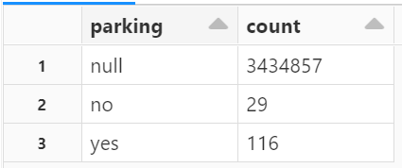
no_parking | 27 | 0
parallel | 29 | 0
no | 1 | 0
right | 27 | 0
yes | 1 | 0
none | 1 | 0
marked | 1 | 0
diagonal | 1 | 0

