Raw list for drivers
Total | Stephens, 2021 | Nguyen, 2023 |  |  |  |  |  | STEEP |  | Nnadi, Carter, 2021 |  | Anderson, 2004 EID of Plants |  |  |  |  |  |  | Charnley 2021, Traits and risk factors of post-disaster infectious disease outbreaks: a systematic review |  |  |  | Brugeras, 2020 |  | Loh, 2015 | EIDR
n=203 drivers | n=44 | n=48 |  |  |  |  |  | n=40 + 5 |  | n=4 |  | n=15 |  |  |  |  |  |  | n=14 Supplementary Table 6: Full list of reported risk factors and how they were split into the risk factor clusters. Under each cluster is how they were defined. |  |  |  | n= 18+2 |  | n=13
 | Drivers | Abbreviation | Driver | Sector | Governance challenge | Distalness index (Di) (0–1) | No. of papers | Driver definition | STEEP categories | Driver | Mechanism | Disease and class | Pathogen, region and host origin | Hosts | EID temporal and geographical emergence | Impact on human wellbeing, economy or biodiversity | Factors driving emergence | Refs | Risk Cluster | Definition | Risk factor | Number of outbreaks | DRIVERS | have these in seperate post-its | DRIVERS
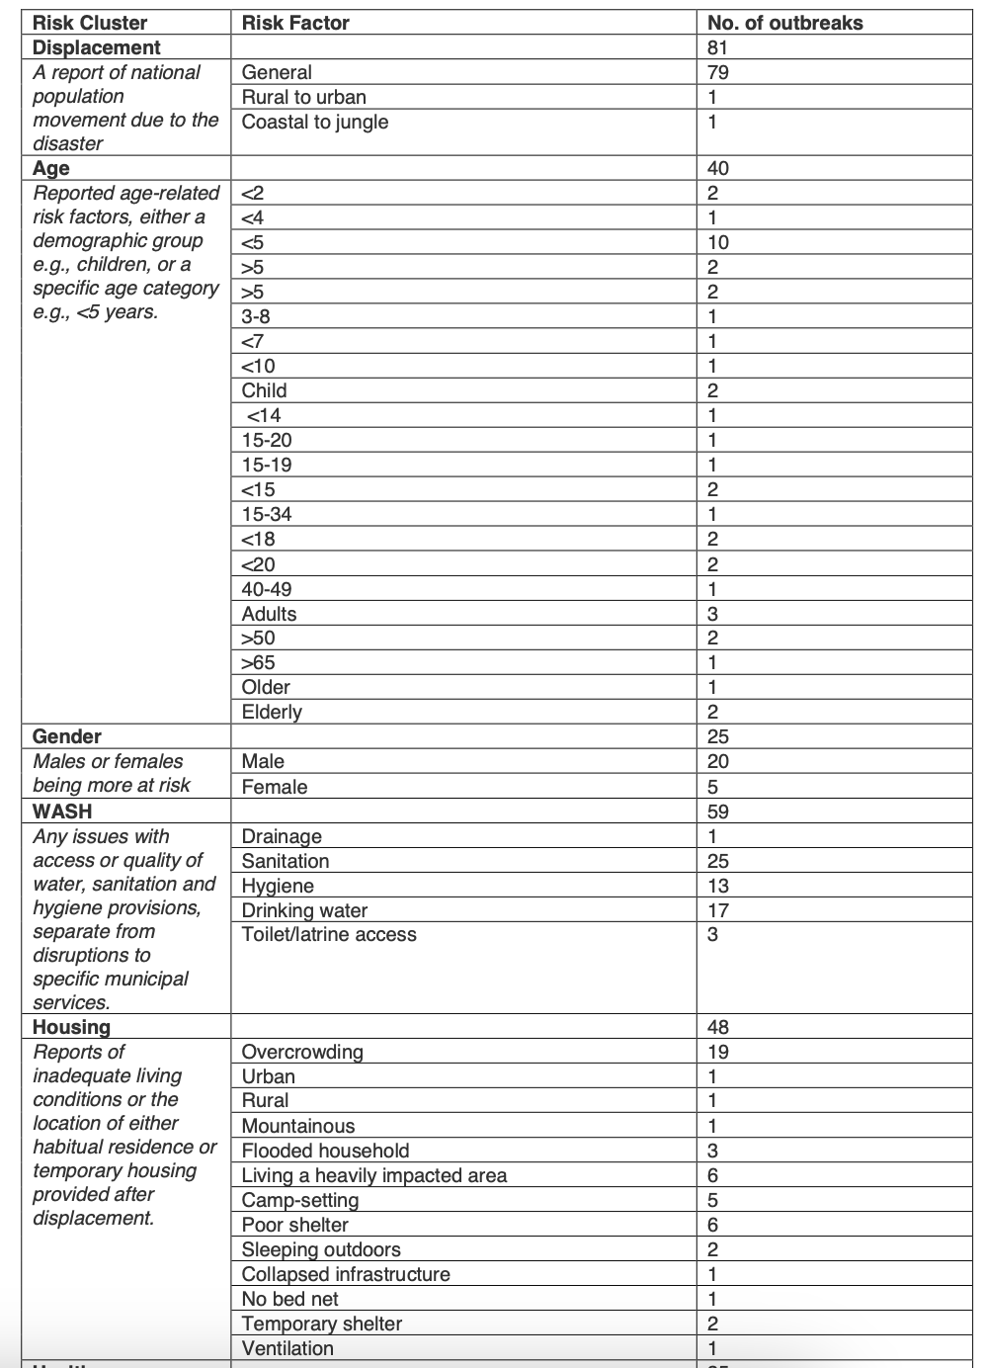
 | food contamination | Most-proximal drivers |  |  |  |  |  | Social cohesion as an enabler or constraint on identification | SOCIAL | Flood, Storms, Hurricanes | disperse and aerosolize fungi or implant them via traumatic wounds | EIDs of the four world staples |  |  |  |  |  |  | Displacement | 81 A report of national population movement due to the disaster | General | 79 | Climatic | Temperature | Human Susceptibility to Infection: Any immune deficiency from an underlying disease, condition, age, or scenario
 | water contamination | INF_A | Risk of infection/colonisation by resistant bacteria in animals | Animal–food | Containment | 0.3 | 10 | Immigration and urbanisation | SOCIAL | Temperature, and water stress | produces more mycotoxins | Potato late blight | Phytophthora infestans; Mexico; wild Solanum spp. | Potato Solanum tuberosum | 19th century (Europe); early 1990s (North America) | National famine, political instability and economic loss | Repeated anthropogenic introductions into non-native regions | 8, 9 | Displacement | 81 A report of national population movement due to the disaster | Rural to urban | 1 | Climatic | Precipitation | Antimicrobial Agent Use: The overuse, or misuse, of antimicrobial agents
 | soil contamination | INF_H | Risk of infection/colonisation by resistant bacteria in humans | Human | Containment | 0.32 | 29 | Dietary and occupation changes | SOCIAL | Climate change | anthropogenic dispersal through vehicle wheel wells, footwear, construction and forestry activity (leading to aerial dispersal), and water | Rice stripe necrosis | Rice stripe necrosis virus (Benyvirus); Cote D'Ivoire; Oryza spp. | Rice Oryza sativa | 1991 (Colombia); recently (Central America) | Up to 40% yield loss, persistence of vector leads to abandonment of rice fields | Hypothesized anthropogenic introduction with rice germplasm | [63] | Displacement | 81 A report of national population movement due to the disaster | Coastal to jungle | 1 | Climatic | Humidity | Agricultural Industry Changes: Intensification of agriculture practices, use of antibiotics or pesticides, geographic expansion of agriculture, new agricultural practices, new feeds
 | sewage management | DPR | Inappropriate prescribing by a doctor | Human | Conservation | 0.36 | 31 | Increasing population | SOCIAL | shift from cold to hotter temperature | Increase host susceptibility | Rice blast | Magnaporthe grisea; China; rice | Rice, barley, wheat, pearl millet and turf grasses | All rice-producing areas over past century; 1996 (USA) | Causes production losses of US$55 million y−1 in South and Southeast Asia | Thought to have spread worldwide by the exchange of seeds | [64] | Age | 40 Reported age-related risk factors, either a demographic group e.g., children, or a specific age category e.g., <5 years. | <2 | 2 | Climatic | Wind speed | International Travel and Commerce: Human travel, goods trade, invasive species from trade or travel
 | change, reservoir distribution | VPR | Inappropriate prescribing by a veterinarian | Animal–food | Conservation | 0.38 | 6 | Cultural practices | SOCIAL |  |  | Karnal bunt | Tilletia indica; India; wheat | Common wheat, durum wheat and triticale | 1972 (Mexico), 1992 (USA), 2000 (South Africa) | India yielded total losses of ∼0.5%, but up to 89% of kernels infected in certain areas, with yield losses from 20% to 40% in highly susceptible varieties | Dispersal appears to be primarily by contaminated seed | 11, 12, 13, 14, 15 | Age | 40 Reported age-related risk factors, either a demographic group e.g., children, or a specific age category e.g., <5 years. | <4 | 1 | Climatic | Evapotranspiration | War and Famine: War, conflict, political unrest, malnutrition, famine, substandard living conditions due to conflict, refugee camp conditions, intent to harm
 | change, reservoir abundance | WDL | Wildlife-associated AMR transmission | Environment | Containment | 0.4 | 6 | Gender issues | SOCIAL |  |  | High Plains disease | Maize high plains virus (HPV); central and western USA; maize or winter wheat | Maize, wheat, barley and several grasses | 1995 (Chile, Brazil and Israel) | In Idaho, disease affected ∼750 acres of maize in initial year, with yield losses exceeding 50% in several corn fields | Possibly has a large distribution, but only recently recognized | [65] | Age | 40 Reported age-related risk factors, either a demographic group e.g., children, or a specific age category e.g., <5 years. | <5 | 10 | Climatic | Daytime length | Medical Industry Changes: New vaccination practices, changes in medical protocol, new techniques, new equipment
 | change, vector distribution | PAH | Patient expectations and heath-seeking behavior | Human | Conservation | 0.43 | 23 | Livelihoods resilience | SOCIAL, ECONOMIC |  |  |  |  |  |  |  |  |  | Age | 40 Reported age-related risk factors, either a demographic group e.g., children, or a specific age category e.g., <5 years. | >5 | 2 | Climatic | vapor pressure | Climate and Weather: Like climate change, deforestation, drought, rainy season, tsunami, hurricane, typhoon, flood, earthquake, stagnant pools, heat wave
 | change, vector abundance | PCS | Patient health status | Human | Conservation | 0.44 | 12 | Food security | SOCIAL, ECONOMIC |  |  | EIDs of cash crops, secondary staples and non-food crops |  |  |  |  |  |  | Age | 40 Reported age-related risk factors, either a demographic group e.g., children, or a specific age category e.g., <5 years. | >5 | 2 | Climatic | radiation | Human Behavior: Living conditions, population density, urbanization, migration, food consumption, drug use, human gatherings, daily life routines, recreation
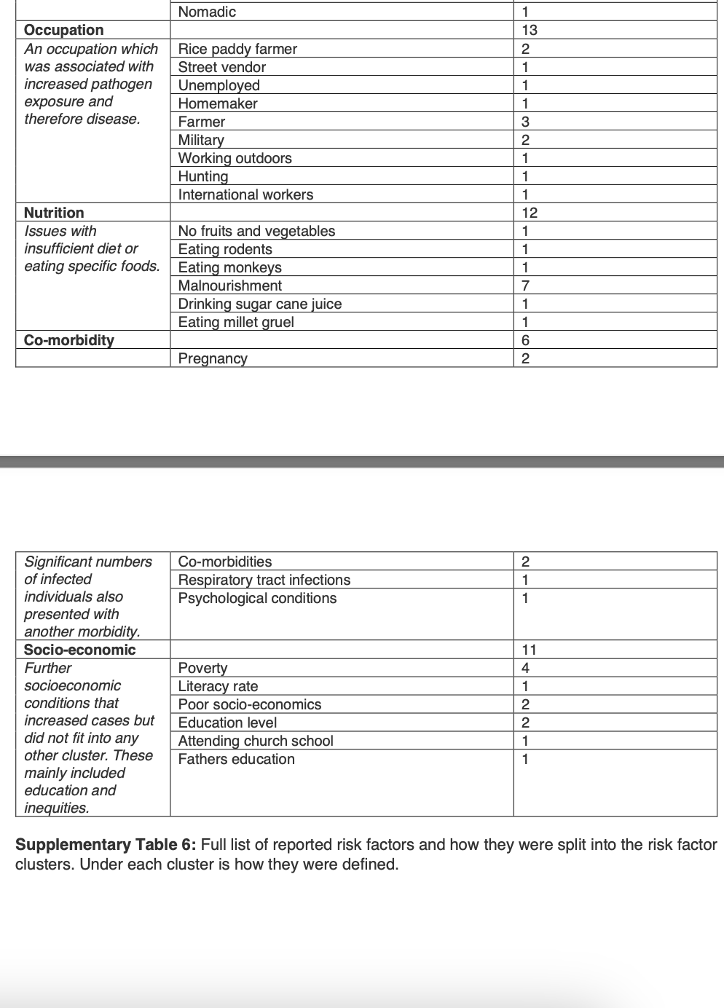
 | vector control | PQA | Shortage of quality antibiotics in the market | Human, animal–food | Access | 0.47 | 14 | Quality of health care | SOCIAL, ECONOMIC |  |  | Severe form of cassava mosaic disease | EACMV-Ug 3Svr (whitefly-transmitted begomovirus); Uganda; cassava | Cassava Manihot esculenta | 1988–present (Central and East Africa) | Regional crop failure and famine | Interspecific recombination of begomoviruses possibly driven by pathogen pollution | 16, 17, 52 | Age | 40 Reported age-related risk factors, either a demographic group e.g., children, or a specific age category e.g., <5 years. | 2024-03-08 | 1 | Climatic | hydroclimatic | Proximity to Wildlife: Living near wildlife, suburbanization, being in the wild
 | invasive species | OTC | Ease of access to antibiotics over the counter | Human, animal–food | Conservation | 0.49 | 30 | Quality of veterinary care | SOCIAL, ECONOMIC |  |  | Moko disease | Ralstonia solanacearum race 2 (biovar 1); Central America; Heliconia spp. | Banana Musa paradisiacal and several weeds | Philippines | Disease incidence within plantations ranged from 0.62% to 63.8% | Anthropogenic introduction of crop plant into non-native region | [39] | Age | 40 Reported age-related risk factors, either a demographic group e.g., children, or a specific age category e.g., <5 years. | <7 | 1 | Climatic | balance | Bushmeat: Consuming, hunting, or trading bushmeat
 | human–animal contact | PGP | Economic incentives for prescribing antibiotics | Human | Conservation | 0.5 | 8 | Hunting | SOCIAL, ECONOMIC |  |  | Tomato yellow leaf curl | Tomato yellow leaf curl virus (whitefly-transmitted geminivirus); Israel; tomato | Common bean Phaseolus vulgaris and tomato Lycopersicon esculentum | 1999 [Spain (bean)] and 1990s [global spread (tomato)] | Up to 80% yield loss | Anthropogenic introduction of propagation material | 46, 47 | Age | 40 Reported age-related risk factors, either a demographic group e.g., children, or a specific age category e.g., <5 years. | <10 | 1 | Environmental | Vegetation (NDVI) | Breakdown of Public Health Measures: Like issues of vaccine production, vaccine use, vaccine enforcement, sanitation, failure to quarantine, toxic chemical exposure, water quality, air quality, hazardous waste management
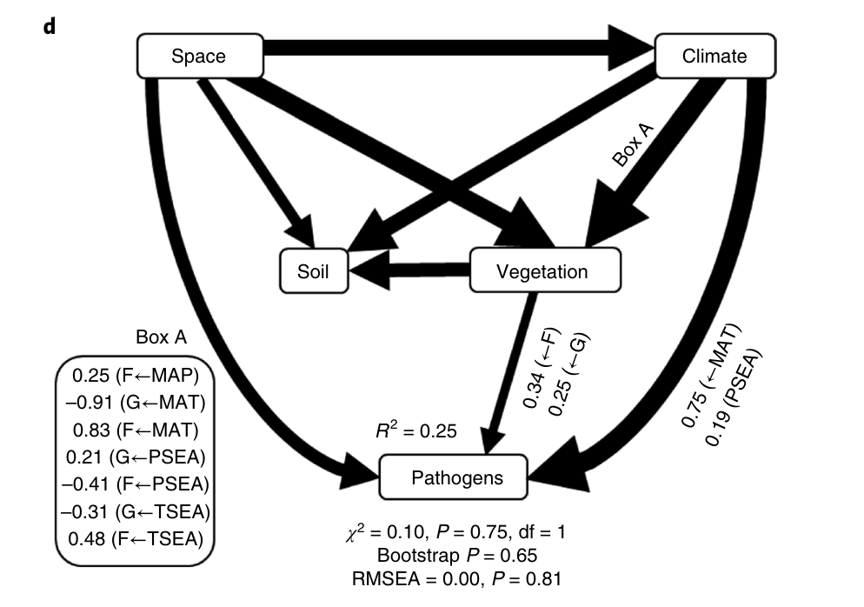
 | livestock–wildlife interface | REW | Reuse of untreated animal waste in aquaculture and agriculture | Environment | Infection prevention | 0.5 | 8 | Butchering and preparing wildlife | SOCIAL, ECONOMIC |  |  | Sugar cane orange rust | Pucciniania kuehnii; Australia; Sugarcane Saccharum officinarum | Sugarcane Saccharum officinarum | Australia | Australian sugar production fell by 25% and gross value of cane production dropped 20% in 2000–2001 | Evolution of new strain that broke Q124 resistance | [66] | Age | 40 Reported age-related risk factors, either a demographic group e.g., children, or a specific age category e.g., <5 years. | Child | 2 | Environmental | Presence of standing water, wetlands, water bodies | Unknown: There was insufficient information to determine a driver for the event
 | encroachment | LCH | Limited laboratory capacity in human medicine | Human | Surveillance | 0.5 | 17 | Seasonal workers/ movement | SOCIAL, ECONOMIC |  |  | Citrus canker, Florida | Xanthomonas axonopodis pv. Citri; southern Florida, USA; citrus spp. | Citrus spp. | North and central Florida, USA | Almost 2 million trees destroyed, yielding a loss of >US$200 million | Probably arrived with workers or equipment that had been poorly decontaminated, or via imported infected fruits | 18, 19 | Age | 40 Reported age-related risk factors, either a demographic group e.g., children, or a specific age category e.g., <5 years. | <14 | 1 | Environmental | Altitude | Ecosystem Change: Changes to the environment, like expansion of agricultural lands, or clear cutting that dramatically altered an area's ecosystem.
 | bushmeat | Near-proximal drivers |  |  |  |  |  | Socioeconomic impact of conflict | SOCIAL, ECONOMIC, POLITICAL |  |  |  |  |  |  |  |  |  | Age | 40 Reported age-related risk factors, either a demographic group e.g., children, or a specific age category e.g., <5 years. | 15-20 | 1 | Environmental | Land use
 | wildlife provisioning | SEW | Discharge of waste from anthropogenic activities | Environment | Conservation | 0.52 | 21 | Access to forest | SOCIAL, TECHNOLOGICAL, ENVIRONMENTAL |  |  | EIDs of wild plants |  |  |  |  |  |  | Age | 40 Reported age-related risk factors, either a demographic group e.g., children, or a specific age category e.g., <5 years. | 15-19 | 1 | Environmental | Animal reservoirs, migratory routes, animal density, protected areas
 | local livestock production | VKA | Veterinarian knowledge and attitude about AMR | Animal–food | Conservation | 0.52 | 5 | Disease control strategies | TECHNOLOGICAL |  |  | Dutch elm disease | Ophiostoma spp. (vascular wilt fungus); global; elm spp. (Ulnus) | Ulnus spp. | Repeated pandemics during 20th century (North America, Europe and Southeast Asia) | Repeated pandemics removed most mature trees | Anthropogenic introduction of pathogen and vector in imported timber. Later introduction of parental pathogen enabled hybridization to produce increased virulence | [22] | Age | 40 Reported age-related risk factors, either a demographic group e.g., children, or a specific age category e.g., <5 years. | <15 | 2 | Environmental | Distance to areas
 | industrial livestock production | PKA | Patient knowledge and attitude about AMR | Human | Conservation | 0.52 | 25 | Hunting technology | TECHNOLOGICAL |  |  | Chestnut blight | Cryphonectria parasitica; (fungus); Japanese chestnut Castanea crenata; Eastern Asia | American chestnut Castanea dentata | Late 19th century–present (eastern USA) | Regional elimination of a co-dominant species that sent ripple effects throughout ecosystem | Anthropogenic introduction of host and pathogen | 20, 21 | Age | 40 Reported age-related risk factors, either a demographic group e.g., children, or a specific age category e.g., <5 years. | 15-34 | 1 | Environmental | Population density
 | agricultural activities | FMP | Poor adoption of good husbandry practices | Animal–food | Infection prevention | 0.52 | 12 | Roads and transport infrastructure | TECHNOLOGICAL |  |  | Jarrah dieback or rootrot | Phytophthora cinnamomi; (oomycete fungus); global range; isolated from >900 plant species globally | Range of species including ones in Proteaceae, Papilionaceae, Mimosaceae and Epacridaceae | 1970s–present (Australia) | Threat of extinction to endemic eucalypts | Anthropogenic introduction and dissemination within regions | [67] | Age | 40 Reported age-related risk factors, either a demographic group e.g., children, or a specific age category e.g., <5 years. | <18 | 2 | Environmental | Tourism and migration (contact with vectors)
 | wetland cultivation | FTR | Food-animal trading activities | Animal–food | Containment | 0.52 | 6 | Poverty | ECONOMIC |  |  | Florida torreya mycosis | Pestalotiopsis microspore; (filamentous fungus); northern Florida, USA; Florida torreya Torreya taxifolia | Florida torreya Torreya taxifolia | Northern Florida, USA | Severe population decline resulted in host being placed on the US endangered species list and threatened with imminent extinction | Unknown. Hypothesized environmental factors causing normally benign fungus to increase pathogenicity. Hypothesized that fire suppression causes environment suitable for pathogenic fungus to emerge | 54, 55 | Age | 40 Reported age-related risk factors, either a demographic group e.g., children, or a specific age category e.g., <5 years. | <20 | 2
 | deforestation | DKA | Doctor knowledge and attitude about AMR | Human | Conservation | 0.55 | 19 | Scale of trade | ECONOMIC |  |  | Dogwood anthracnose | Discula destructiva; (filamentous fungus); Appalachians, USA; flowering dogwood Cornus florida | Flowering dogwood Cornus florida | 1980s present (Appalachians, USA) | Threatens survival of dogwood throughout its range. Hypothesized that loss of dogwood fruit production will significantly affect frugivorous wildlife | Anthropogenic introduction of pathogen | [68] | Age | 40 Reported age-related risk factors, either a demographic group e.g., children, or a specific age category e.g., <5 years. | 40-49 | 1
 | logging | LHC | Limited access to healthcare | Human | Access | 0.56 | 18 | Agro-economic changes | ECONOMIC |  |  | Eelgrass wasting disease | Labyrinthula zosterae; (slime mould); eastern USA seaboard; eelgrass Zostera marina | Eelgrass Zostera marina, and Z. caulescens | Repeated die-offs during 20th century; identified late 1980s (eastern USA seaboard) | Mass mortality over large areas; eelgrass able to survive only in stenohaline refugia | Unknown | [26] | Age | 40 Reported age-related risk factors, either a demographic group e.g., children, or a specific age category e.g., <5 years. | Adults | 3
 | mining | DCP | Doctor-patient relationship | Human | Conservation | 0.57 | 13 | Global/international market pressures | ECONOMIC |  |  | Sudden oak death syndrome | Phytophthora ramorum; central California coast; California bay laurel and Oregon myrtle and Rhododendron spp. | Most woody plant species in mixed evergreen and redwood forests | 2002 (England and Poland) | Led to the death of tens of thousands of oak trees | Unknown | [69] | Age | 40 Reported age-related risk factors, either a demographic group e.g., children, or a specific age category e.g., <5 years. | >50 | 2
 | irrigation | ARD | Decline in antibiotics research and development | Human | Innovation | 0.57 | 10 | Food prices | ECONOMIC |  |  | Pondberry stem dieback | Group of three fungal pathogens; Southeastern USA; Pondberry Lindera melissifolia | Pondberry Lindera melissifolia | Currently in southeastern USA | Might prevent endangered host from increasing its population size | Unknown | [27] | Age | 40 Reported age-related risk factors, either a demographic group e.g., children, or a specific age category e.g., <5 years. | >65 | 1
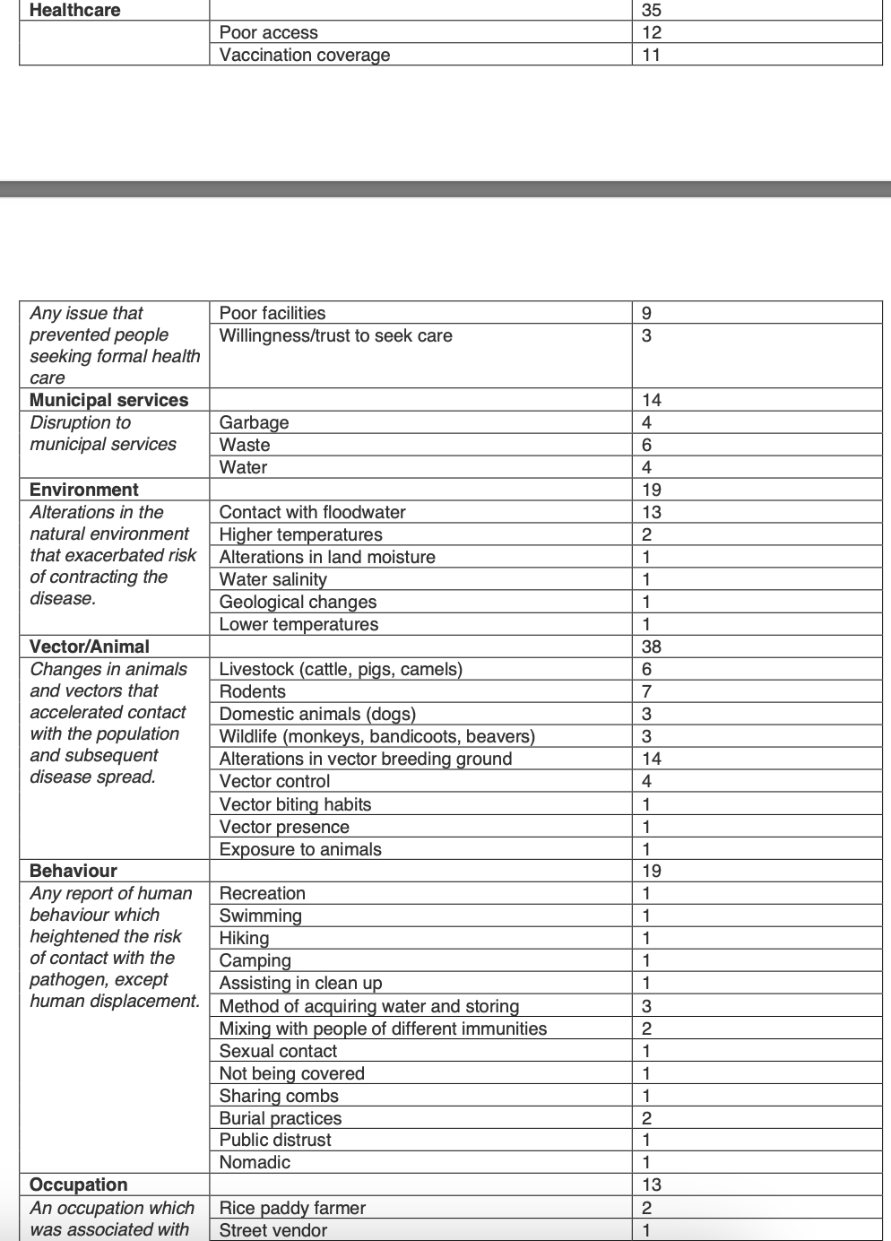
 | dam-building | IPC | Inadequate infection control measures in hospital | Human | Containment | 0.59 | 13 | Changes in demand for bushmeat | ECONOMIC, SOCIAL |  |  |  |  |  |  |  |  |  | Age | 40 Reported age-related risk factors, either a demographic group e.g., children, or a specific age category e.g., <5 years. | Older | 1
 | road-building | SHA | Sharing common habitats between humans and animals | Environment | Containment | 0.61 | 9 | Uncontrolled/unregulated trade | ECONOMIC, SOCIAL |  |  |  |  |  |  |  |  |  | Age | 40 Reported age-related risk factors, either a demographic group e.g., children, or a specific age category e.g., <5 years. | Elderly | 2
 | human demographic change | PDP | Profit-driven pharmacy | Human | Conservation | 0.61 | 7 | Changes in animal husbandry methods | ECONOMIC, TECHNOLOGICAL |  |  |  |  |  |  |  |  |  | Gender | 25 Males or females being more at risk | Male | 20
 | human population density | Near-distal drivers |  |  |  |  |  | More intensive farming systems | ECONOMIC, TECHNOLOGICAL |  |  |  |  |  |  |  |  |  | Gender | 25 Males or females being more at risk | Female | 5
 | socioeconomic change | SUV | Poor AMR surveillance system in veterinary medicine | Animal–food | Surveillance | 0.61 | 5 | Industrial plantations | ECONOMIC, TECHNOLOGICAL |  |  |  |  |  |  |  |  |  | WASH | 59 Any issues with access or quality of water, sanitation and hygiene provisions, separate from disruptions to specific municipal services. | Drainage | 1
 | cultural/religious practices | AVS | Substandard veterinary system | Animal–food | Infection prevention | 0.61 | 6 | Lack of reliability of agriculture systems | ECONOMIC, TECHNOLOGICAL |  |  |  |  |  |  |  |  |  | WASH | 59 Any issues with access or quality of water, sanitation and hygiene provisions, separate from disruptions to specific municipal services. | Sanitation | 25
 | international travel/trade | WAS | Poor access to water, sanitation and hygiene (WASH) infrastructure | Development and governance | Infection prevention | 0.64 | 18 | Deforestation/forest fragmentation | ENVIRONMENTAL |  |  |  |  |  |  |  |  |  | WASH | 59 Any issues with access or quality of water, sanitation and hygiene provisions, separate from disruptions to specific municipal services. | Hygiene | 13
 | intranational travel/trade | AGI | Expansion of intensive husbandry farming | Animal–food | Infection prevention | 0.64 | 8 | Seasonality | ENVIRONMENTAL |  |  |  |  |  |  |  |  |  | WASH | 59 Any issues with access or quality of water, sanitation and hygiene provisions, separate from disruptions to specific municipal services. | Drinking water | 17
 | public health infrastructure | HCQ | Substandard healthcare provision | Development and governance | Multiple challenges | 0.64 | 26 | Climate change | ENVIRONMENTAL |  |  |  |  |  |  |  |  |  | WASH | 59 Any issues with access or quality of water, sanitation and hygiene provisions, separate from disruptions to specific municipal services. | Toilet/latrine access | 3
 | antibiotics | HTM | Human travel and migration | Human | Containment | 0.66 | 13 | Demographic changes of wildlife | ENVIRONMENTAL |  |  |  |  |  |  |  |  |  | Housing | 48 Reports of inadequate living conditions or the location of either habitual residence or temporary housing provided after displacement. | Overcrowding | 19
 | vaccination breakdown | DMC | Disrupted health services and supply chains | Human | Access | 0.67 | 2 | EBOV spread in wildlife | ENVIRONMENTAL |  |  |  |  |  |  |  |  |  | Housing | 48 Reports of inadequate living conditions or the location of either habitual residence or temporary housing provided after displacement. | Urban | 1
 | ineffective vaccine | LPR | Economic obstacles in antibiotics research and development | Human | Innovation | 0.67 | 6 | Changes in host-pathogen interaction and dynamics | ENVIRONMENTAL |  |  |  |  |  |  |  |  |  | Housing | 48 Reports of inadequate living conditions or the location of either habitual residence or temporary housing provided after displacement. | Rural | 1
 | immunosuppression | LEG | Gaps in policy adoption, implementation, and enforcement | Development and governance | Multiple challenges | 0.7 | 30 | Ecosystem changes | ENVIRONMENTAL |  |  |  |  |  |  |  |  |  | Housing | 48 Reports of inadequate living conditions or the location of either habitual residence or temporary housing provided after displacement. | Mountainous | 1
 | co-infection | LVC | Local living conditions | Development and governance | Infection prevention | 0.73 | 22 | Changes in the rate of spread of diseases | ENVIRONMENTAL |  |  |  |  |  |  |  |  |  | Housing | 48 Reports of inadequate living conditions or the location of either habitual residence or temporary housing provided after displacement. | Flooded household | 3
 | medical procedures | DAF | Increasing demand for animal food | Animal–food | Multiple challenges | 0.78 | 10 | International/national/regional interactions affecting governance | POLITICAL |  |  |  |  |  |  |  |  |  | Housing | 48 Reports of inadequate living conditions or the location of either habitual residence or temporary housing provided after displacement. | Living a heavily impacted area | 6
 | climate change | CRE | Crisis events | Development and governance | Multiple challenges | 0.78 | 4 | Public policy | POLITICAL |  |  |  |  |  |  |  |  |  | Housing | 48 Reports of inadequate living conditions or the location of either habitual residence or temporary housing provided after displacement. | Camp-setting | 5
 | war/conflict | Most-distal drivers |  |  |  |  |  | Forced migration | POLITICAL, SOCIAL |  |  |  |  |  |  |  |  |  | Housing | 48 Reports of inadequate living conditions or the location of either habitual residence or temporary housing provided after displacement. | Poor shelter | 6
 | malnourishment | SUH | Poor AMR surveillance system in human medicine | Human | Surveillance | 0.79 | 7 |  |  |  |  |  |  |  |  |  |  |  | Housing | 48 Reports of inadequate living conditions or the location of either habitual residence or temporary housing provided after displacement. | Sleeping outdoors | 2
 | natural disasters | FKA | Farmer knowledge and attitude about AMR | Animal–food | Conservation | 0.79 | 5 |  |  |  |  |  |  |  |  |  |  |  | Housing | 48 Reports of inadequate living conditions or the location of either habitual residence or temporary housing provided after displacement. | Collapsed infrastructure | 1
 | weather conditions | PHM | Insufficient public health measures | Human | Infection prevention | 0.85 | 9 |  |  |  |  |  |  |  |  |  |  |  | Housing | 48 Reports of inadequate living conditions or the location of either habitual residence or temporary housing provided after displacement. | No bed net | 1
 | misc. stressors, poverty | LCV | Limited laboratory capacity in veterinary medicine | Animal–food | Surveillance | 0.85 | 6 |  |  |  |  |  |  |  |  |  |  |  | Housing | 48 Reports of inadequate living conditions or the location of either habitual residence or temporary housing provided after displacement. | Temporary shelter | 2
 |  | DGE | Environmental changes | Environment | Multiple challenges | 0.86 | 8 |  |  |  |  |  |  |  |  |  |  |  | Housing | 48 Reports of inadequate living conditions or the location of either habitual residence or temporary housing provided after displacement. | Ventilation | 1
 |  | FAM | Farm model and financial conditions | Animal–food | Infection prevention | 0.89 | 4 |  |  |  |  |  |  |  |  |  |  |  | Healthcare | 35 Poor access | 12
 |  | SES | Demographic and individual socio-economic status | Human | Multiple challenges | 0.9 | 27 |  |  |  |  |  |  |  |  |  |  |  | Healthcare | 35 Vaccination coverage | 11
 |  | PGA | Leadership and governance capacity | Development and governance | Multiple challenges | 0.91 | 9 |  |  |  |  |  |  |  |  |  |  |  | Healthcare | 35 Any issue that prevented people seeking formal health care | Poor facilities | 9
 |  | PGE | Population growth and urbanisation | Development and governance | Multiple challenges | 0.92 | 13 |  |  |  |  |  |  |  |  |  |  |  | Healthcare | 35 Willingness/trust to seek care | 3
 |  | SCN | Social-cultural factors | Human | Conservation | 1 | 9 |  |  |  |  |  |  |  |  |  |  |  | Municipal services | 14 Disruption to municipal services | Garbage | 4
 |  | DPP | Drug promotion by pharmaceutical companies | Human | Conservation | 1 | 7 |  |  |  |  |  |  |  |  |  |  |  | Municipal services | 14 Disruption to municipal services | Waste | 6
 |  | PVT | Country development status | Development and governance | Multiple challenges | 1 | 25 |  |  |  |  |  |  |  |  |  |  |  | Municipal services | 14 Disruption to municipal services | Water | 4
 |  |  |  |  |  |  |  |  |  |  |  |  |  |  |  |  |  |  | Environment | 19 Alterations in the natural environment that exacerbated risk of contracting the disease. | Contact with floodwater | 13
 |  |  |  |  |  |  |  |  |  |  |  |  |  |  |  |  |  |  | Environment | 19 Alterations in the natural environment that exacerbated risk of contracting the disease. | Higher temperatures | 2
 |  |  |  |  |  |  |  |  |  |  |  |  |  |  |  |  |  |  | Environment | 19 Alterations in the natural environment that exacerbated risk of contracting the disease. | Alterations in land moisture | 1
 |  |  |  |  |  |  |  |  |  |  |  |  |  |  |  |  |  |  | Environment | 19 Alterations in the natural environment that exacerbated risk of contracting the disease. | Water salinity | 1
 |  |  |  |  |  |  |  |  |  |  |  |  |  |  |  |  |  |  | Environment | 19 Alterations in the natural environment that exacerbated risk of contracting the disease. | Geological changes | 1
 |  |  |  |  |  |  |  |  |  |  |  |  |  |  |  |  |  |  | Environment | 19 Alterations in the natural environment that exacerbated risk of contracting the disease. | Lower temperatures | 1
 |  |  |  |  |  |  |  |  |  |  |  |  |  |  |  |  |  |  | Vector/Animal | 38 Changes in animals and vectors that accelerated contact with the population and subsequent disease spread. | Livestock (cattle, pigs, camels) | 6
 |  |  |  |  |  |  |  |  |  |  |  |  |  |  |  |  |  |  | Vector/Animal | 38 Changes in animals and vectors that accelerated contact with the population and subsequent disease spread. | Rodents | 7
 |  |  |  |  |  |  |  |  |  |  |  |  |  |  |  |  |  |  | Vector/Animal | 38 Changes in animals and vectors that accelerated contact with the population and subsequent disease spread. | Domestic animals (dogs) | 3
 |  |  |  |  |  |  |  |  |  |  |  |  |  |  |  |  |  |  | Vector/Animal | 38 Changes in animals and vectors that accelerated contact with the population and subsequent disease spread. | Wildlife (monkeys, bandicoots, beavers) | 3
 |  |  |  |  |  |  |  |  |  |  |  |  |  |  |  |  |  |  | Vector/Animal | 38 Changes in animals and vectors that accelerated contact with the population and subsequent disease spread. | Alterations in vector breeding ground | 14
 |  |  |  |  |  |  |  |  |  |  |  |  |  |  |  |  |  |  | Vector/Animal | 38 Changes in animals and vectors that accelerated contact with the population and subsequent disease spread. | Vector control | 4
 |  |  |  |  |  |  |  |  |  |  |  |  |  |  |  |  |  |  | Vector/Animal | 38 Changes in animals and vectors that accelerated contact with the population and subsequent disease spread. | Vector biting habits | 1
 |  |  |  |  |  |  |  |  |  |  |  |  |  |  |  |  |  |  | Vector/Animal | 38 Changes in animals and vectors that accelerated contact with the population and subsequent disease spread. | Vector presence | 1
 |  |  |  |  |  |  |  |  |  |  |  |  |  |  |  |  |  |  | Vector/Animal | 38 Changes in animals and vectors that accelerated contact with the population and subsequent disease spread. | Exposure to animals | 1
 |  |  |  |  |  |  |  |  |  |  |  |  |  |  |  |  |  |  | Behaviour | 19 Any report of human behaviour which heightened the risk of contact with the pathogen, except human displacement. | Recreation | 1
 |  |  |  |  |  |  |  |  |  |  |  |  |  |  |  |  |  |  | Behaviour | 19 Any report of human behaviour which heightened the risk of contact with the pathogen, except human displacement. | Swimming | 1
 |  |  |  |  |  |  |  |  |  |  |  |  |  |  |  |  |  |  | Behaviour | 19 Any report of human behaviour which heightened the risk of contact with the pathogen, except human displacement. | Hiking | 1
 |  |  |  |  |  |  |  |  |  |  |  |  |  |  |  |  |  |  | Behaviour | 19 Any report of human behaviour which heightened the risk of contact with the pathogen, except human displacement. | Camping | 1
 |  |  |  |  |  |  |  |  |  |  |  |  |  |  |  |  |  |  | Behaviour | 19 Any report of human behaviour which heightened the risk of contact with the pathogen, except human displacement. | Assisting in clean up | 1
 |  |  |  |  |  |  |  |  |  |  |  |  |  |  |  |  |  |  | Behaviour | 19 Any report of human behaviour which heightened the risk of contact with the pathogen, except human displacement. | Method of acquiring water and storing | 3
 |  |  |  |  |  |  |  |  |  |  |  |  |  |  |  |  |  |  | Behaviour | 19 Any report of human behaviour which heightened the risk of contact with the pathogen, except human displacement. | Mixing with people of different immunities | 2
 |  |  |  |  |  |  |  |  |  |  |  |  |  |  |  |  |  |  | Behaviour | 19 Any report of human behaviour which heightened the risk of contact with the pathogen, except human displacement. | Sexual contact | 1
 |  |  |  |  |  |  |  |  |  |  |  |  |  |  |  |  |  |  | Behaviour | 19 Any report of human behaviour which heightened the risk of contact with the pathogen, except human displacement. | Not being covered | 1
 |  |  |  |  |  |  |  |  |  |  |  |  |  |  |  |  |  |  | Behaviour | 19 Any report of human behaviour which heightened the risk of contact with the pathogen, except human displacement. | Sharing combs | 1
 |  |  |  |  |  |  |  |  |  |  |  |  |  |  |  |  |  |  | Behaviour | 19 Any report of human behaviour which heightened the risk of contact with the pathogen, except human displacement. | Burial practices | 2
 |  |  |  |  |  |  |  |  |  |  |  |  |  |  |  |  |  |  | Behaviour | 19 Any report of human behaviour which heightened the risk of contact with the pathogen, except human displacement. | Public distrust | 1
 |  |  |  |  |  |  |  |  |  |  |  |  |  |  |  |  |  |  | Behaviour | 19 Any report of human behaviour which heightened the risk of contact with the pathogen, except human displacement. | Nomadic | 1
 |  |  |  |  |  |  |  |  |  |  |  |  |  |  |  |  |  |  | Occupation | 13 An occupation which was associated with increased pathogen exposure and therefore disease. | Rice paddy farmer | 2
 |  |  |  |  |  |  |  |  |  |  |  |  |  |  |  |  |  |  | Occupation | 13 An occupation which was associated with increased pathogen exposure and therefore disease. | Street vendor | 1
 |  |  |  |  |  |  |  |  |  |  |  |  |  |  |  |  |  |  | Occupation | 13 An occupation which was associated with increased pathogen exposure and therefore disease. | Unemployed | 1
 |  |  |  |  |  |  |  |  |  |  |  |  |  |  |  |  |  |  | Occupation | 13 An occupation which was associated with increased pathogen exposure and therefore disease. | Homemaker | 1
 |  |  |  |  |  |  |  |  |  |  |  |  |  |  |  |  |  |  | Occupation | 13 An occupation which was associated with increased pathogen exposure and therefore disease. | Farmer | 3
 |  |  |  |  |  |  |  |  |  |  |  |  |  |  |  |  |  |  | Occupation | 13 An occupation which was associated with increased pathogen exposure and therefore disease. | Military | 2
 |  |  |  |  |  |  |  |  |  |  |  |  |  |  |  |  |  |  | Occupation | 13 An occupation which was associated with increased pathogen exposure and therefore disease. | Working outdoors | 1
 |  |  |  |  |  |  |  |  |  |  |  |  |  |  |  |  |  |  | Occupation | 13 An occupation which was associated with increased pathogen exposure and therefore disease. | Hunting | 1
 |  |  |  |  |  |  |  |  |  |  |  |  |  |  |  |  |  |  | Occupation | 13 An occupation which was associated with increased pathogen exposure and therefore disease. | International workers | 1
 |  |  |  |  |  |  |  |  |  |  |  |  |  |  |  |  |  |  | Nutrition | 12 Issues with insufficient diet or eating specific foods. | No fruits and vegetables | 1
 |  |  |  |  |  |  |  |  |  |  |  |  |  |  |  |  |  |  | Nutrition | 12 Issues with insufficient diet or eating specific foods. | Eating rodents | 1
 |  |  |  |  |  |  |  |  |  |  |  |  |  |  |  |  |  |  | Nutrition | 12 Issues with insufficient diet or eating specific foods. | Eating monkeys | 1
 |  |  |  |  |  |  |  |  |  |  |  |  |  |  |  |  |  |  | Nutrition | 12 Issues with insufficient diet or eating specific foods. | Malnourishment | 7
 |  |  |  |  |  |  |  |  |  |  |  |  |  |  |  |  |  |  | Nutrition | 12 Issues with insufficient diet or eating specific foods. | Drinking sugar cane juice | 1
 |  |  |  |  |  |  |  |  |  |  |  |  |  |  |  |  |  |  | Nutrition | 12 Issues with insufficient diet or eating specific foods. | Eating millet gruel | 1
 |  |  |  |  |  |  |  |  |  |  |  |  |  |  |  |  |  |  | Co-morbidity | 6 Pregnancy | 2
 |  |  |  |  |  |  |  |  |  |  |  |  |  |  |  |  |  |  | Co-morbidity | 6 Significant numbers of infected individuals also presented with another morbidity. | Co-morbidities | 2
 |  |  |  |  |  |  |  |  |  |  |  |  |  |  |  |  |  |  | Co-morbidity | 6 Respiratory tract infections | 1
 |  |  |  |  |  |  |  |  |  |  |  |  |  |  |  |  |  |  | Co-morbidity | 6 Psychological conditions | 1
 |  |  |  |  |  |  |  |  |  |  |  |  |  |  |  |  |  |  | Socio-economic | 11 Further socioeconomic conditions that increased cases but did not fit into any other cluster. These mainly included education and inequities. | Poverty | 4
 |  |  |  |  |  |  |  |  |  |  |  |  |  |  |  |  |  |  | Socio-economic | 11 Literacy rate | 1
 |  |  |  |  |  |  |  |  |  |  |  |  |  |  |  |  |  |  | Socio-economic | 11 Poor socio-economics | 2
 |  |  |  |  |  |  |  |  |  |  |  |  |  |  |  |  |  |  | Socio-economic | 11 Education level | 2
 |  |  |  |  |  |  |  |  |  |  |  |  |  |  |  |  |  |  | Socio-economic | 11 Attending church school | 1
 |  |  |  |  |  |  |  |  |  |  |  |  |  |  |  |  |  |  | Socio-economic | 11 Fathers education | 1
 |  |  |  |  |  |  |  |  |  |  |  |  |  |  |  |  |  |  | Supplementary Table 6: Full list of reported risk factors and how they were split into

