Numerical
 |  | Performance Model |  | Forecasting |  | Combined |  | Losses & Metric
 | Name | Layers | Dropout | Layers | Dropout | Layers | Dropout | train_loss | train_mae | val_loss | val_mae | test_loss | test_mae | Epoch | Loss history | Window plot
N | Combined_model_PERF_4x16LSTM_3x02do_FC_1x16LSTM_1x18D | 4x16LSTM | 3x0.2 | 1x16LSTM 1x18Dense | . | 1x64 1x18 | . | 244.4927 | 244.9913 | 345.001 | 345.5002 | 392.883 | 393.3827 | 115 | 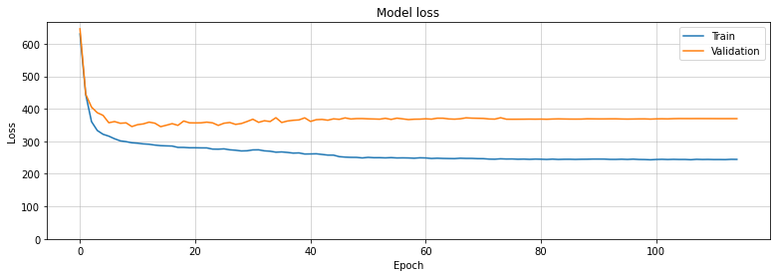 | 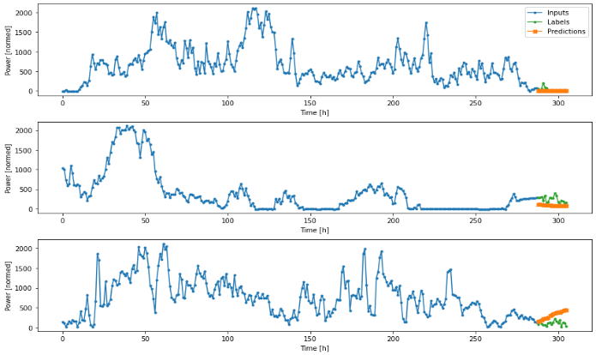
N | Combined_model_PERF_4x16LSTM_3x02do_FC_1x72D_1x18D | 3x16LSTM | 2x0.2 | 1xReShape 1x16D 1x18D | . | 1x64 1x18 | . | 233.7671 | 234.2659 | 341.9405 | 342.4401 | 397.53 | 398.0297 | 129 | 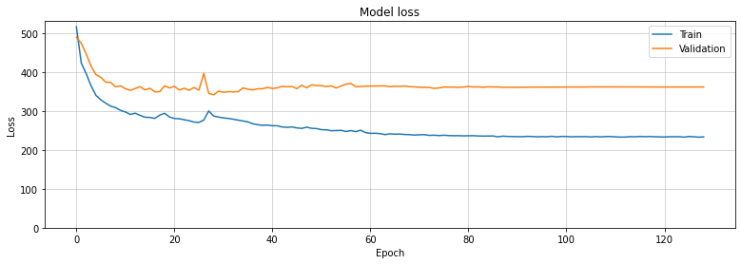 | 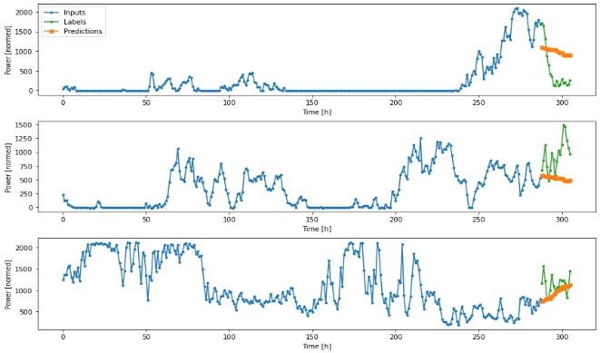
N | Combined_model_PERF_3x32LSTM_0do_FC_1x72D_1x18D | 3x32LSTM | . | 1xReShape 1x72D 1x18D | . | 1x64 1x18 | . | 174.5171 | 175.0151 | 351.3635 | 351.8632 | 415.1221 | 415.6217 | 66 | 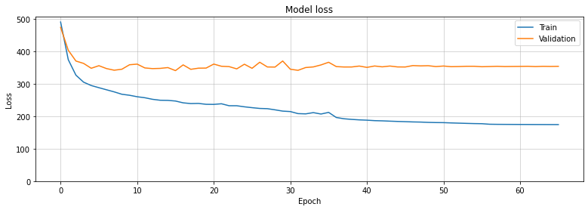 | 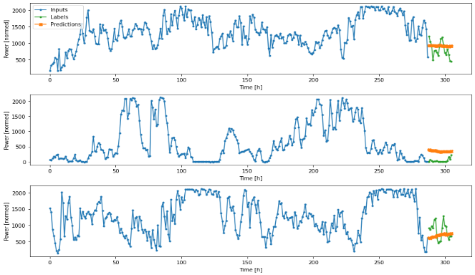
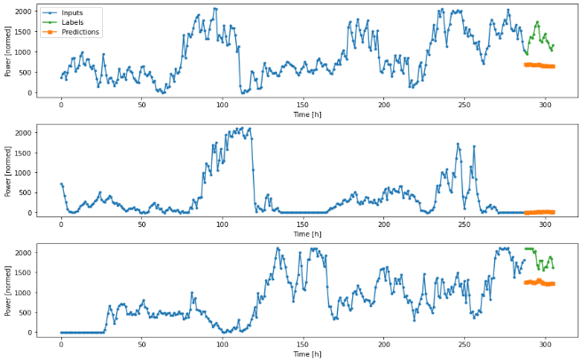
S | Combined_model_PERF_3x32LSTM_0do_FC_2x32LSTM_1x64LSTM | 3x32LSTM | . | 2x16LSTM | . | 1X32LSTM | . | 343.924 | 344.4235 | 395.7324 | 396.2317 | 506.6204 | 507.1202 | 106 | 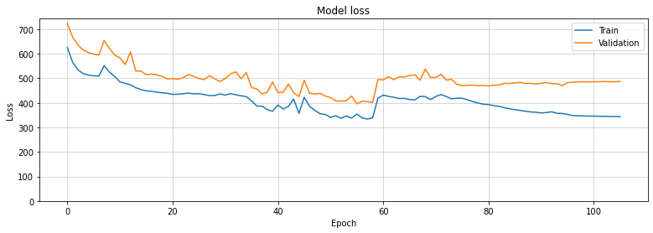

Weather Forecast
 |  | Performance Model |  | Forecasting |  | Combined |  | Losses & Metric
 | Name | Layers | Dropout | Layers | Dropout | Layers | Dropout | train_loss | train_mae | val_loss | val_mae | test_loss | test_mae | Epoch | Loss history | Window plot
S |  | 3x32LSTM | 2x0.2 | 2x16LSTM | 1x0.2 | 1X32LSTM | . | 0.0379 | 0.1544 | 0.0484 | 0.1746 | 0.0514 | 0.1907 | 146 | 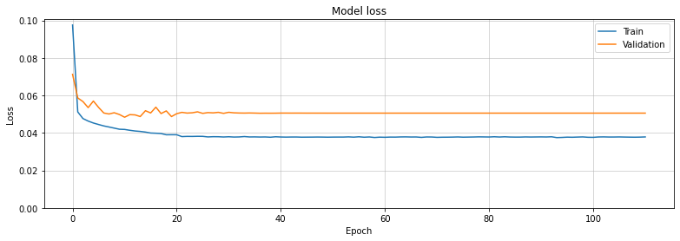 | 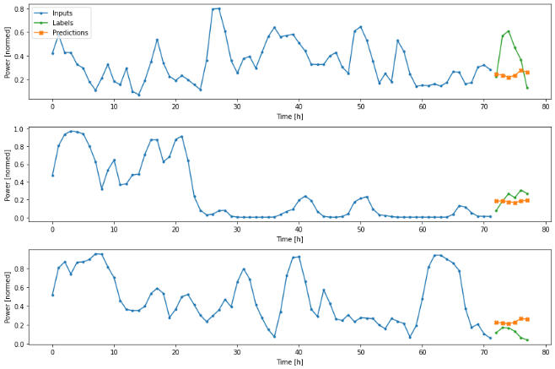
S |  | 3x32LSTM | 2x0.2 | 2x16LSTM | 1x0.2 | 1X32LSTM 2x64D | . | 0.0342 | 0.1451 | 0.0485 | 0.1734 | 0.0486 | 0.1836 | 62 | 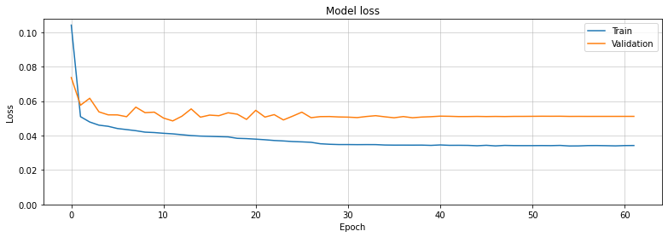 | 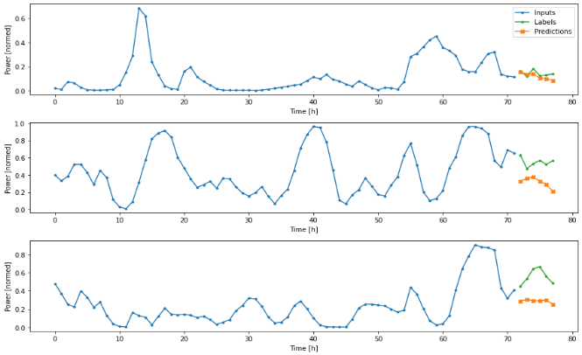
N |  | 3x64LSTM | 2x0.2 | 1x144 1x72 1x12 | 1x0.2 | 1x64D | . | 0.0294 | 0.1331 | 0.0464 | 0.1722 | 0.0503 | 0.1888 | 55 |  | 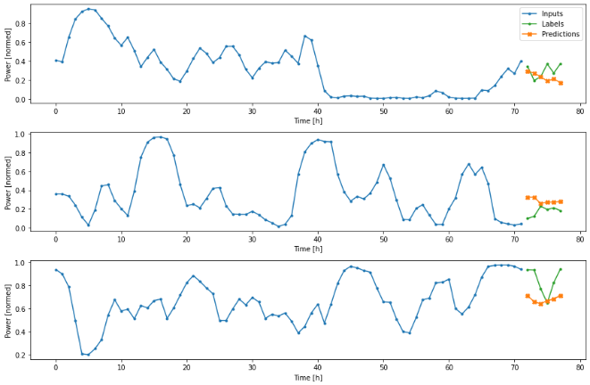
S |  | 3x32LSTM | 2x0.2 | 2x16LSTM | 1x0.2 | 1X32LSTM 2x128D | 1x0.2 | 0.0313 | 0.1374 | 0.0466 | 0.1737 | 0.0502 | 0.1848 | 63 | 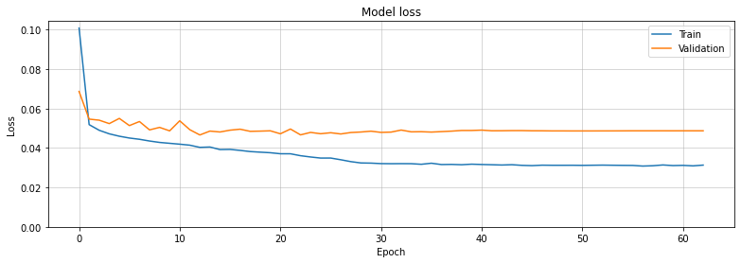 | 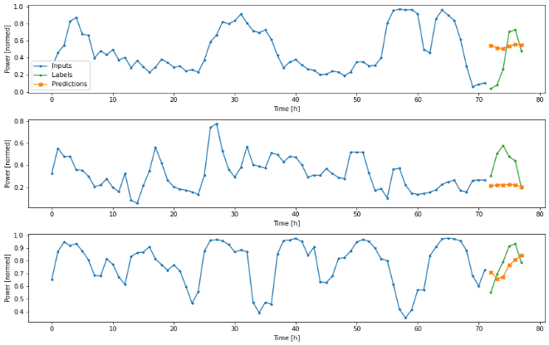
S |  | 3x32LSTM | 2x0.2 | 2x16LSTM | 1x0.2 | 1X64LSTM 2x64D | 1x0.2
S
S
S
S
S
S
S
S
S

