Neurons
Models | Layers | Neurons | Dropout | val_loss | val_mae | test_loss | test_mae | Epoch | Window plot | Loss history

LSTM | 3 | 256 | 3x0.3 | 322.1655 | 322.6644 | 440.2437 | 440.7433 | 130 | 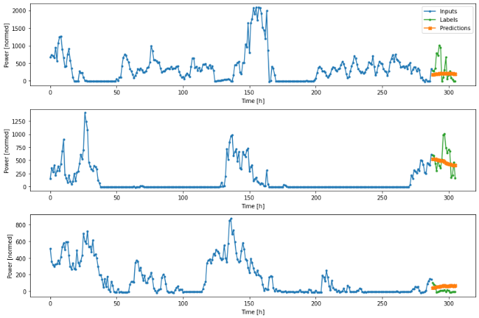 | 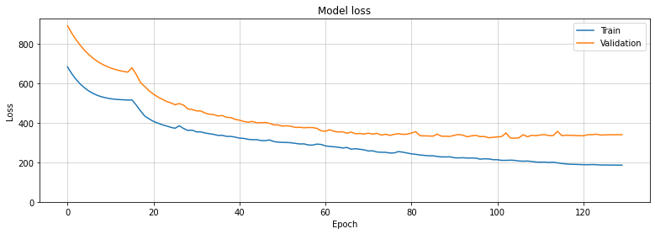

Layers
Models | Layers | Neurons | Dropout | val_loss | val_mae | test_loss | test_mae | Epoch | Window plot | Loss history
LSTM | 3 | 256 | N/A
LSTM | 3 | 256 | 3x0.1 | 645.4602 | 645.9601 | 617.8132 | 618.3132 | 56 | 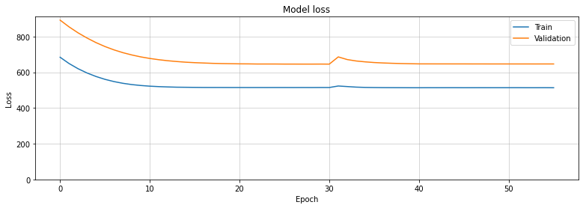 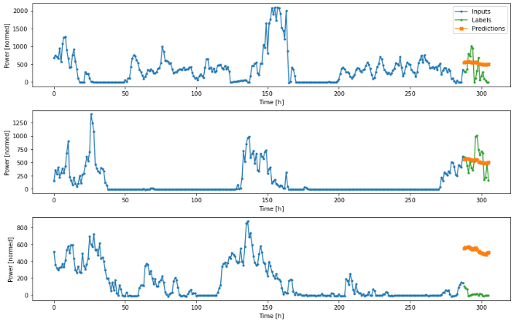
LSTM | 3 | 256 | 2x0.2 | 317.9153 | 318.4136 | 418.7207 | 419.2203 | 116 | 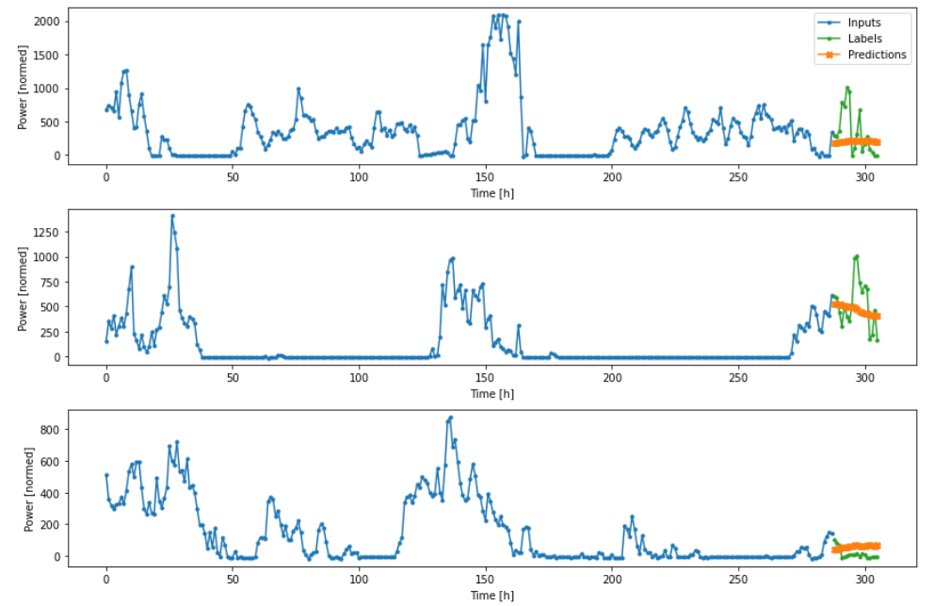 | 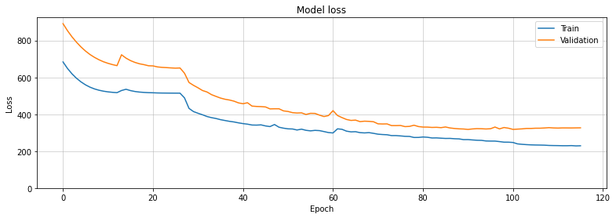
LSTM | 3 | 256 | 3x0.3 | 322.1655 | 322.6644 | 440.2437 | 440.7433 | 130

Dropouts
Models | Layers | Neurons | Dropout | val_loss | val_mae | test_loss | test_mae | Epoch | Window plot | Loss history
LSTM | 3 | 256 | N/A | 486.9827 | 487.4817 | 496.2072 | 496.7067 | 153 | 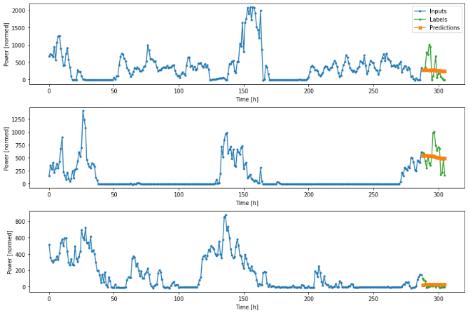 | 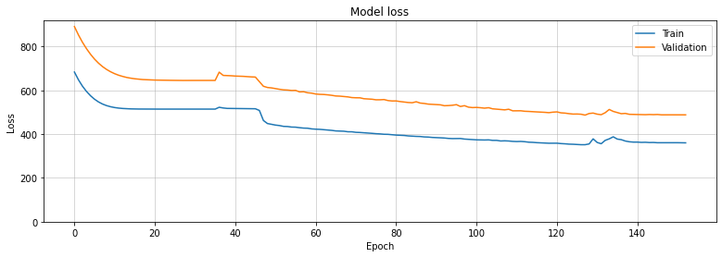
LSTM | 3 | 256 | 3x0.1 | 645.4602 | 645.9601 | 617.8132 | 618.3132 | 56
LSTM | 3 | 256 | 2x0.2 | 317.9153 | 318.4136 | 418.7207 | 419.2203 | 116
LSTM | 3 | 256 | 3x0.3 | 322.1655 | 322.6644 | 440.2437 | 440.7433 | 130

Forecasting -num
Models | Layers | Neurons | Dropout | train_loss | train_mae | val_loss | val_mae | test_loss | test_mae | Epoch | Window plot | Loss history
Numerical output | Perf: 3 FC: 2 | Perf: 32 FC: 32 Comb: 64 | N/A |  |  | 141.7792 | 142.277 | 144.9984 | 145.4964 | 200 |  | 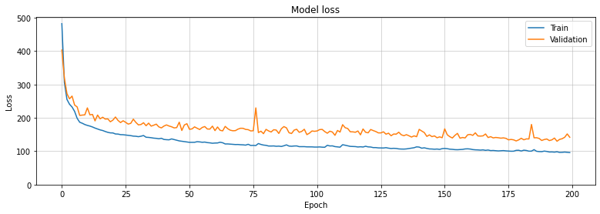
Numerical output | Perf: 3 FC: 2 | Perf: 32 FC: 54 Comb: 64 | N/A | 100 | 100 | 128.032 | 128.5304 | 135.7773 | 136.2756 | 200 |  | 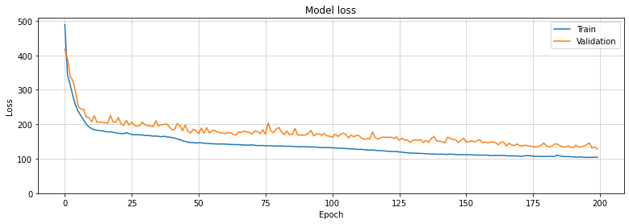
Numerical output | Perf: 4 FC: 2 | Perf: 16 FC: 54 Comb: 64 | 2x0.2 | 96.211 | 96.7079 | 123.6191 | 124.1171 | 122.9402 | 123.4384 | 374 | 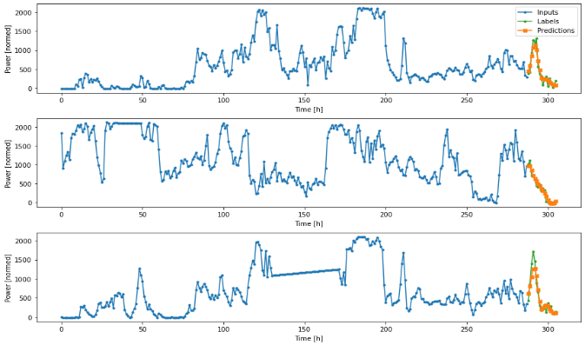 | 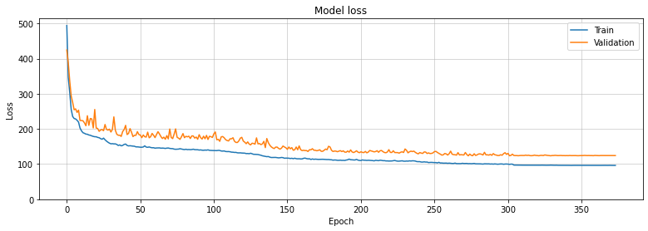
Numerical output | Perf: 4 FC: 2 | Perf: 16 FC: 54 Comb: 64 | 3x0.2 | 87.2702 | 87.7671 | 109.0217 | 109.5189 | 113.5317 | 114.0294 | 500 | 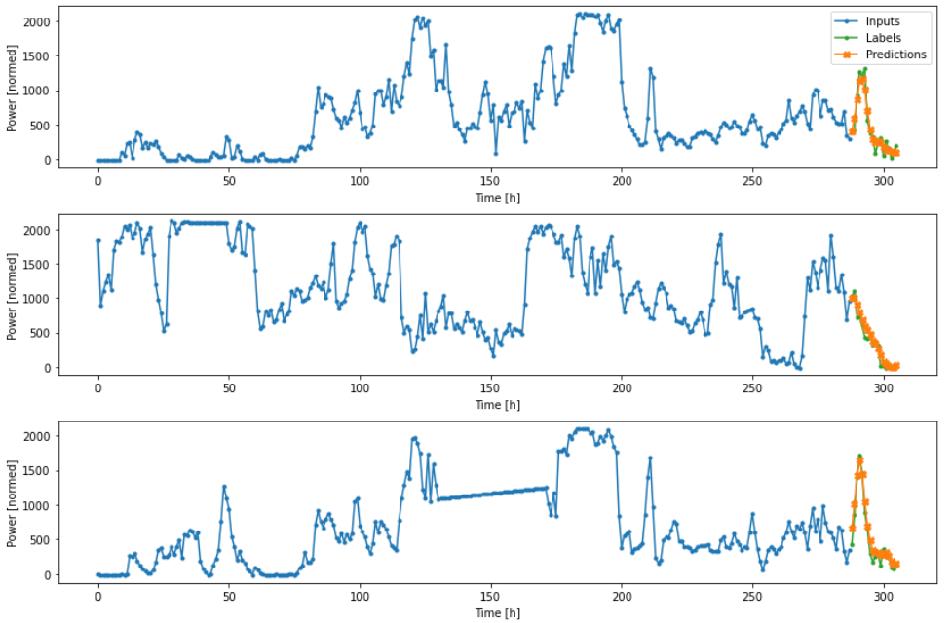 | 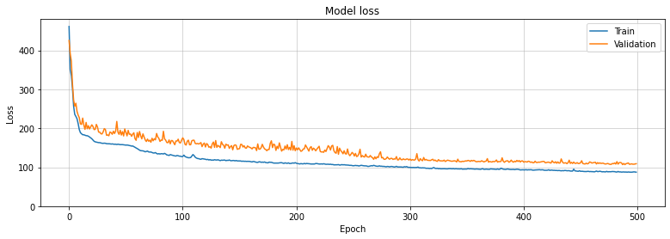
Numerical output | Perf: 4 FC: 2 | Perf: 16+18d FC: 54 Comb: 34 | 4x0.2 | 119.1732 | 119.6706 | 142.397 | 142.895 | 146.1944 | 146.6925 |  |  | 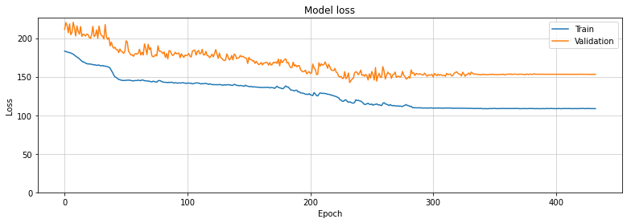
Numerical output | Perf: 3 FC: 2 | Perf: 64 FC: 54 Comb: 64 | N/A | 98 | 98 | 162.0565 | 162.5548 | 169.2124 | 169.7108 | 200 |  | 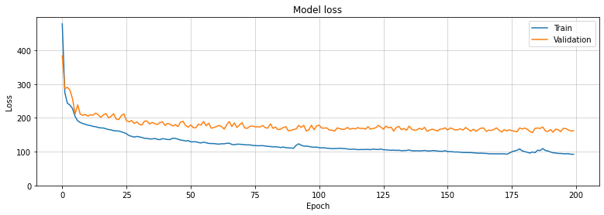
Numerical output | Perf: 3 FC: 2 | Perf: 128 FC: 54 Comb: 64 | N/A | 97.0612 | 97.5581 | 165.8301 | 166.3281 | 168.9247 | 169.423 | 200 |  | 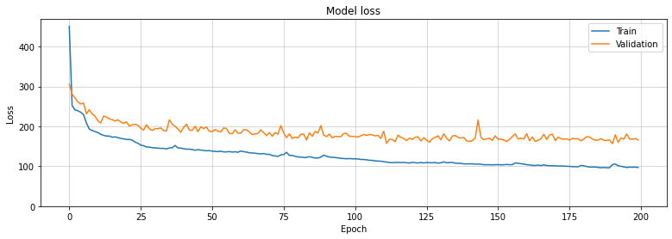
Numerical output | Perf: 3 FC: 2 | Perf: 16 FC: 54 Comb: 64 | N/A | 103.4286 | 103.9255 | 131.279 | 131.7761 | 133.4125 | 133.9106 | 200 |  | 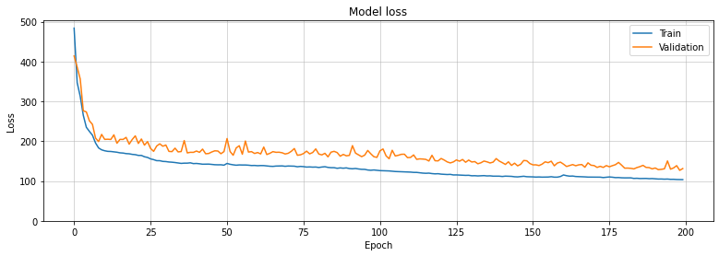
Numerical output | Perf: 4 FC: 2 | Perf: 16 FC: 54 Comb: 64 | N/A | 102.8031 | 103.2997 | 127.3482 | 127.8452 | 133.3376 | 133.8353 | 200
Numerical output | Perf: 4 FC: 2 | Perf: 128-64- 32-16 FC: 54 Comb: 64 | N/A | 93.8414 | 94.338 | 148.3816 | 148.8795 | 146.2812 | 146.779 | 200 |  | 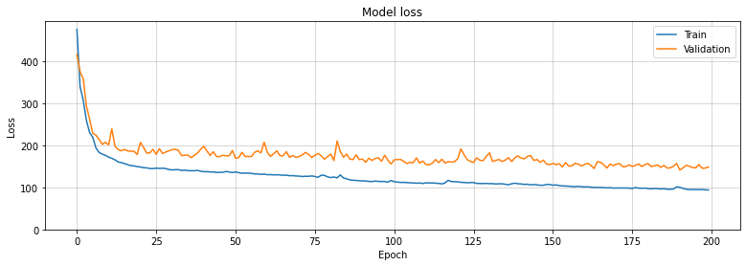
Numerical output | Perf: 4 FC: 2 | Perf: 16-32-64-128 FC: 54 Comb: 64 | N/A | 117.3491 | 117.8453 | 160.7236 | 161.221 | 165.3402 | 165.8381 | 200 |  | 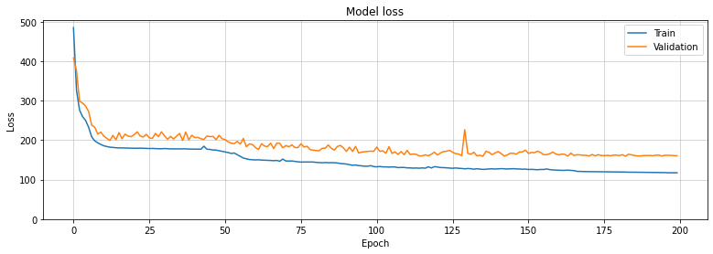
Numerical output | Perf: 2 FC: 2 | Perf: 16 Comb: 64 | N/A | 111.9435 | 112.4393 | 147.8163 | 148.3122 | 151.1575 | 151.6558 | 198 |  | 

Forecasting - state
Models | Layers | Neurons | Dropout | val_loss | val_mae | test_loss | test_mae | Epoch | Window plot | Loss history
LSTM states output | 3 | 32 | N/A | 205.7688 | 206.2682 | 209.5952 | 210.0945 | 200 |  | 