Neurons
Models | Layers | Neurons | Dropout | val_loss | val_mae | test_loss | test_mae | Epoch | Window plot | Loss history
LSTM | 3 | 256 | N/A | 486.9827 | 487.4817 | 496.2072 | 496.7067 | 153 | 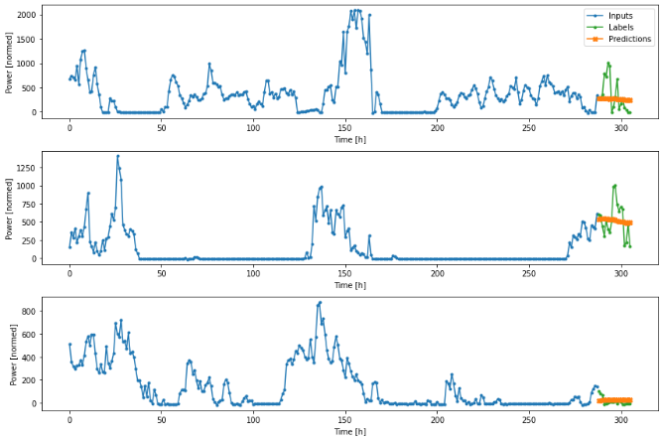 | 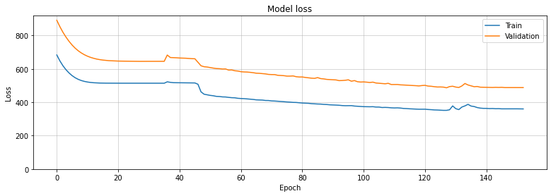
LSTM | 3 | 256 | 2x0.2 | 317.9153 | 318.4136 | 418.7207 | 419.2203 | 116 | 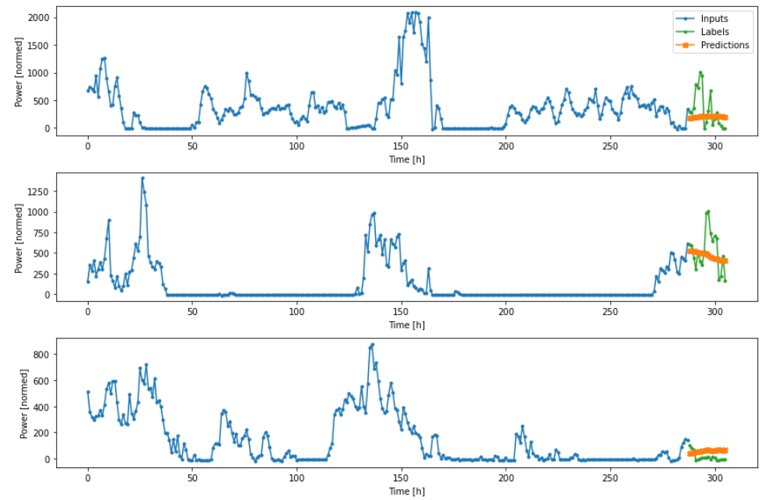 | 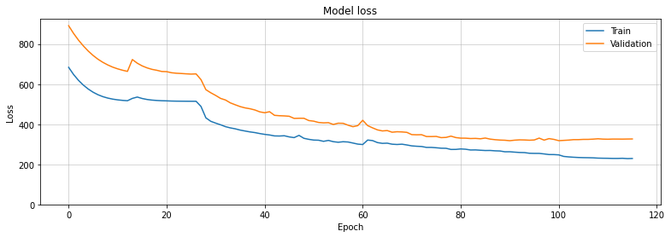
LSTM | 3 | 256 | 3x0.1 | 645.4602 | 645.9601 | 617.8132 | 618.3132 | 56 | 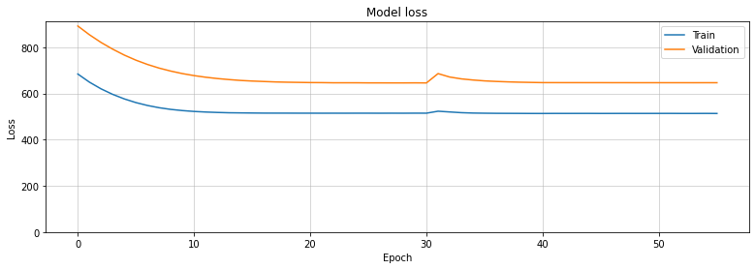 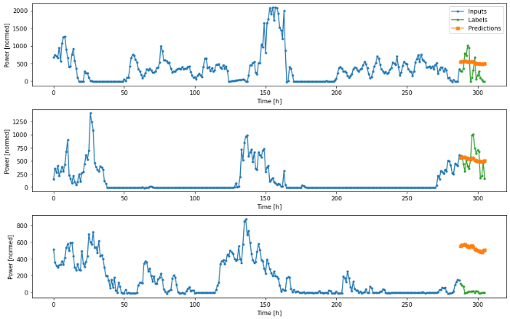
LSTM | 3 | 256 | 3x0.2 | 323.9094 | 324.4074 | 446.4168 | 446.9162 | 111 | 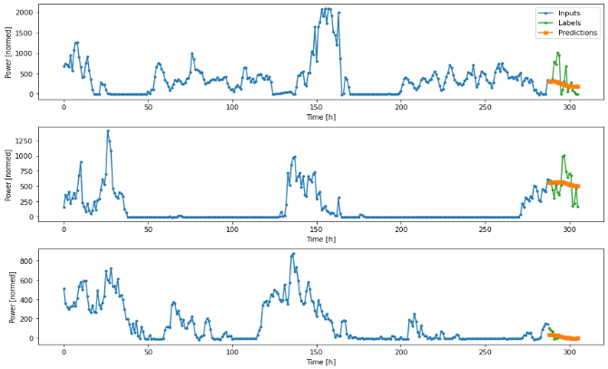 | 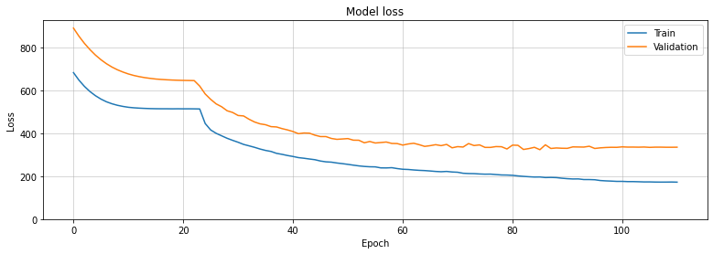
LSTM | 3 | 256 | 3x0.3 | 322.1655 | 322.6644 | 440.2437 | 440.7433 | 130 | 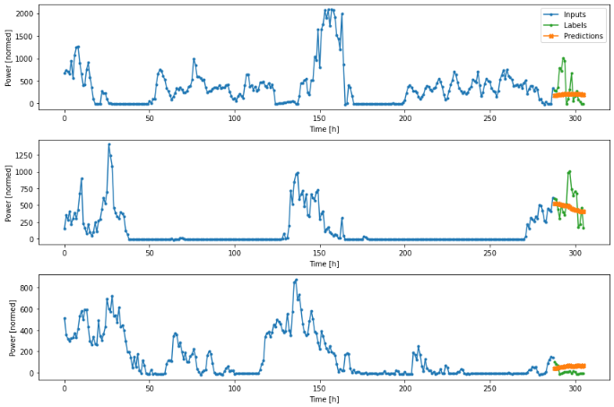 | 