Sheet1
Models | Layers | Neurons | Dropout | val_loss | val_mae | test_loss | test_mae | Epoch | Window plot | Loss history
LSTM | 3 | 256 | 0.2 | 317.9153 | 318.4136 | 418.7207 | 419.2203 | 116 | 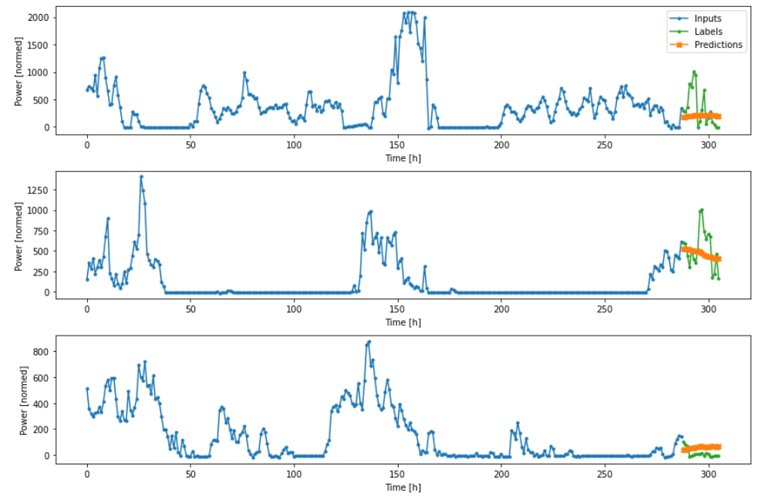 | 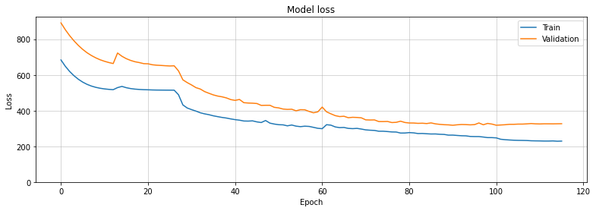
LSTM | 3 | 256 | 0.3

