Insurance_Analysis
Insurance Distribution

Diagnosis_Analysis
Primary Diagnosis Group

Dashboard
Hospital Readmission Risk Dashboard

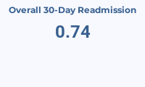
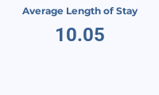
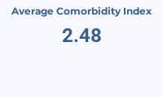
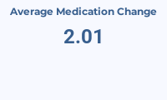

Readmissions by Diagnosis Group
Readmission Rate by Length of Stay

Readmission Rate by Comorbidity Index
Readmissions by Discharge Disposition

