Sheet5
 |  | Sources | Number of papers
 |  | Building and Environment | 2
 |  | Energy and Buildings | 2
行标签 | 计数项:Source | Engineering Applications of Artificial Intelligence | 2
C | 30 | IEEE Internet of Things Journal | 2
J | 58 | IEEE Transactions on Automation Science and Engineering | 2
IEEE Journal on Selected Areas in Communications | 1 | International Journal of Computer Integrated Manufacturing | 2
Advanced Engineering Informatics | 1 | International Journal of Production Research | 2
Applied Sciences | 3 | Journal of Industrial Information Integration | 2
Building and Environment | 1 | Journal of Management in Engineering | 2
Building Simulation | 1 | Sustainability | 2
buildings | 1 | Applied Sciences | 3
CIRP Annals | 2 | Chinese Journal of Mechanical Engineering | 3
Connection Science | 1 | Computers & Industrial Engineering | 3
Energy Informatics | 1 | IEEE Access | 3
Energy, Ecology and Environment | 1 | Journal of Building Engineering | 3
Frontiers in Built Environment | 1 | Machines | 3
Frontiers in Computer Science | 1 | Sensors | 3
Frontiers in Human Neuroscience | 1 | CIRP Annals | 4
Future Generation Computer Systems | 1 | Robotics and Computer-Integrated Manufacturing | 4
IEEE Access | 2 | Journal of Manufacturing Systems | 8
IEEE Consumer Electronics Magazine | 1
IEEE Internet Computing | 1
IEEE Internet of Things Journal | 1
IEEE Journal of Selected Topics in Signal Processing | 1
IEEE Network | 1 |  |  | sum | 105
IEEE Transactions on Automation Science and Engineering | 2 |  |  | Journal papers | 83
IEEE Wireless Communications | 1 |  |  | Conference papers | 22
International Journal of Production Research | 2
Journal of Building Engineering | 2
Journal of Engineering Design | 1
Journal of Industrial Information Integration | 1
Journal of Management in Engineering | 1
Journal of Manufacturing Systems | 4
Journal of Productivity | 1
Machines | 2
Preprint arxiv | 1
Proceedings of the Estonian Academy of Sciences, | 1
Processes | 1
Robotics and Computer-Integrated Manufacturing | 1
Sensors | 5
Structure and Infrastructure Engineering | 1
Sustainability | 1
Sustainable Cities and Society | 1
The International Archives of the Photogrammetry, Remote Sensing and Spatial Information Sciences | 1
The International Journal of Advanced Manufacturing Technology | 1
Transdisciplinarity and the Future of Engineering | 1
Transportation Research Procedia | 1
Urban Climate | 1
总计 | 88

 |  | JOURNAL OF MANUFACTURING SCIENCE AND ENGINEERING-TRANSACTIONS OF THE ASME | 1
 |  | SCIENTIFIC REPORTS | 1
 |  | SYSTEMS | 1
 |  | IEEE Journal of Selected Topics in Signal Processing | 1
 |  | IEEE Network | 1
 |  | IEEE Wireless Communications | 1
 |  | Journal of Engineering Design | 1
 |  | IEEE Journal on Selected Areas in Communications | 1
 |  | Advanced Robotics | 1
 |  | Advanced Engineering Informatics | 1
 |  | Building Simulation | 1
 |  | buildings | 1
 |  | Connection Science | 1
 |  | Energy Informatics | 1
 |  | Energy, Ecology and Environment | 1
 |  | Frontiers in Built Environment | 1
 |  | Frontiers in Computer Science | 1
 |  | Frontiers in Human Neuroscience | 1
 |  | Future Generation Computer Systems | 1
 |  | IEEE Consumer Electronics Magazine | 1
 |  | IEEE Internet Computing | 1
 |  | Journal of Productivity | 1
 |  | Preprint arxiv | 1
 |  | Proceedings of the Estonian Academy of Sciences, | 1
 |  | Processes | 1
 |  | Structure and Infrastructure Engineering | 1
 |  | Sustainable Cities and Society | 1
 |  | The International Archives of the Photogrammetry, Remote Sensing and Spatial Information Sciences | 1
 |  | The International Journal of Advanced Manufacturing Technology | 1
 |  | Transdisciplinarity and the Future of Engineering | 1
 |  | Transportation Research Procedia | 1
 |  | Urban Climate | 1
 |  | Chinese Journal of Mechanical Engineering | 1
 |  | DIGITAL COMMUNICATIONS AND NETWORKS | 1
 |  | IEEE JOURNAL OF TRANSLATIONAL ENGINEERING IN HEALTH AND MEDICINE | 1
 |  | IEEE TRANSACTIONS ON MOBILE COMPUTING | 1
 |  | IEEE TRANSACTIONS ON VEHICULAR TECHNOLOGY | 1
 |  | INTERNATIONAL JOURNAL OF ADVANCED MANUFACTURING TECHNOLOGY | 1

scopus
Source | Type (J/C) | Date | Source | Title | Application area |  | Author Keywords | Stage | Technology / Method | DT type | Maturity level | Tool / Platform | where involves Human-centric | Data connection | Data management | conclusion | download? | DOI
Scopus=25 | J | Jan-22 | Transdisciplinarity and the Future of Engineering | UX Evaluation of a Tractor Cabin Digital Twin Using Mixed Reality | HMI design | Agriculture | Digital Engineering; Digital Twin; Human-centered design; Mixed Reality; User experience design | L1:Product design stage | Mixed Reality | Interactive DT | L0 Digital Model | Unity3D; Leap Motion; HTC Vive Pro Eye; Steam VR; Logitech Extreme 3D Pro; Kit Logitech G Saitek Farm Sim controller | obtain user feedback via a virtual prorotype (questionnaries) | uni-direction | \ | Virtual driving cabin of a tractor in MR; an improved decision-making capacity of the design team, based on the user experience assessment. | x | 10.3233/ATDE220666
 | C | Jan-21 | Workshop Proceedings of the 17th International Conference on Intelligent Environments | Personalized circadian light: A digital siblings approach | Intelligent control | Healthcare / daily life | Circadian light; Digital Twin; Particle filter; Personalized model; Sleep | L3:Use stage | model driven method (partical filter) | Digital Siblings | L4 Human-centric DS | Philips Actiwatch Spectrum Pro measuring actigraphy (sleep onset and offset times) and light intensity | highest biological impact and least user disruption (define a user satisfaction function) (Human in loop) | bidirectional | \ | Digital sibling is a stochastic extension of a digital twin, that represents a possible of a real human to reflect uncertainty and noise in monitoring | x | 10.3233/AISE210082
 | C | Feb-24 | Service Oriented, Holonic and Multi-Agent Manufacturing Systems for Industry of the Future | ErgoTwin: A Digital Twin Model for Monitoring the Postural Risks on Industrial Workers | Safety monitoring | Ergonomics / smart manufacturing | Body assessment; Digital Shadow; Digital Twin; Ergonomics; Human-centred design; Occupational health and safety; Postural risk; REBA | L2:Manufacturing stage | *Computer Vision; *CNN (mobileNetV2); *3D human shape modelling; * six deep learning models represent six body regions; | Human/ergonomics DT | L1 Digital Shadow | *MediaPipe (Google, computer vision in real-time): object detection; *Netlogo: agent-based simulation software; | Personalized ErgoTwin uses REBA score to monitor postural risks in real-time. | uni-direction | Dataset of landmarks is transferred in JSON->CSV every 80 ms. | Improved REBA method to score postural risks help monitor worker's safety with continuous real-time data rather than discrete sample data-ErgoTwin / shadow. | x
 | J | Feb-25 | The International Journal of Advanced Manufacturing Technology | A digital twin-driven method for improving human comfort in human–robot collaboration | Human-robot collaboration | Ergonomics / smart manufacturing | Digital twin; Human comfort; Human–robot collaboration; Work status monitoring; Working posture ergonomic assessment | L2:Manufacturing stage | *Physiological status: wearable devices to collect (heart rate, blood pressure...) * Fatigue monitor: EMG (electromyography for bioelectrical signals) * ConvLSTM->timeseries data *risk of posture: RULA (rapid upper limb assessment), REBA (entire body assessment), OWAS (Ovako working posture assessment system) | Human/ergonomics DT | L2 Digital Twin | * Wearable devices * EMG * Kinect (XOBX camera): takes working posture depth images | It monitors the fatigue states, physiological parameters, risk of working postures in real-time for workers. (human comfort) | bidirectional | EMG collector is sampled with 1000 HZ, working cycle of 30s, sampling period of EMG signal is 10s | a case study involving the human–robot collaborative assembly of a mechanical gripper for a handling robot, detailing the application of digital twins to improve human comfort and validating the proposed methodologies | x
 | J | Jan-24 | IEEE Journal of Selected Topics in Signal Processing | Digital Twin Based User-Centric Resource Management for Multicast Short Video Streaming | Resource management | Wireless communication | Digital Twin; Multicast transmission; Resource management; User-centric | L3:Use stage | *autoencoders, a double deep Q-network (DDQN), K-means++ *exponential mathematical model for satisfaction | User DT | L4 Human-centric DT | * Mathworks for fitting function from scattered points * Distributed computing (Edge server) | It builds a User DT to predict individual's requirements and recommended vedio list, considering the user satisfaction function. | bidirectional | Data set: * Video quality assessment: https://live.ece.utexas.edu/research/LIVES tallStudy/liveMobile.html * short vedeo streaming dataset: https://github.com/AItransCompetition/ Short-Video-Streaming-Challenge/tree/main/data * Youtube 8 M dataset: https://research.google.com/youtube8m/index.html * | no human-in loop, just one round? *UDT on the edge server | x | 10.1109/JSTSP.2023.3343626
 | C | Oct-23 | IECON 2023- 49th Annual Conference of the IEEE Industrial Electronics Society | Data-Driven Human Factors Enabled Digital Twin | Human-robot collaboration | Ergonomics / smart manufacturing | Digital Twin; Human-centric production; Industry 5.0 | L2:Manufacturing stage |  | Human/ergonomics DT | L4 Human-centric DT | see figure in the Column P | Using some wearable devices to monitor worker conditions in real time, and can help with the tasks allocation with machines. | bidirectional | * connected with cloud-base database * OPC UA server as the bridge of MQTT and visual components * the communication between micro-controller and wearable heart rate monitor sensor is BLE * The PLCs use MQTT broker over WIFI (TCP/IP) to send data to decision making unit, in JSON format | Many products like wearable sports trackers, smart shoe soles, smartphones, eye-trackers, brain activity headsets, indoor cameras, and car driver smart assistants can provide data that can then be used in humancentric production systems. | x | 10.1109/IECON51785.2023.10311802
 | C | Jan-23 | 2023 IEEE Smart World Congress (SWC) | A digital twin-based method for production system performance prediction | Productivity prediction | Smart manufacturing | Data-driven model; Digital Twin; Discrete-event simulation; Performance prediction | L2:Manufacturing stage | * Fused model (theoretical model & machine learning model) * Discrete-event simulation model of the production line | Production system DT? | L0 Digital Model | * Wrights's learning curve model * LSTM model * Pytorch in PyCharm * using Plant Simulation to build a discrete-event simulation model | It collects human operational time and predict the productivity for smart management. It helps the decision-making of production system managers. | uni-direction | * The collecting data includes nearly 10000 monitoring samples of the station and we use parts of the dataset to train the model. (offline) |  | x | 10.1109/SWC57546.2023.10449281
 | C | Sep-22 | 15th IFAC Symposium on Analysis, Design and Evaluation of Human Machine Systems HMS 2022 | Towards a Holistic Framework for Digital Twins of Human-Machine Systems | Human-robot collaboration | Smart manufacturing | Digital Twin; Holistic framework; Human-centered design; Operator 4.0 | L2:Manufacturing stage |  | Human-machine DT | <L4 Human-centric DT |  | Add a human DT in human-machine systems, it views human as a physical part of DT. | bidirectional | \ | As it is mentioned in Vanderhaegen (2017) and Vanderhaegen (2021a), the long-term use of autonomous systems can degrade the ability of operator to react due to a lack of attention when they have to take back control or when their real goals interfere with those of the system as Digital Twin. --Vanderhaegen, F. (2021a). Heuristic-based method for conflict discovery of shared control between humans and autonomous -> should avoid human-out-of-the-loop But it doesn't clarify the aim to include Human DT, this doesn't provide an evolving direction, even though not a real human-centered DT (human-in-the-loop). It doesn't mention the service should focus on the satisfaction or human well-being. | x | https://doi.org/10.1016/j.ifacol.2022.10.233 | The purpose of designing a Digital Twin is to provide a service to the user. According to (L ̈ocklin et al., 2021) the Digital Twin of a human being is the missing piece of the puzzle for the complete implementation of the Digital Twin concept.--L ̈ocklin, A., Jung, T., Jazdi, N., Ruppert, T., and Weyrich, M. (2021). Architecture of a human-digital twin as common interface for operator 4.0 applications. Procedia CIRP, 104, 458–463.
 | J | Jan-21 | Sensors | Digital twin-driven human robot collaboration using a digital human | Human-robot collaboration | Smart manufacturing | Digital human; Digital Twin; Ergonomics; Human–robot collaboration; Scheduling | L2:Manufacturing stage | Digital Human (DH) technology | Human-machine DT | L4 Human-centric DT | * motion measurement device: Optical MoCap; IMU; RGBD camera; 16 RGB cameras * motion simulation methods: Inverse kinematics; Motion database; Manual assignment * D Human analysis: RULA/REBA; Range-ofmotion; Inverse dynamics * 3D laser-scanned point clouds of the working environment for high fidelity models * 37 reflective markers are attached to the work cloth | It measures the motions of a worker and simulates the working progress and physical load based on digital human (DH) technology. It gives feedbacks to workers via earphones and wireless LED. | bidirectional | \ | work monitoring, progress prediction, dynamic scheduling, and ergonomic assessment. It improves productivity and reduce physical load based on the individual capability of the worker. It is an issue to use such a motion capture system in an actual factory in terms of price and installation. | x | 10.3390/s21248266 |  |  |  |  |  |  | human | industry | motion | robotics | Scheduling","Article","Final","All Open Access | Gold Open Access | Green Open Access","Scopus","2-s2.0-85120820519"
 | J | Jan-25 | Machines | A Framework for Integrating Vision Transformers with Digital Twins in Industry 5.0 Context | Human-robot collaboration | Smart manufacturing | Digital Twin; Human-centric manufacturing; Human–machine collaboration; Industry 5.0; Predictive maintenance; Quality control; Real-time analytics; Sustainability; Vision transformer | L2:Manufacturing stage | \ | Human-machine DT | L4 Human-centric DT | * ViTs (Vision Transformers) extend the Transformer architecture to visual data, has better performance in object detection, image classification, and segmentation tasks. | Human-robot collaboration usually includes human DT and Robot DT, it evolves based on real-time monitoring and feedbacks from humans. | bidirectional | * Edge computing for data preprocessing * Data sources: 1. operational data (IoT sensors); 2. visual data (thermal and infrared cameras); 3. process and product data (technical blueprints, manufacturing specis, CAD) * Data preprocessing: Data normalization and cleaning; Data augmentation for visual analysis; Layered multi-source data fusion; Feature-level fusion; Decision-level fusion. | The aim of this paper is the definition of a conceptual framework that combines Vision Transformers and digital twins for Industry 5.0. | x | Challenges: 1. Technical chall (high-performance GPUs/TPUs), edge computing to overcome potential latency and synchronicity problems, integration bottleneck is combining multi-source data streams and seamless exchange of knowledge 2. Ethical and social chall: inexplainable AI to uderstand the decision-making process, data privacy
 | J | Jan-25 | Journal of Industrial Information Integration | Empowering robotic training with kinesthetic learning and digital twins in human–centric industrial systems | Human-robot collaboration | Education / smart manufacturing | Digital Twin; Human–centric design; Human–robot interaction; Kinesthetic Learning; Mixed Reality; User experience | L2:Manufacturing stage | *Mixed Reality (MR) *Kinesthetic Learning *360-ATE (Augmented training Environment) *Training results assessment: Spearman's rank correlation test, Mann-Whitney U test * Wilcoxon's signed-rank test | Interactive DT | L2 Digital Twin | * ABB Robotics Vietnam * ABB GoFa CRB-15000 * Microsoft HoloLens device (for 360°-ATE UI device) * Central Broker | The MR training platform improves user experience (survey) and protects user safety. | bidirectional | * WebSocket connects UI device and cobot DT with the central broker * physical robot station is connected to eh server / broker via local network (TCP/UDP-IP), or via internet (Firebase real-time database) | There are many tests to assess the training performance of the platform. | x | Challenges: 1. Research ethics: all participants sign a consent form 2. All procedures conform to the National Statement on Ethical Conduct in Human Research (NHMRC 2007) 3. The study was approved by the College Human Ethics Advisory Network (CHEAN)
 | C | Jan-20 | Procedia CIRP | User centered development of a digital twin concept with focus on sustainability in the clothing industry | Production line | Smart manufacturing | Digital; Life Cycle Assessment; Life Cycle Sustainability Assessment; Smart products; Sustainability; Twin; Use case | Full product life cycle | *Magic Mapping is used to create Customer Journeys * Brain Writing to identify desired functionalities *6-3-5 method to idendify new ideas | Digital Product Twin | L1 Digital Shadow | * QR code is printed in the back of the garment to install clothing DT * A mobile APP is developed using Adobe XD combining a physical T-shirt. | It is not a human-centric DT, just makes production information more transparent to customers, focusing on the entire product life cycle including recycle and reuse, which improves sustainability. | uni-direction | \ | \ | x | https://doi.org/10.1016/j.procir.2020.01.123
 | C | Aug-24 | 2024 IEEE International Mediterranean Conference on Communications and Networking (MeditCom) | Composing Digital Twins for Internet of Everything Applications: A User-Centric Perspective | Communication architecture | Wireless communication | Digital Replica; Digital Twin; Inter-twin communications; Intra-twin communications | L3:Use stage | *vertical Intra-twin communication 内部 *horizontal Inter-twin communication 之间 | DTNs (Digital twin networks) | depends on use case, ~networks for all maturity levels | \ | Use case, DT network searches for similar use case meets user's needs via inter-twin comminication. | bidirectional | in 6G era | \ | x | DT types: (i) Status Twin, typically used for basic monitoring applications, (ii) Operational Twin, used in decision support and linked to a set of actions or workflows, and (iii) Simulation Twin, which aims to predict or provide insight into future operational states. | Requirements of DTNs: 1. composability 2. Reusability 3. Proactiveness 4. Networking | 10.1109/MeditCom61057.2024.10621154
 | J | Jan-23 | Transportation Research Procedia | A methodology for using dynamic visualizations to enhance citizens engagement | mobility planning | Smart city | Citizens' engagement; Co-creation; Digital Twin; Mobility planning; Policy making; Vulnerable users | L1:Product design stage | feedback loops | Urban DT | L0 Digital Model | \ | Citizen engagement and co-creation via DT. | uni-direction | \ | \ | x | Pros of DT: 1. policy-makers can simulate what-if scenarios to reduce risks, and save time and cost; 2. Users can be more immersively engaged into the decision stage by giving feedbacks. 3. can make unseen data visible, e.g. noise level, air quality, congestion, safety, and future prediction data. | citizens engagement processes are lied on three main pillars; connect, exchange, empower. | https://doi.org/10.1016/j.trpro.2023.11.376
 | C | Jun-24 | Flexible Automation and Intelligent Manufacturing: Manufacturing Innovation and Preparedness for the Changing World Order | Towards a Human-Centric Digital Twin: An AutomationML-Based Description to Include Human Factors in Machine Design | Human-robot collaboration | Smart manufacturing | Human-Centric Digital Twin; Digital Twin; Human-machine interaction; Industry 5.0; AutomationML | L1:Product design stage | * VR sumulation * AML framework (an XML-based standard according to IEC 62714) | Human DT | L1 Digital Shadow | * COTS wearable sensors * Empatica E4 wristband * HTC Vive Pro Eye headset supplied with Tobii eye tracking system * Leap Motion Controller 2 tracks the operator gestures * stereoscopic camera Zed 2i from Sterelabs and the XRErgo software to compute the postural workload (RULA score) | * human psychophysical conditions are monitored via wearable sensors * feedbacks are collected via NASA-TLX questionnaire | uni-direction | real-time monitoring | A 3D virtual model to improve machine design considering the system usability, the operator's wellbeing, and formulizing human-related information | x
 | C | Jan-23 | Procedia CIRP | Towards A Human-Centered Digital Twin | Human-robot collaboration | Smart manufacturing | Cognitive modeling; Digital Twin; Human-centered design; User study | L1:Product design stage | Cognitive DT uses ACT-R architecture for spatial cognition | Cognitive DT | L1 Digital Shadow |  | cognitive model of end users is developed | uni-direction | \ | DT contains a Digital Master and a Digital Shadow | x | https://doi.org/10.1016/j.procir.2023.06.056
 | J | Jul-24 | buildings | The Digital Twin Immersive Design Process and Its Potential Disruption to Healthcare Design through a User-Centered Approach | Building design | Healthcare | Design process; Digital Twin; Healthcare design; User-centered; VR immersion | L1:Product design stage |  | Interactive DT | L0 Digital Model | * 360 camera: RICOH THETA Z1 * VR HMD: OCULUS QUEST 2 * software for 3D building: BIM 360 / Revit * Dynamo: open source visual programming plug-in for Autodesk, Revit Oculus/Twinmotion: VR headset real-time 3D immersion software | * Questionnaires for non-experts (elderly patients=30, nursing staff=5) * Questionnaire for experts (govenment architects=5) | uni-direction | .CSV files | Not only for healthcare, but can be used for all building design. | x
 | C | Feb-25 | 2025 IEEE International Conference on Artificial Intelligence and eXtended and Virtual Reality (AIxVR) | User-Centric Evaluation Methods for Digital Twin Applications in Extended Reality | User experience evaluation | XR | Digital Twin; Extended Reality; User-centric evaluation | \ | Questionnaires and observational studies | Interactive DT | \ depends on use case | Standardized & custom questionnaires | 1) Demographics: The demographic questionnaire collects general information, including age, gender, profession, and prior experience with XR technologies. 2) ATI: The Affinity for Technology Interaction score [27] can be calculated from a 9-item questionnaire to assess an individual’s tendency to actively engage with technology. It can help observe trends potentially related to overall experience with technology. 3) SAM: The Self-Assessment Manikin [28] assesses three emotional dimensions: Valence, Arousal, and Dominance. Each dimension includes five pictorial representations of emotions with increasing intensity. 4) IPQ: The iGroup Presence Questionnaire [29] is a widely used tool that distinguishes between Spatial Presence, Involvement, Realness, and Overall Presence, making it relevant for immersive experiences. 5) NASA-TLX: The NASA Task Load Index [30] is a commonly used tool for assessing cognitive and physical demands, among others. 6) UEQ-S: The short version of the User Experience Questionnaire [31] consists of eight scales, each representing a pair of attributes. It is used to assess user perceptions of both the pragmatic and hedonic qualities of a system or application. 7) CSQ-VR: The Cybersickness in Virtual Reality Questionnaire [32] [33] was chosen to assess the degree of cybersickness over the more commonly used Simulator Sickness Questionnaire (SSQ) due to criticism in recent years [34]. The CSQ-VR is an alternative that has been validated against the SSQ. It features two question items for each category (Nausea, Vestibular, and Oculomotor). Additionally, participants can provide qualitative feedback. 8) Custom questionnaires: Each user study concluded with a final questionnaire regarding specific aspects of the applications. Participants will be asked to rate their overall satisfaction (“How much did you enjoy the experience”) and the ease of use and usefulness of the implemented features | \ | \ | This paper proposes a user-centric evaluation method for XR-enhanced DT applications to assess usability, cognitive load, and user experience. | x | In healthcare, DT technologies are being explored for applications in personalized and predictive medicine, telemedicine, and VR-based medical education, enhancing patient engagement. In manufacturing, HMI to improve productivity, safety, and data-driven decision-making. DTs enhance lifecycle monitoring, process optimization, and predictive maintenance. | 10.1109/AIxVR63409.2025.00028
 | C | Nov-23 | Proceedings of the 30th ISTE International Conference on Transdisciplinary Engineering | Human-Centric Digital Twin: A Transdisciplinary View | framework | \ | Digital Twin; Human-centric approaches; Human-machine interaction; Transdisciplinary Engineering | L1 design & L2 development |  | DT framework | \ | HCDT reviews on applications and needs | Taxonomy of DT according to human roles: operator, worker, planner, consumer, decision maker, policy maker, patient, nurse | \ | \ | Taxonomy of DT according to human roles: operator, worker, planner, consumer, decision maker, policy maker, patient, nurse | x | Human-centric DT framework: digital loop in pptx
 | C | Jan-23 | Procedia CIRP | Implementing transmission of data for digital twins in human-centered cyber-physical systems | Data processing | Aerospace/ manufacturing | Assembly; Digital Twin; Human-centered cyber-physical system; Industry 5.0; Production logistics | L1:Product design stage |  | DT data platform | L2 Digital Twin | * Edge device * Broker using MQTT * OPC UA * Apache Kafka to connect to the database (time series DB) * the system is deployed on the container Kubernetes. | I think it is not related to human-centered | bidirectional | *all data must pass through a central point (database) on the platform *latency-critical data (coordinates) is connected via a broker using MQTT *data with higher safety relevance and standardized data models via the OPC UA protocol *Apache Kafka connects interfaces and databases (time series DB, non-relational DB, microservices) * all databases can used for long-term optimizationa, dashboards, or feeding the digital working document. * The system is deployed on the container platform Kubernetes. | I think HCDT data platform should highlight how to process human's data, considering data privacy (Data Mirror System), user friendly, assess UX or feedbacks. But in this paper, nothing mentioned!! | x | HCDT requirements on data platform! (可写在论文里) * flexible and modular, and can centrally process data streams to meet dynamic requirements; should open to different protocols and standards to have better scalability, flexibility, and functionality. | need for HCDT data transmission:flexible and modular interfaces, as well as the ability to centrally process data streams to meet these dynamic requirements effectively. | https://doi.org/10.1016/j.procir.2023.09.113
 | J | May-20 | Journal of Management in Engineering | Wearable Biosensor and Hotspot Analysis-Based Framework to Detect Stress Hotspots for Advancing Elderly's Mobility | mobility | Smart city | Aging population; Hotspot analysis; Mobility; Smart city digital twins; Stressful interactions with built environment; Wearable biosensor | \ | * classification ML (decision tree, Gaussian SVN, KNN-knearest neighbors, bagging tree, ensemble subspace KNN) * Monte-Carlo-based hotspot detection | ~Human DT | L0 Digital Model | * Wearable biosensors: EDG & PPG signals as features * GPS collection | Based on collected physiological signals to detect stess hot spots for elderly to help improving the city plannning. | uni-direction | \ | offline-simulation | x | 10.1061/(ASCE)ME.1943-5479.0000753
 | C | Dec-24 | 2024 IEEE 10th World Forum on Internet of Things (WF-IoT) | Digital Twin Framework for Personalized Building Management in Ambient Assisted Living | Building | Smart city | Ambient Assisted Living (AAL); Digital Twin; Internet of Things; Ontology | L3:Use stage | * Ontology of DTs * recognition and prediction of occupants' activities are performed by ML method: Naive Bayes classifier | Building DT, Person DT, Object DT | L1 Digital Shadow | * Azure Microsoft's public cloud platform, offering ad-hoc services * Azure IoT Hub simulates senors * Azure Cosmos DB * Web user-centric awareness dashboard using Flask | It addresses the personalized energy efficiency challenge in buildings, helps occupants aware their impact on building management and energy efficiency. | uni-direction | *dataset 1: CASAS sensors in homes to understand domestic activities and energy consumption *dataset 2: DEDDIAG electricity consumption of individual household appliances *dataset 3: PV (Photovoltaic) from UK Power Networks to validate the impact of photovoltaic panels on energy production *Cloud service from Azure *Database: Azure Cosmo DB No-SQL database |  | x | 10.1109/WF-IoT62078.2024.10811267 | 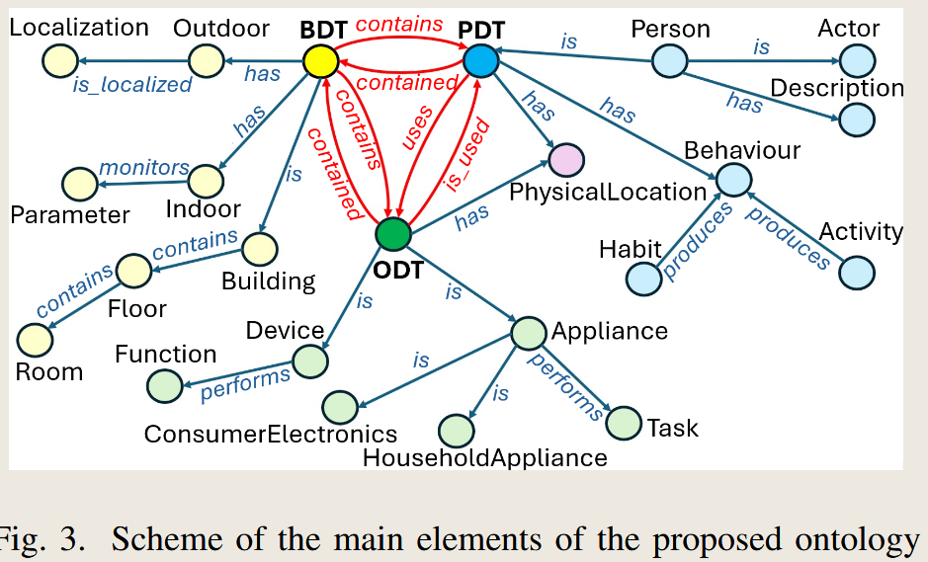 |  |  | 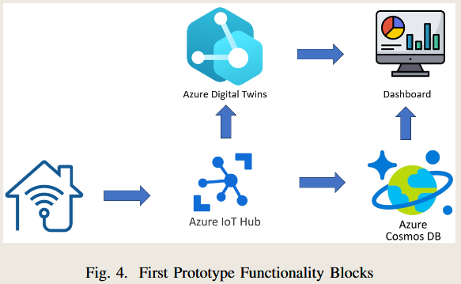
 | J | Sep-22 | IEEE Internet of Things Journal | Mobility Digital Twin: Concept, Architecture, Case Study, and Future Challenges | Mobility | Smart city | Amazon Web services (AWS), cloud computing, connected vehicles, digital twin, edge computing | L3:Use stage | * Cloud computing * Edge computing * IoT | Human DT, Vehicle DT, Traffic DT | L4 Human-centric DT | *AWS (Amazon Web Services) * GNSS data * Ultrasonic, camera, radar, LIDAR, Loop detector, RSU * Data lake-Amazon S3 * AR * simulators: Matlab, SUMO, VISSIM, CARLA, unity | 1) the Human Digital Twin with user management and driver type classification; | bidirectional | *Data lake * MQTT for communication * HTTPS communication * Apache Kafka real-time communication platform * Data: Traffic data-TomTom, Map data-OpenStreetMap, Weather Data-OpenWeather |  |  | 10.1109/JIOT.2022.3156028
 | C | Jan-24 | Procedia CIRP | Digital Twins for Industry 5.0: Unlocking the Human Potential | Human-machine interaction | Smart manufacturing | Digital Twin; Human aspect; Industry 5.0 | L1, L2, L3 |  | Convoluted DT (Factory DT, Production DT, Operator DT, Product DT..) | \ |  | * DT for operators (real-time): provide the latest documentation and task descriptions, HSE (Health, Safety, and Environment) considerations, and personalized ergonomic instructions *DT for Engineers (historical&real-time, predicitons data) *DT for managers (System level H. R. P. data) | \ | Requirements on data platform: By version control and traceable actions, any lost information should be recoverable through the digital twin. |  | x | The holy grail of Industry 5.0 resides in the intersection of the three dimensions; sustainable, resilient, and human-centric manufacturing. While the Industry 4.0 paradigm addresses resiliency and sustainability through increased flexibility and efficiency, the human component of manufacturing systems has been largely neglected. | Taking a human-centric perspective, the digital twin should be designed to enhance human capabilities, accommodate the needs of people, and mitigate shortcomings of the human mind. | [1] European Commission. Industry 5.0: towards a sustainable, human centric and resilient European industry. [Internet]. Luxembourg: Directorate General for Research and Innovation; 2021 [cited 2022 Apr 29]. Available from: https://data.europa.eu/doi/10.2777/308407. | https://doi.org/10.1016/j.procir.2024.10.161
 | C | Jan-21 | Procedia CIRP | Architecture of a Human-Digital Twin as Common Interface for Operator 4.0 Applications | Human-robot collaboration | Smart manufacturing | Digital Twin; Human-centered cyber-physical system; Operator 4.0 | L2:Manufacturing stage | Access interface: Blockchain technology can be used to document every data access with non-breakable transparency | Human DT | L2 Digital Twin |  | * Operator 4.0 * H-DT architecture highlights the requirements for human sensitive data * It distinguishes H-DT and other DTs. | bidirectional | Version management: H-DT have to be adapted much less frequently, while the relations are easire to be adapted | This paper misunderstands of human-centric DT and human DT. | x | As per [13], benefits of H-DT in manufacturing are: • Gather data for lean manufacturing measures • Enable real-time anomaly detection of manual work • Gamification of manual tasks for higher motivation • Feedback mechanism for human workers • Analyzing dangers and help resolving labor disputes • Speed up worker integration; offer customized training • N-dimensional safety | https://doi.org/10.1016/j.procir.2021.11.077
Web of Science=47 | J | Dec-24 | JOURNAL OF BUILDING ENGINEERING | The digital twin framework: A roadmap to the development of user- centred digital twin in the built environment | Building | Smart city | User-centred digital twin; Digital twin framework; Human-centric applications; Digital infrastructure; Architecture and urbanism; Built environment | L1, L2, L3 |  | Human DT; Building DT; City DT | L4 HCDT |  | the framework unleashes a systematic roadmap to the creation and development of a city-scale digital twin centred on the human and capable of describing, analyzing, and assessing a built context per its users and usability manner. | bidirectional |  |  |  | 10.1016/j.jobe.2024.111081
 | J | Oct-24 | ROBOTICS AND COMPUTER-INTEGRATED MANUFACTURING | Towards industry 5.0 through metaverse | Human-robot collaboration | Smart manufacturing | Industrial metaverse; Virtual reality; Digital Twin; Human-centric; Industry 5.0 | L2:Manufacturing stage | VR for interaction; Avatar for human DT | Human DT | L4 HCDT |  | need for evaluating virtual interactions among humans and between humans and the entire virtual industrial ecosystem; Use survey to evaluate Human interaction in DTs | bidirectional |  |  |  | 10.1016/j.rcim.2024.102764
 | J | Mar-25 | JOURNAL OF INDUSTRIAL INFORMATION INTEGRATION | Human-Centric Green Design for automatic production lines: Using virtual and augmented reality to integrate industrial data and promote sustainability | Human-machine interaction | Smart manufacturing | Green design; Sustainability digital twin; Industry 5.0; Virtual reality; Augmented reality; Human-Centered Design; Digitization | L2:Manufacturing stage | VR, AR dashboards | Production line DT | L3 Cognitive DT |  | AR/VR technologies, used with a Human-Centered Design (HCD) approach, enable visualization and interaction with digital product models, providing designers with an immersive experience that facili-tates a deeper understanding of all the impacts of their design choices | bidirectional |  | No feedback or evolution for human-centric purposes. But it can evolve to sustainable manufacturing. |  | 10.1016/j.jii.2025.100801
 | J | Aug-23 | ROBOTICS AND COMPUTER-INTEGRATED MANUFACTURING | Software framework concept with visual programming and digital twin for intuitive process creation with multiple robotic systems | Human-robot collaboration | Smart manufacturing | Smart Manufacturing; Programming; Industry 4; 0; Operator 4; Human Robot Interaction; Process Planning; User Centric Design; Human-machine interaction; Software architecture; Visual programming; Digital twin | L1, L2 |  | Systems DT | L2 Digital Twin |  | It designs an easy used human-centric designed human-machine interaction interface. But it doesn't provide evlotion, it's not HCDT. | bidirectional |  |  |  | 10.1016/j.rcim.2023.102536
 | J | Mar-20 | JOURNAL OF MANAGEMENT IN ENGINEERING | Cognition Digital Twins for Personalized Information Systems of Smart Cities: Proof of Concept |  | Smart city | Cognitive overload; Digital twins; Neuroimaging; Personalized information system | L1, L2, L3, L4 | VR, sensors | Cognitive DT | L4 HCDT | Real-time cognitive sensing | The proposed method includes the use of virtual reality (VR) to simulate complex tasks paired with the digital twin modeling of workers' cognitive reactions to different information formats and contents in VR simulation. | bidirectional |  | Personalized info system via Cognitive DT |  | 10.1061/(ASCE)ME.1943-5479.0000740
 | J | Nov-21 | Proceedings of the Estonian Academy of Sciences, | User-centred design in industrial collaborative automated systems | Human-robot collaboration | Smart manufacturing | Digital Twin; Human-robot collaboration; Operator 4.0; User-centred design; VR | L1:Product design stage |  | HMI DT | L0 Digital Model | VR, AR | In assessment phase, the impact of the the design on users is considered iteratively. | uni-direction | \ |  | x |  | https://doi.org/10.3176/proc.2021.4.10
 | J | 2024/ | IEEE ACCESS | Human Digital Twins in Rehabilitation: A Case Study on Exoskeleton and Serious-Game-Based Stroke Rehabilitation Using the ETHICA Methodology |  | Healthcare | Monitoring; Digital twins; Real-time systems; Exoskeletons; Stakeholders; Predictive models; Muscles; Games; Ethics; Biomedical monitoring; Avatars; decision support systems; digital human modeling; digital twins; ETHICA; exoskeletons; healthcare innovation; human-centered design; human digital twins; human modeling; information systems; interdisciplinary collaboration; motivational feedback; patient engagement; patient monitoring; personalized therapy; physical rehabilitation; real-time therapy adjustments; rehabilitation technology; sensor data; serious games; stroke rehabilitation; upper-limb rehabilitation | L3:Maintenance (Use) stage | *motion-based muscle fatigue estimation algorithm *Serious games | Human DT | L4 HCDT |  | Our system demonstrates how HDTs can enable real-time adjustments to therapy difficulty and exoskeleton assistance based on patient conditions, enhance collaboration between medical and non-medical stakeholders through data visualizations and decision-support mechanisms, and boost patient engagement through personalized feedback. | bidirectional | Cloud (MongoDB) |  |  | 10.1109/ACCESS.2024.3508029
 | J | Nov-24 | Urban Climate | Application of human-centric digital twins: Predicting outdoor thermal comfort distribution in Singapore using multi-source data and machine learning | Thermal comfort | Smart city | Outdoor thermal comfort; Machine Learning; Multi-source data; Activity intensity; Urban environment | L3:Use stage | * Bayesian-tuned XGBoost model * SHAP value analysis | Perception/Human DT | ~L4 Human-centric DT |  | User-centric real-time thermal comfort feedback monitored by wearable devices. | ?unidirection: the framework is only for monitoring, predicting, analyzing |  | Humans as sensors in Urban Digital Twins-concept from Lei, B., Su, Y., Biljecki, F., 2024b. Humans as sensors in urban digital twins. In: Recent Advances in 3D Geoinformation Science, Cham. | x | https://doi.org/10.1016/j.uclim.2024.102210
 | J | 2022/ | CIRP ANNALS-MANUFACTURING TECHNOLOGY | Digital twin-enabled advance execution for human-robot collaborative assembly | Human-robot collaboration | Smart manufacturing | Robot; Assembly; Digital twin | L1 design & L2 development | HoloLens | Human & cobot DT | L4 HCDT |  | Human-centric human-robot collaboration for personalised adjustment. | bidirectional |  |  |  | 10.1016/j.cirp.2022.03.024
 | J | Feb-24 | IEEE Transactions on Automation Science and Engineering | Toward Human Motion Digital Twin: A Motion Capture System for Human-Centric Applications | Human motion capture | Smart manufacturing | Human Digital Twin; Human motion measurement; Motion capture | L2 & L3 | * sensor fusion * pose calibration | Human motion DT | L4 Human-centric DT | * a Hub node * inertial measurement units (wearable) | It captures human motion for a teleoperation of a robot. | bidirectional |  |  | x | 10.1109/TASE.2024.3363169
 | J | Apr-24 | DIGITAL COMMUNICATIONS AND NETWORKS | Digital twin- and extended reality-based telepresence for collaborative robot programming in the 6G perspective | Human-robot collaboration | Smart manufacturing | 6G; Digital twin; Telepresence; Collaborative robots; Industry 4.0; Augmented reality; Virtual reality; Point cloud streaming | L1 design & L2 development | * VR MR * HoloLens *CR sensors and RGB-D camera | Human & cobot DT | L2 Digital Twin |  | No, it doesn't consider human factors | bidirectional |  | No evolution ability |  | 10.1016/j.dcan.2022.10.007
 | J | Feb-25 | JOURNAL OF MANUFACTURING SYSTEMS | ProjecTwin: A digital twin-based projection framework for flexible spatial augmented reality in adaptive assistance | Human-robot collaboration | Smart manufacturing | Spatial augmented reality; Digital twin; Human-robot Collaboration; Spatial computation | L1 design & L2 development | Projector | Human & cobot DT | L4 HCDT |  | Human-centric FSAR assistance for movable observer. | bidirectional |  |  |  | 10.1016/j.jmsy.2024.11.018
 | J | Jun-24 | JOURNAL OF MANUFACTURING SYSTEMS | Architecture for data-centric and semantic-enhanced industrial metaverse: Bridging physical factories and virtual landscape | Human-robot collaboration | Smart manufacturing | Industrial metaverse; Virtual-physical continuum; Digital twins; Extended reality; Architecture; Industry 5.0 | L2:Manufacturing stage |  | Factory DT | L3 Cognitive DT |  | No, The design of XR interfaces needs to consider factors such as usability, accessibility, and adaptability, prioritizing human-centric design principles that address ergonomic comfort and psychological well-being | bidirectional |  |  |  | 10.1016/j.jmsy.2024.05.016
 | J | Jul-23 | CIRP ANNALS-MANUFACTURING TECHNOLOGY | A collaborative intelligence-based approach for handling human-robot collaboration uncertainties | Human-robot collaboration | Smart manufacturing | Human -robot collaboration; Manufacturing system; Collaborative intelligence | L1 design & L2 development |  | Human & cobot DT | L4 HCDT |  | Adaptive tasks assignment considering human, robot uncertaintieis realized. | bidirectional |  | this research proposed a systematic CI-based approach to handling the human, task, and robot uncertainties integrally. |  | 10.1016/j.cirp.2023.04.057
 | J | Dec-24 | IEEE TRANSACTIONS ON MOBILE COMPUTING | Dynamic Human Digital Twin Deployment at the Edge for Task Execution: A Two-Timescale Accuracy-Aware Online Optimization | Human DT | Wireless communication | Task analysis; Optimization; Data models; Delays; Computational modeling; Digital twins; Collaboration; HDT; end-edge-cloud collaboration; placement and update; accuracy awareness; two-timescale online optimization | \ |  | Human DT | L2 Digital Twin |  | This study provides an end-edge-cloud collaboration for Human DT, but it dosen't mention HCDT. | bidirectional |  | No evolution ability |  | 10.1109/TMC.2024.3406607
 | J | Dec-23 | Processes | A Human-Centric Design Method for Industrial Centrifugal Pump Based on Digital Twin | Product design | Smart manufacturing | Digital Twin; Industrial centrifugal pump; Intelligent linkage design; Optimize design; Parameterized correlation model | L1:Product design stage | * Cloud computing * Big data analytics * IoT | Prototype DT | L4 Human-centric DT | *CAD platform *Anycad plug-in * Database SQL Server 2008 | During the use of the product, user data and feedback are collected in real-time through sensors and online comments, and user habits and preferences are analyzed. It helps optimize design iteratively, i.e. evolution. | bidirectional |  |  | x | https://doi.org/10.3390/pr12010042
 | J | Dec-23 | JOURNAL OF MANUFACTURING SCIENCE AND ENGINEERING-TRANSACTIONS OF THE ASME | A Vision-Based Human Digital Twin Modeling Approach for Adaptive Human-Robot Collaboration | Human-robot collaboration | Smart manufacturing | human digital twin; human-robot collaboration; smart manufacturing; computer vision; deep learning | L1 design & L2 development | * CNN | Human & cobot DT | L4 HCDT |  | an adaptive robotic motion control strategy based on the proposed HDT model | bidirectional |  |  |  | 10.1115/1.4062430
 | J | Jan-21 | Sustainability | Leveraging Digital Twin for Sustainability Assessment of an Educational Building | Building | Smart city | Digital Twin; Dynamic checklist; Sustainable BIM | L3:Use stage | sustainablity rating system e.g. LEED, WELL | Building DT | L3 Cognitive DT | BIM; eLUX DT; sensors; cloud DB | APP and interface design for users to adjust and measure their bahaviors considering sustainablility. | bidirectional | IoT; Cloud Data Base; LoRa (low range) low-power wide-area network interconnects the sensor network. Sensor nodes can send real-time data to the LoRa network to a specialized node to gather data and add them to the database. | * DT is compliant to the ISO 19650-3; * Changing the behavior of building users to achieve greater sustainability is quite complex. Informative monitors, energy control equipment (e.g. charging station of e-vehicle or the dashboard about photovoltaic production), the interacting app to the building are considered, but user experience is not assessed or considered, how strong the influence on the user behaviors is not clear, so it is not a user-centric approach. | x | https://doi.org/10.3390/su13020480
 | J | Feb-25 | COMPUTERS & INDUSTRIAL ENGINEERING | A human digital twin approach for fatigue-aware task planning in human-robot collaborative assembly | Human-robot collaboration | Smart manufacturing | Physical fatigue; Human digital twin; Human-robot collaboration; Human-centric manufacturing; Ergonomics | L2:Manufacturing stage |  | Ergonomic DT | L4 HCDT | IK-BiLSTM-AM-based surrogate model, which consists of inverse kinematics analysis (IK), bidirectional long short-term memory (BiLSTM), and attention mechanism (AM) | An And-Or graph and optimisation model-based HRC task planner is also developed to alleviate physical fatigue via task allocation. | bidirectional |  |  |  | 10.1016/j.cie.2024.110774
 | J | Jun-23 | Sustainable Cities and Society | Towards Human-centric Digital Twins: Leveraging Computer Vision and Graph Models to Predict Outdoor Comfort | Outdoor comfort | Smart city | Spatial analysis; Walkability; Built environment; Graph neural network; Urban study | L3:Use stage | * Computer Vision * Spatio-temporal prediction: GraphSAGE-LSTM * Crowdsourced Data Collection | Human&environment DT | L4 HCDT | * Apple watch: Cozie app collects heart rates and comfort feedback * Gopro action camera: takes panoramic photos, uses YoLo5 for CV * Sound metre: records noise level * Smart phone: uses photometer to detect solar intensity, uses Foooooot sports tracking app to record changes of altitude. | It monitors and predicts the comfortability of pedestrians on sidewalks, to enhance the prediction power of urban digital twins. | ?bidirectional Prediction -> changes or planning? | *DeepLabv3: segment each image * DeepLabv3 was pre-trained on the CityScape dataset (Cordts et al., 2016) using PaddleSeg * CityScape is a dataset designed to have a semantic understanding of urban street scenes, and it helps to classify 30 categories of urban objects in street view images |  | x | https://doi.org/10.1016/j.scs.2023.104480
 | J | Jan-23 | ENERGY AND BUILDINGS | Digital twins for decoding human-building interaction in multi-domain test-rooms for environmental comfort and energy saving via graph representation | Building management | Smart city | Ditigal Twin; Human-centric design; Building management; Building operation; Energy efficiency; Neural Network; Test room facility; Internet of Things | L1, L3 Use management | Graph Neural Network | Building DT; | L4 HCDT | the geometrical BIM model, environmental sensors data, wearable sensors signals and subjective answers from the occupants. | An as-monitored BIM model was integrated with monitoring information, i.e., environmental data from the facility, physiolog-ical signals, and survey answers from occupants, and the relationships between the building agents were outlined | bidirectional |  |  |  | 10.1016/j.enbuild.2022.112652
 | J | Feb-23 | JOURNAL OF MANUFACTURING SYSTEMS | Toward fast 3D human activity recognition: A refined feature based on minimum joint freedom model (Mint) | Human-robot collaboration | Smart manufacturing | 3D human activity recognition; Skeleton -based features; Degree of freedom; Human -robot collaboration; Human -centric smart manufacturing; Human Activity Digital Twin | L2:Manufacturing stage |  | Human activity DT | L4 HCDT |  | Human activity recognition for human-robot-collaboration | bidirectional |  |  |  | 10.1016/j.jmsy.2022.11.009
 | J | Dec-21 | Connection Science | Secure medical digital twin via human-centric interaction and cyber vulnerability resilience | cyber security | Healthcare | Cyber resilience; Deep learning; Digital Twin; Healthcare; Internet of Things | \ |  | Human DT / Medical DT | \ |  |  |  | A medical digital twin (MDT) is a virtual replica of a person. |  | x | https://doi.org/10.1080/09540091.2021.2013443
 | J | Apr-23 | SUSTAINABILITY | Empowering End-of-Life Vehicle Decision Making with Cross-Company Data Exchange and Data Sovereignty via Catena-X | vehicles | E-commerce | digital twin; circular economy; digitization; sustainable development; product life cycle; supply chain; cross-company data exchange; Catena-X | L4 recycle stage |  | Vehicle DT | L2 Digital Twin |  | No evolution ability | bidirectional |  |  |  | 10.3390/su15097187
 | J | Oct-24 | INTERNATIONAL JOURNAL OF ADVANCED MANUFACTURING TECHNOLOGY | A DT framework integrating human and artificial intelligence for power consumption prediction in CNC machining | Power prediction | Smart manufacturing | Digital twin; CNC; Power prediction; Machine learning; Industry 5.0; Human intelligence | L2:Manufacturing stage | Machine Learning | Production line DT | L3 Cognitive DT |  | No evolution ability for humans | bidirectional |  |  |  | 10.1007/s00170-024-14477-9
 | J | 2024/ | IEEE ACCESS | A Security Services Management Architecture Toward Resilient 6G Wireless and Computing Ecosystems |  | Communication | 6G mobile communication; Security; Prevention and mitigation; Resilience; Privacy; 5G mobile communication; Wireless communication; Network architecture; 6G; communication systems; wireless communication; network architecture; security | L3: Use/maintenance stage | AI models | End User DT | L4 HCDT |  | AI models learn users preferences of 6G communication, and confirm adapt the plans. | bidirectional |  |  |  | 10.1109/ACCESS.2024.3427661
 | J | Jun-23 | Sensors | A Human Digital-Twin-Based Framework Driving Human Centricity towards Industry 5.0 | Human-robot collaboration | Smart manufacturing | Industry 5.0; Human Digital Twin; Collaborative intelligence; Human centricity; Operator 5.0 | L2:Manufacturing stage | * AR viewer * Machine Learning * collaborative intelligence (CI) | Human& CI DT | L4 Human-centric DT | As shown in the figure | It proivdes personalised information for manufacturing to workers according to their knowledge. | bidirectional | 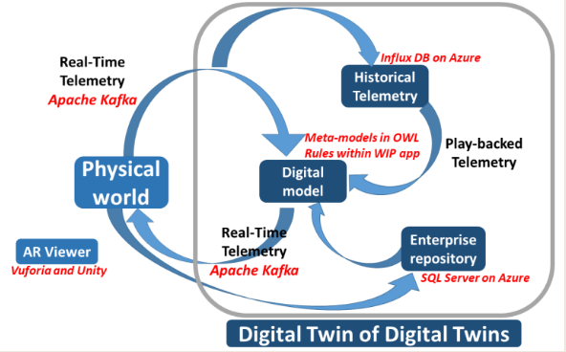 |  | 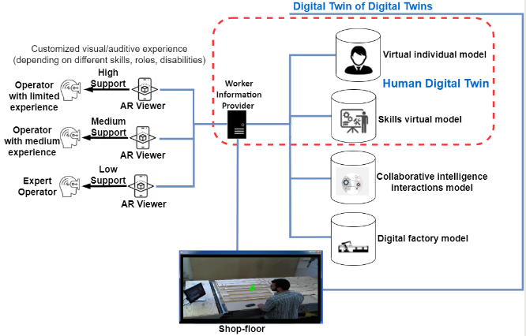 x
 | J | Feb-23 | JOURNAL OF MANUFACTURING SYSTEMS | A safety management approach for Industry 5.0?s human-centered manufacturing based on digital twin | Human-robot collaboration | Smart manufacturing | Digital twin; Human -centered manufacturing; Industry 5; 0; Semantic reasoning; Virtual dataset; Safety management | L2:Manufacturing stage |  | Virtual workshop simulation | L0 Digital Model |  | Offline simulation, generating data to the dataset. | unidirectional |  |  |  | 10.1016/j.jmsy.2022.11.013
 | J | Apr-25 | MACHINES | Leveraging Digital Twin Technology with a Human-Centered Approach to Automate a Workstation in the Logistics Sector of Made in Italy: CHIMAR Use Case | Human-robot collaboration | Smart manufacturing | digital human simulations; human factors engineering; ergonomics; motion capture systems; human digital twins | L2:Manufacturing stage | A motion capture system and digital human simulation software | Operator DT; Cobot DT; Workstation DT | L0 Digital Model | Operator wearing 17 Xsens sensors. | Offline virtual simulation to assign tasks between robots and operators. | unidirectional |  |  |  | 10.3390/machines13040303
 | J | Sep-24 | IEEE INTERNET OF THINGS JOURNAL | Energy- and Cost-Aware Offloading of Dependent Tasks With Edge-Cloud Collaboration for Human Digital Twin | Human emotion recognition | Communication | Task analysis; Costs; Collaboration; Energy consumption; Servers; Feature extraction; Digital twins; CPU frequency scaling; dependent task offloading; edge-cloud collaboration; human digital twin (HDT) | L3: Use/maintenance stage |  | Human DT | L2 Digital Twin |  | It doesn't mention the evolution ability of the proposed framewor, because it focuses on the computation resources. | bidirectional |  |  |  | 10.1109/JIOT.2024.3406591
 | J | Oct-22 | Journal of Manufacturing Systems | Human knowledge centered maintenance decision support in digital twin environment | Maintenance | Smart manufacturing | Digital Twin service system; Human-centered decision support; Maintenance Work Orders; Natural Language Processing; Prognostics and Health Management; Technical Language Processing | L3:Maintenance (Use) stage | * NLP, BERT (transformer-based model) * MWOs (Maintenance Work Orders) * Transformer-based Sequential Denoising Auto-Encoder (TSDAE) as an unsupervised fine-tuning technique | Product DT | ~ |  | Human knowledge centered maintenance decision support not human-centric approach. | ~ | * Cloud stores data from various sensors, past MWOs, and historical faults, which will be processed for NLP to find similarity cases * open-source datasets of MWOs, including 5485 records from maintenance operations on minining excavators collected over ten years (starting 2002) |  | x | 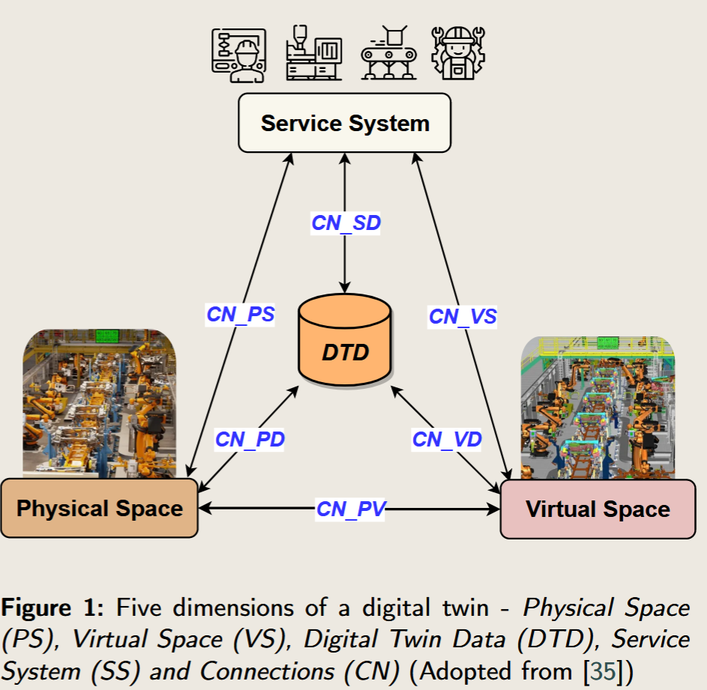 | https://doi.org/10.1016/j.jmsy.2022.10.003
 | J | Oct-22 | Journal of Manufacturing Systems | Human-centric collaborative assembly system for large-scale space deployable mechanism driven by Digital Twins and wearable AR devices | Human-robot collaboration | Smart manufacturing | Human-centricity; Collaborative assembly; Digital Twin; Augmented Reality; Large-scale space deployable mechanism | L2:Manufacturing stage | * wearable AR devices/sensors | assembly process DT, assembly operator DT, assembly quality DT | L4 Human-centric DT |  | Adaptive tasks assignment with operator-centric is realized. | bidirectional |  |  | x | 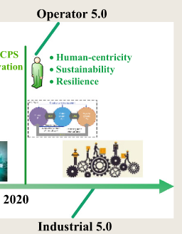 | 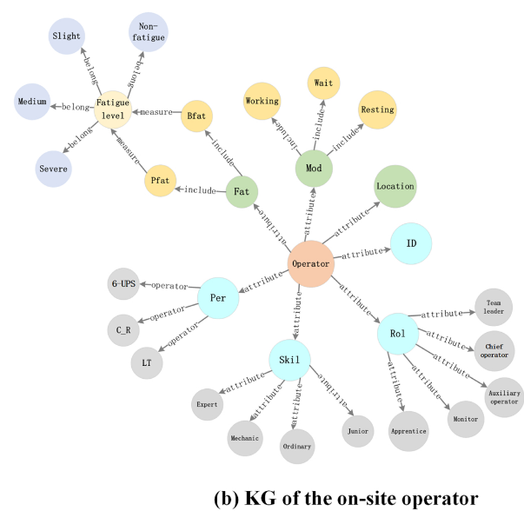 | https://doi.org/10.1016/j.jmsy.2022.11.007 | KG: Knowledge Graph
 | J | Apr-23 | IEEE TRANSACTIONS ON VEHICULAR TECHNOLOGY | Resource Allocation for Integrated Sensing and Communication in Digital Twin Enabled Internet of Vehicles | Network management | Communication | Virtualization; Resource management; Task analysis; Computational modeling; Sensors; Network slicing; Computer architecture; Digital twin; Internet of Vehicles; integrated sensing and communication; network slicing; resource allocation | L3: Use/maintenance stage |  | Vehicle DT | L2 Digital Twin |  | It doesn't mention the evolution ability of the proposed framewor, because it focuses on the computation resources. | bidirectional |  |  |  | 10.1109/TVT.2022.3228583
 | J | Jan-25 | ENGINEERING APPLICATIONS OF ARTIFICIAL INTELLIGENCE | Cognitive Digital Twins of the natural environment: Framework and application |  | Natural environment | Cognitive digital twin; Natural environment; Framework; Knowledge graph; Ontology | L3:Maintenance (Use) stage | Knowledge graph technoloy to involve human knowledge | Nature DT | L3 Cognitive DT |  |  | bidirectional |  |  |  | 10.1016/j.engappai.2024.109587
 | J | Feb-23 | ENGINEERING APPLICATIONS OF ARTIFICIAL INTELLIGENCE | Digital twin of an industrial workstation: A novel method of an auto-labeled data generator using virtual reality for human action recognition in the context of human-robot collaboration | Human-robot collaboration | Smart manufacturing | Digital Twins (DTs); Industry 4; 0; Auto-labeled data generation; Virtual Reality (VR); Human Action Recognition (HAR); Human-Robot Collaboration (HRC) | L2:Manufacturing stage | Spatial–Temporal Graph Convolutional Neural Network | Human & cobot DT | L4 HCDT |  | It probides an automated labeled data for human action recognition in HRC. | bidirectional |  |  |  | 10.1016/j.engappai.2022.105655
 | J | Apr-24 | CHINESE JOURNAL OF MECHANICAL ENGINEERING | Digital Twin Technology of Human-Machine Integration in Cross-Belt Sorting System | Human-robot collaboration | Smart manufacturing | Industry 5.0; Cross-belt sorting system; Human-machine integrated; Digital twin; Online optimization | L2:Manufacturing stage |  | Human DT; Production Line DT | L4 HCDT |  | Human-robot integration for operator health monitoring and system fault monitoring | bidirectional |  |  |  | 10.1186/s10033-024-01012-w
 | J | Apr-25 | ADVANCED ROBOTICS | IFDRDTS: intelligent food delivery robot and its digital twin system for dining assistance tasks | eldercare | Healthcare | Large language models; digital twin system; food delivery strategies; human-robot interaction; adaptive planning | L3: Use/maintenance stage | LLMs | Human DT; Feeding DT; | L4 HCDT |  | The digital twin system can provide real-time feedback on the elderly's dining information, handling task conflicts caused by changes in dining intentions and unintentional movements. | bidirectional |  |  |  | 10.1080/01691864.2025.2490601
 | J | Apr-23 | ROBOTICS AND COMPUTER-INTEGRATED MANUFACTURING | An AR-assisted Deep Reinforcement Learning-based approach towards mutual-cognitive safe human-robot interaction | Human-robot collaboration | Smart manufacturing | Smart manufacturing; Human robot interaction; Augmented reality; Deep reinforcement learning; Manufacturing safety | L2:Manufacturing stage | Deep Reinforcement Learning for motion planning | Human & cobot DT | L4 HCDT |  | Motion planning to avoid collaboration risks | bidirectional |  |  |  | 10.1016/j.rcim.2022.102471
 | J | Nov-24 | INTERNATIONAL JOURNAL OF COMPUTER INTEGRATED MANUFACTURING | Extending factory digital Twins through human characterisation in Asset Administration Shell | Human-robot collaboration | Smart manufacturing | Human digital models; AAS; industry 5.0; Asset Administration Shell | L2:Manufacturing stage |  | Human & cobot DT | L4 HCDT |  | Fatigue estimation; Task assignment | bidirectional |  |  |  | 10.1080/0951192X.2023.2278108
 | J | Feb-25 | ENERGY AND BUILDINGS | Enhancing building sustainability: A Digital Twin approach to energy efficiency and occupancy monitoring | Smart home | Smart city | Digital Twins; Internet of things; Recommender system; Occupancy detection; Energy efficiency; Home-assistant | L3:Maintenance (Use) stage | Machine Learning (ML) algorithms to intelligently determine room occupancy, allowing for precise energy management based on real-time usage patterns. | Home DT | L4 HCDT |  | a sophisticated system for providing real-time energy consumption data, personalized energy- saving recommendations, and a data-driven occupancy detection mechanism | bidirectional |  |  |  | 10.1016/j.enbuild.2024.115151
 | J | Dec-23 | INTERNATIONAL JOURNAL OF COMPUTER INTEGRATED MANUFACTURING | Explainable human activity recognition based on probabilistic spatial partitions for symbiotic workplaces | Human-robot collaboration | Smart manufacturing | Human activity recognition; continuous probabilistic model; workplace layout; human motion capture; human-robot collaboration | L2:Manufacturing stage |  | Human & cobot DT | L4 HCDT |  | Explainable human activity recognition | bidirectional |  |  |  | 10.1080/0951192X.2023.2177742
 | J | Feb-24 | SYSTEMS | AI Lifecycle Zero-Touch Orchestration within the Edge-to-Cloud Continuum for Industry 5.0 | human-centered artificial intelligence | Smart manufacturing | Industry 4.0; human-centered AI; manufacturing; model orchestration; digital twin | L1,L2: |  | Human knowledge DT | L4 HCDT |  | It relies on containerized AI model training and execution, supported by a robust data pipeline and rounded off with human feedback and evaluation interfaces | bidirectional |  |  |  | 10.3390/systems12020048
 | J | Jan-24 | COMPUTERS & INDUSTRIAL ENGINEERING | Improving safety management in railway stations through a simulation-based digital twin approach | mobility/ pedestrian safety | Smart city | Simulation; Digital twin; Crowd management; Pedestrian safety; Decision support | L3: Use/maintenance stage |  | railway station DT | L0 Digital Model |  | a simulation-based DT that empowers station managers with capabilities such as pedestrian flow prediction, early congestion warnings, evacuation response planning, layout optimization, and intelligent gate management. | unidirectional |  | offline, unidirection data flow, simulation model |  | 10.1016/j.cie.2023.109839
 | J | Jan-20 | COMPUTERS & INDUSTRIAL ENGINEERING | Exploring the potential of Operator 4.0 interface and monitoring | Human-robot collaboration | Smart manufacturing | Human factors; Operator 4.0; Digitization; Industry 4.0; Mixed reality | L2:Manufacturing stage | eye tracking; wearable biosensor; | Factory DT | L4 HCDT |  | Operator 4.0 | bidirectional |  |  |  | 10.1016/j.cie.2018.12.047
 | J | 2023/ | IEEE JOURNAL OF TRANSLATIONAL ENGINEERING IN HEALTH AND MEDICINE | Healthy Aging: A Deep Meta-Class Sequence Model to Integrate Intelligence in Digital Twin | eldercare | Healthcare | Digital transformation; human behavior; embedded sensors; healthcare services | L3:Maintenance (Use) stage | LSTM; | Human behavior DT | L4 HCDT |  | Our findings demonstrate a robust framework to digitally monitor the elderly behavior, which is beneficial for healthcare practitioners to understand the level of support the elderly needed to perform the daily tasks or potential risk of an emergency in their own homes. | bidirectional |  |  |  | 10.1109/JTEHM.2023.3274357
 | J | Dec-23 | SCIENTIFIC REPORTS | Elderly and visually impaired indoor activity monitoring based on Wi-Fi and Deep Hybrid convolutional neural network | eldercare | Healthcare |  | L3:Use stage | Deep hybrid CNN | Human behavior DT | L1 Digital Shadow |  | The model framework is a unidirectional data collection and analysis process. It doesn't design the further use cases for this framewor. | unidirectional |  |  |  | 10.1038/s41598-023-48860-5
 | J | Jan-24 | BUILDING AND ENVIRONMENT | Integration of computer-simulated persons with multi-node thermoregulation model that considers the effect of clothing for skin surface temperature distribution analysis | Indoor thermal comfort | Smart city | Computer simulated person (CSP); Clothing model; Computational fluid dynamics (CFD); Indoor thermal comfort; Thermoregulation model | L1 Design & L3 maintenance |  | Human DT | L0 Digital Model |  | Offline simulation, generating data to the dataset. | unidirectional |  |  |  | 10.1016/j.buildenv.2023.111105
Elicit=4 | J | Oct-20 | Frontiers in Computer Science | Digital Twins and the Emerging Science of Self: Implications for Digital Health Experience Design and “Small” Data | personalised treatment | Healthcare | Digital health; Digital phenotype; Digital Twin; mHealth; N-of-1; Self-scientist; Small data | L3:Use stage | N-of-1 research focuses on the feedback from individual patient, i.e. "small data" | Human/Health DT | L4 HCDT |  |  | bidirectional |  | "Small Data" or "Small Quanteria" is good for indivisualization or focus on a specific group, which fits human-centered requirements. | x | 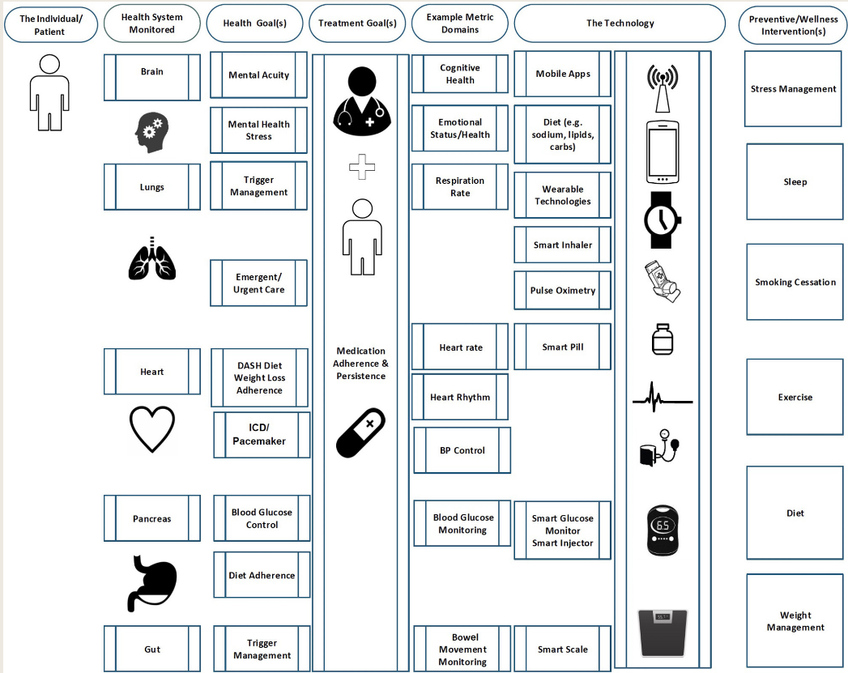 | https://doi.org/10.3389/fcomp.2020.00031
 | J | Aug-23 | IEEE Journal on Selected Areas in Communications | Differentially Private Federated Multi-Task Learning Framework for Enhancing Human-to-Virtual Connectivity in Human Digital Twin | Privacy framework | Human DT | Blockchain; Digital Twin; Federated multi-Task learning; Privacy; Virtual twin | L3:Use stage | Differential privacy, federated multi-task learning and blockchain | Human DT | L4 Human-centric DT |  | The framework is designed for human DT, but it doesn't mention human-centric feedbacks or experiences. | bidirectional | \ | It proposes a differentially private federated multi-task learning framework for enhancing human-to-virtual connectivity, to improve the security, privacy and accuracy by avoiding sharing the individual origital training data. | x | 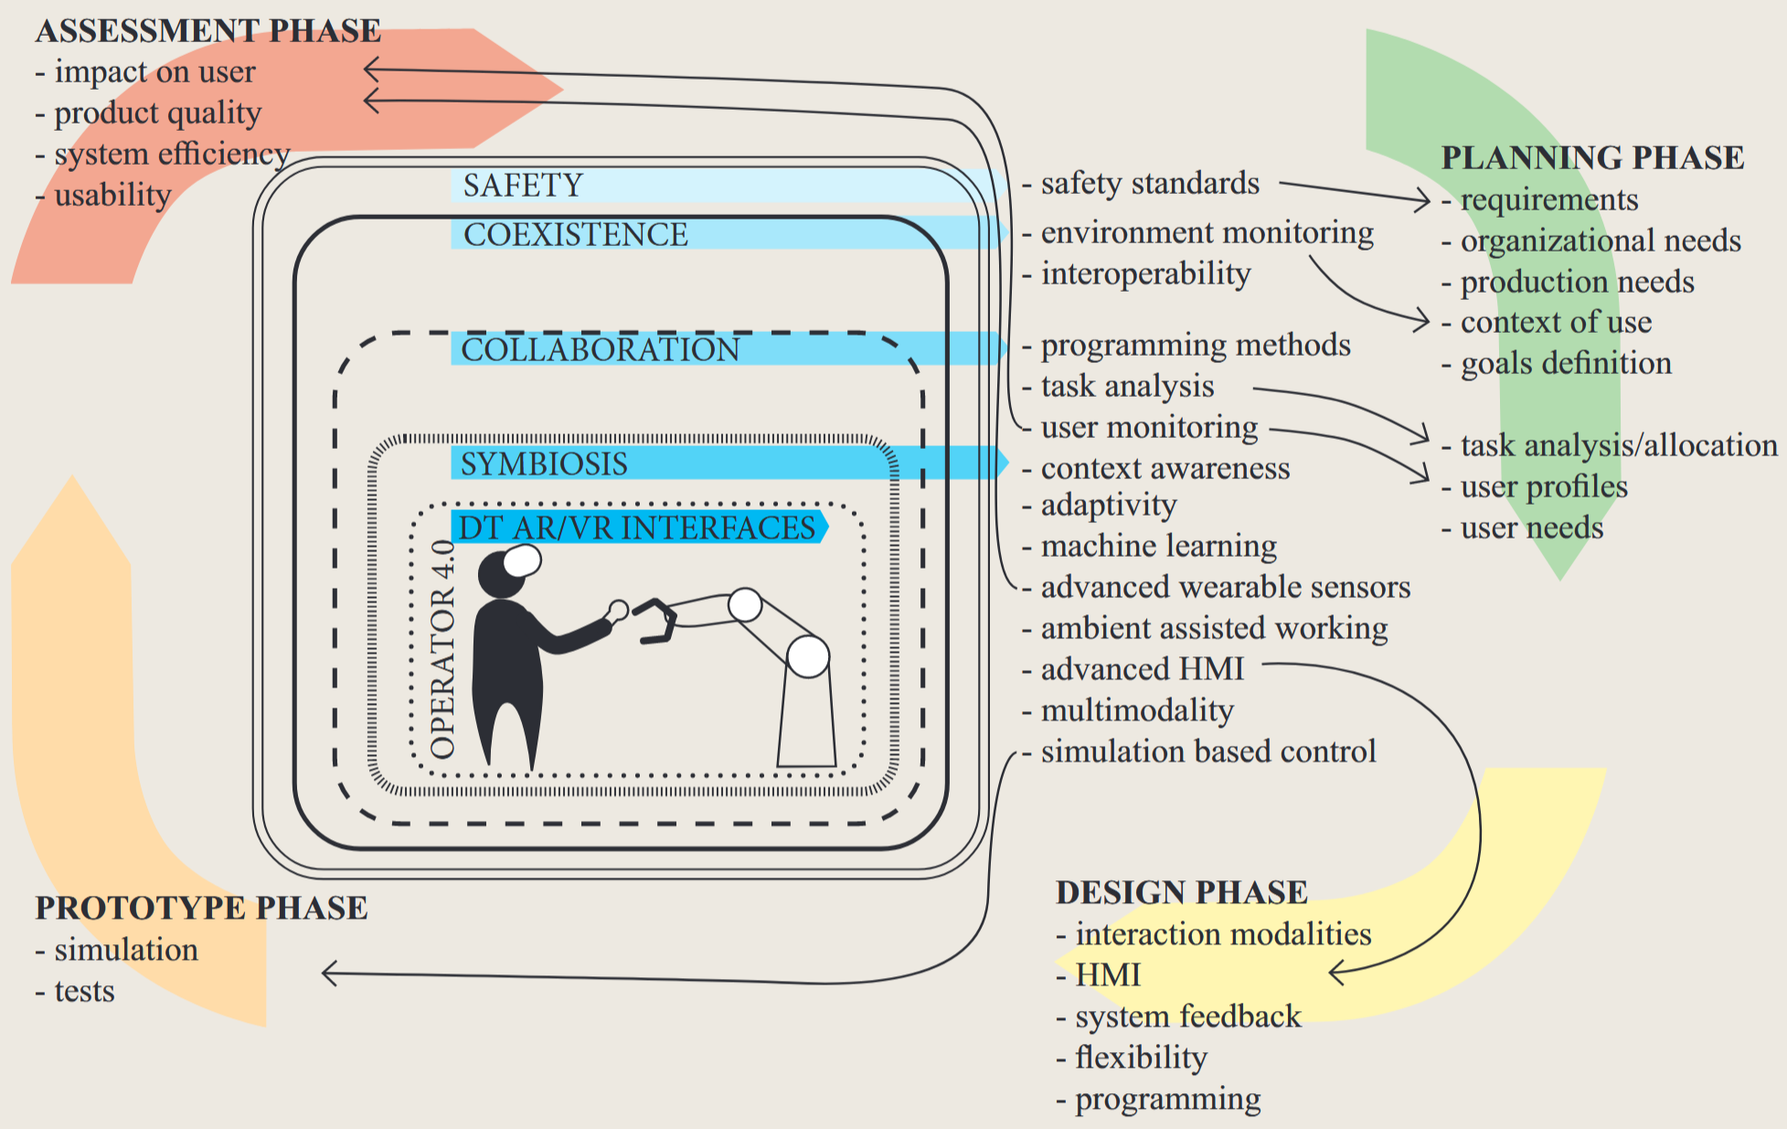 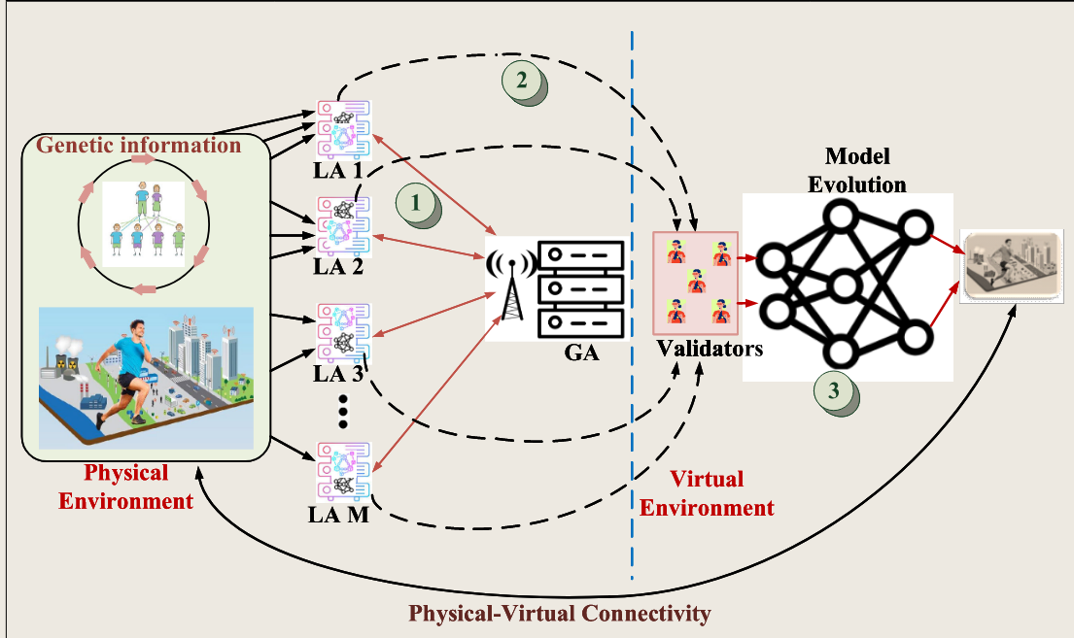
 | J | Mar-22 | IEEE Internet Computing | Empowering Citizens With Digital Twins: A Blueprint | citizen/human DT | Smart city | Citizen Digital Twin; Digital Twin; Information management; MyData; People-centric; Service development; Service ecosystem; Transparency; Well-being | L3:Use stage | ~ | Citizen/Human DT | L4 Human-centric DT | ~ | Citizen can use their own personal data controlled by themselves to create human-centric solutions (services) | bidirectional | The MyData initiative aims for a transformation where a person has the right and opportunity to explore information about themselves. In essence, the individual can combine data originating from different registers and databases instead of municipalities and other data owners controlling the data. | The basic idea behind the CDT is to help people to form a big picture of their own lives. The CDT will not only be limited to government data, but data resources in other sectors can also be utilized. | x | The core principles of MyData — human-centricity, trust, and transparency (https://mydata.org/) | CDT principles: 1. Be Humane 2. Be Reflectable 3. Be Inclusive 4. Be Customizable 5. Be Empowering 6. Be Transparent | 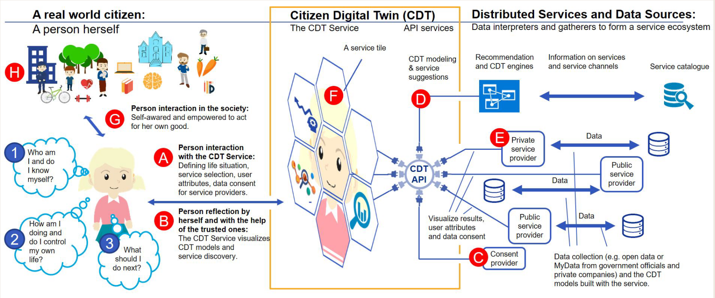 |  |  |  | 10.1109/MIC.2022.3159683
 | J | Feb-24 | Frontiers in Built Environment | Showcasing a digital twin for higher educational buildings: developing the concept toward human centricity | Building | Smart city | Building occupants; Building operators; Digital Twin; Higher educational buildings; Human-centric; Sustainable buildings | L3:Use stage | * 3D scanning | Building DT | L4 Human-centric DT |  | It is a two-fold human-centric digital twin to support both building occupants and building operators. | bidirectional | 3D model origin *Laser scanning *LiDAR technology and photogrammetry *3D BIM model *Autodesk Revit ® Physical properties: Occupancy, temperature, CO2, and people counter | It proposes three definitions for DT for buildings, human-centric DT for buildings, and occupancy-centric building design. | x | digital twin for buildings: “A digital model of a real system that coexists1 and exchanges operational data and other useful information on a near realtime scale so that the operation of the real system can be influenced.” | IEA EBC Annex 79, the term occupant-centric is defined as: an occupant-centric building design means to keep the occupant’s needs (comfort and health) as a priority and to use explicit occupant modeling to design for and recognize the bidirectional interaction between occupants and buildings | A human-centric digital twin also incorporates compliant building occupant data, along with real-time building data visualized in a user-friendly interface for both building occupants and building management.” | https://doi.org/10.3389/fbuil.2024.1347451
SCISPACE=3 | J | Jun-25 | IEEE Wireless Communications | User-centric Immersive Communications in 6G: A Data-oriented Approach via Digital Twin | Resource management | Wireless communication | 6G; Immersive communications; User-centric service provision; Digital Twin | L3:Use stage | *6G *Immersive communicatios | User (device) DT | L4 Human-centric DT | * extended reality (XR) * holographic communication * haptic communication | A DT for each user to customize the data attributes associated with the corresponding user device, to update the network models to meet unique user demands. | bidirectional |  | Immersive communications (IC), envisioned to seamlessly bridge the physical and virtual worlds, have been recognized as a key use case of sixth-generation (6G) communication networks by IMT-2030 due to their vast potentials | x | IC requirements: * Multi-sensory * Multi-module * Human-in-the-loop * AI-native | 10.1109/MWC.001.2400408
 | J | Jul-24 | Preprint arxiv | Digital Twin-based Driver Risk-Aware Intelligent Mobility Analytics for Urban Transportation Management | Mobility | Smart city | Digital Twin; Traffic management and monitoring; Real-time traffic simulation; Online learning control; Spatial-temporal forecasting | L3:Use stage | * Spatial-temporal traffic estimation (STTE) * Mesoscopic Traffic Safety Simulation (MTSS) * Risk-constrained Correlated Online Learning (RiCCOL) * for S-T prediction, the attention mechanism of the encoder-decoder structured transformer is used. *SUMO for MTSS | Traffic DT | L4 Human-centric DT | * pan-tilt-cameras(PTCs) | It predicts network-wide mobility and safety risks in real time, the DT can evolve considering the driver's risks. | bidirectional |  | Driver-informed predictive service to control PTCs for monitoring. | x | 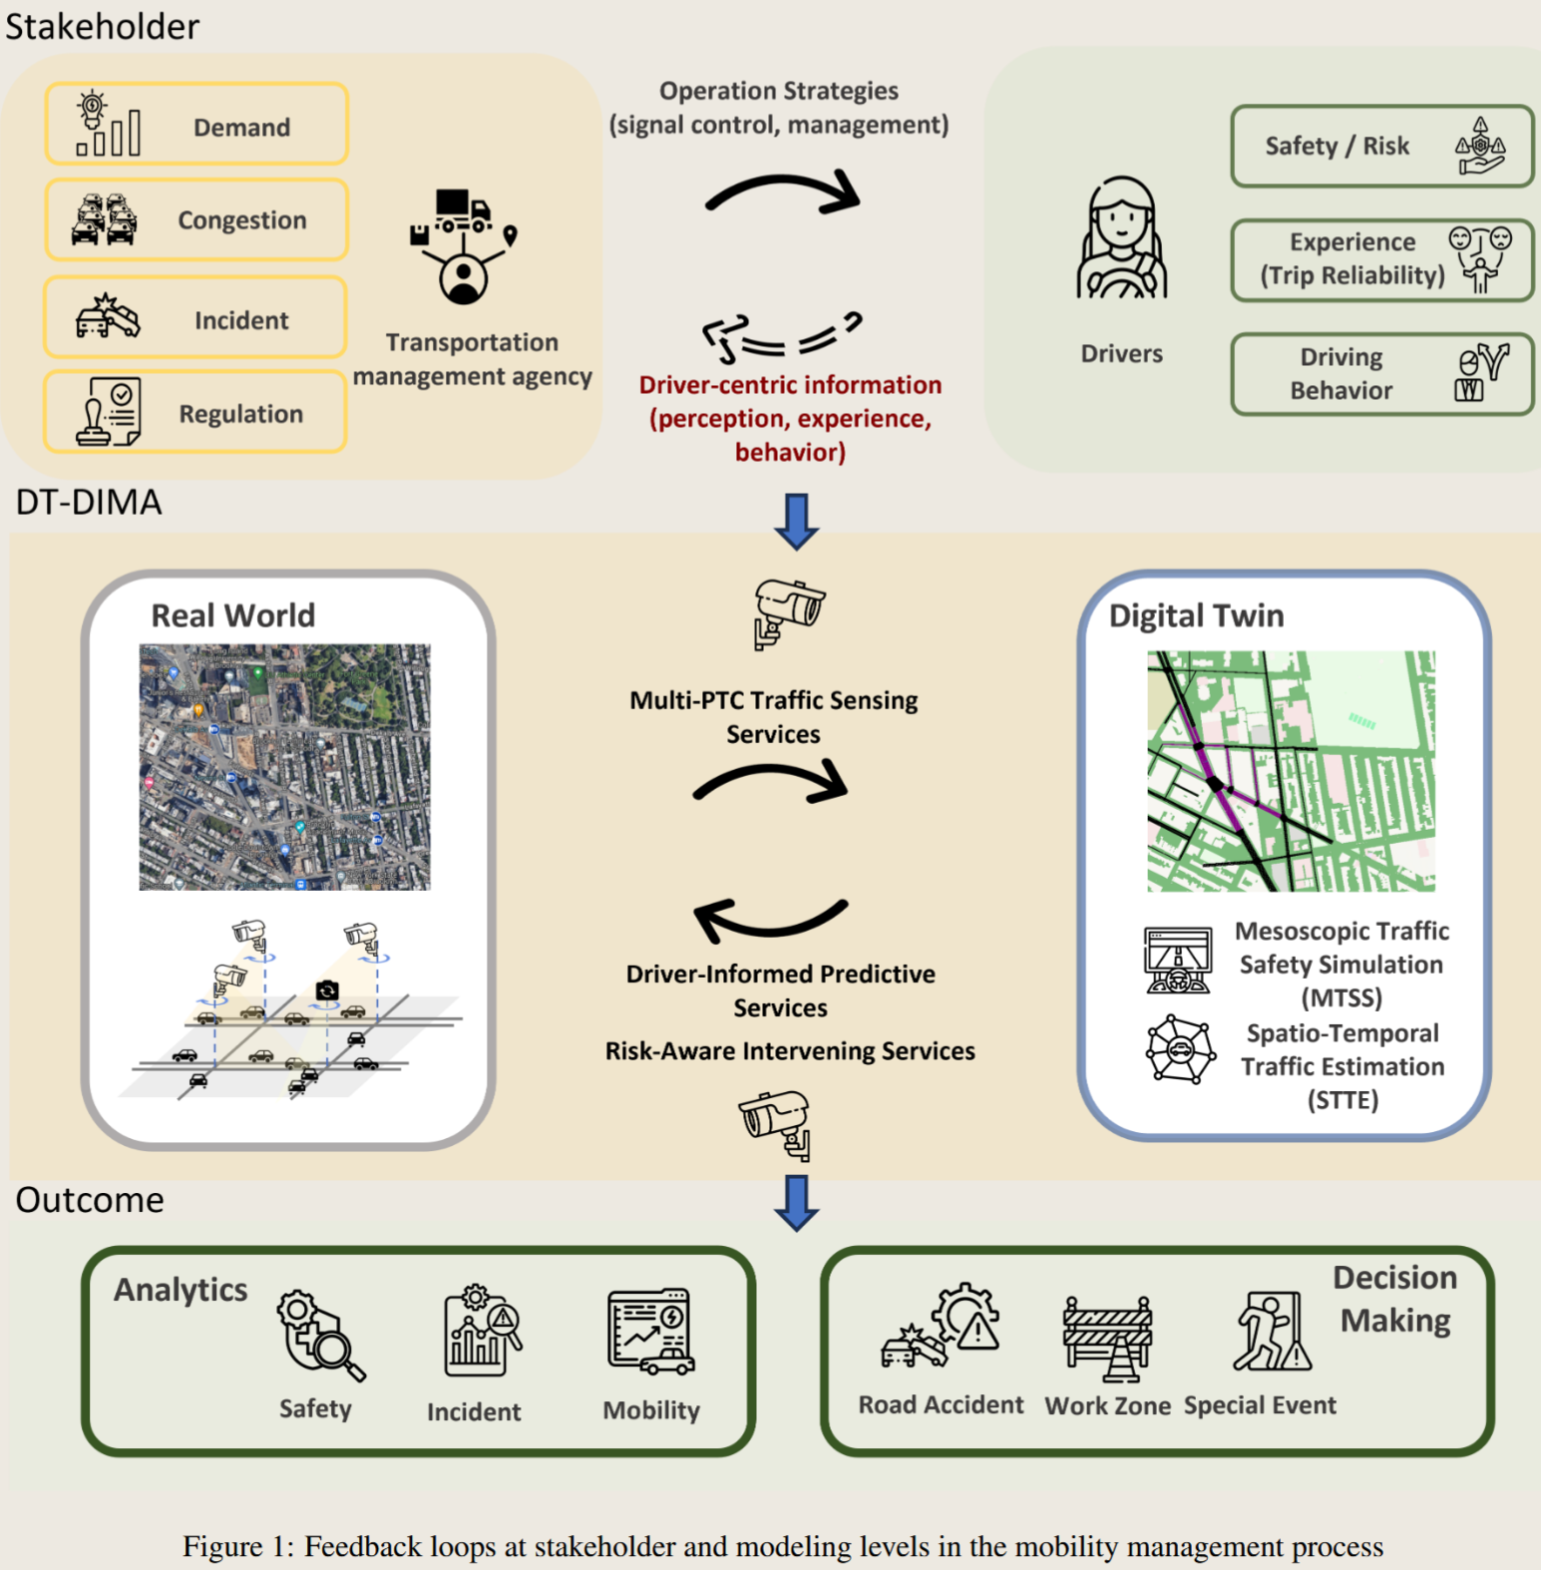 | 10.48550/arXiv.2407.15025 | 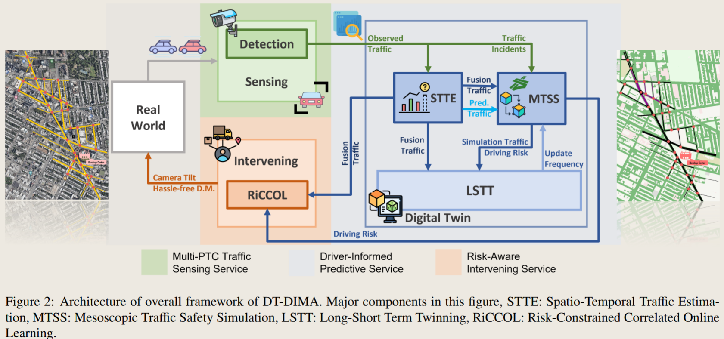
 | C | Dec-20 | 2020 X Brazilian Symposium on Computing Systems Engineering (SBESC) | A digitalization concept for the interaction between users and car-as-a-service | Mobility | Smart city | Autonomous vehicles; Car as a service; Digital Twin; Smart city | L3:Use stage | * Car-as-a-Service (CaaS) * Drive Monitoring Assistance Systems (DMAS) * AutomationML model | User & Device DT | L4 Human-centric DT | * autonomous driving simulator (Carla) | It builds DT for users and device monitoring, to provide customized experiences regarding their preferences, characteristics, or even the emotional state. | bidirectional | * JSON on cloud service, using MongoDB as a non-relational database |  | x | 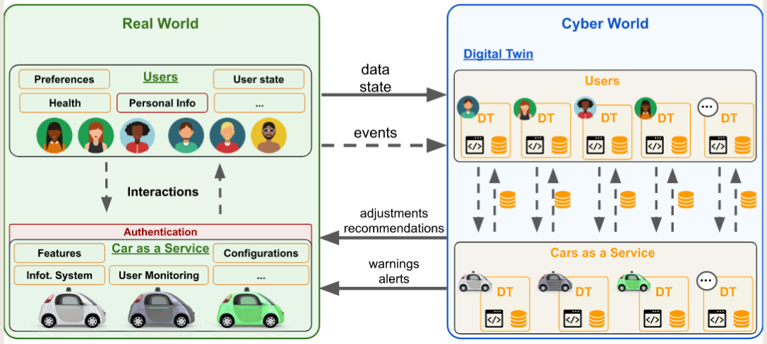 |  | 10.1109/SBESC51047.2020.9277869
ScienceOS=3 | C | Aug-24 | IEEE International Conference on Communications | Digital Twin-Based User-Centric Edge Continual Learning in Integrated Sensing and Communication | Edge intelligence | Wireless communication | Digital Twin; Edge intelligence; Integrated sensing and communication (ISAC) | L3:Use stage | * Edge intelligence * deep neural network (DNN) * integrated sensing and communication (ISAC) system | User device DT | L4 Human-centric DT |  | A device DT is built to capture the corresponding user’s unique time-varying communication demands and their impact on the gain of edge continual learning. | bidirectional |  |  | x
 | C | Mar-25 | 2025 Cybernetics & Informatics (K&I) | The Synergy of Man and Machine: the New Human-Centric Dimension of Digital Twin | Human-robot collaboration | Smart manufacturing | Industry 4.0; Industry 5.0; HCDT; Digital Twin; Human-centric; Augmented Reality | L2:Manufacturing stage | * AR/VR viewer * computer-aided design (CAD) | Human & device DT | L4 Human-centric DT | * Unity Engine * Game4Automation * Siemens PLC * OPC UA | It proposes a HCDT scheme, including human DT and device DT. | bidirectional | OPC UA for communication between physical entity and PLC and DTs. | the New Human-Centric Dimension of Digital Twin | 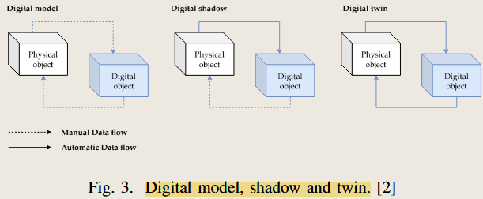 x |  |  |  | 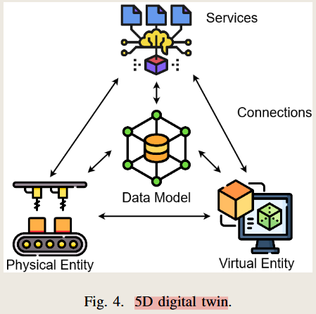 |  | 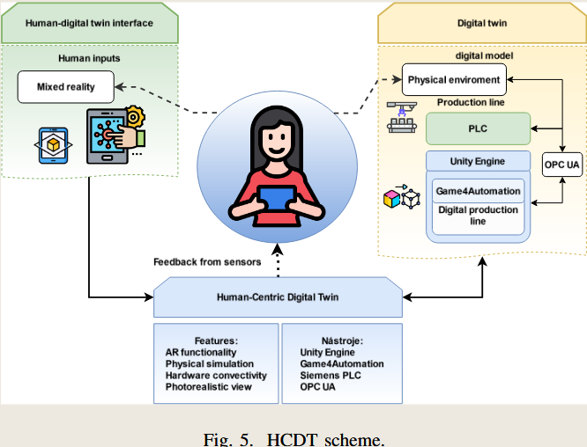
 | J | Jun-24 | IEEE Transactions on Automation Science and Engineering | A Digital Twin Driven Human-Centric Ecosystem for Industry 5.0 | Human-robot collaboration | Smart manufacturing | Automation; Production; Ecosystems; Digital Twin; Fifth industrial revolution; Biometrics (access control); Production facilities | L2:Manufacturing stage |  | Operator & Machine DT | L4 Human-centric DT | * wearables: ECG, EDA, EEG to assess operator's stress | Operator DT and Machine DT are built to assign tasks, assess machine and operator's state… | bidirectional |  | (建议放入论文,参考原文) attributes of the ODT’s state are: * Profile * Task * Biometrical * Behavioral * Situational * Environment * Time & Location | x |  | 10.1109/TASE.2024.3410703 | 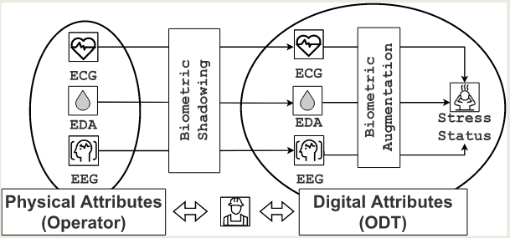
Google Scholar=23 | J | Dec-24 | Journal of Manufacturing Systems | A vision-enabled fatigue-sensitive human digital twin towards human-centric human-robot collaboration | Human-robot collaboration | Smart manufacturing | Human-centric manufacturing; Human-robot collaboration; Vision-based operation segmentation; Fatigue assessment;Ergonomics; Human digital twin | L1: Design Stage L2:Manufacturing stage | * Live assembly video * | Operator DT | L4 Human-centric DT | * Fitbit Sense 2 of smart watch * Azure Kinect camera for motion tracking * boundary-aware dual-stream MS-TCN combined with an LSTM | A Human Digital Twin framework modeling physical and cognitive fatigue in a Human-Centric Human-Robot Collaboration system. | bidirectional | / | The HCDT can monitor the physical and cognitive fatigue, then adjust the task dynamically. |  | https://doi.org/10.1016/j.jmsy.2024.10.002
 | J | Apr-25 | Structure and Infrastructure Engineering | Towards Industry 5.0: a stakeholder analysis to understand the human role in the adoption of a heritage bridge human-centric digital twin framework | Construction | Smart city | Bridges; built cultural heritage environment; conservation; digital twins; human-centrism; Industry 5.0; resilience; sustainability | L3:Maintenance (Use) stage | * stakeholder analysis to make a human-centric decision | Bridge DT | L4 HCDT |  | * stakeholder centric DT | bidirectional |  |  |  | https://doi.org/10.1080/15732479.2025.2490126
 | J | Dec-24 | International Journal of Production Research | Cognitive digital twin in manufacturing process: integrating the knowledge graph for enhanced human-centric Industry 5.0 | Human-robot collaboration | Smart manufacturing | Cognitive digital twin; knowledge graph; intelligent manufacturing; Industry 5.0; human-machine collaboration; decision support | L2:Manufacturing stage | * Knowledge graph * NLP | Cognitive DT | L4 HCDT |  | advancing personalised human-machine interaction in manufacturing, truly embodying the value of a human-centric approach and paving the way for future developments in the field. | bidirectional
 | J | Jan-24 | IEEE Network | Self-Maintained Network Digital Twin for Human-Centric Wireless Metaverse | Metaverse | Wireless communication |  | L3: Use/maintenance stage | * Edge device (VR) * AI service layer to infer user intent | Network Twin | L4 HCDT |  | Then, the AI service layer provides intelligent models to forecast the users’ intents in advance, aiming to improve both the quality of experience and service. | bidirectional |  | the proposed framework can reduce the average latency compared to other schemes, which are very important to user experience of wireless metaverse |  | 10.1109/MNET.2023.3337644
 | C | May-23 | 2023 Portland International Conference on Management of Engineering and Technology | Human-Centric Digital Twin Focused on “Gen-Ba” Knowledge: Conceptual Model and Examples by Smart Voice Messaging System |  | Healthcare; agriculture; manufacturing; |  | L2 & L3 | * smart voice system to capture Gen-ba knowledge from humans | Knowledge DT | L2 Digital Twin |  | No evolution, no personalized service | bidirectional |  |  |  | 10.23919/PICMET59654.2023.10216875
 | J | Jan-22 | CIRP Annals | Digital twin-enabled advance execution for human-robot collaborative assembly | Human-robot collaboration | Smart manufacturing | Robot; Assembly; Digital twin | L2:Manufacturing stage | * Hololens AR | Human & cobot DT | L4 HCDT |  | DT can assist the execution of assembly | bidirectional | A Wise-SF based DT architecture serves as a communication pipeline between the physical HRC cell and its digital replica, and provides sensor-driven web-based applications. |  |  | https://doi.org/10.1016/j.cirp.2022.03.024
 | J | Oct-23 | Machines | Towards DevOps for Cyber-Physical Systems (CPSs): Resilient Self-Adaptive Software for Sustainable Human-Centric Smart CPS Facilitated by Digital Twins | CPS software | Smart manufacturing | Digital Twin; self-adaptive systems; CPS; DevOps; embedded systems; distributed control system; IIoT; industrial product service system; industry 4.0; industry 5.0 | L2:Manufacturing stage |  | Software for DT | L4 HCDT |  | Human needs drive the evolution of CPS | bidirectional |  |  |  | https://doi.org/10.3390/machines11100973
 | J | Feb-22 | Robotics and Computer-Integrated Manufacturing | An integrated mixed reality system for safety-aware human-robot collaboration using deep learning and digital twin generation | Human-robot collaboration | Smart manufacturing | Human-robot collaboration; Mixed reality; Deep learning; Safety distance calculation; Digital twin; Cyber-physical system | L1 design & L2 development | * Mask-RCNN for image segmentation | Human & cobot DT | L4 HCDT |  | Deep learning calculates safety distance in real-time, present a MR human-centric view to assist the Human-Robot collaboration. | bidirectional |  |  |  | https://doi.org/10.1016/j.rcim.2021.102258
 | J | Apr-22 | Building Simulation | Digital ID framework for human-centric monitoring and control of smart buildings | Smart building | Smart city |  | L3:Maintenance (Use) stage |  | Human preference DT; Building DT | L4 HCDT |  | Using Digital ID, this paper proposes a framework to predict and track the real-time states of each individual and assist with decision-making (e.g., room assignment and indoor environment control) | bidirectional |  |  |  | https://doi.org/10.1007/s12273-022-0902-3
 | C | Jun-24 | PETRA '24: Proceedings of the 17th International Conference on PErvasive Technologies Related to Assistive Environments | Enhancing Human-Machine Interactions: A Novel Framework for AR-Based Digital Twin Systems in Industrial Environments | Human-robot collaboration | Smart manufacturing | Human-Computer Interaction, Digital Twin, Extended Reality, Man-ufacturing, Pervasive Devices, Robotics | L1, L2, L3 | * AR glass: Quest 3 * Cobot: UR10e | Robot DT | L4 HCDT |  | human-centeredtests and detailed assessments including behavioral and psychologi-cal aspects of the workers using such technology can better informlevels of User eXperience (UX), perceptions, psychologically andcognitive dynamics. | bidirectional | Communication protocols: * RTDE (ETHERNET) * TCP/IP & WIFI 6E |  |  | https://doi.org/10.1145/3652037.3663946
 | J | Jan-24 | Sensors | Human Digital Twin in Industry 5.0: A Holistic Approach to Worker Safety and Well-Being through Advanced AI and Emotional Analytics | Human body and mental health | Smart manufacturing | Human Digital Twin; Industry 5.0; Internet of Things; artificial intelligence; health and safety environment; physiological health; mental health; emotional well-being | L2:Manufacturing stage |  | Human DT | L4 HCDT |  | This research effectively integrates different mechanisms to assess workers’ physical, mental, and emotional well-being. | bidirectional |  |  |  | https://doi.org/10.3390/s24020655
 | J | Aug-21 | IEEE Access | Human Centric Digital Transformation and Operator 4.0 for the Oil and Gas Industry | Operator 4.0 | Smart manufacturing |  | L2:Manufacturing stage | * Cloud, edge, fog computing * IoT * Mobile device and wearable technologies | Operator DT; Assets DT | L4 HCDT |  | This paper proposes a human-centric digital transformational framework for the oil and gas industry to deploy existing digital technologies to enhance their workers' health, safety, and working conditions. | bidirectional | Data Lake |  |  | doi: 10.1109/ACCESS.2021.3103680
 | C | Oct-20 | TESConf 2020 - 9th International Conference on Through-life Engineering Services | Towards a Digital Human Representation in an Industrial Digital Twin | Human body and mental health | Smart manufacturing | Digital Twin; Digital Human Representation; Electromyography; Machine Learning, Incremental Learning | L2:Manufacturing stage | Artificial Intelligence (AI) to interpret the human activity related data using wearable sensors, such as electromyography (EMG) | Operator DT; Industrial DT | L4 HCDT |  | DT enables decision-makers to allocate tasks on the shop floor taking into account the human physical and mental status. | bidirectional |  |  |  | http://dx.doi.org/10.2139/ssrn.3717733
 | C | Sep-22 | Advances in Production Management Systems. Smart Manufacturing and Logistics Systems: Turning Ideas into Action | Human Digital Twin System for Operator Safety and Work Management | Operator 4.0 | Smart manufacturing |  | L2:Manufacturing stage | * Localization analysis; * Posture analysis; * Fatigue analysis; * Motion-time analysis | Operator DT | L4 HCDT |  | The proposed system connects a physical human and a virtual digital human model; analyzes the location, posture, and motion-time of workers; and delivers information about safety and work management. | bidirectional |  |  |  | https://doi.org/10.1007/978-3-031-16411-8_61
 | J | Jan-25 | CIRP Annals | A large manufacturing decision model for human-centric decision-making | Human decision suppport | Smart manufacturing | Manufacturing systemGenerative artificial intelligenceDigital twin | L1, L2, L3 | * generative AI to supply plans for human decisions | Knowledge DT; Industrial DT | L4 HCDT |  | human-centricity by: (1) generating diverse and preference-aligned options for human selection; and (2) communicating with humans in a natural way through textual inquiries and explanations. The development of LMDM is broadly structured into three stages: (1) Data Cultivation, where decision samples are strategically accumulated within the digital twin; (2) Pre-Training, where LMDM develops manufacturing-specific knowledge from sampled decisions; and (3) Guided Decision-Making, where LMDM generates diverse decision options in response to internal or external disruptions, alongside human guidance and feedback. | bidirectional |  | This article introduces the Large Manufacturing Decision Model (LMDM), a novel AI framework that transforms manufacturing decision-making through human-centric automation. |  | https://doi.org/10.1016/j.cirp.2025.04.017
 | J | Nov-22 | International Journal of Production Research | Human-centric artificial intelligence architecture for industry 5.0 applications | Human-robot collaboration | Smart manufacturing | smart manufacturing; explainable AI; Active learning; demand forecasting; quality inspection | L2 & L3 | * explainable AI | Human & cobot DT | L4 HCDT |  | an architecture that integrates Artificial Intelligence (Active Learning, Forecasting, Explainable Artificial Intelligence), simulated reality, decision-making, and users' feedback, focussing on synergies between humans and machines. | bidirectional | * Knowledge graph * ERP/MES/DB | 1.Human intention recognition 2.Robot reconfiguration based on the dynamic layout 3.Dynamic path planning using both aforementioned use cases. |  | https://doi.org/10.1080/00207543.2022.2138611
 | J | Mar-24 | Journal of Engineering Design | Human-Robot handover task intention recognition framework by fusing human digital twin and deep domain adaptation | Human-robot collaboration | Smart manufacturing | human-robot collaboration; multi-modal feature extraction; intention recognition; human digital twin; domain adaptation | L2:Manufacturing stage | * (BiLSTM-ST-GCN) is devised to extract latent spatio-temporal features of HRHTs intentions | hierarchical human digital twin | L4 HCDT |  | HHDT model is built to digitise the human physical and physiological state and enhance the robot's perception of humans | bidirectional |  | the framework incorporates a deep domain adaptation layer (DDAL) that facilitates knowledge transfer of HRHTs intentions by accounting for the distribution differences between the source and target operator objects |  | https://doi.org/10.1080/09544828.2024.2326111
 | J | May-24 | Energy, Ecology and Environment | AR-enhanced digital twin for human–robot interaction in manufacturing systems | Human-robot collaboration | Smart manufacturing | Digital twin  Intuitive interface  Augmented reality  Human–robot interaction  Human-centricity | L2:Manufacturing stage | * AR glass: HoloLens | * Virtual Twin * Hybrid Twin * Cognitive Twin | ~L4 Human-centric DT |  | Feedback collection from users to improve the system (manual). | bidirectional |  | improving spatial awareness, task guidance, and decisionmaking processes |  | DOI:10.1007/s40974-024-00327-7
 | J | Oct-23 | Building and Environment | Towards democratization of digital twins: Design principles for transformation into a human-building interface | Smart building | Smart city | Digital twin; Building management system; Occupant-centric building; Human-building interface; Democratization; Personal comfort | L3: Use/maintenance stage | * Surveys * BIM | * Building DT | L4 HCDT |  | Occupants' needs for informed decision-making through digital twins are discovered. • Occupants are included as end users of digital twins for occupant-centric building. | bidirectional |  |  |  | https://doi.org/10.1016/j.buildenv.2023.110771
 | J | Jun-23 | Journal of Manufacturing Systems | A verification-oriented and part-focused assembly monitoring system based on multi-layered digital twin | Human-robot collaboration | Smart manufacturing | Digital twin; Monitoring system; Human-centric assembly; Point cloud matching | L2:Manufacturing stage | * two-direct point cloud matching algorithm | * Part DT | L2 Digital Twin |  | Not human-centric, because the monitoring system focues on the parts in the assembly line, while it doesn't provide a human-centric evolution direction. No evolution ability. | bidirectional |  |  |  | https://doi.org/10.1016/j.jmsy.2023.05.008
 | J | Dec-24 | Journal of Building Engineering | The digital twin framework: A roadmap to the development of user- centred digital twin in the built environment | Smart building | Smart city | User-centred digital twin; Digital twin framework; Human-centric applications; Digital infrastructure; Architecture and urbanism; Built environment | L1 Design & L3 maintenance | * Phptpgrammetry * Laser scanning * BIM, CIM model | * Urban DT | L4 HCDT |  | Users can use mobile devices to interact with the DT, the DT can understand user patterns, contextual conditions, Learn, adapt or adjust with informed actions | bidirectional |  | This research proposes five levels of DT in the building environment, and designs a Human-centric DT in city-scale. this research paves the way to a spectrum of cognitive practices in the built environment related to spatial planning, architecture and urban design, building operation practices and facility management. |  | https://doi.org/10.1016/j.jobe.2024.111081
 | J | Apr-25 | Journal of Building Engineering | A user-centric temperature sensor deployment method under digital twin leveraging occupancy information | Smart building | Smart city | Temperature sensor deployment; User-centric; Coverage model based on WiFi connection data; Satisfaction; Improved MOPSO | L3:Maintenance (Use) stage | * WiFi * user satisfaction metrics * IMOPSO - Improved multi-objective particle swarm optimization | * DT of building energy system | L4 HCDT |  | IMOPSO algorithm can adjust temperature based on user satisfaction metric, which helps human-centric evolution | bidirectional |  |  |  | https://doi.org/10.1016/j.jobe.2024.111540
 | J | Oct-24 | Advanced Engineering Informatics | A multi-level digital twin construction method of assembly line based on hybrid worker digital twin models | Human-robot collaboration | Smart manufacturing | Shop-floor digital twin; Data-driven model; Time series forecasting; Learning-forgetting curve model; Discrete-event simulation | L2:Manufacturing stage | * LFCM and LSTM models to construct WDTs (Work decision trees) | * Operator DT * Robot DT | L4 HCDT |  | The presented model facilitates the creation of new workers’ training plans, demonstrating the practical application of the proposed method. | bidirectional |  |  |  | https://doi.org/10.1016/j.aei.2024.102597
sum | 25+47+23+4+3+3=105
J | 83
C | 22

