Sheet1
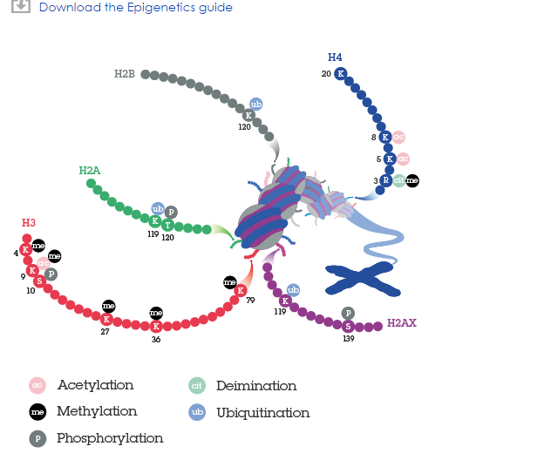
Aim State (What we want to Make it into ) | Action | Histone to flag | Flag name | Enzyme | Notes and comments
Active | Demethylate | H3K27 | 3 "me" flags (methyl groups) | Ezh2 | A,B,C,D, E, F, G to name later
Active | Ubiquitylated | H2BK123 | 1 "ub" flag | Rad6 | Histones with different colours
Active | Acetylate | H3K27 | 1 "ac" flag (ac group) | C | Other histones you dont need in the background
Active | Methylate | H3K4 | 3 "me" flags (methyl groups) | D | Cell confused before dying (I dont know who I am?)
Inactive | Phosphorylation | H2ASer1 | 1 "P" flag | MSK1 | Cell confused and becoming the wrong type
Inactive | Methylate | H3K9 | 3 "me" flags (methyl groups) | F
Inactive | Deactylate | H3K27 | 1 "ac" flag (ac group) | G
Inactive | Demethylate | H3K4 | 3 "me" flags (methyl groups) | D | C=
 |  |  |  |  | D=
 |  |  |  |  | E=
 |  |  |  |  | F=
 |  |  |  |  | G=
 |  |  |  |  | H=
 |  |  |  |  | E=

