12.30
7 | Phoenix - XBL Item M2 (1068x600, 694x758)
Griffin Consolidated Home Spotlight
Priority | CX ADO Ticket | Title | ID | Start Date | End Date (if not full week) | EN Title | EN subhead | LOC | Image Link | Iris Targeting | Frequency | STORE HERO | Store 2nd line | Prod status |  |  | Starts | Ends
1 | 13971 Countdown 2025 | Countdown Sale | CountdownSale1217 | 12/17 at 9 PM | 2026-01-07 | Collection Task 14043 GAMES | GRIFFIN | NEW | COUNTDOWN FY26 | Live 12/17 - 1/7 | QC 12/15 | missing design |  |  | Dash | Deliverable 406537 PC Games: Griffin Home | Countdown FY26 | 12/17/25 - 1/7/26 | Line 1: UTO, Pinned slot 1, 6x daily Line 2: Regular uncapped, unpinned | Yes |  | Cooked and booked (Published)
2 | Call of Duty Buy/Get | SEE TRACKER |  | 12/18 AM | 2026-01-07 |  |  |  |  |  |  | Yes |  | Cooked and booked (Published)
3 | 13669 Fortnite | Winterfest Launch | Fortnite | BT5P2X999VH2 | 2025-12-18 | 2025-12-31 | Fortnite | Winterfest is here | Localization Submission: Information: PC-Griffin - Game Merch - 1223 - Power Apps | ICT | [Iris] Real Time Signal - MSA Age Group for NGP != Child (e.g. Opted Out) [Iris] Real Time Signal - XBL Content Restrictions - Restrict Promotional Content = False Market =! HK/TW Dedupe fortnite | Regular 6x/daily | No |  | Cooked and booked (Published) |  |  |  |  | confirmed Deduped
4 | 13918 Fortnite OG | Chapter 1 Season 7 Launch | Fortnite OG | Chapter 1 Season 7 Launch | 9PC5KKHSMCT5 | 2025-12-30 | 2026-01-05 | Fortnite OG | Chapter 1 - Season 7 | Get it today | ICT | [Iris] Real Time Signal - MSA Age Group for NGP != Child (e.g. Opted Out) [Iris] Real Time Signal - XBL Content Restrictions - Restrict Promotional Content = False Market =! HK/TW Dedupe fortnite | Regular 6x/daily | Yes |  | Cooked and booked (Published) |  |  | 12/30/202512:00:00 AM | 1/5/202611:59:00 PM | confirmed Deduped
5 | Plan of Record 13677 NBA 2K26 | Season 3 Launch | NBA 2K26 | 9PJ2RVRC0L1X | 2025-12-30 | 2026-01-05 | NBA 2K26 | Season 3 is live | List - All - Game Merch - 1230 (1).xlsx | ICT | [Iris] Real Time Signal - XBL Content Restrictions - Restrict Promotional Content = False | Regular 6x/daily |  |  | Cooked and booked (Published) |  | 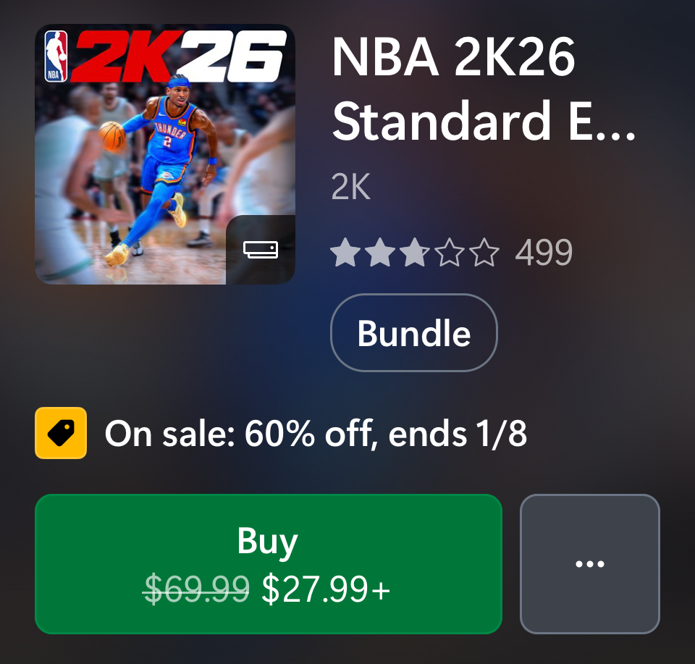 | 12/30/202512:00:00 AM | 1/5/202611:59:00 PM
6 | Plan of Record 13522 Season of Xbox (Dec 9, 2025 - Jan 12, 2026) | Season of Xbox ( Week 4) | CampsiteChannel.GriffinStore.Campaign.2025.SeasonofXbox1209 | 2025-12-30 | 2026-01-05 | Collection Task 14066 GAMES | GRIFFIN | UPDATE | CAMPAIGN | SEASON OF XBOX | WEEK 4 | LIVE 12/30 - 1/5 | QC 12/26 |  |  | Console | [Iris] Real Time Signal - MSA Age Group for NGP != Child (e.g. Opted Out) [Iris] Real Time Signal - XBL Content Restrictions - Restrict Promotional Content = False | Regular 6x/daily |  | Yes | Cooked and booked (Published) |  | 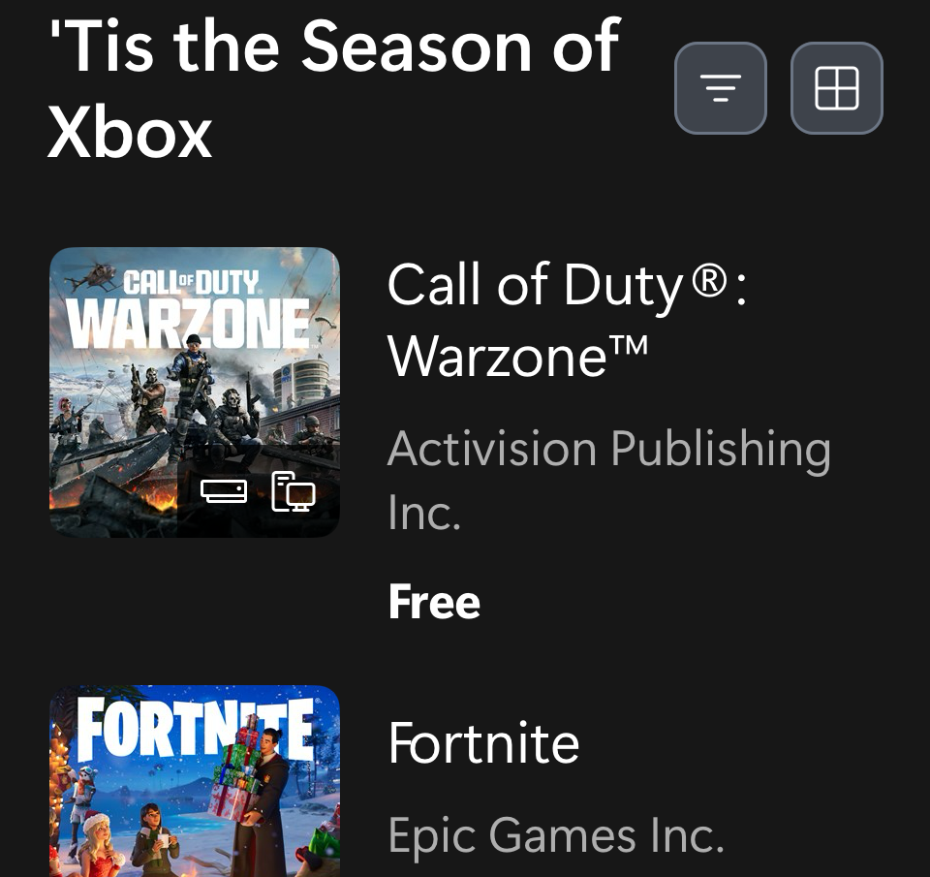 | 12/30/202512:00:00 AM | 1/5/202611:59:00 PM | New week 4 image
7 | 14028 FC 26 - Winter Wildcards + Showcase | EA SPORTS FC™ 26 Showcase | 9PP83QFF6TR4 | 2025-12-30 | 2026-01-05 | EA SPORTS FC™ 26 Showcase | The Club is yours to preview |  | ICT | [Iris] Real Time Signal - MSA Age Group for NGP != Child (e.g. Opted Out) [Iris] Real Time Signal - XBL Content Restrictions - Restrict Promotional Content = False | Regular 6x/daily |  |  | Cooked and booked (Published) |  | 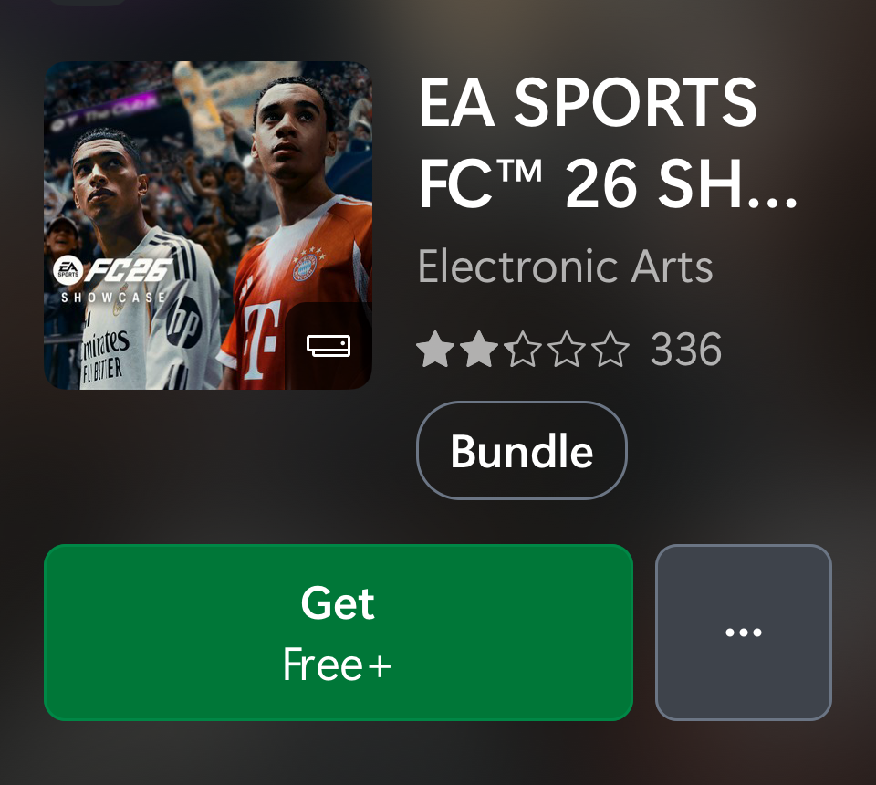 | 12/30/202512:00:00 AM | 1/5/202611:59:00 PM
8
9
10
 |  |  |  |  |  |  |  |  |  |  |  | #REF! | #REF!

Store Hero
Slot | Campaign | Name | ID | Start Date | End Date | Title | Subhead | LOC | Asset | Target | Note | Current 12/30 | notes | status2
1 | 13971 Countdown 2025 | SEE TRACKER | CountdownSale1217 | 12/17 at 9 PM | 2026-01-07 | Collection Task 14043 GAMES | GRIFFIN | NEW | COUNTDOWN FY26 | Live 12/17 - 1/7 | QC 12/15 | missing design |  |  | Dash | Deliverable 406537 PC Games: Griffin Home | Countdown FY26 | 12/17/25 - 1/7/26 |  | Countdown |  | Cooked and booked (Published)
2 | Call of Duty Buy/Get | SEE TRACKER |  | 12/18 AM | 2026-01-07 |  |  |  |  |  |  | COD (targeted) |  | Cooked and booked (Published)
3 | 14072 EA SPORTS College Football | Season 5 | College Football 26 Season 5 | 9NLKS78C4F3Z | 2025-12-30 | 2026-01-05 | College Football 26 Season 5 | The postseason has arrived | List - All - Game Merch - 1223.xlsx | ICT |  |  | College football |  | Cooked and booked (Published)
4 | 13845 Skate - Season 2 Launch | skate. | 9phf9k5q6zlz | 2025-12-30 | 2026-01-05 | skate. Season 2 | Check out Own the Lot co-op mode & more | List - All - Game Merch - 1223.xlsx | ICT |  |  | Skate |  | Cooked and booked (Published) | 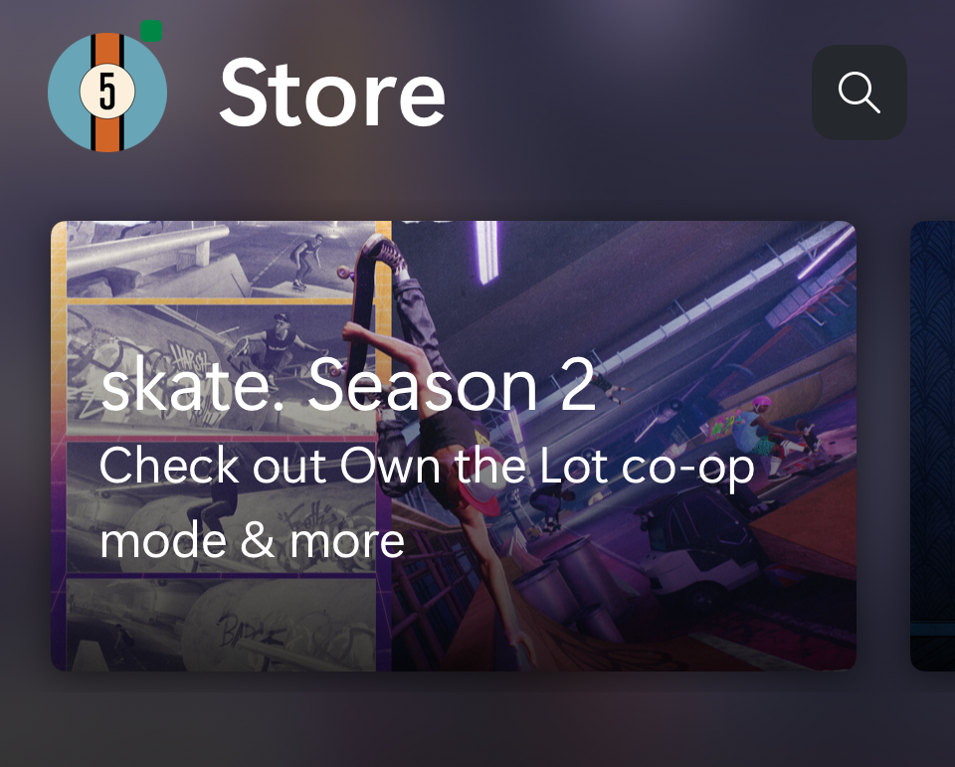 | 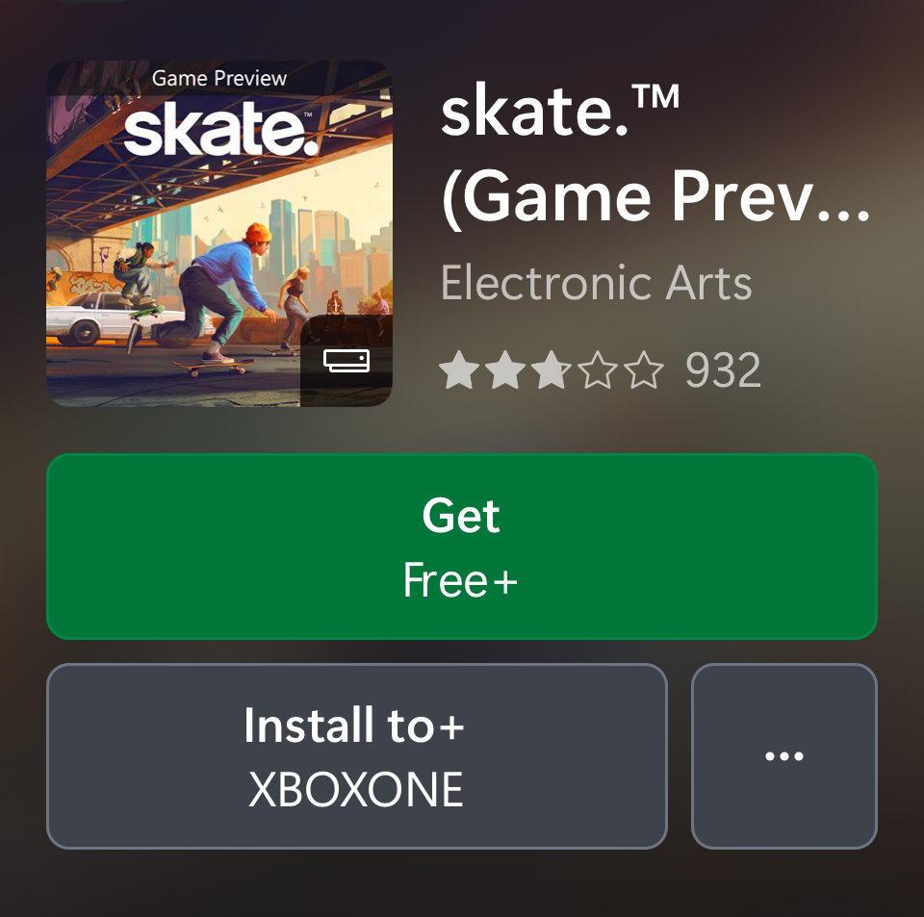
5 | 13844 Madden NFL 26 - MUT Zero Chill | Madden NFL 26 Zero Chill | 9NVD16NP4J8T | 2025-12-30 | 2026-01-05 | Madden NFL 26 Zero Chill | Stay frosty in Ultimate Team | List - All - Game Merch - 1230 (1).xlsx | ICT |  |  | Madden NFL |  | Cooked and booked (Published) | 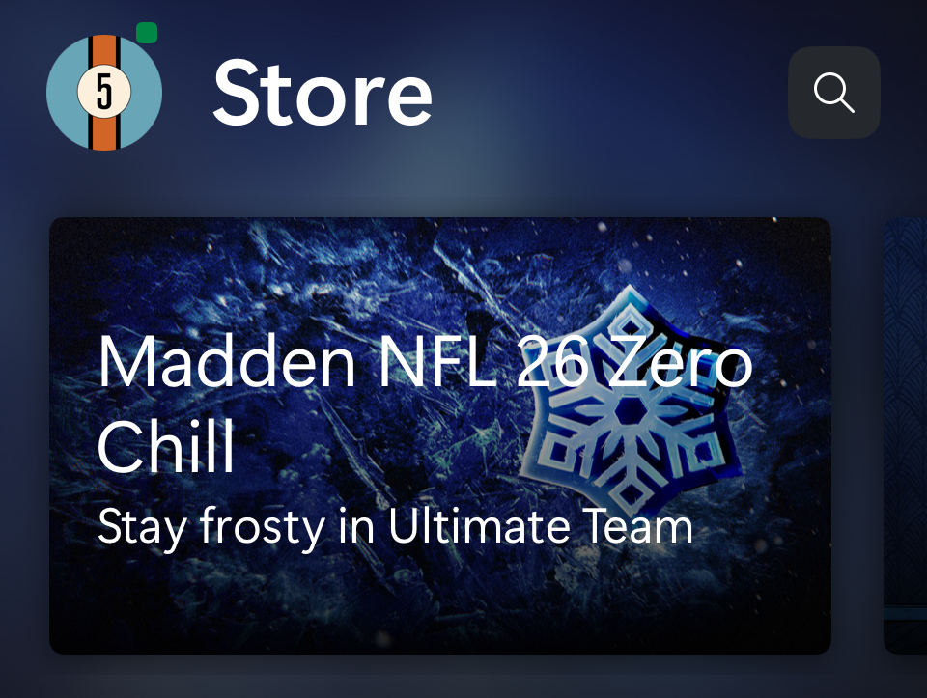 | 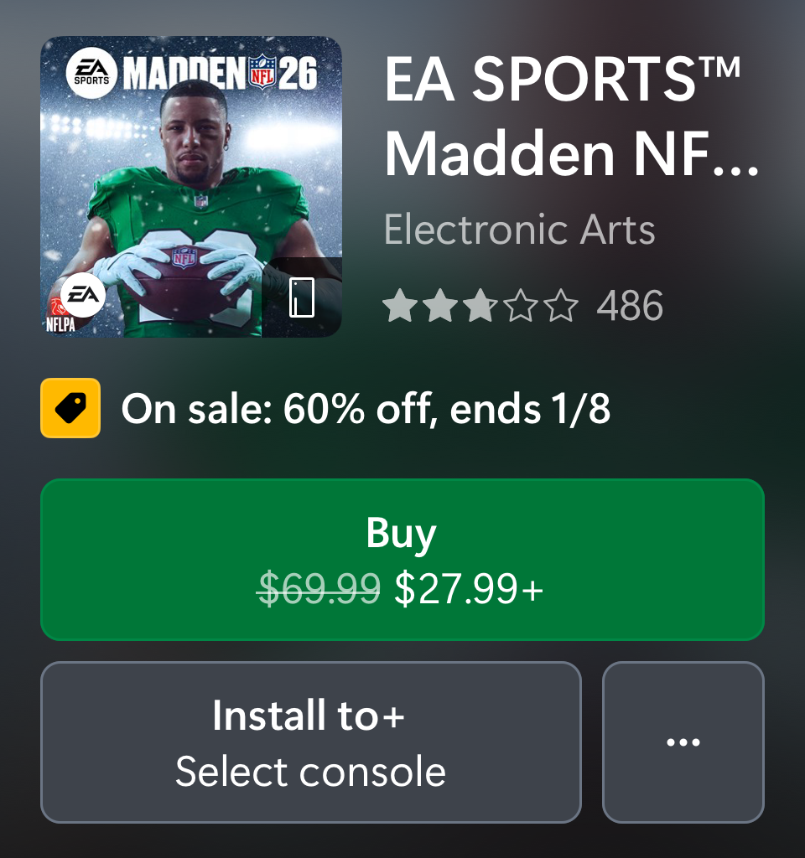

Store Editorial
Slot | Campaign | Name | ID | Start Date | End Date | Title | Subhead | LOC | Asset | Target | Note | Status | Current 12/30
1 | 13971 Countdown 2025 | SEE TRACKER | CountdownSale1217 | 12/17 at 9 PM | 2026-01-07 | Collection Task 14043 GAMES | GRIFFIN | NEW | COUNTDOWN FY26 | Live 12/17 - 1/7 | QC 12/15 | missing design |  |  | Dash | Deliverable 406537 PC Games: Griffin Home | Countdown FY26 | 12/17/25 - 1/7/26 |  | Cooked and booked (Published) | Countdown
2 | The Game Award Winner | The Game Awards | TheGameAwards | 2025-12-30 | 2026-01-05 | Collection Task 13876 GAMES | UPDATE | Console, Garrison, Griffin, MSOW | The Game Awards 2025 - Winner Update |  |  | Griffin | [Iris] Real Time Signal - MSA Age Group for NGP != Child (e.g. Opted Out) |  | Cooked and booked (Published) | Game awards
3(US/CA) | Plan of Record 13314 EA 2K Countdown Buy/Get | Collection | EA 2K Countdown | xbox://productchannel?id=CampsiteChannel.Games.Sale.2025.SportsPower1218 | 2025-12-30 | 2025-01-05 | Collection Task 14139 GAMES | CONSOLE | EA 2K Countdown | Sports Power Play Offer [Collection 1] |  |  | 2K & EA Buy Get Sale | [Iris] Real Time Signal - MSA Age Group for NGP != Child (e.g. Opted Out) [Iris] Real Time Signal - XBL Content Restrictions - Restrict Promotional Content = False US/CA-en/CA-fr only |  | Cooked and booked (Published) | EA Special | 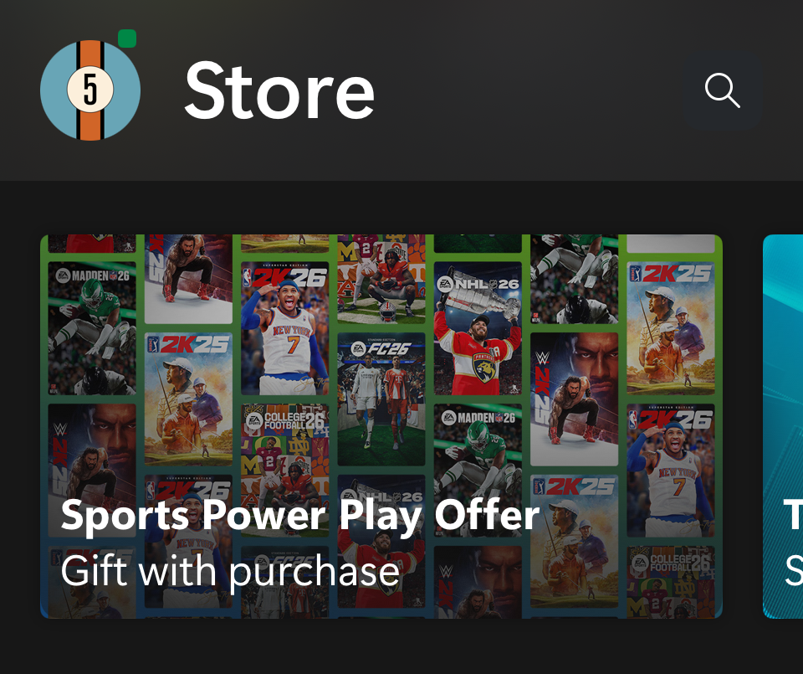 | 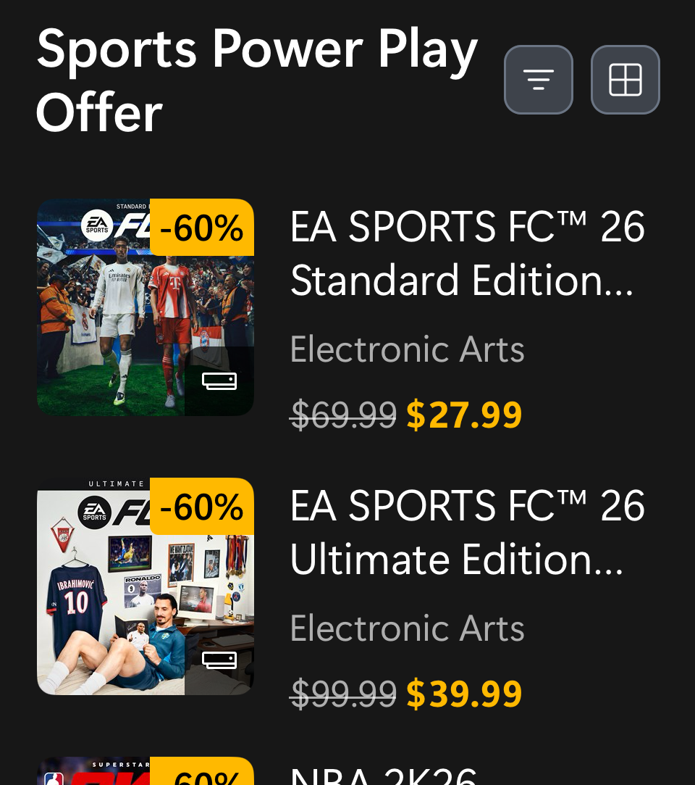
3 | Plan of Record 13314 EA 2K Countdown Buy/Get | Collection | EA SPORTS FC 26 Special Offer | 9MXZBTLG26VX | 2025-12-30 | 2025-01-05 | EA SPORTS FC 26 Special Offer | Gift with Purchase | 12.16_Xbox_Games_Loc-FC26BuyGet-SWAT.xlsx | Storefront Approved Assets - Documents - ICT - All Documents | [Iris] Real Time Signal - MSA Age Group for NGP != Child (e.g. Opted Out) [Iris] Real Time Signal - XBL Content Restrictions - Restrict Promotional Content = False Market = Mexico, Brazil, Germany, France, Italy, Spain, Poland, Columbia |  | Cooked and booked (Published) | EA Special |  | 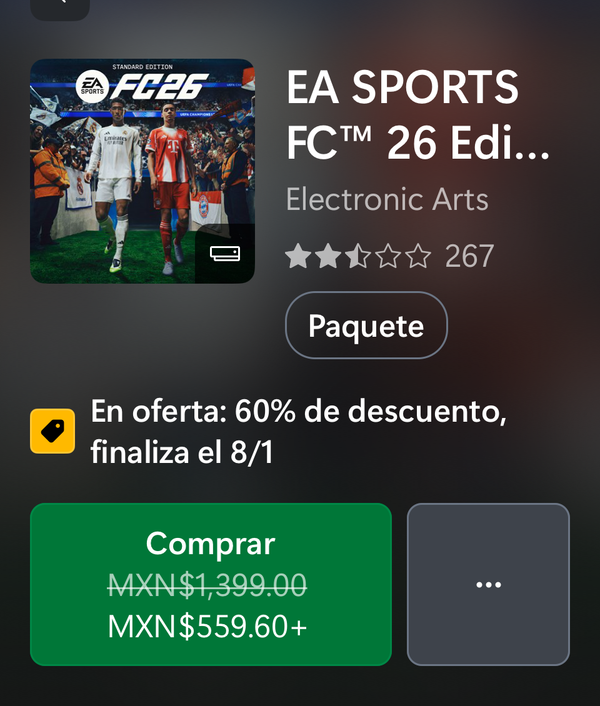
3 (ROW) as needed or use Fallback | Plan of Record 13677 NBA 2K26 | Season 3 Launch | NBA 2K26 | 9PJ2RVRC0L1X | 2025-12-30 | 2026-01-05 | NBA 2K26 | Season 3 is live | List - All - Game Merch - 1230 (1).xlsx | ICT | [Iris] Real Time Signal - XBL Content Restrictions - Restrict Promotional Content = False |  | Cooked and booked (Published) | EA Special | 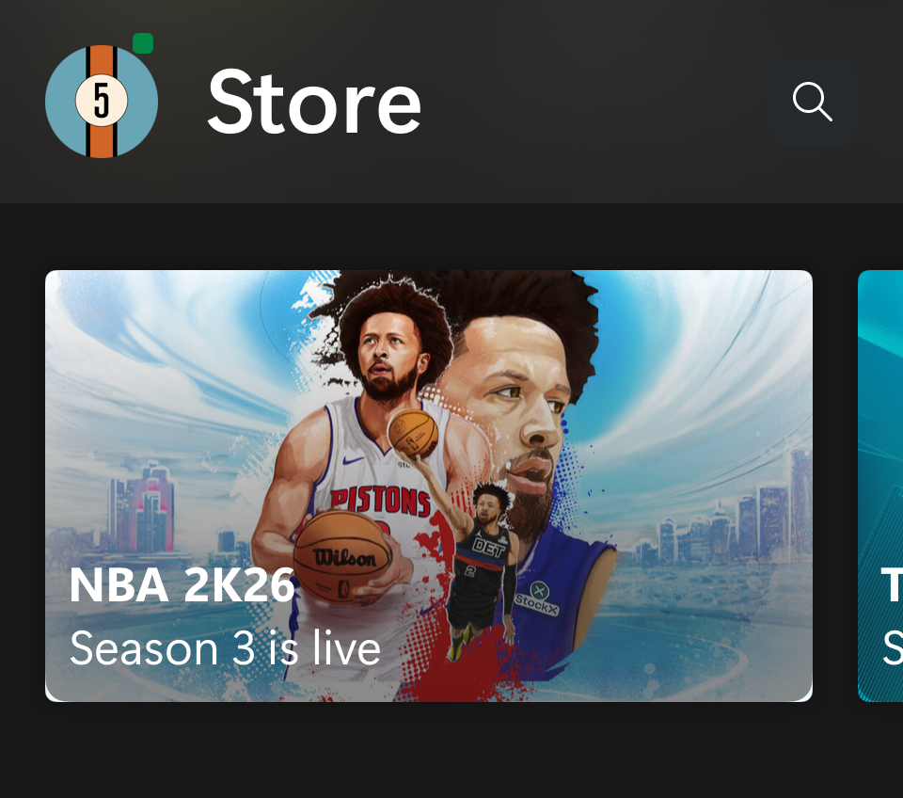
4 | Plan of Record 13522 Season of Xbox (Dec 9, 2025 - Jan 12, 2026) | Season of Xbox ( Week 4) | CampsiteChannel.GriffinStore.Campaign.2025.SeasonofXbox1209 | 2025-12-30 | 2026-01-05 | Collection Task 14066 GAMES | GRIFFIN | UPDATE | CAMPAIGN | SEASON OF XBOX | WEEK 4 | LIVE 12/30 - 1/5 | QC 12/26 |  |  | Console | [Iris] Real Time Signal - MSA Age Group for NGP != Child (e.g. Opted Out) [Iris] Real Time Signal - XBL Content Restrictions - Restrict Promotional Content = False |  | Cooked and booked (Published) | Season of Xbox wk4 | 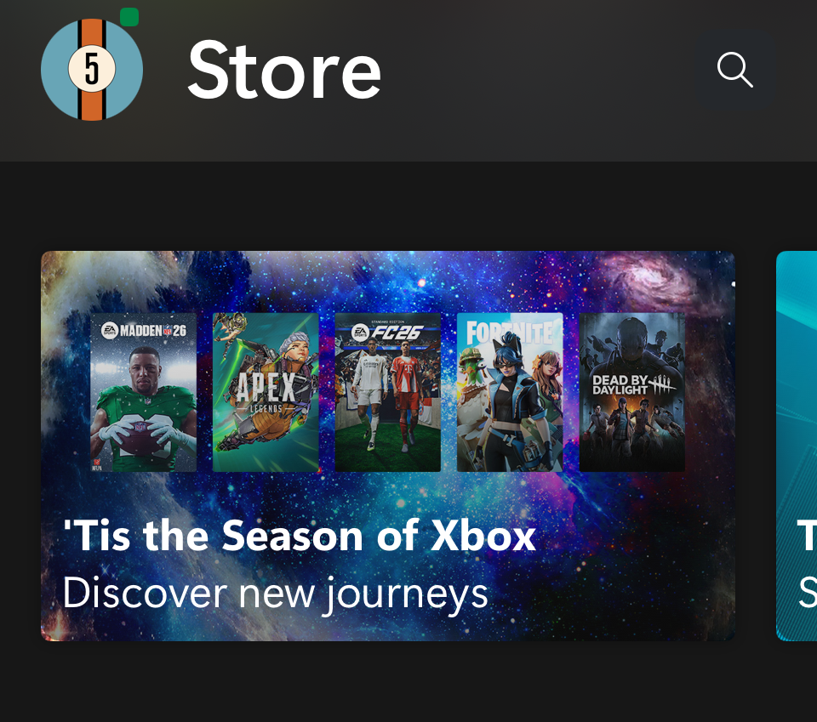
5 | 13918 Fortnite OG | Chapter 1 Season 7 Launch | Fortnite OG | Chapter 1 Season 7 Launch | 9PC5KKHSMCT5 | 2025-12-30 | 2026-01-05 | Fortnite OG | Chapter 1 - Season 7 | Get it today | ICT |  |  | Cooked and booked (Published) | Destiny Renegades | 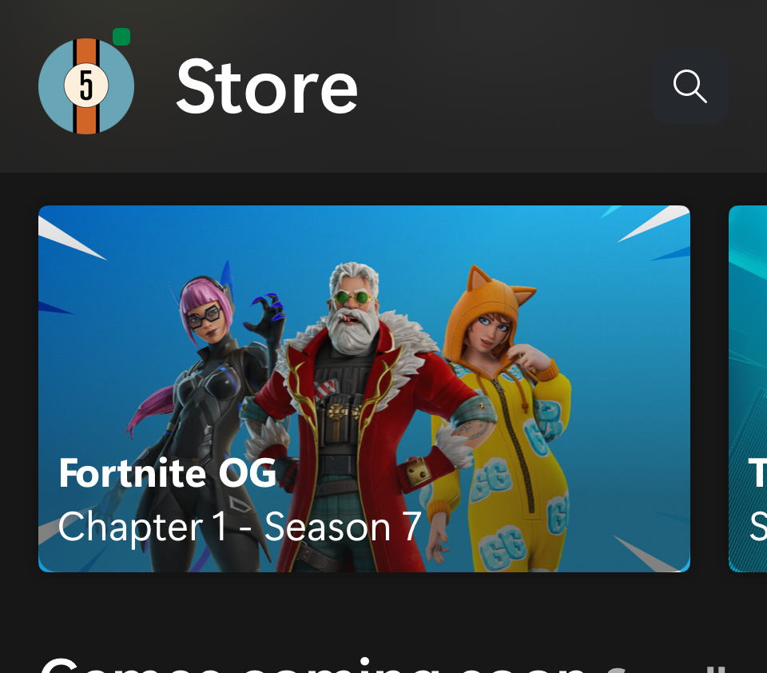 | 