Tasks & Answers
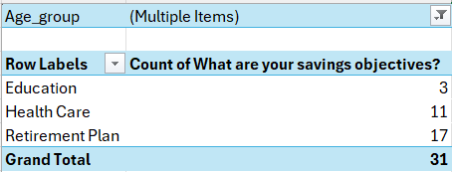
Task 1: Loading Data | Answers

1. Open the CSV file in Excel. | Done

2. Convert the dataset into an Excel Table. | Done

3. Rename the worksheet to Finance_Analysis. | Done

4. Freeze the header row. | Done

Task 2 : Data Cleaning
Check for
Blank cells | 0: No blank cells found. | >>>Used countblank function
Inconsistent text cases (Male/male, Yes/yes) | Yes, in case of Investment_Avenues column | >>>Applied filter on the column to get know cases

Standardize:
gender column to Proper Case | Done | >>>Inserted a column and applied proper function and pasted data as values to the original column
Investment_Avenues to Yes / No | Done | >>>Used find and replace, found 3 as "Y", replaced as "Yes"

Rename incorrect column:
Resn_Bonds ➜ Reason_Bonds | Done

Task 3 : Data Validations
Investment_Avenues should allow only Yes / No | Done | >>>Data Validation was applied to the Investment_Avenues column using a List constraint to restrict inputs strictly to “Yes” or “No”, ensuring data consistency and preventing invalid entries.

Task 4 : Conditional Formatting

1. Highlight: Equity_Market values ≥ 5 in Red | Done; 5 such values | >>>Conditional Formatting was applied using format only cells that contain option
Highlight: Fixed_Deposits values ≥ 5 in Green | Done; 13 such values | >>>Conditional Formatting was applied using format only cells that contain option

2. Apply Color Scale to: Mutual_Funds | Done

3. Use Icon Sets for Factor Column | Done | >>>Since the Factor column contained categorical text values (Return, Risk, Locking Period), they were mapped to numeric scores using an IF function. Icon sets were then applied to visually represent factor priority

Task 5: Summary

Create a summary section using Excel formulas
1.Average age of investors | 28

2. Average Equity_Market score | 3

Count of investors by gender
Male | 25
Female | 15

Minimum Mutual_Funds | 1

Maximum Fixed_Deposits | 7

Percentage of people investing in Mutual Funds | 87.5%

(Use: AVERAGE, COUNTIF, MAX, MIN, SUM, COUNTA)
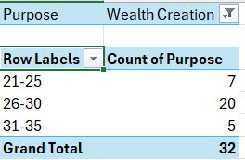
Analytical Questions | >>>Used pivot table, ss attached

Answer Using Data

1. Which age group prefers Wealth Creation? | 26-30 age group

2. Do females prefer Fixed Deposits more than males? | No, males prefer more FDs

3. Which investment avenue has the highest average score? | Gold

4. What is the most common source of investment information? | Financial Consultants

5. Which savings objective dominates among young investors? | Retirement Plan | >>>Taken =<30 as young investors

