Bug Report
hgh |  | Defect Report |  | Defect Report |  | Defect Report

Release | V.1.0 | Release | V.1.0 | Release | V.1.0 | Release | V.1.0
Title | Signup: First Name validation incorrectly requires a minimum of 4 characters. | Title | Login: Loading spinner is misplaced/misaligned on the login page. | Title | No available task message will appear when adding a total of 5 tasks | Title | Front-End Validation: Submit button remains enabled when all required fields are empty.
Description | The signup form rejects First Name inputs with 3 characters or less, such as "AME", displaying an incorrect validation error. This issue is reproducible across all tested browsers and screen resolutions. | Description | The loading spinner (or progress indicator) that appears after clicking "Login" is displayed far below the input fields, with excessive bottom margin, instead of being centered or placed near the button/form. | Description | In the todo page and when you add 5 todos, the message "No available tasks" will appear | Description | On the Signup form, the Submit button remains visually enabled and clickable, even when all mandatory input fields are left blank. Although the form does not send a request when clicked (due to subsequent validation), the enabled button provides a poor user experience.
Steps | 1- Enter a first name with "AME". 2- Complete remaining required fields with valid, non-registered data (Last Name, Email, Password, Confirm Password). 6- Click on signup button | Steps | 1. Navigate to the Login page. 2. Enter valid Email and Password. 3. Click the "Login" button. 4. Observe the location of the loading spinner that appears during server response time. | Steps | 1- Go to Todos Page 2- Add 5 tasks | Steps | 1. Navigate to the register page. 2. Leave all required input fields completely empty. 3. Observe the state of the Submit button.
Expected Results | Should be able to signup correctly | Expected Results | The loader should appear correctly in the correct location | Expected Results | No available tasks should not be visible | Expected Results | The Submit button must be visually disabled (greyed out) when all required fields are empty, following standard UX practices.
Actual Result | The following error message is displayed: "First Name is required, and it should be more than 3 characters." | Actual Result | The loader will be displayed in a wrong location | Actual Result | No available task is visible | Actual Result | The Submit button is enabled (active) and clickable.
Environment | Chrome V.97 Windows 10 | Environment | Chrome V.97 | Environment | Chrome V.97 | Environment | Chrome V.97
Screenshot / Video | 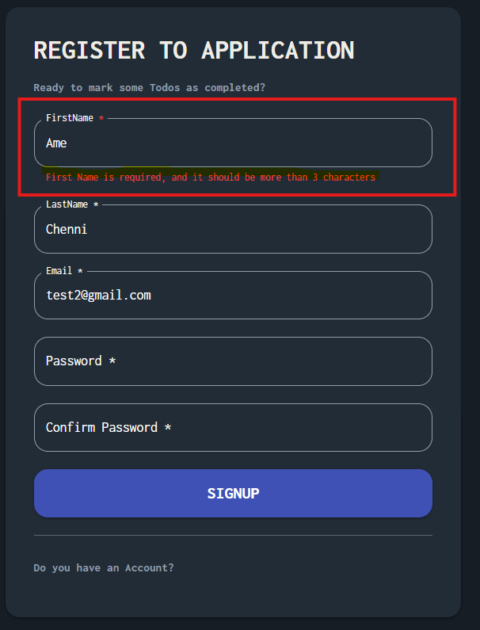 | Screenshot / Video | 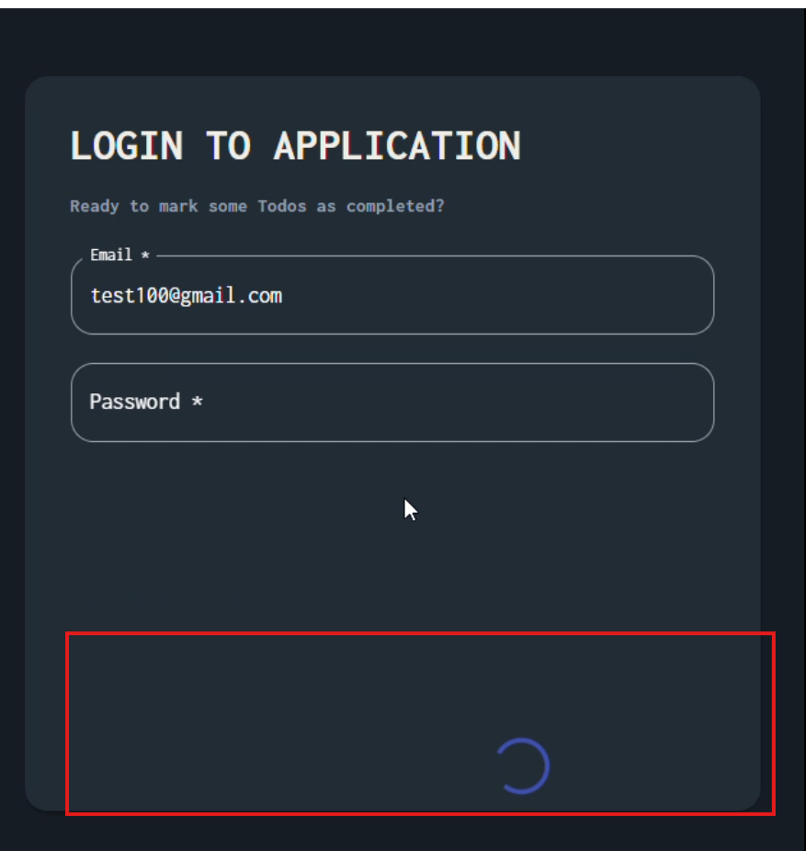 | Screenshot / Video | 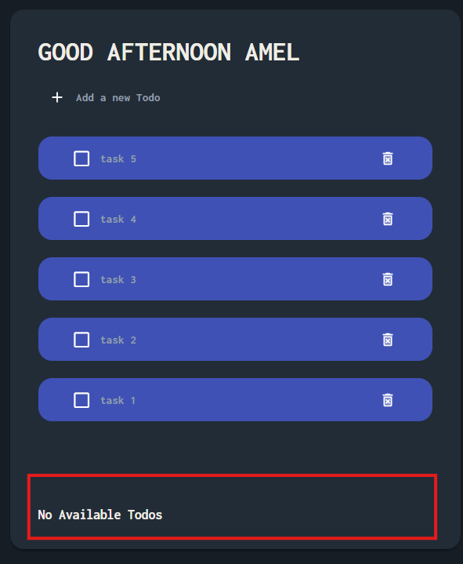 | Screenshot / Video | 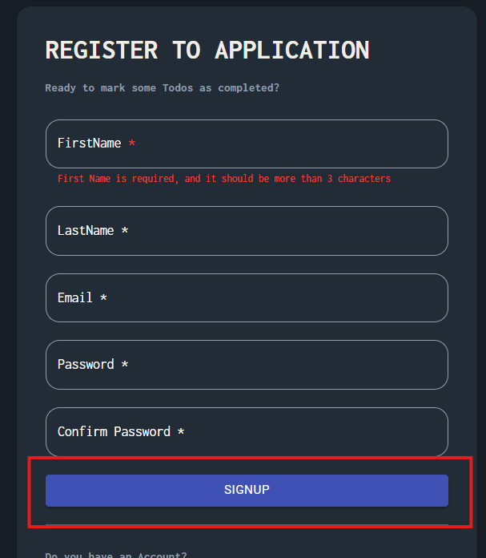
Rate | 2025-05-05 | Rate | 2025-05-05 | Rate | 2025-05-05 | Rate | 2025-05-05
Priority | Medium | Priority | Severity: Cosmetic / Minor Priority: C / Low | Priority | A | Priority | APriority: Medium (B)
Status | Status: Closed (Resolution: Fixed) | Status | Status: Closed (Resolution: Fixed) | Status | Open | Status | Open
© Copy rights for Amel Chenni 2026 |  | © Copy rights for Amel Chenni 2026 |  | © Copy rights for Amel Chenni 2026 |  | © Copy rights for Amel Chenni 2026

