CPU AND RAM DOCKER
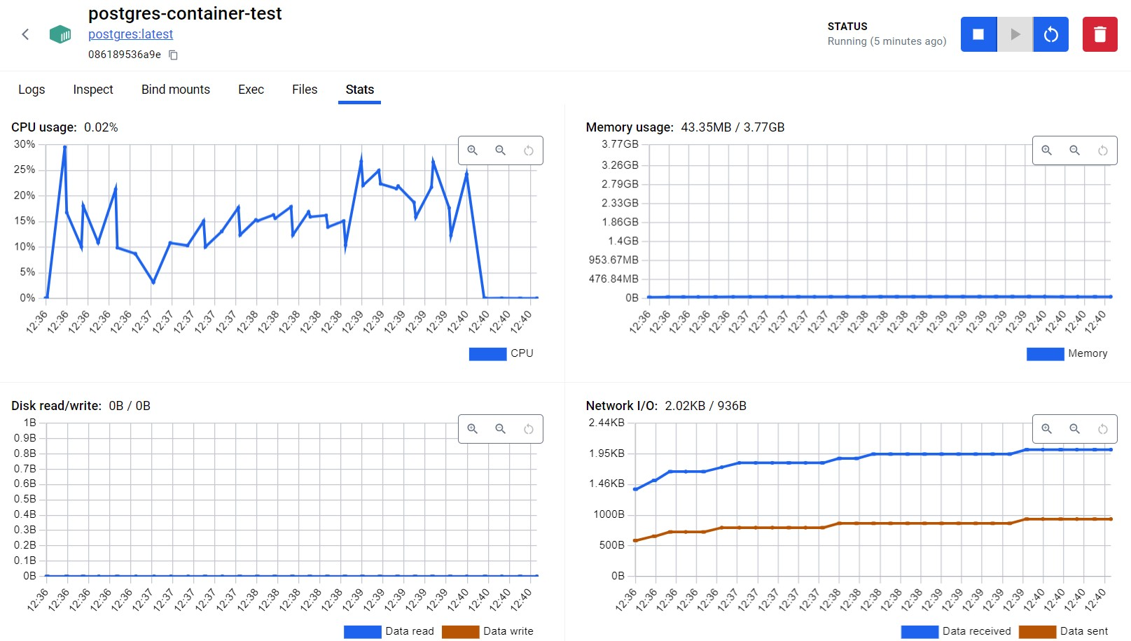
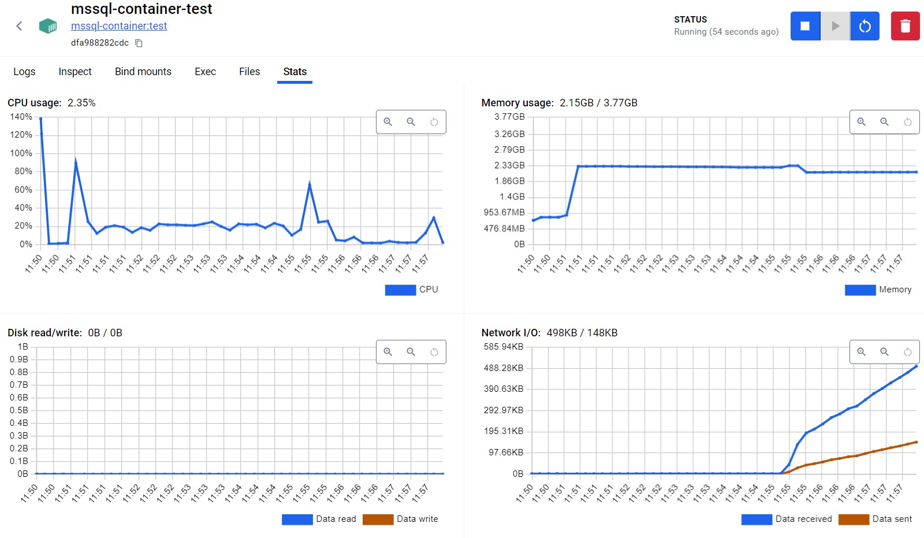
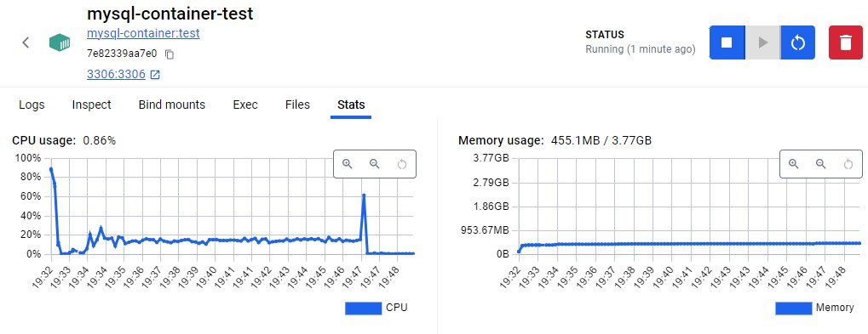
MYSQL | Max RAM | 455 | 0.11108398438
POSTGRES |  | 43 | 0.010498046875
SQL SERVER |  | 2048 | 0.5

CPU AND RAM VM
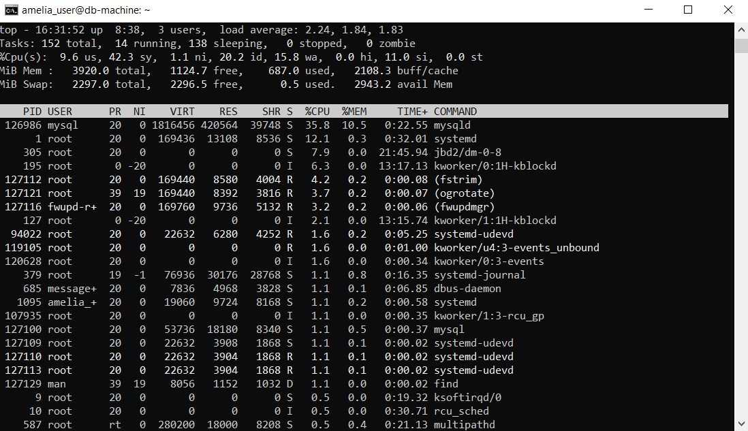
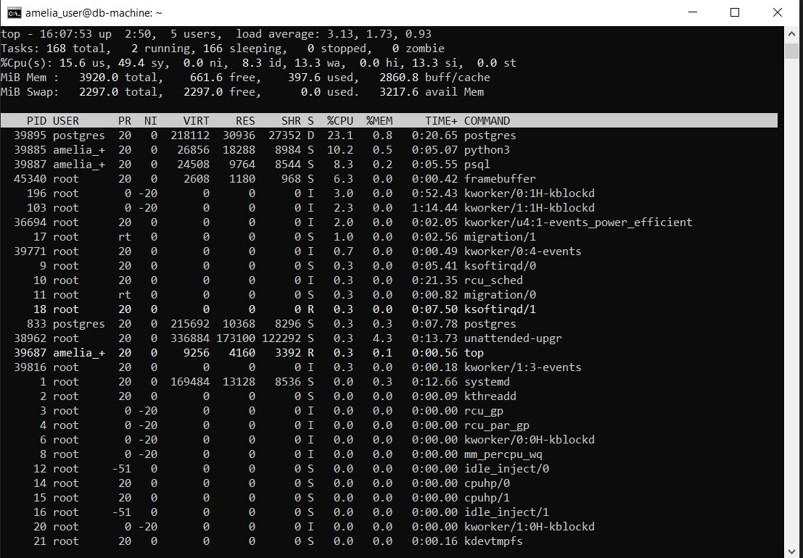

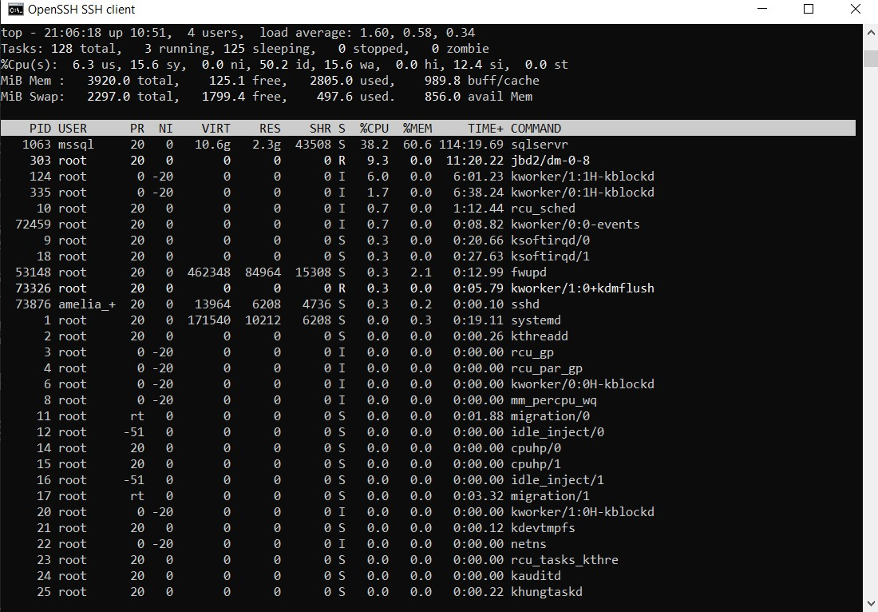

SIZE
COMPARISON OF SIZES IN GB
 | MASZYNA WIRTUALNA | KONTENER
MYSQL | 7.35 | 0.44
POSTGRESQL | 5.17 | 0.62
MSSQL | 9.74 | 1.82

Porównanie rozmiaru obrazów Maszyn wirtualnych oraz obrazów Docker

START TIME
 | MASZYNA WIRTUALNA | KONTENER
MYSQL | 38.570 | 1.717
POSTGRESQL | 36.508 | 2.083
MSSQL | 38.018 | 1.120
AVERAGE | 37.699 | 1.640

Porównanie średniego czasu startu maszyny wirtualnej i kontenera
Średni czas startu maszyny wirtualnej i kontenera

INSERT SCHEMA
COMPARISON OF INSERT SCHEMA
 | MASZYNA WIRTUALNA | KONTENER
MYSQL | 4.919 | 5.567
POSTGRESQL | 2.154 | 2.993
MSSQL | 6.259 | 1.998

Porównanie operacji INSERT SCHEMA
Porównanie operacji INSERT DATA
 | MASZYNA WIRTUALNA | KONTENER
MYSQL | 778.349 | 725.731
POSTGRESQL | 154.601 | 179.426
MSSQL | 382.923 | 306.044

INSERT DATA
COMPARISON OF INSERT DATA
 | MASZYNA WIRTUALNA | KONTENER
MYSQL | 778.349 | 725.731
POSTGRESQL | 154.601 | 179.426
MSSQL | 382.923 | 306.044

Porównanie operacji INSERT DATA

SELECT TABLE
COMPARISON SELECT * FROM TABLE;
 | MASZYNA WIRTUALNA | KONTENER
MYSQL | 0.881 | 0.844
POSTGRESQL | 1.152 | 0.912
MSSQL | 1.666 | 1.417

Porównanie operacji SELECT * FROM CUSTOMER;

SELECT JOINED
COMPARISON SELECT THE MOST FREQUENTLY RENTED MOVIES
 | MASZYNA WIRTUALNA | KONTENER
MYSQL | 0.903 | 1.023
POSTGRESQL | 0.969 | 0.826
MSSQL | 1.907 | 1.248

Porównanie operacji SELECT

DELETE DATA
COMPARISON OF DELETE DATA OPERATION
 | MASZYNA WIRTUALNA | KONTENER
MYSQL | 9.308 | 4.038
POSTGRESQL | 4.592 | 4.132
MSSQL | 6.311 | 4.440

Porównanie operacji DELETE DATA
Porównanie operacji DROP SCHEMA
 | MASZYNA WIRTUALNA | KONTENER
MYSQL | 3.346 | 2.244
POSTGRESQL | 1.004 | 0.902
MSSQL | 1.586 | 1.247

DROP SCHEMA
COMPARISON OF DROP SCHEMA
 | MASZYNA WIRTUALNA | KONTENER
MYSQL | 3.346 | 2.244
POSTGRESQL | 1.004 | 0.902
MSSQL | 1.586 | 1.247

Porównanie operacji DROP SCHEMA

