Instructions
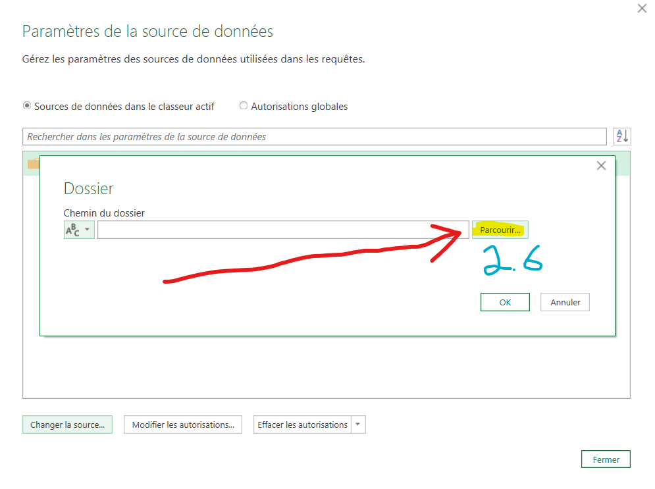
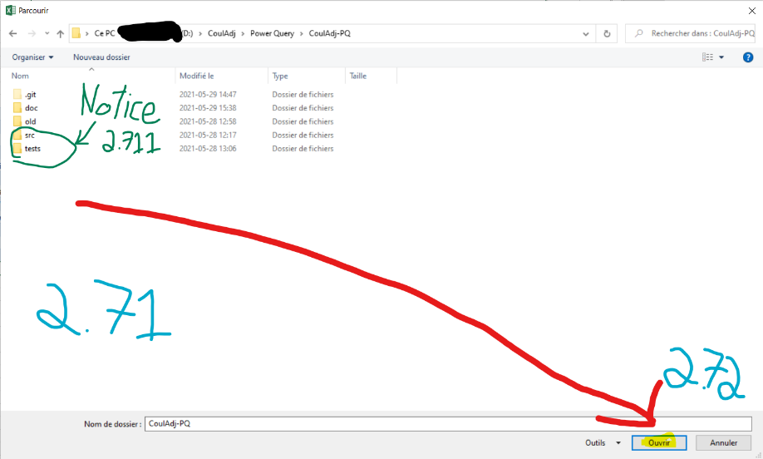
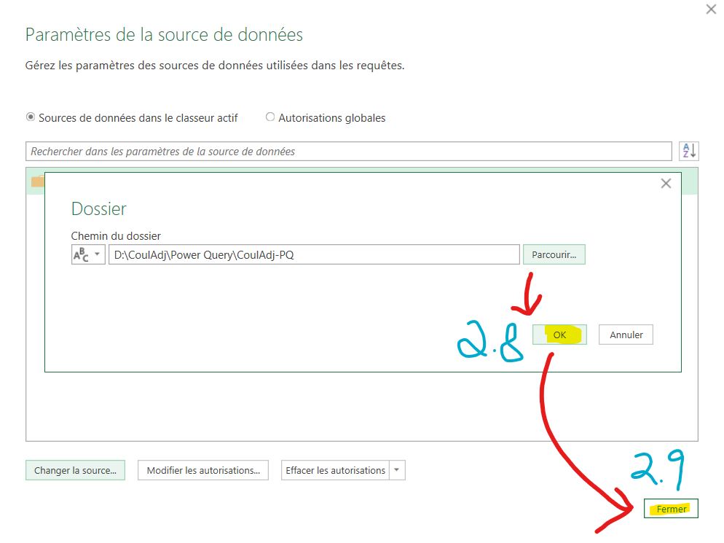
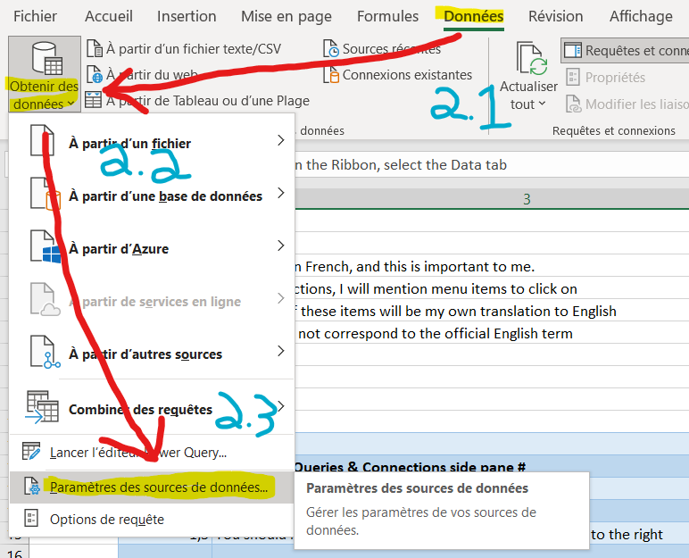
Step # | Instruction | Step # | Instruction
0 | Some English terms were translated by me, and may not correspond to official terminology | 3 | # Open the Power Query GUI (GUI = Graphical User Interface) #
 |  | 3.01 | While the Power Query GUI is opened, it will be difficult to read these instructions
1 | # Open the Queries & Connections side pane # | 3.02 | So you may want to first read them in full, and/or refer to the Github page
1.1 | In the Ribbon, select the Data tab | 3.1 | Click on Data > Get Data > Launch Power Query Editor
1.2 | Click on Queries & Connections. This should be | 3.101 | If you click the X button to close the GUI, you will be given the option to discard your changes
1.3 | You should now see the Queries & Connections side pane to the right | 3.102 | As far as I know, this will discard all your changes, and will even un-delete queries you deleted

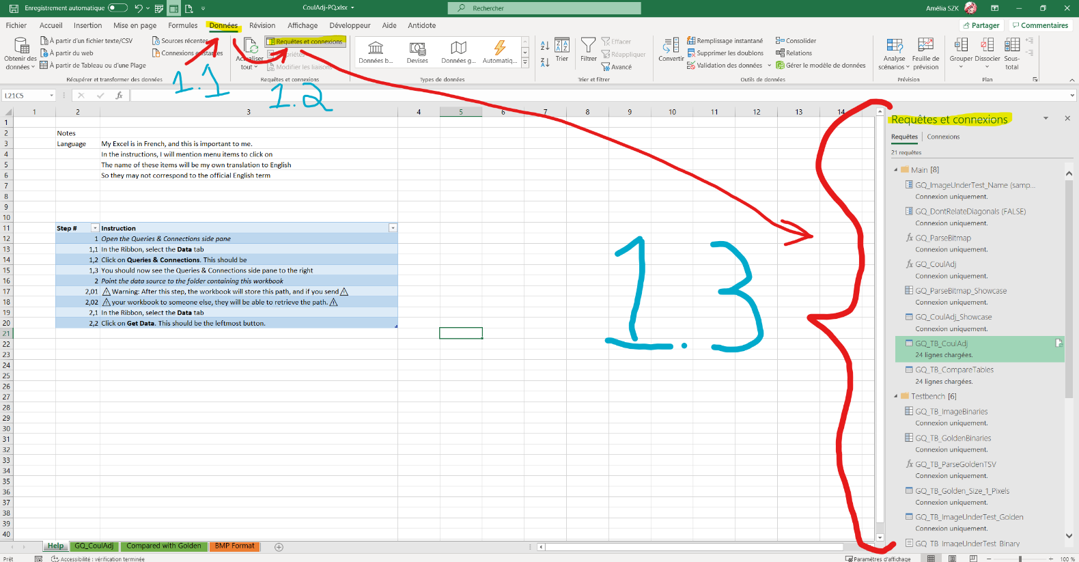
 |  | 4 | # Explore the Showcase #
 |  | 4.01 | There are two queries dedicated to showcase what's happening in the code
 |  | 4.02 | These are GQ_ParseBitmap_Showcase and GQ_CoulAdj_Showcase
 |  | 4.1 | Click on GQ_CoulAdj_Showcase in the left pane
 |  | 4.2 | You can see intermediary results by clicking on steps in the right pane
 |  | 4.3 | Have fun :)

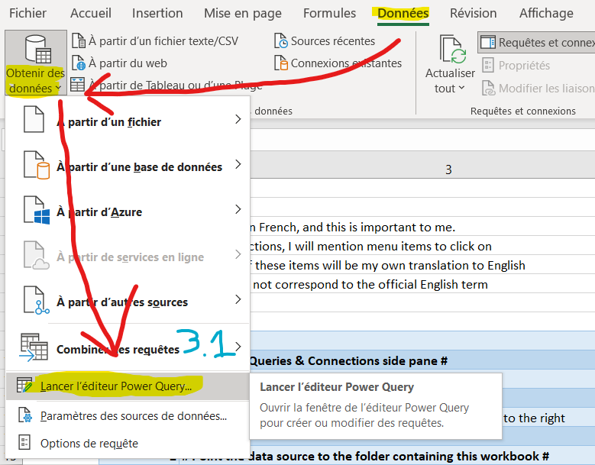

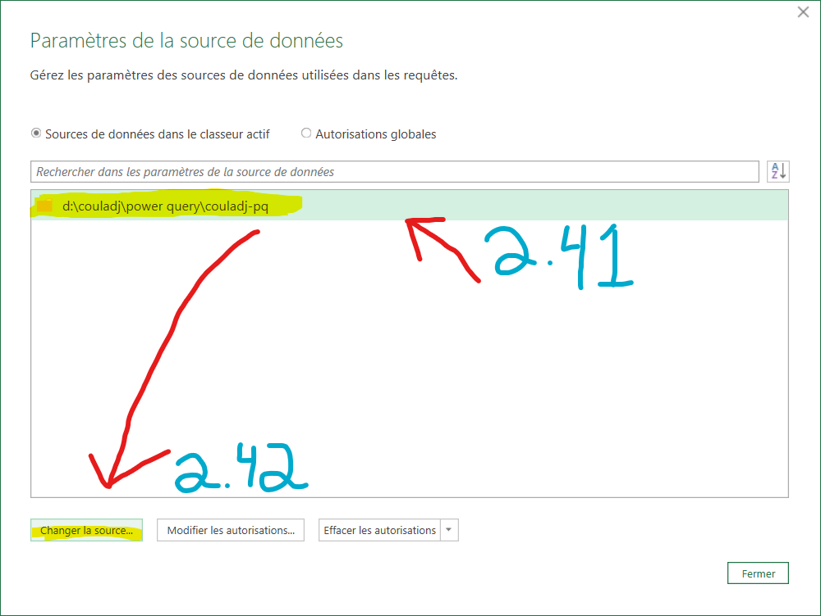

Step # | Instruction
2 | # Point the data source to the folder containing this workbook #
2.01 | ⚠Warning: After step #2, the workbook will store the path to its location, and if you send⚠
2.02 | ⚠your workbook to someone else, they will be able to retrieve this path.⚠
2.1 | In the Ribbon, select the Data tab
2.2 | Click on Get Data. This should be the leftmost button.
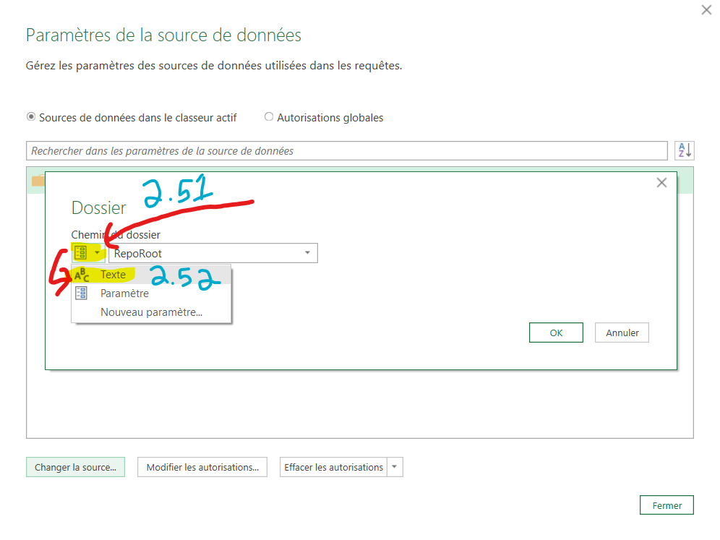
2.3 | Click on Data Sources Settings
2.41 | Select the first (and only) item in the list
2.42 | Click on Modify Source
2.51 | Click on the leftmost icon to open its drop-down menu
2.52 | In this menu, click on Text
2.6 | Click on Browse
2.71 | Navigate to the folder where this workbook is located
2.711 | Notice that this folder should contain a few subfolders, notably src and tests
2.712 | The exact composition of subfolders may have changed since I took the screenshot
2.72 | Click on Open
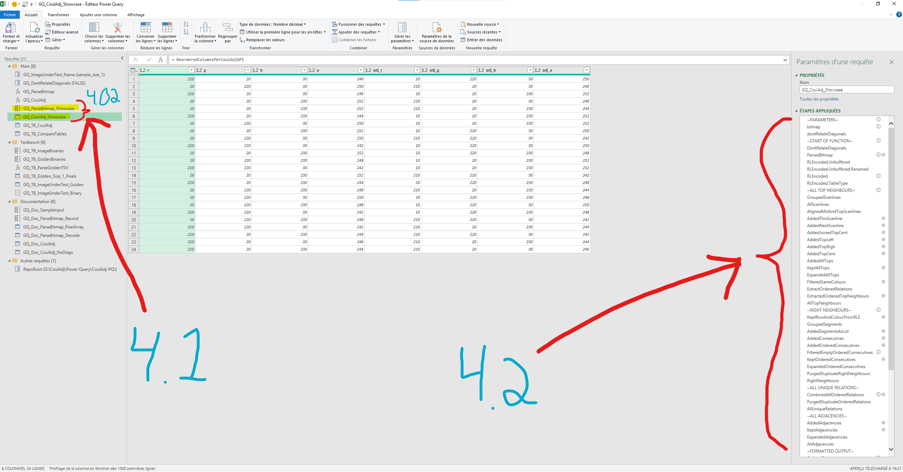
2.8 | Click on OK
2.9 | Click on Close

