Hoja1
 |  | Valores a capturar |  |  |  |  |  |  | VS | Very small | (métodos, no clases)
Calculate the types with Fuzzy Logic Method |  |  |  |  |  |  |  |  | VL | Very large

Calculation | Cálculos matemáticos |  |  |  | Data | Base de datos
 | LOCs | Log | Factor |  |  | LOCs | Log | Factor
VS | 10 | 1 | 0.11928031368 |  | VS | 5 | 0.69897000434 | 0.075257498916
S | 13.16074013 | 1.1192803137 |  |  | S | 5.946035575 | 0.77422750325
M | 17.320508076 | 1.2385606274 |  |  | M | 7.0710678119 | 0.84948500217
L | 22.79507057 | 1.357840941 |  |  | L | 8.4089641525 | 0.92474250108
VL | 30 | 1.4771212547 |  |  | VL | 10 | 1

IO | Lectura y escritura |  |  |  | Logic | Estructura lógica principal
 | LOCs | Log | Factor |  |  | LOCs | Log | Factor
VS | 7 | 0.84509804001 | 0.075257498916 |  | VS | 20 | 1.3010299957 | 0.03653200892
S | 8.324449805 | 0.92035553893 |  |  | S | 21.755146119 | 1.3375620046
M | 9.8994949366 | 0.99561303785 |  |  | M | 23.664319132 | 1.3740940135
L | 11.772549814 | 1.0708705368 |  |  | L | 25.741036026 | 1.4106260224
VL | 14 | 1.1461280357 |  |  | VL | 28 | 1.4471580313

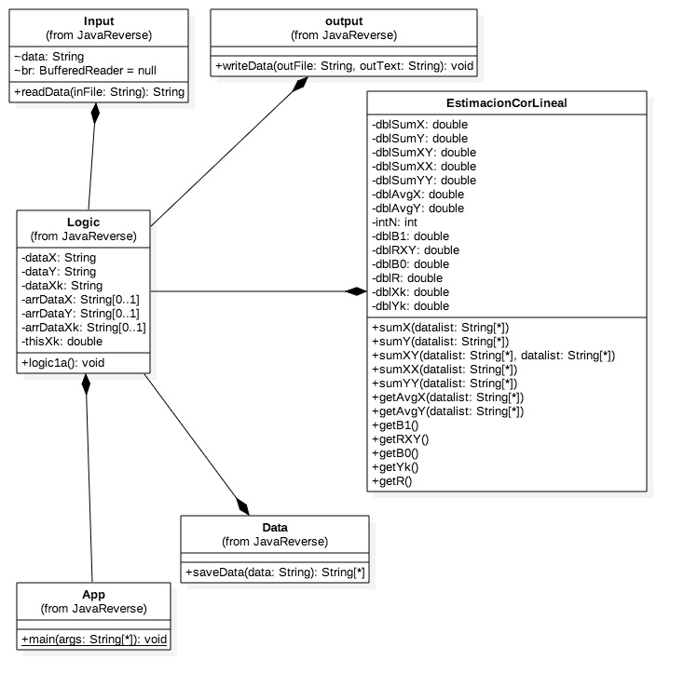
Estimated Reuse

Object | Description | Size | Number | LOC | Total
Input |  | L | 1 | 8.4089641525 | 8.4089641525
Data |  | M | 1 | 7.0710678119 | 7.0710678119
Output |  | M | 1 | 7.0710678119 | 7.0710678119
 |  |  |  | Reuse TOTAL LOC | 22.551099776

Estimated Size, BASE

Object | Description | Size | Number | LOC | Total
App |  | M | 1 | 23.664319132 | 23.664319132
Logic |  | L | 1 | 25.741036026 | 25.741036026

 |  |  |  | Base TOTAL LOC | 49.405355159

Estimated Size, Add

Object | Description | Size | Number | LOC | Total
sumX |  | M | 1 | 17.320508076 | 17.320508076
sumY |  | M | 1 | 17.320508076 | 17.320508076
sumXX |  | M | 1 | 17.320508076 | 17.320508076
sumXY |  | M | 1 | 17.320508076 | 17.320508076
sumYY |  | M | 1 | 17.320508076 | 17.320508076
avgX |  | S | 1 | 13.16074013 | 13.16074013
avgY |  | S | 1 | 13.16074013 | 13.16074013
B1 |  | L | 1 | 22.79507057 | 22.79507057
B0 |  | S | 1 | 13.16074013 | 13.16074013
yk |  | S | 1 | 13.16074013 | 13.16074013
R |  | VL | 1 | 30 | 30
RR |  | S | 1 | 13.16074013 | 13.16074013

 |  |  |  | TOTAL LOC estimated | 205.2013116

 |  |  |  |  | TOTAL LOC | 277.15776653

