A1 vs Control
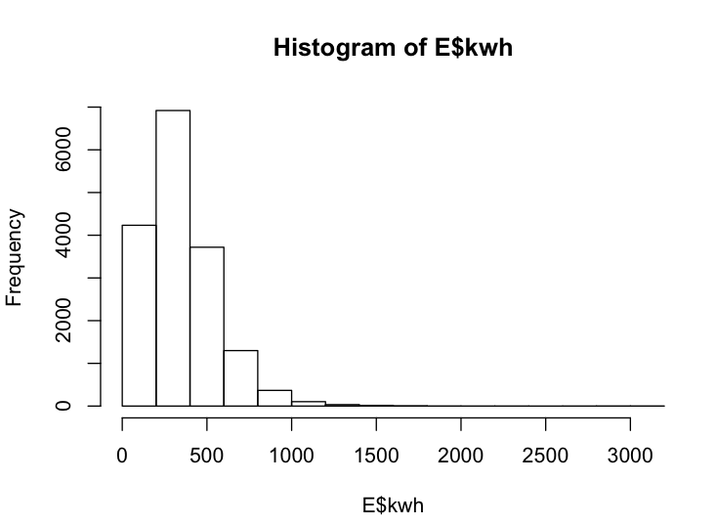
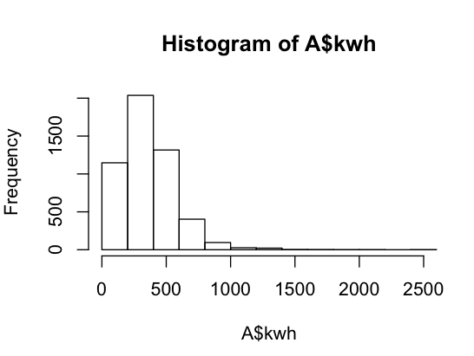
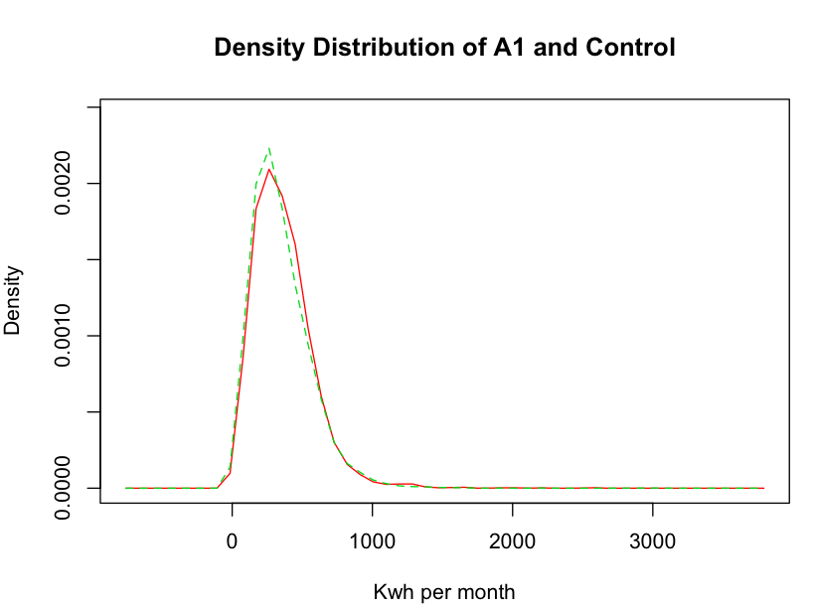
Month | T stat | p value | Test - kwh sum of households (id) per month
Jul-09 | 1.2939 | 0.902
Aug-09 | 0.7227 | 0.765
Sep-09 | 1.4578 | 0.92474
Oct-09 | 1.3478 | 0.911
Nov-09 | 1.5518 | 0.9395
Dec-09 | 1.8369 | 0.9668
Jan-10 | 1.2197 | 0.8886
Feb-10 | 1.8443 | 0.9673
Mar-10 | 1.4584 | 0.9275
Apr-10 | 1.3833 | 0.9166
May-10 | 0.8873 | 0.8125
Jun-10 | 0.8833 | 0.8114
Jul-10 | 0.6193 | 0.7321
Aug-10 | 0.0725 | 0.5289
Sep-10 | 0.4886 | 0.6874
Oct-10 | 0.3377 | 0.6322
Nov-10 | 0.5216 | 0.699
Dec-10 | 1.386 | 0.917

B4 Vs Control
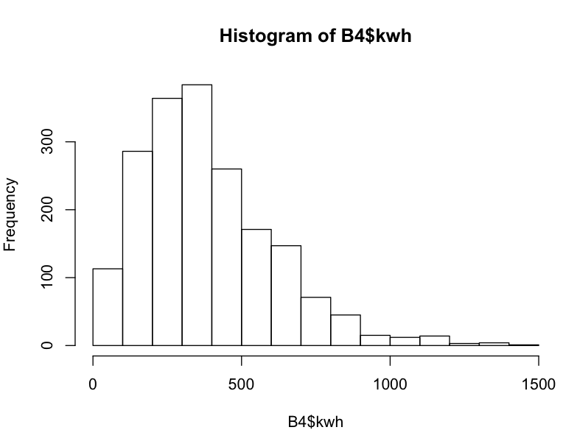
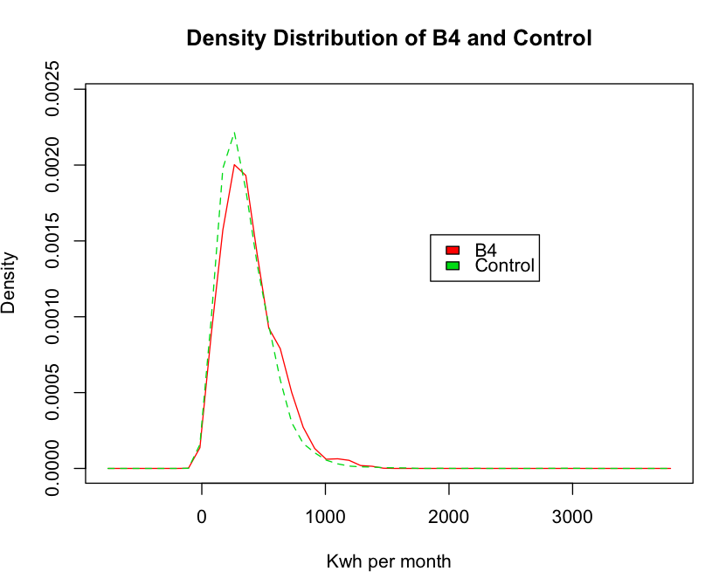
Month | T stat | p value
Jul-09 | 3.1206 | 0.9991
Aug-09 | 2.6 | 0.9953
Sep-09 | 2.5326 | 0.9943
Oct-09 | 2.8842 | 0.998
Nov-09 | 2.2815 | 0.9886
Dec-09 | 1.503 | 0.9334
Jan-10 | 0.8337 | 0.7977
Feb-10 | 0.9089 | 0.8182
Mar-10 | 1.096 | 0.8633
Apr-10 | 1.5075 | 0.934
May-10 | 1.5082 | 0.9341
Jun-10 | 1.7596 | 0.9606
Jul-10 | 1.5598 | 0.9404
Aug-10 | 2.259 | 0.988
Sep-10 | 2.0553 | 0.9799
Oct-10 | 2.0231 | 0.9783
Nov-10 | 1.4993 | 0.933
Dec-10 | 1.1937 | 0.8836

B1 Vs Control
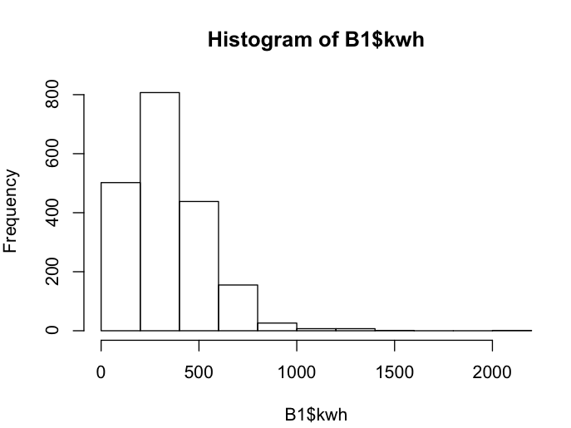
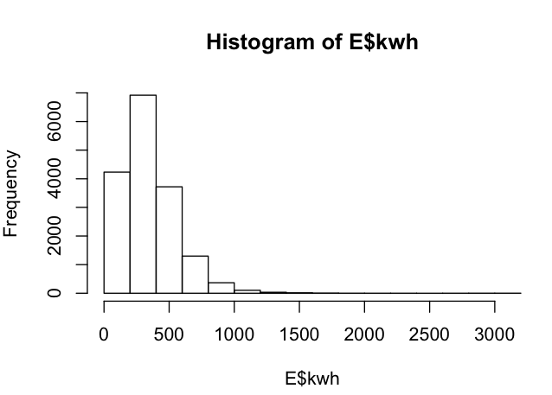
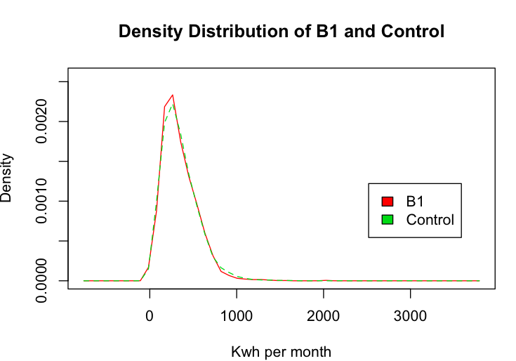
Month | T stat | p value
Jul-09 | -0.1492 | 0.4407
Aug-09 | 0.3682 | 0.6436
Sep-09 | 0.5272 | 0.7009
Oct-09 | 0.4086 | 0.6585
Nov-09 | -0.3678 | 0.3565
Dec-09 | -0.5511 | 0.2908
Jan-10 | -0.7238 | 0.2347
Feb-10 | -0.6216 | 0.2672
Mar-10 | -0.0167 | 0.4933
Apr-10 | 0.0249 | 0.5099
May-10 | -0.6347 | 0.2629
Jun-10 | -0.3052 | 0.3801
Jul-10 | -0.8344 | 0.2021
Aug-10 | -0.4649 | 0.3211
Sep-10 | -0.6781 | 0.2489
Oct-10 | -0.2638 | 0.396
Nov-10 | -0.5408 | 0.2944
Dec-10 | -1.0634 | 0.1439

