dial-OSC (eng.)
Grp. | Category | Subcategory | Metric Area | Indicator ID | Criteria / Definition | Internal Ref. ID | Value Range | Score | Weight | LOE | Methodology
2 | Commitment for Sustainability Action | ( ) |  |  | What SDGs does the OSPG address through its programming? | OSCeng.-()_sus1
2 | Commitment for Sustainability Action | ( ) |  |  | Does the OSPG have a stated commitment (through the buy-in of the leadership) to achieve long-term sustainability? | OSCeng.-()_sus2
2 | Commitment for Sustainability Action | ( ) |  |  | Does the OSPG have a sustainability plan drafted? | OSCeng.-()_sus3
2 | Commitment for Sustainability Action | ( ) |  |  | Do they have a sustainability implementation plan? | OSCeng.-()_sus4
2 | Commitment for Sustainability Action | ( ) |  |  | If they work with partners, does their sustainability plan include sustainability of their partners? | OSCeng.-()_sus5
5 | Stakeholder Management | ( ) |  |  | Does their sustainability plan include all stakeholders, including sustainers, contributors, and end users? | OSCeng.-()_stake1
4 | Current status | ( ) |  |  | What revenue streams do they currently use? | OSCeng.-()_stats1
4 | Current status | ( ) |  |  | What cost offsets do they currently use? | OSCeng.-()_stats2
4 | Current status | ( ) |  |  | What tactics do they currently use? | OSCeng.-()_stats3
4 | Future plans | ( ) |  |  | What revenue streams do they want to implement? | OSCeng.-()_plan1
4 | Future plans | ( ) |  |  | What cost offsets do they want to implement? | OSCeng.-()_plan2
4 | Future plans | ( ) |  |  | What tactics do they want to implement? | OSCeng.-()_plan3
4 | Financials | ( ) |  |  | How much revenue do they need from the revenue streams? | OSCeng.-()_fund1
4 | Financials | ( ) |  |  | Is it reasonable? | OSCeng.-()_fund2
4 | Grant-based revenue | ( ) |  |  | (WIP) | OSCeng.-()_grant1
0 | Timeline | ( ) |  |  | Do they have plans to phase in the sustainability plan? | OSCeng.-()_time1
4 | OSC gap study | ( ) |  |  | What revenue streams, cost offsets, or tactics (if any) SHOULD they consider that they haven’t? | OSCeng.-()_gap1
4 | OSC gap study | ( ) |  |  | What revenue streams, cost offsets, or tactics (if any) that they use should they reconsider? | OSCeng.-()_gap2
4 | OSC gap study | ( ) |  |  | Is their timeline reasonable. If not, why not? | OSCeng.-()_gap3
0 | Ratio of current status to future plans | ( ) |  |  | What is the ratio of current status to future plans? | OSCeng.-()_stats2plan1
0 | Ratio of current status to future plans | ( ) |  |  | Does it seem like a reasonable and achievable implementation target? | OSCeng.-()_stats2plan2
4 | Revenue and Non-Revenue Sustainability | Low Revenue Potential |  |  |  | OSCeng.-()_rev1
4 | Revenue and Non-Revenue Sustainability | High Revenue Potential |  |  |  | OSCeng.-()_rev2
4 | Revenue and Non-Revenue Sustainability | Cost offsets |  |  |  | OSCeng.-()_rev3
4 | Revenue and Non-Revenue Sustainability | Tactical Considerations |  |  |  | OSCeng.-()_rev4
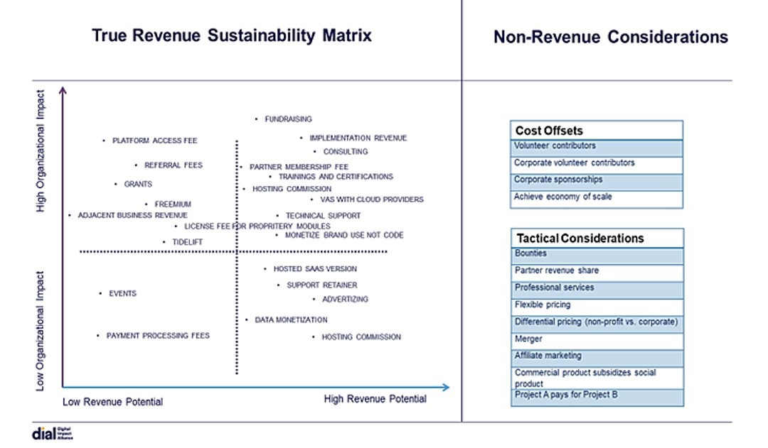
 |  |  |  |  |  | OSC-
 |  |  |  |  |  | OSC-
 |  |  |  |  |  | OSC-
 |  |  |  |  |  | OSC-
 |  |  |  |  |  | OSC-
 |  |  |  |  |  | OSC-
 |  |  |  |  |  | OSC-
 |  |  |  |  |  | OSC-
 |  |  |  |  |  | OSC-
 |  |  |  |  |  | OSC-
 |  |  |  |  |  | OSC-
 |  |  |  |  |  | OSC-
 |  |  |  |  |  | OSC-
 |  |  |  |  |  | OSC-
 |  |  |  |  |  | OSC-
 |  |  |  |  |  | OSC-
 |  |  |  |  |  | OSC-
 |  |  |  |  |  | OSC-
 |  |  |  |  |  | OSC-
 |  |  |  |  |  | OSC-
 |  |  |  |  |  | OSC-
 |  |  |  |  |  | OSC-
 |  |  |  |  |  | OSC-
 |  |  |  |  |  | OSC-
 |  |  |  |  |  | OSC-
 |  |  |  |  |  | OSC-
 |  |  |  |  |  | OSC-
 |  |  |  |  |  | OSC-
 |  |  |  |  |  | OSC-
 |  |  |  |  |  | OSC-
 |  |  |  |  |  | OSC-
 |  |  |  |  |  | OSC-
 |  |  |  |  |  | OSC-
 |  |  |  |  |  | OSC-

