Website Technical Specification
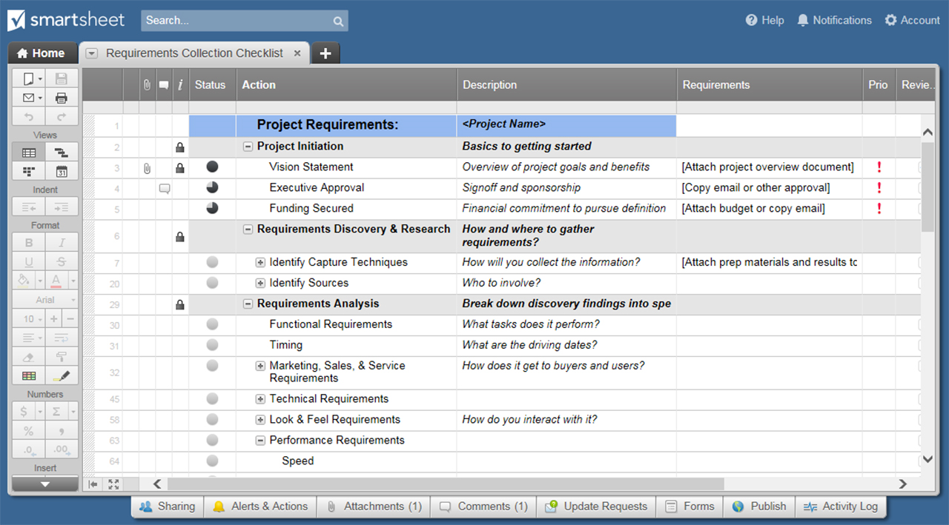
H2: WEBSITE TECHNICAL SPECIFICATION TEMPLATE
ORGANIZATION
PROJECT NAME
NAME |  | MAILING ADDRESS
PHONE
EMAIL
DATE |  | AUTHOR

DOCUMENT TRACKING
VERSION | EDITS COMPLETED BY | DATE | DESCRIPTION OF EDIT

PROJECT
OVERVIEW | High-level information describing proposed solution, what the project works to achieve, and business reasoning

VISITOR INTERACTION
I D | D E S C R I P T I O N |  | R E M A R K S

EDITING + UPDATES + ADMIN
I D | D E S C R I P T I O N |  | R E M A R K S

SITEMAP + NAV
I D | D E S C R I P T I O N |  | R E M A R K S

CONTENT MANAGEMENT
I D | D E S C R I P T I O N |  | R E M A R K S

SITE STATS / TRACKING
I D | D E S C R I P T I O N |  | R E M A R K S

SEO
I D | D E S C R I P T I O N |  | R E M A R K S

WEB CONTENT MANAGEMENT SYSTEM / EDITOR INTERFACE
I D | D E S C R I P T I O N |  | R E M A R K S

ACCESSIBILITY
I D | D E S C R I P T I O N |  | R E M A R K S

STYLE + DESIGN
I D | D E S C R I P T I O N |  | R E M A R K S

SECURITY
I D | D E S C R I P T I O N |  | R E M A R K S

HOSTING
I D | D E S C R I P T I O N |  | R E M A R K S

MAINTENANCE + SUPPORT
I D | D E S C R I P T I O N |  | R E M A R K S

ADDITIONAL REQUIREMENTS
I D | D E S C R I P T I O N |  | R E M A R K S

EXCLUSIONS

CONSIDERATIONS

ASSUMPTIONS

CLICK HERE TO CREATE WEBSITE TECHNICAL SPECIFICATION TEMPLATES IN SMARTSHEET

