Bug Report
Bug ID | ID number | #001 | Bug ID | ID number | #002
 | Name | SHOP NOW link does not work |  | Name | Men's fashion link does not work
 | Reporter | Amir |  | Reporter | Amir
 | Submit Date | 17.02.2023. |  | Submit Date | 17.02.2023.
Bug overview | Summary | On Homepage SHOP NOW button does not have link - does not work | Bug overview | Summary | On Homepage SHOP NOW button for men's fashion does no tnavigate to men's fashion
 | URL | https://shop.demoqa.com/ |  | URL | https://shop.demoqa.com/
 | Screenshot | 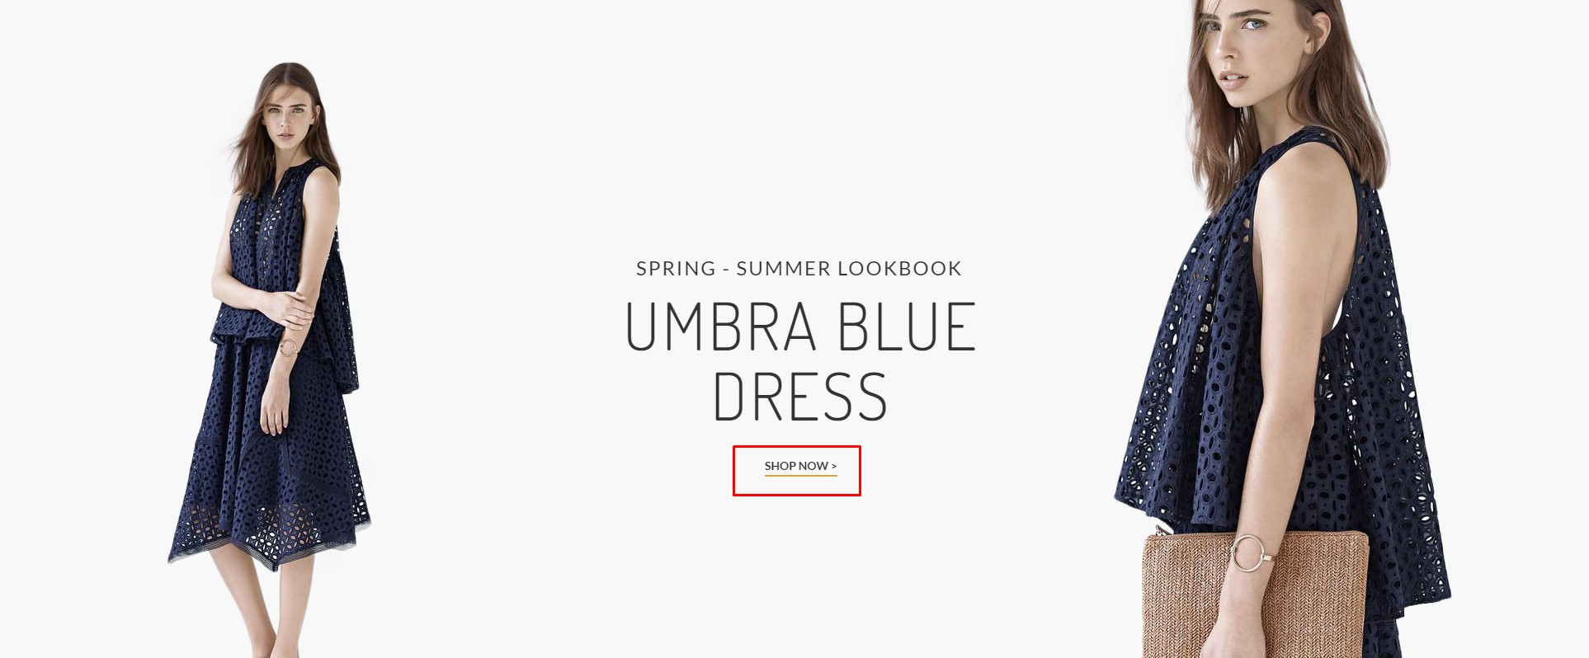 |  | Screenshot | 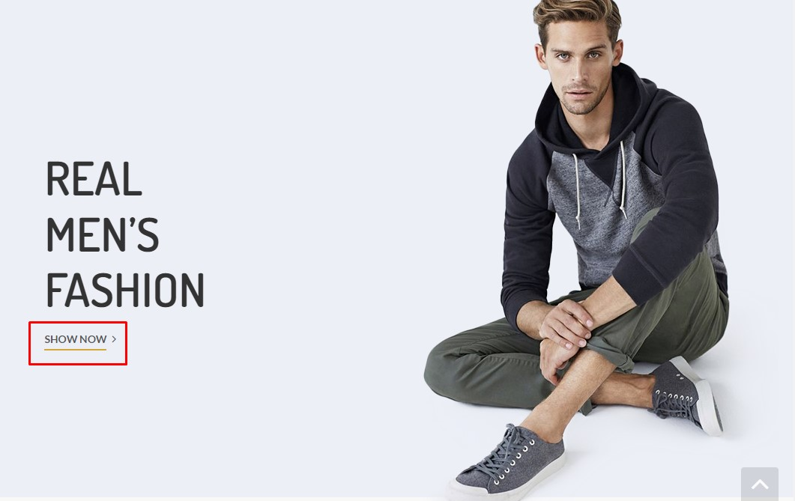
Environment | Platform | Windows | Environment | Platform | Windows
 | Operating System | Windows 10 Enterprise N |  | Operating System | Windows 10 Enterprise N
 | Browser | Chrome version 110.0.5481. |  | Browser | Chrome version 110.0.5481.
Bug details | Steps to reproduce | navigate to home page > mouse hover over SHOP NOW > click left mouse | Bug details | Steps to reproduce | navigate to home page > scroll down until REAL MEN's FASHION title is seen > mouse hover over SHOP NOW in REAL MEN's FASHION section > click left mouse
 | Expected result | The link should navigate to shop items |  | Expected result | The link should navigate to men's fashion shopping page
 | Actual result | Nothing happens |  | Actual result | Page navigates to home page with women's fashion
 | Description | / |  | Description | /
Bug tracking | Severity | Medium | Bug tracking | Severity | High
 | Assigned to | / |  | Assigned to | /
 | Priority | High |  | Priority | High
Notes | Notes | Priority is high since this is the first link the user can see on the page. It gives the wrong first impression of the page. | Notes | Notes

Bug ID | ID number | #003 | Bug ID | ID number | #004
 | Name | Menu bar does not work on smaller display |  | Name | First picture not displaying when shopping item
 | Reporter | Amir |  | Reporter | Amir
 | Submit Date | 17.02.2023. |  | Submit Date | 18.02.2023.
Bug overview | Summary | Menu bar does not have any values when the page is displayed on smaller display / iPhone 12 pro | Bug overview | Summary | When the user chooses color and size of the item, the first picture dissapears
 | URL | https://shop.demoqa.com/ |  | URL | https://shop.demoqa.com/
 | Screenshot | 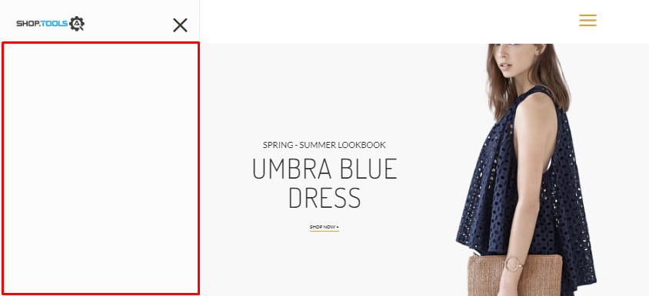 |  | Screenshot | 
Environment | Platform | Windows | Environment | Platform | Windows
 | Operating System | Windows 10 Enterprise N |  | Operating System | Windows 10 Enterprise N
 | Browser | Chrome version 110.0.5481. - Device toolbar with Dimensions iphone 12 pro - 844 x 390 |  | Browser | Chrome version 110.0.5481.
Bug details | Steps to reproduce | use iphone 12 pro or display size 844 x 390 > navigate to Homepage > click on menu toolbar | Bug details | Steps to reproduce | navigate to Homepage >scrol down until FOR LADIES text is shown > click on RED SATIN ROUND NECK BACKLESS MAXI DRESS > click color: Mauve > click size Medium
 | Expected result | Menu with items should be displayed |  | Expected result | The picture should remain displayed
 | Actual result | Blank menu with no items is display |  | Actual result | The picture dissapears from the screen
 | Description | / |  | Description | /
Bug tracking | Severity | Critical | Bug tracking | Severity | Low
 | Assigned to | / |  | Assigned to | /
 | Priority | High |  | Priority | Low
Notes | Notes | The bug is present when the display size is smaller than 991 x 673 | Notes | Notes

