Sheet1
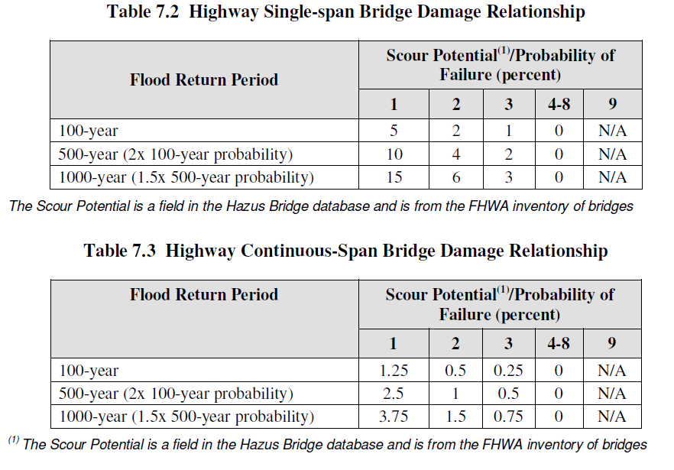

Failure_prob
Scour Vulnerability | 500 | 100 | 50 | 10 | Expected_Failure | Log_Failure
0 | 1 | 1 | 1 | 1 | 0.132 | -0.87942606879
1 | 0.01 | 0.01 | 0.01 | 0.01 | 0.00132 | -2.8794260688
2 | 0.005 | 0.00125 | 0.00083 | 0.0005 | 8.9166666667E-05 | -4.0497974684
3 | 0.0011 | 0.000275 | 0.00018 | 0.00011 | 1.9616666667E-05 | -4.7073747875
4 | 0.0004 | 0.000100 | 0.00007 | 0.00004 | 7.1333333333E-06 | -5.1467074814
5 | 0.00007 | 0.0000175 | 0.000012 | 0.000007 | 1.2483333333E-06 | -5.9036694327
6 | 0.000018 | 0.0000045 | 0.00000300 | 0.0000018 | 0.000000321 | -6.4934949676
7 | 0.000018 | 0.0000045 | 0.00000300 | 0.0000018 | 0.000000321 | -6.4934949676
8 | 0.0000004 | 0.000000100 | 0.000000067 | 0.00000004 | 7.1333333333E-09 | -8.1467074814
9 | 0.00000025 | 0.000000063 | 0.000000042 | 0.000000025 | 4.4583333333E-09 | -8.350827464

 | 0.01 |  | 0.01 | 0.0005 | 0.00011 | 0.00004 | 0.000007 | 0.0000018 | 0.0000018 | 0.00000004 | 0.000000025
 | 0.0005
 | 0.00011
 | 0.00004
 | 0.000007
 | 0.0000018
 | 0.0000018
 | 0.00000004
 | 0.000000025

Sheet4
 |  |  | 17027.915453 | 9578.2024425 | 6130.0495632 | 4256.9788633 | 3127.5763078 | 2394.5506106 | 1891.9906059 |  |  |  |  | Coeffs
 |  |  |  |  |  |  |  |  |  |  |  |  |  | Coeffs

 |  |  | 17027.915453
 |  |  | 9578.2024425
 |  |  | 6130.0495632
 |  |  | 4256.9788633
 |  |  | 3127.5763078
 |  |  | 2394.5506106
 |  |  | 1891.9906059

28.99078822 | 0 | 0 | 0 | 0 | 8 | 25769.589529 | 14495.39411 | 9277.0522304 | 6442.3973822 | 4733.1899135 | 3623.8485275 | 2863.2877254 | 0.00088888888889 | 0.0005 | 0.00032 | 0.00022222222222 | 0.00016326530612 | 0.000125 | 9.8765432099E-05 | 0
18.95289927 | 0 | 0 | 0 | 0 | 5 | 16847.021573 | 9476.449635 | 6064.9277664 | 4211.7553933 | 3094.3509012 | 2369.1124088 | 1871.8912859 | 0.00088888888889 | 0.0005 | 0.00032 | 0.00022222222222 | 0.00016326530612 | 0.000125 | 9.8765432099E-05 | 0
36.37292137 | 0 | 0 | 0 | 0 | 8 | 32331.485662 | 18186.460685 | 11639.334838 | 8082.8714156 | 5938.436142 | 4546.6151712 | 3592.3872958 | 0.00088888888889 | 0.0005 | 0.00032 | 0.00022222222222 | 0.00016326530612 | 0.000125 | 9.8765432099E-05 | 0
16.12521495 | 0 | 0 | 0 | 0 | 8 | 14333.5244 | 8062.607475 | 5160.068784 | 3583.3811 | 2632.6881551 | 2015.6518688 | 1592.6138222 | 0.00088888888889 | 0.0005 | 0.00032 | 0.00022222222222 | 0.00016326530612 | 0.000125 | 9.8765432099E-05 | 0
24.57844167 | 0 | 0 | 0 | 0 | 3 | 21847.503707 | 12289.220835 | 7865.1013344 | 5461.8759267 | 4012.8068033 | 3072.3052088 | 2427.5004119 | 0.00088888888889 | 0.0005 | 0.00032 | 0.00022222222222 | 0.00016326530612 | 0.000125 | 9.8765432099E-05 | 0
9.241662437 | 0 | 0 | 0 | 0 | 8 | 8214.8110551 | 4620.8312185 | 2957.3319798 | 2053.7027638 | 1508.8428469 | 1155.2078046 | 912.7567839 | 0.00088888888889 | 0.0005 | 0.00032 | 0.00022222222222 | 0.00016326530612 | 0.000125 | 9.8765432099E-05 | 0
47.93507147 | 0 | 0 | 0 | 0 | 9 | 42608.952418 | 23967.535735 | 15339.22287 | 10652.238104 | 7826.1341176 | 5991.8839338 | 4734.3280464 | 0.00088888888889 | 0.0005 | 0.00032 | 0.00022222222222 | 0.00016326530612 | 0.000125 | 9.8765432099E-05 | 0
42.7326211 | 0 | 0 | 0 | 0 | 5 | 37984.552089 | 21366.31055 | 13674.438752 | 9496.1380222 | 6976.7544653 | 5341.5776375 | 4220.5057877 | 0.00088888888889 | 0.0005 | 0.00032 | 0.00022222222222 | 0.00016326530612 | 0.000125 | 9.8765432099E-05 | 0
17.88461481 | 0 | 0 | 0 | 0 | 4 | 15897.435387 | 8942.307405 | 5723.0767392 | 3974.3588467 | 2919.9371118 | 2235.5768512 | 1766.3817096 | 0.00088888888889 | 0.0005 | 0.00032 | 0.00022222222222 | 0.00016326530612 | 0.000125 | 9.8765432099E-05 | 0
61.92887615 | 0 | 0 | 0 | 0 | 4 | 55047.889911 | 30964.438075 | 19817.240368 | 13761.972478 | 10110.836922 | 7741.1095187 | 6116.4322123 | 0.00088888888889 | 0.0005 | 0.00032 | 0.00022222222222 | 0.00016326530612 | 0.000125 | 9.8765432099E-05 | 0
12.29869743 | 0 | 0 | 0 | 0 | 5 | 10932.175493 | 6149.348715 | 3935.5831776 | 2733.0438733 | 2007.9506008 | 1537.3371788 | 1214.6861659 | 0.00088888888889 | 0.0005 | 0.00032 | 0.00022222222222 | 0.00016326530612 | 0.000125 | 9.8765432099E-05 | 0
25.74330322 | 0 | 0 | 0 | 0 | 5 | 22882.936196 | 12871.65161 | 8237.8570304 | 5720.7340489 | 4202.9882808 | 3217.9129025 | 2542.5484662 | 0.00088888888889 | 0.0005 | 0.00032 | 0.00022222222222 | 0.00016326530612 | 0.000125 | 9.8765432099E-05 | 0
83.51721986 | 0 | 0 | 0 | 0 | 9 | 74237.528764 | 41758.60993 | 26725.510355 | 18559.382191 | 13635.464467 | 10439.652483 | 8248.6143072 | 0.00088888888889 | 0.0005 | 0.00032 | 0.00022222222222 | 0.00016326530612 | 0.000125 | 9.8765432099E-05 | 0
51.21981496 | 0 | 0.25 | 0.5 | 0.75 | 8 | 45528.724409 | 25609.90748 | 16390.340787 | 11382.181102 | 8362.418769 | 6402.47687 | 5058.7471565 | 0.00088888888889 | 0.0005 | 0.00032 | 0.00022222222222 | 0.00016326530612 | 0.000125 | 9.8765432099E-05 | 0
73.96960271 | 0 | 0.25 | 0.5 | 0.75 | 8 | 65750.757964 | 36984.801355 | 23670.272867 | 16437.689491 | 12076.66983 | 9246.2003387 | 7305.6397738 | 0.00088888888889 | 0.0005 | 0.00032 | 0.00022222222222 | 0.00016326530612 | 0.000125 | 9.8765432099E-05 | 0
8.343465471 | 0 | 0 | 0 | 0 | 9 | 7416.413752 | 4171.7327355 | 2669.9089507 | 1854.103438 | 1362.1984442 | 1042.9331839 | 824.04597244 | 0.00088888888889 | 0.0005 | 0.00032 | 0.00022222222222 | 0.00016326530612 | 0.000125 | 9.8765432099E-05 | 0
2.8449664 | 0 | 0 | 0 | 0 | 9 | 2528.8590222 | 1422.4832 | 910.389248 | 632.21475556 | 464.4843102 | 355.6208 | 280.9843358 | 0.00088888888889 | 0.0005 | 0.00032 | 0.00022222222222 | 0.00016326530612 | 0.000125 | 9.8765432099E-05 | 0
29.55995971 | 0 | 0.25 | 0.5 | 0.75 | 9 | 26275.519742 | 14779.979855 | 9459.1871072 | 6568.8799356 | 4826.115871 | 3694.9949637 | 2919.5021936 | 0.00088888888889 | 0.0005 | 0.00032 | 0.00022222222222 | 0.00016326530612 | 0.000125 | 9.8765432099E-05 | 0
38.31280977 | 0 | 0 | 0 | 0 | 7 | 34055.830907 | 19156.404885 | 12260.099126 | 8513.9577267 | 6255.1526155 | 4789.1012213 | 3783.9812119 | 0.00088888888889 | 0.0005 | 0.00032 | 0.00022222222222 | 0.00016326530612 | 0.000125 | 9.8765432099E-05 | 0

