Feuil1
Purpose
The purpose of builduing the dCO ontology is to provide a reference semantic model for the domOS project in order to decouple the domOS hardware infrastructure form the applications and services.
Scope:
The dCO ontology has to focus on the IoT domain. The level of granularity is directly related to the identified terms from the functional requirements.
Implementation language
The ontology has to be implemented in RDF(S) and OWL.
Intended end-users
User 1: IoT developers who needs to annotate and semanticly search for things description User 2: IoT architects who needs to design applications and services User 3: Stakeholders who needs to have a shared understanding of the IoT ecosystem with the IoT developers
Intended use cases
Use case 1: To share a unified understading of the domOS IoT ecosystem Use case 2: To be used to annotate WoT things description in three IoT platform Use case 3 : To semanticly validate the annotated thing descriptions Use case 4: To perform context based semantic search and discovery of IoT devices
Non-functional requirements
NFR1: The dCO ontology should be compliant with FAIR principles NFR2: The dCO ontology should integrate and extend -if required- the Thing Description (TD) ontology to allow thing descriptions seralisation into RDF NFR3: The dCO ontology should be designed in a modular way
Functional requirements
Questions | Answers
What is a thing? | An abstraction of a physical or a virtual entity whose metadata and interfaces are described by a WoT Thing Description.
What is a property? | A property represents a quality measured by a device. (e.g., temperature property, humidity property, power property)
What is an action? | An action allows to invoke a function of the Thing, which manipulates state (e.g., toggling a lamp on or off) or triggers a process on the Thing (e.g., dim a lamp over time, set a target temperature).
What is an event? | An event enables a mechanism to be notified by a Thing on a certain condition. (e.g., overheating alerts, )
What is a feature of interest? | The thing whose property is being estimated or calculated in the course of an Observation to arrive at a Result. When measuring the height of a tree, the height is the Property, and the tree is the feature of interest.
What is a device? | IoT devices are pieces of hardware, such as sensors, actuators, appliances, that are programmed for certain applications and can transmit data over the internet or other networks.
What are the types of devices? | A device can be sensors, appliances, actuators and meters, or any other type of machines that has the the same scope of a device.
What is a sensor? | A sensor is a device that detects and responds to some type of input from the physical environment and outputs digital data that can be transmitted over a network.
What is an appliance? | A machine that accomplishes some functions in a building, such as heating or cooking.
What is an actuator? | An actuator is a device that accepts digital inputs and which acts on (changes) one or more properties of a physical entity on the basis of those inputs.
What is a meter? | A device that records the quantity of a property (e.g. power meter records the power property)
What is a service? | Interplay of one or several applications and of one or several IoT smart systems, generating an added value for a Customer.
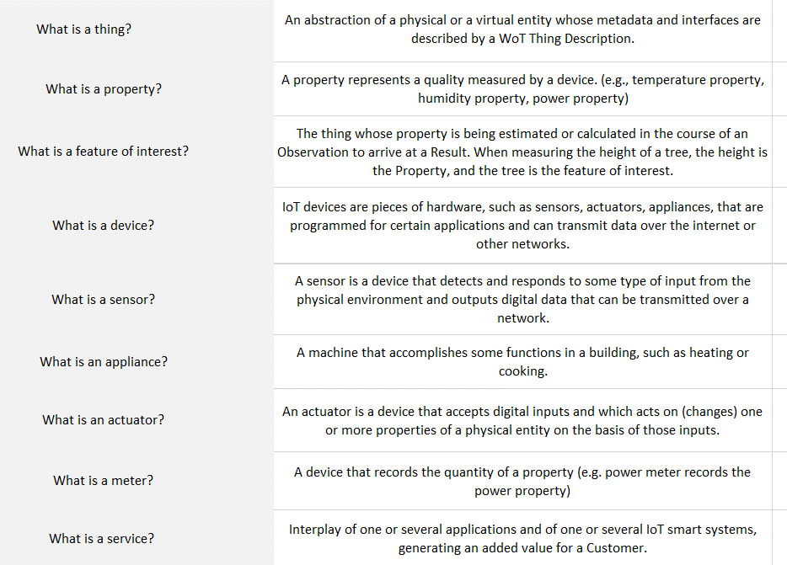
What are the sensors of your demo site? | Smart thermostatic valves (mandatory) Gas boiler sensor device (optional) Indoor, outdoor temperatures sensor (optional) Window/door position sensor (optional) Pipe temperature (optional)
What are the appliances of your demo site? | N/A
What are the actuators of your demo site? | Gas boiler Mixing valves (it is controlled by the gas boiler, not directly by the service) Smart thermostatic valves (it is controlled based on a day/night schedule)
What are the meters of your demo site? | Heat meters Gas meter
What are the properties of each appliance? | N/A
What are properties of each sensor? (e.g., temperature property for the temperature sensor ) | smart thermostatic valve: temperature set-point, measured temperature, desired valve opening, measured valve opening, inlet temperature measurement Gas boiler: many temperatures (at different level of the heating circuit, measurements and set-points), powers and modulaiton levels of the burner, ... indoor, outdoor, pipe temperature: temperature Window/door position: open or closed
What are the unit of measurement measured by each sensor? | smart thermostatic valves: °C and % Gas boiler: °C, kW, … Various temperature sensors: °C
What are the unit of measurement measured by each property?
What are the attributes of a device? (e.g., vendor, IMEI) | valves: maximal/minimal range for position position "when closed" (can be reversed for some valves) units minimal/maximal temperature range heater: minimal power (nice to have) maximal power (nice to have)
What are the services in your demo site? (e.g., flexibility) | closed loop energy efficiency service
What are the controlled devices by each service? | Gas boiler (that also acts on the mixing valves) thermostatic valves (they can be "autonomous, i.e. maintain the room temperature or be controlled by the service to be more efficient)
What are the attributes of a building? (e.g., building location ) | for analysis purposes (not mandatory): historic energy usage building type (i.e. residential, …) building construction (i.e. old, new, minergie, …) number of inhabitants surface area
What are the attributes/metadata related to the closed loop energy efficiency service? | Minimal/maximal indoor temperature Minimal/maximal forward temperature (i.e. temperature to the radiator) Radiator mixing valve id (in the case of buildings with several mixing valves, we need to know to what mixing valve the radiator is linked)
What are the properties of each meter? | Please fill the Table 1
What are the properties of each actuator? | Please fill the Table 1
What are the actions used by the devices? | Please fill the Table 1
What are events used by the devices? | Please fill the Table 1
Are there any devices located in outside the households (e.g., stairs, garden)? if yes, please list them. | yes. Gas boiles (or heat generatores in general) are located in the basement. The same applies for mixing valves, heat meters and gas meters (also electricity meters for heat pumps.) Outdoor temperatures sensors
What are the existing buildings in the demo site? | 1 mixed residential / tertiary building
How many households in the building? | Neuchatel: 6 flats, 3 tertiary
What are the types of households? (e.g, single family households, multifamily households) | Neuchatel: multifamily mixed with tertiary. Skive: single familty or tertiary (TBC with Suntherm/Neogrid)
Are there any services used exlusively in a specific type of households (e.g., heat pumps service used only in single family houses) | I don't think, maybe if you give more examples I could think of one, but I would say rather not.
Are there any other things you would like to represent in the ontology? If yes, please list them. | Please ask me the question again in 1 month, by then we will have finalized the analysis of the 1st results and will have a very good idea of the "V2 algorithm"

