Bug report BR001-ABHTC07
BUG REPORT |  | BR001-ABHTC07 |  |  | Created by |  |  |  | Priority
Test Case ID |  | ABHTC07 |  |  | Assigned to |  |  |  | Severity
Test scenario |  | Testing real user scenarios |  |  | Assigned at

Project |  | Investigate demo e-commerce application - http://automationpractice.com/index.php |  |  |  |  | Test case description | Reset password functionality

Environment |  | Device | OS |  |  | Browser |  | Access to internet
 |  |  | Name |  | Version | Name | Version
 |  | PC | Windows |  | Windows 10 Pro | Chrome | 100.0.4896.127 | Wi-Fi

Step No. | Step details |  |  | Test data |  | Expected results |  |  | Actual results
1 | Open Chrome and go to site http://automationpractice.com |  |  |  |  | New password should be delievered to email address |  |  | Confirmation message appear "A confirmation email has been sent to your address: ismrismrd@gmail.com", but email never came
2 | Click on "Sign in" button
3 | Click on "Forgot your password?"
4 | Enter value in field "Email address" |  |  | ismrismrd@gmail.com
5 | Click "Retrieve password" button

Attachment 1 |  | Printscreen from last step

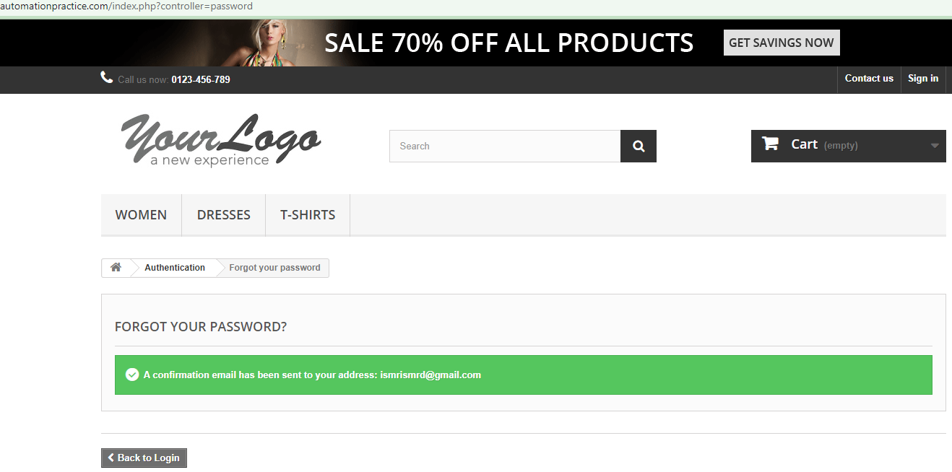

 | Date | By | Comments

Bug report BR002-ABHTC11
BUG REPORT |  | BR002-ABHTC11 |  |  | Created by |  |  |  | Priority
Test Case ID |  | ABHTC11 |  |  | Assigned to |  |  |  | Severity
Test scenario |  | Testing real user scenarios |  |  | Assigned at

Project |  | Investigate demo e-commerce application - http://automationpractice.com/index.php |  |  |  |  | Test case description | Checking "Sort by: Price - highest first" functionality

Environment |  | Device | OS |  |  | Browser |  | Access to internet
 |  |  | Name |  | Version | Name | Version
 |  | PC | Windows |  | Windows 10 Pro | Chrome | 100.0.4896.127 | Wi-Fi

Step No. | Step details |  |  | Test data |  | Expected results |  |  | Actual results
1 | Open site http://www.automationpractice.com/ |  |  |  |  | Items will be sorted from highest to lowest price |  |  | Items are sorted from lowest to highest price
2 | Click on tab "Women"
3 | Scroll down and for "Sort by" options select from drop down menu "Price - highest first"

Attachment 1 |  | Printscreen from last step
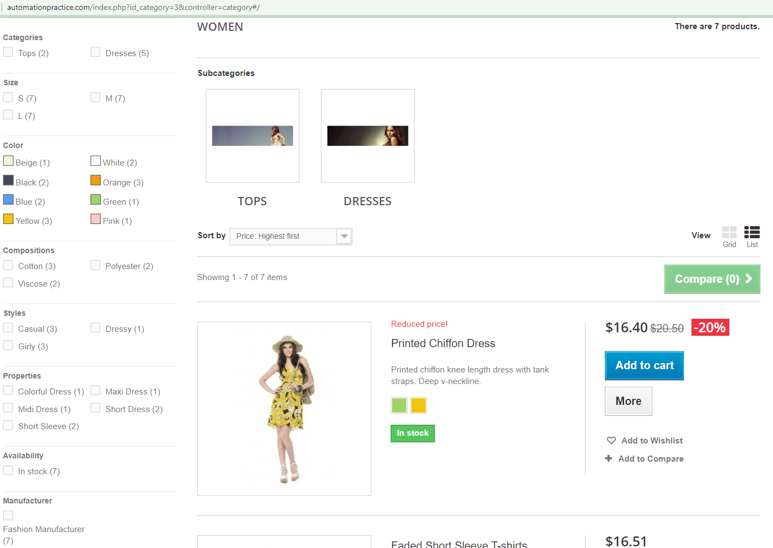

 | Date | By | Comments

Bug Report BR003-ABHTC013
BUG REPORT |  | BR003-ABHTC13 |  |  | Created by |  |  |  | Priority
Test Case ID |  | ABHTC13 |  |  | Assigned to |  |  |  | Severity
Test scenario |  | Testing real user scenarios |  |  | Assigned at

Project |  | Investigate demo e-commerce application - http://automationpractice.com/index.php |  |  |  |  | Test case description | Checking "Sort by: Product name - Z to A" functionality

Environment |  | Device | OS |  |  | Browser |  | Access to internet
 |  |  | Name |  | Version | Name | Version
 |  | PC | Windows |  | Windows 10 Pro | Chrome | 100.0.4896.127 | Wi-Fi

Step No. | Step details |  |  | Test data |  | Expected results |  |  | Actual results
1 | Open Chrome and go to site http://automationpractice.com |  |  |  |  | Items should be sorted by product name, from Z to A |  |  | Items are sorted by product name, from A to Z, instead from Z to A
2 | Click on tab "Women"
3 | Scroll down and for "Sort by" options select from drop down menu "Product name: A to Z"

Attachment 1 |  | Printscreen from last step
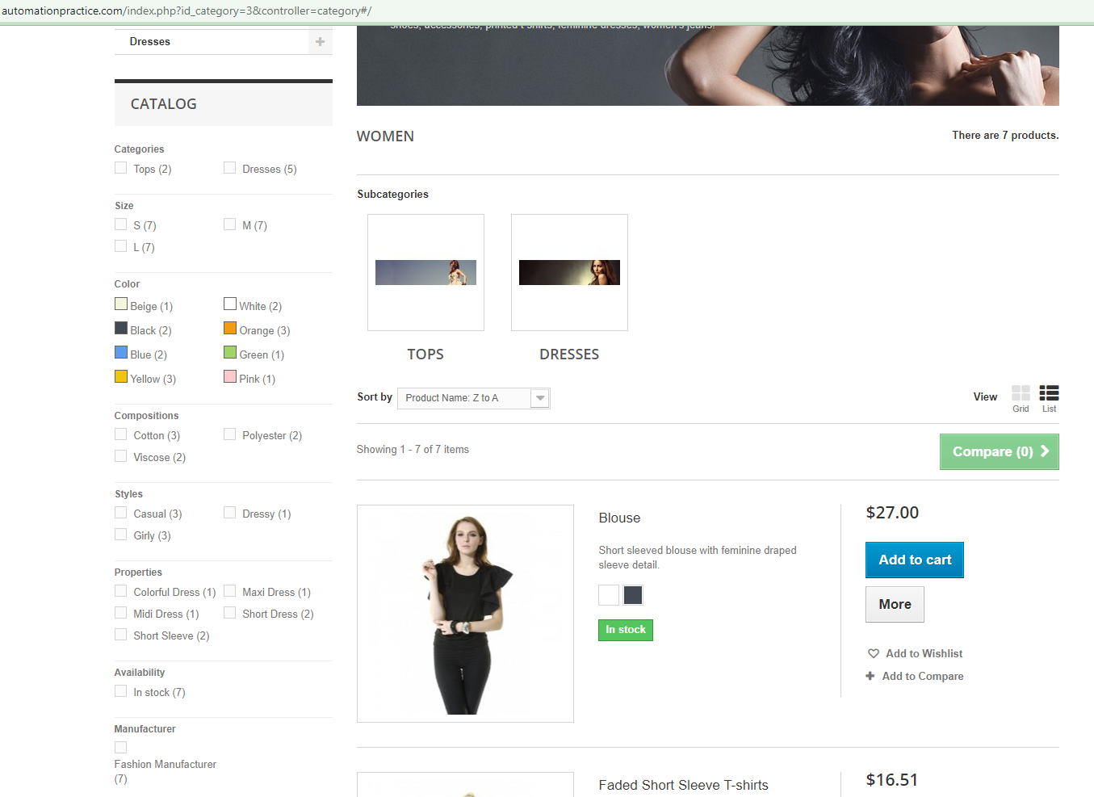

 | Date | By | Comments

