622_top50
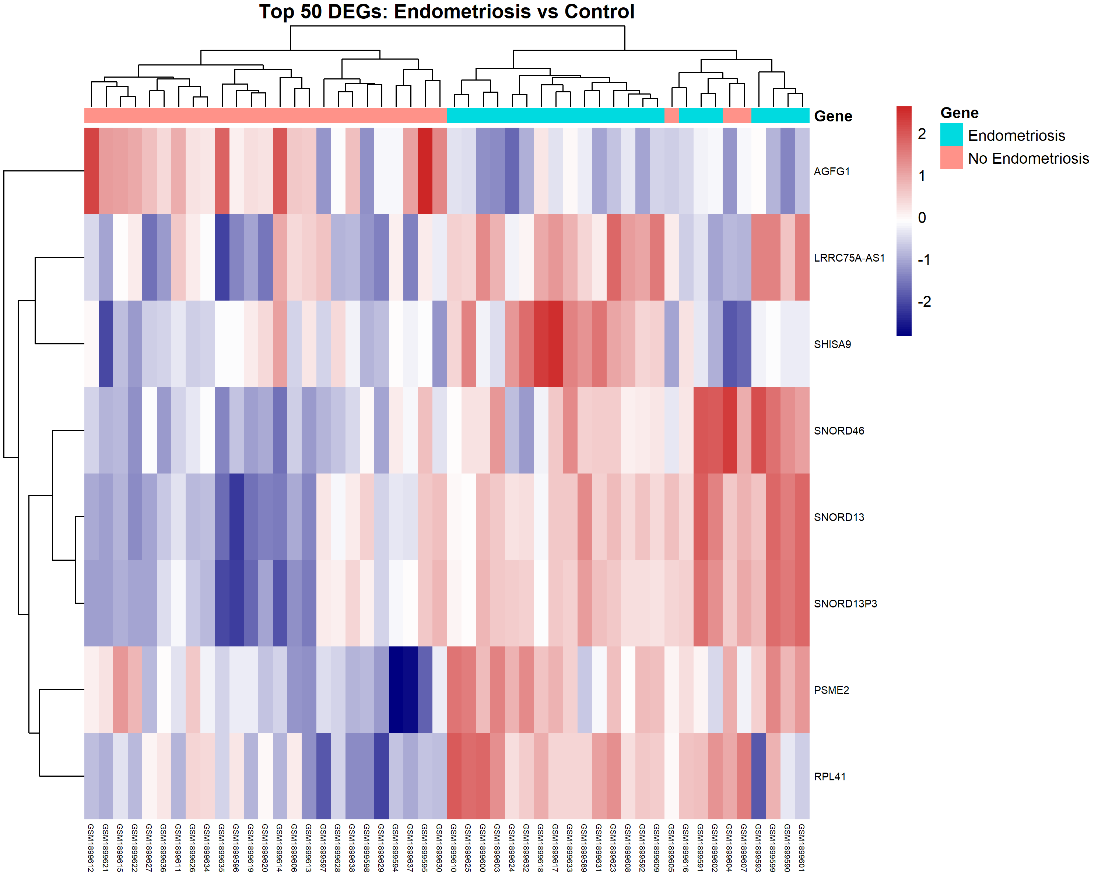
gene_symbol | logFC | adj.P.Val | Significant
SNORD13 | 1.4948188172 | 0.0023258564865 | Upregulated
SNORD13P3 | 1.4460181756 | 0.0023736681503 | Upregulated
LRRC75A-AS1 | 0.52178402728 | 0.018852936841 | Upregulated
PSME2 | 0.4165658528 | 0.0368956764 | Upregulated
RPL41 | 0.45068614626 | 0.037528751357 | Upregulated
NA | 0.77450312702 | 0.037528751357 | Upregulated
AGFG1 | -0.29096862345 | 0.037528751357 | Downregulated
SNORD46 | 1.3439825597 | 0.048685878942 | Upregulated
SHISA9 | 0.24130486306 | 0.048685878942 | Upregulated
B3GNT7 | 0.21144802438 | 0.057725045661 | Downregulated
KLRB1 | -0.1867959164 | 0.087661565949 | Downregulated
DPCD | 0.44028079634 | 0.12730307027 | Downregulated
DIAPH3 | -0.93420792288 | 0.12730307027 | Downregulated
GPBP1L1 | 0.26236128914 | 0.14881151063 | Downregulated
IGSF3 | 0.21164040123 | 0.14881151063 | Downregulated
NA | 0.23942146383 | 0.14881151063 | Downregulated
CTSS | 0.36952656154 | 0.14881151063 | Downregulated
TDRKH | -0.18658901991 | 0.14881151063 | Downregulated
MALAT1 | -0.36922979219 | 0.14881151063 | Downregulated
TCF7L1 | -0.39070420625 | 0.14881151063 | Downregulated
CHN1 | 0.88581192416 | 0.14881151063 | Downregulated
PLAC4 | 0.28786022836 | 0.14881151063 | Downregulated
MIR15B | -0.20888215724 | 0.14881151063 | Downregulated
POLR2H | 0.36605817659 | 0.14881151063 | Downregulated
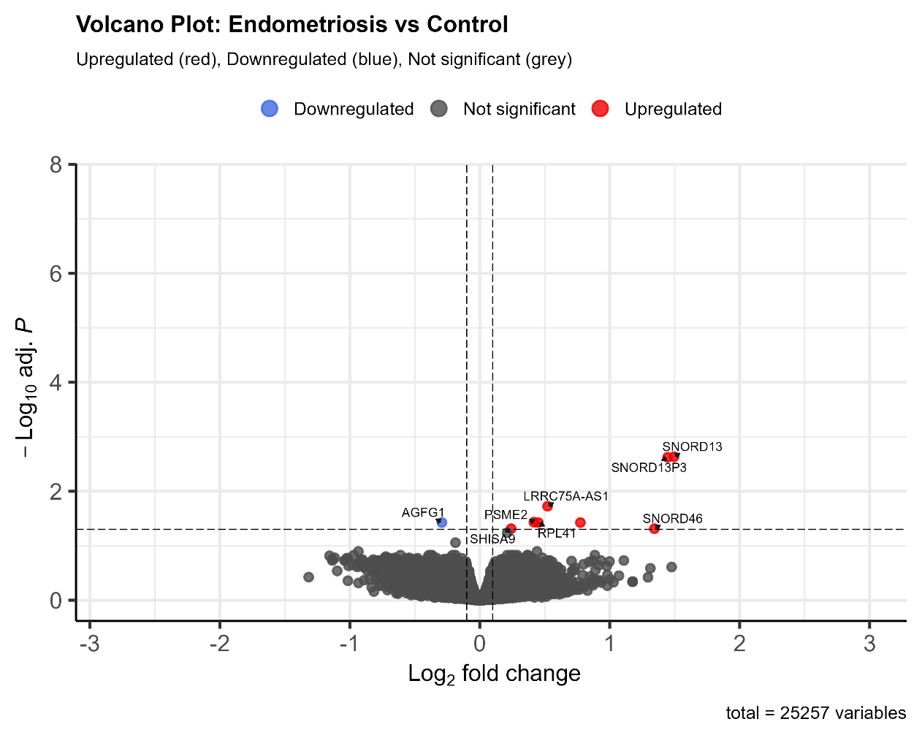
SGO1 | -0.96899836522 | 0.14881151063 | Downregulated
NA | -0.61000556744 | 0.14881151063 | Downregulated
RB1 | -0.36602579257 | 0.15302758904 | Downregulated
ARHGAP11A | -1.1560233673 | 0.15302758904 | Downregulated
FBXO8 | 0.3842139178 | 0.15784594344 | Downregulated
TRIP13 | -0.72230558103 | 0.15784594344 | Downregulated
POM121C | -0.39748978899 | 0.15784594344 | Downregulated
CIART | 0.48213104879 | 0.16710774474 | Downregulated
TMEM258 | 0.29851814506 | 0.16710774474 | Downregulated
SKA3 | -1.1153508988 | 0.16710774474 | Downregulated
WNK4 | -0.23126437093 | 0.16710774474 | Downregulated
NCAPH | -0.65351126877 | 0.16710774474 | Downregulated
LOC100129572 | -0.54247189758 | 0.16710774474 | Downregulated
KIF24 | -0.33417364213 | 0.16710774474 | Downregulated
SV2A | 0.388595639 | 0.16904707101 | Downregulated
BMS1P4 | 0.27092417402 | 0.16904707101 | Downregulated
C11orf58 | 0.28417906387 | 0.16904707101 | Downregulated
PARPBP | -0.56641860497 | 0.16904707101 | Downregulated
NEMP1 | -0.4793535736 | 0.16904707101 | Downregulated
SNAP23 | 0.33472610186 | 0.16904707101 | Downregulated
NA | -0.13868090074 | 0.16904707101 | Downregulated
SGO2 | -0.69254495686 | 0.16904707101 | Downregulated
MOB1A | -0.21429831995 | 0.16904707101 | Downregulated
TASP1 | 0.26456106987 | 0.16904707101 | Downregulated
NA | 0.22378743586 | 0.16904707101 | Downregulated
NEIL3 | -0.72065533516 | 0.16904707101 | Downregulated

