top50_table_764
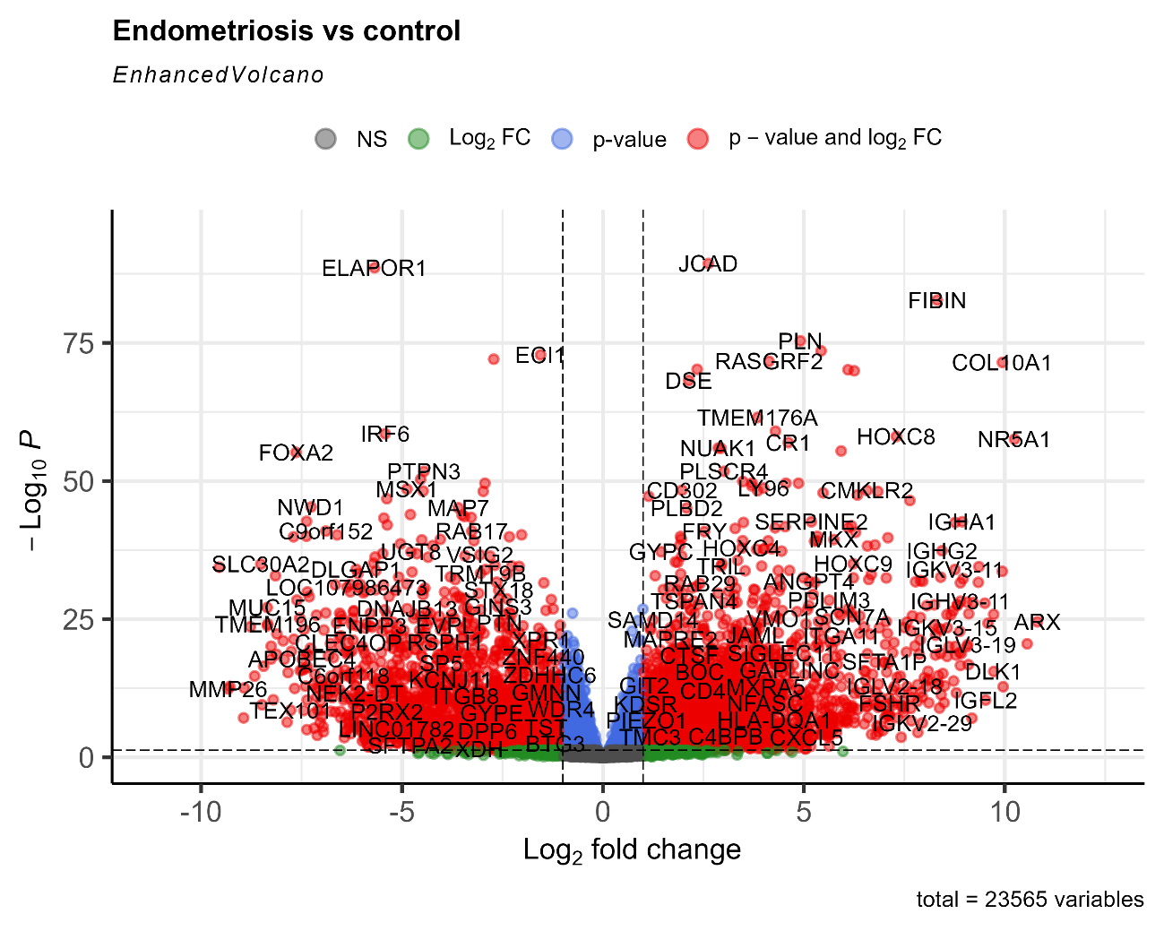
gene_name | log2FoldChange | padj | Significant
JCAD | 2.624584012 | 4.3935716255E-90 | Upregulated
ELAPOR1 | -5.6838866825 | 2.5690951428E-89 | Downregulated
FIBIN | 8.3190287277 | 1.8163507949E-83 | Upregulated
PLN | 4.911276225 | 4.3006836208E-76 | Upregulated
LINC02381 | 5.4283722155 | 2.7646879174E-74 | Upregulated
ECI1 | -1.5517831387 | 1.4806516853E-73 | Downregulated
HID1 | -2.7180197659 | 8.8794102831E-73 | Downregulated
RASGRF2 | 4.1312069794 | 2.1526585275E-72 | Upregulated
COL10A1 | 9.9409547614 | 3.3701001177E-72 | Upregulated
SLC23A2 | 2.3439318166 | 5.9947210668E-71 | Upregulated
COL8A2 | 6.0976954085 | 7.2989226521E-71 | Upregulated
PRELP | 6.2541079959 | 1.1412651899E-70 | Upregulated
DSE | 2.1358742247 | 6.3785271407E-69 | Upregulated
TMEM176A | 3.8482480515 | 3.2206404953E-62 | Upregulated
CSTA | 4.291737176 | 9.4378585754E-60 | Upregulated
IRF6 | -5.419373268 | 2.7304390678E-59 | Downregulated
HOXC8 | 7.300454182 | 8.4801685384E-59 | Upregulated
NR5A1 | 10.242648604 | 2.674546667E-58 | Upregulated
CR1 | 4.6128974497 | 1.0774945554E-57 | Upregulated
NUAK1 | 2.870026293 | 1.0390761715E-56 | Upregulated
BICC1 | 2.9378717168 | 1.1757764492E-56 | Upregulated
CFH | 5.9272427095 | 3.6271302237E-56 | Upregulated
FOXA2 | -7.6365996273 | 6.6587633319E-56 | Downregulated
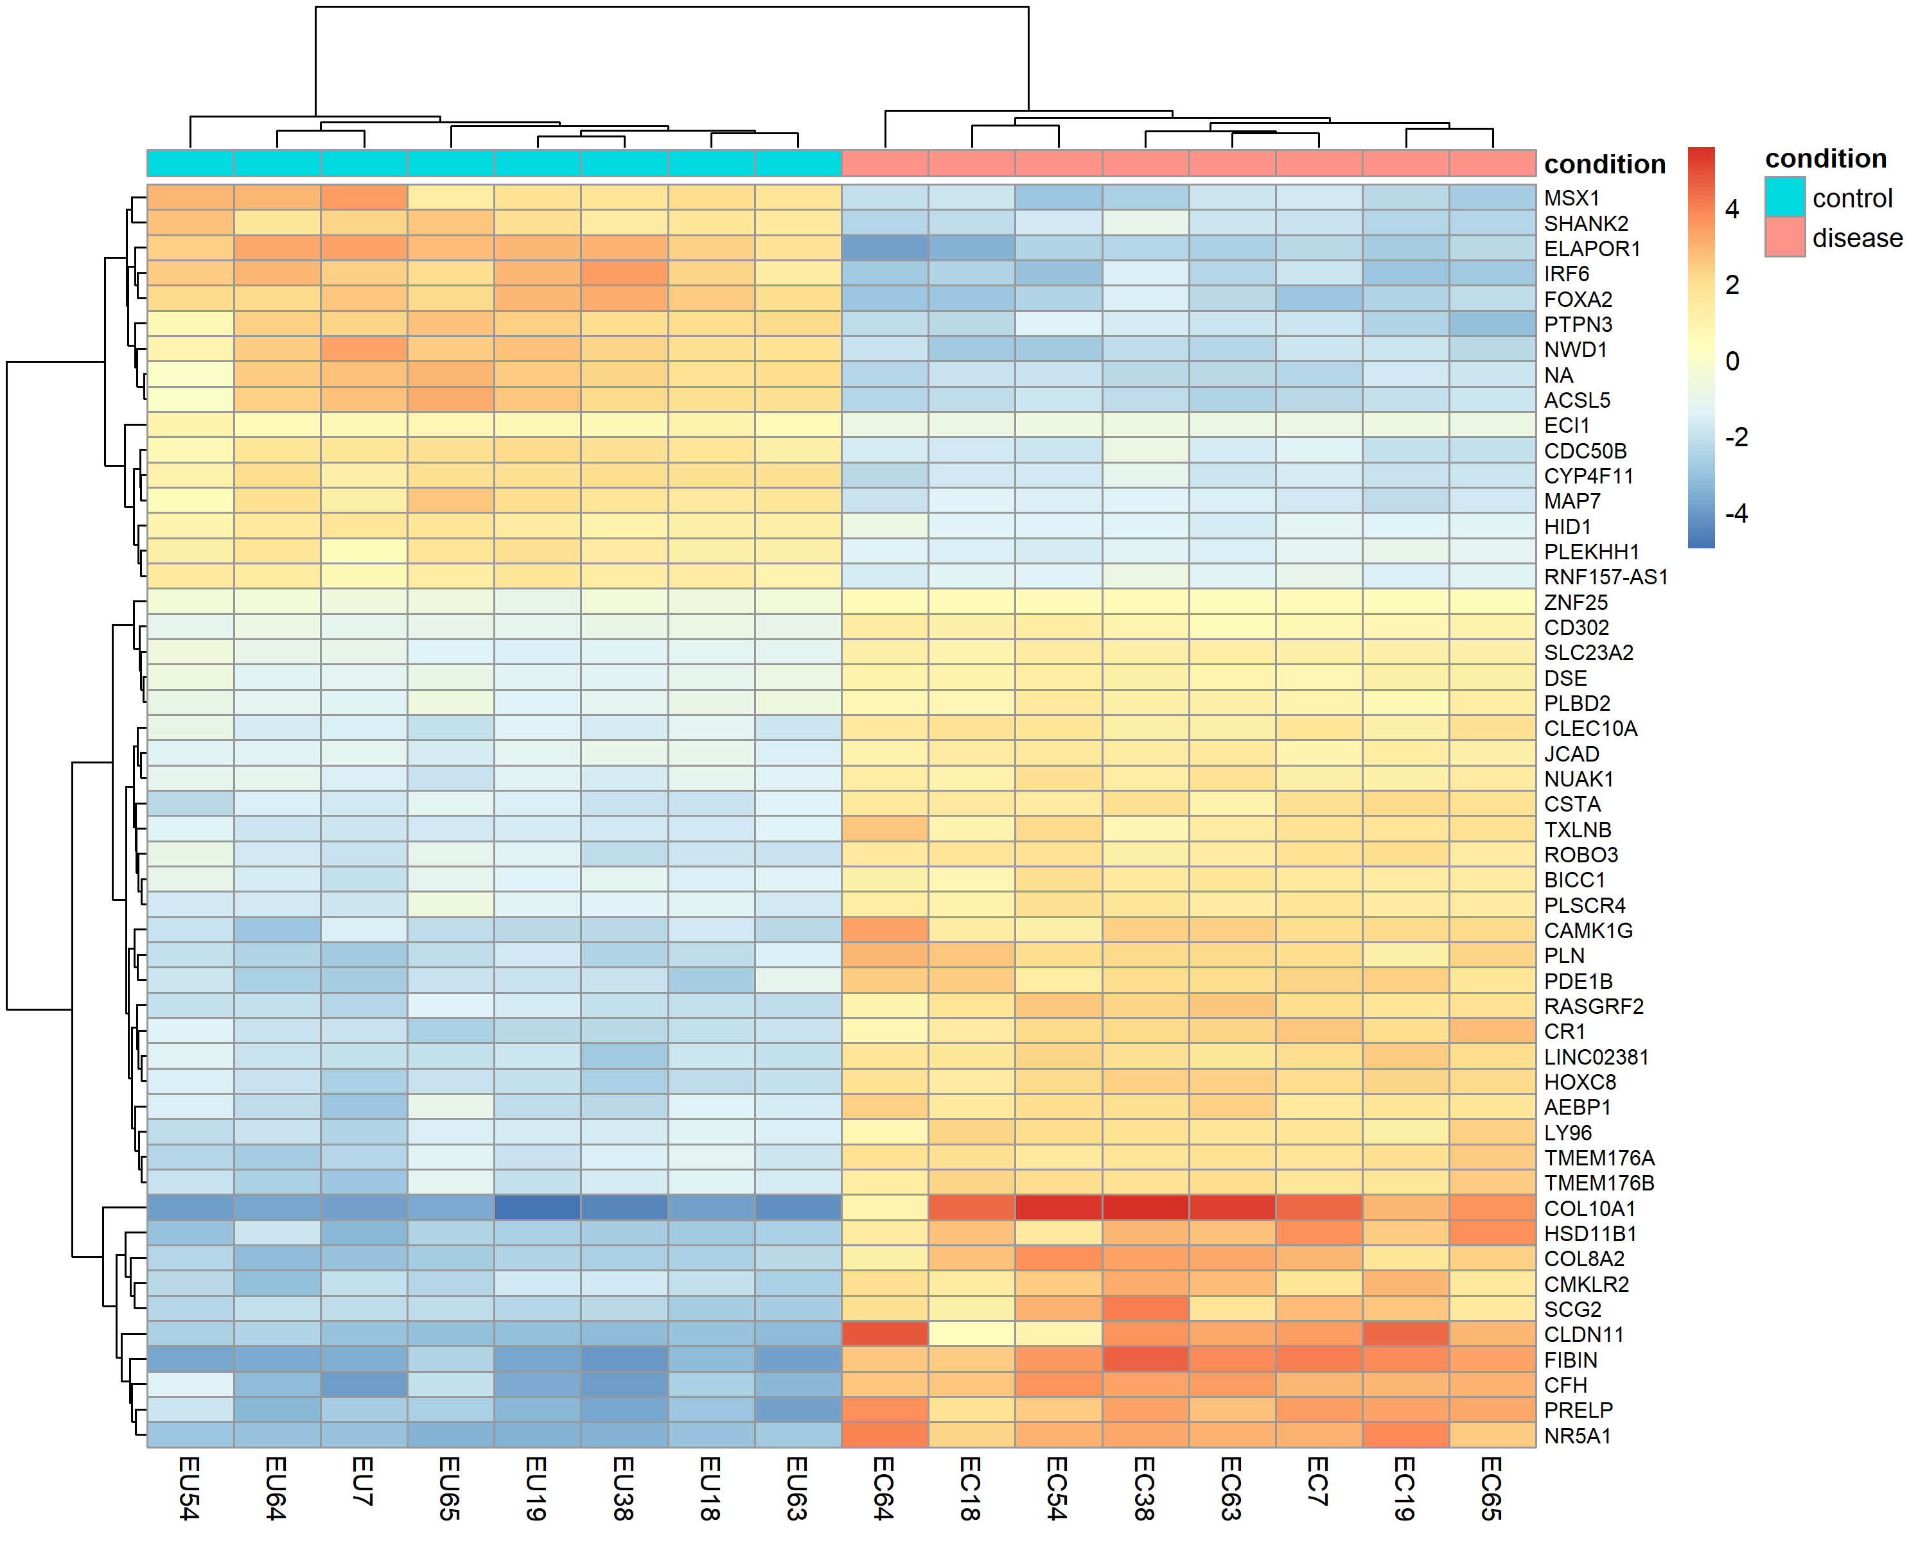
PLSCR4 | 3.0143501984 | 1.7407086147E-52 | Upregulated
PTPN3 | -4.4540595259 | 1.7589159686E-52 | Downregulated
NA | -4.5357201836 | 4.5826601361E-51 | Downregulated
CLEC10A | 3.480715212 | 1.1843109901E-50 | Upregulated
AEBP1 | 3.7101091409 | 2.2458260906E-50 | Upregulated
PDE1B | 4.8653883124 | 2.4912352541E-50 | Upregulated
PLEKHH1 | -2.936631513 | 2.4912352541E-50 | Downregulated
TXLNB | 4.5520736683 | 2.4912352541E-50 | Upregulated
ROBO3 | 3.700329288 | 7.4030433185E-50 | Upregulated
LY96 | 3.9954526144 | 1.8733780343E-49 | Upregulated
MSX1 | -4.8770343921 | 2.9093905409E-49 | Downregulated
CD302 | 1.9679360054 | 4.4491512813E-49 | Upregulated
CMKLR2 | 6.5691354389 | 5.1604712717E-49 | Upregulated
TMEM176B | 3.8489157501 | 5.6646446865E-49 | Upregulated
ACSL5 | -4.4749918077 | 6.3755729329E-49 | Downregulated
RNF157-AS1 | -2.9785096218 | 7.3840201735E-49 | Downregulated
HSD11B1 | 6.8413363991 | 7.7149339808E-49 | Upregulated
CAMK1G | 5.4775573963 | 1.3704813888E-48 | Upregulated
SCG2 | 6.3336062056 | 3.4188723148E-48 | Upregulated
ZNF25 | 1.1370074092 | 5.6261700862E-48 | Upregulated
CYP4F11 | -5.3782428812 | 1.5915424764E-47 | Downregulated
CLDN11 | 7.6380814391 | 3.3390875601E-47 | Upregulated
NWD1 | -7.2640268671 | 5.0570719602E-46 | Downregulated
MAP7 | -3.598701226 | 7.2050152417E-46 | Downregulated
PLBD2 | 2.0821037689 | 7.570477795E-46 | Upregulated
SHANK2 | -4.7927078717 | 1.1674503734E-44 | Downregulated
CDC50B | -3.5057768168 | 1.423667504E-44 | Downregulated

