Release#2
 | Planned | Consumed
Day | Planned | Consumed | Team Availability |  |  |  | Deliverable | % Completed | Comments
1 | 27.00 | 27 | 78.00 |  |  |  | E2E workflow draft | 80%
2 | 27.00 | 27 |  |  |  |  | SRS update | 50%
3 | 29.00 | 27.5 |  |  |  |  | CRS update | 80%
4 | 41.00 | 36 |  |  |  |  | RTM | 20%
5 | 51.00 |  |  |  |  |  | TC draft | 0%
6 | 64.00
7 | 78.00

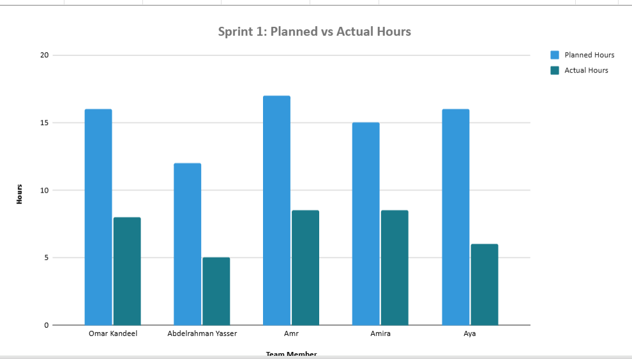

Risks
ID | Topic | Probability | Impact | Description | Handling | Actions
Risk_1 | Tech | 2 | 5 | NO Time Tolerance | Accept

5
ID | Initiator | Probability | Impact | Description | Handling | Actions
 |  |  |  |  | Avoid

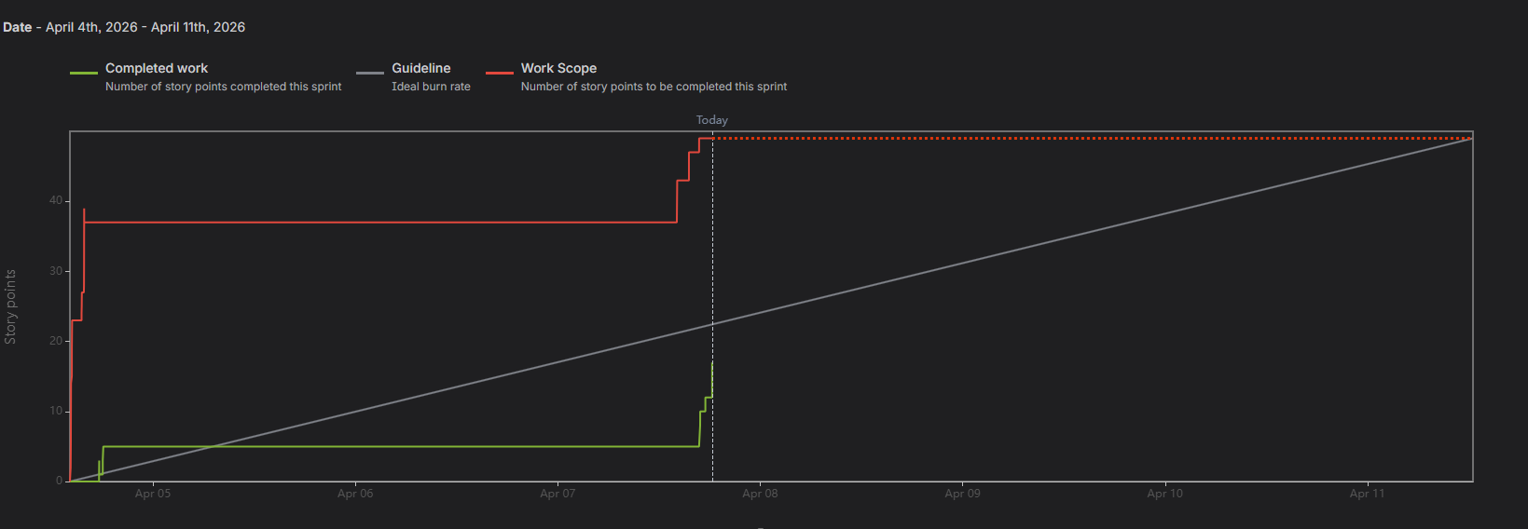

 |  |  |  |  |  |  |  |  |  | NOTE
 |  |  |  |  |  |  |  |  |  | More tasks to be added on jira

Release#1
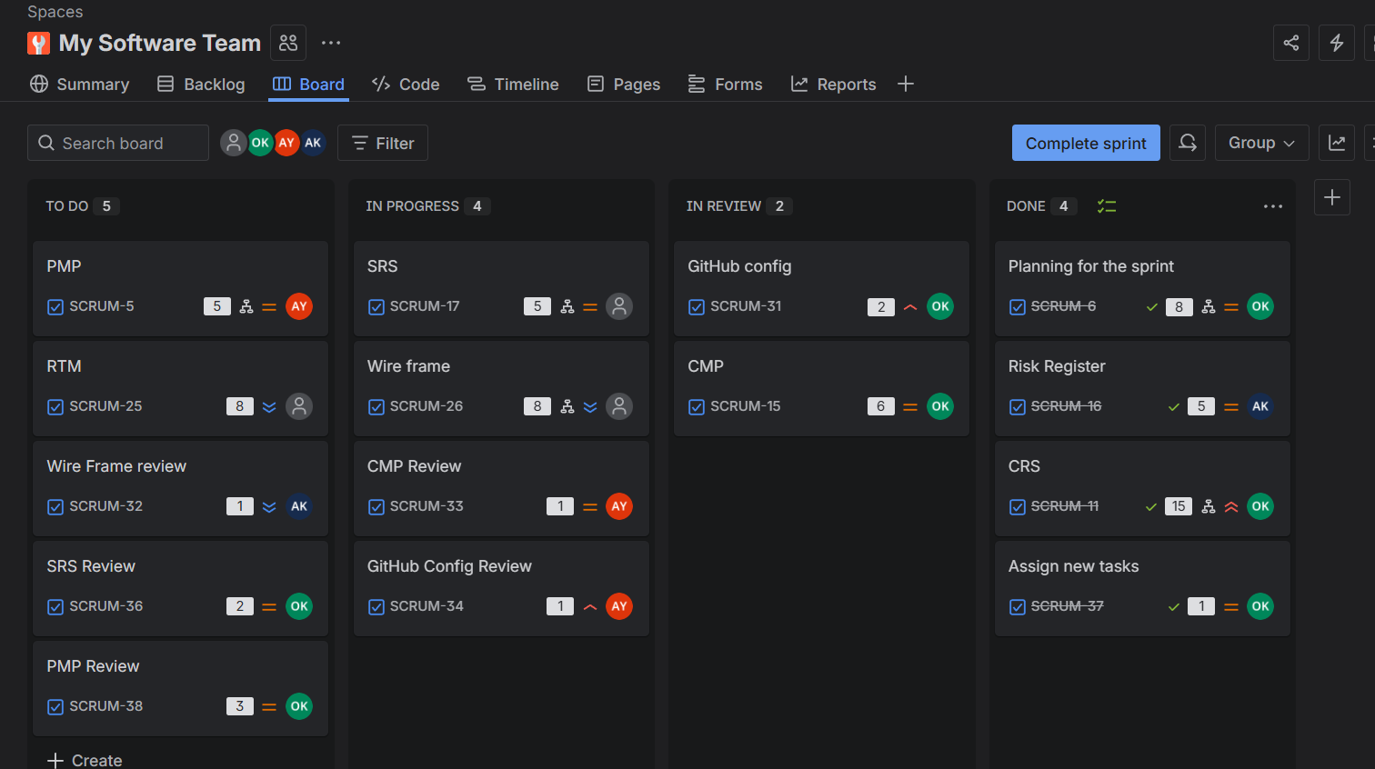
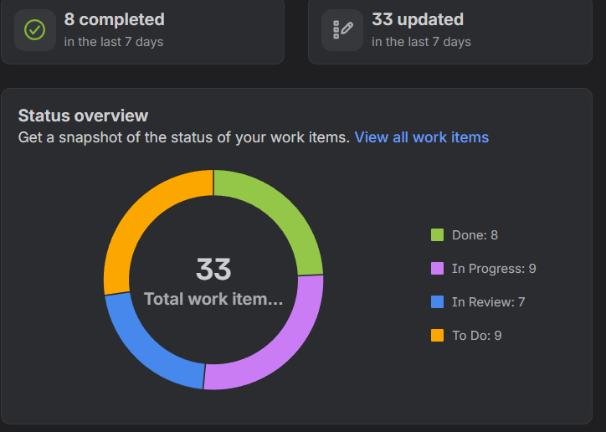
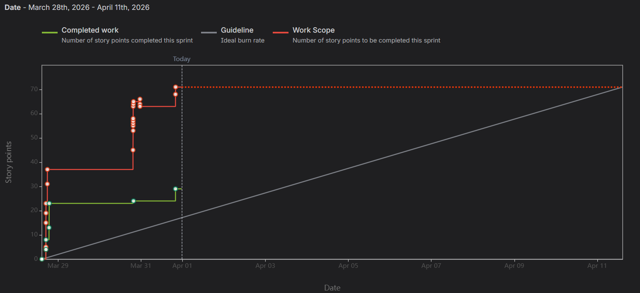
 | Planned | Consumed
Day | Planned | Consumed | Team Availability |  |  |  | Deliverable | % Completed | Comments
1 | 18.00 | 15 | 48.00 |  |  |  | CRS | 100%
2 | 20.00 | 17 |  |  |  |  | SIQ | 100%
3 | 23.00 | 23.5 |  |  |  |  | CMP | 100%
4 | 23.00 | 25 |  |  |  |  | PMP | 100%
5 | 27.00 |  |  |  |  |  | SRS | 100%
6 | 37.00 |  |  |  |  |  | Risk sheet | 100%
7 |  |  |  |  |  |  | Jira | 100%

Risks
ID | Topic | Probability | Impact | Description | Handling | Actions
Risk_1 | Tech | 5 | 3 | Lack of experience | Mitigate | Provided learning crash course

5
ID | Initiator | Probability | Impact | Description | Handling | Actions
 |  |  |  |  | Avoid

