BOM Report
 |  |  |  | Bill of Materials
 |  |  |  | Source Data From: |  |  | Outputs for PCBChamberRTDs.zip
 |  |  |  | Project:
 |  |  |  | Variant: |  |  | 13 Different component

 |  |  |  | Creation Date: |  | 2022-01-10
 |  |  |  | Last Update:

2sets unit price | 2sets total | Customer notes |  | Footprint | Manufact Part Num | Value | Description | Designator | Solder? | QTY | Alternate manufact number
 |  |  | 1 | 0603 | C0603C104K3RAC7081 | 0.1uF | Cap ceramic | C1 to C33 | yes | 33 | C0603C104K4REC7867
 |  |  | 2 | 0805 | C0805C475K8PAC7800 | 4.7 uF | Cap ceramic | C34, C35, C36 | yes | 3 | CC0805KRX5R6BB475
 |  |  | 3 | 0603 | RC0603JR-07100RL | 100 Ohm | Res | R1,R2,R3,R7,R8,R9,R13,R14,R15,R18,19,R23,R24,R25,R29,R30, R33, R38 | yes | 18 | CRGCQ0603J100R
 |  |  |  | 0603 | TBD | 400 Ohm | Res | R4,R5,R6,R10,R11,R12,R16,R17,R20,R21,R22,R26,R27,R28, R31,R32 | No | 0
 |  |  | 4 | 0603 | RC0603JR-074K7L | 4.7 Kohm | Res | R39,R40,R41 | yes | 3 | CRGH0603J4K7
 |  |  | 5 | 0603 | RC0603FR-072K2L | 2.2 Kohm | Res | R34,R35,R36,R37 | yes | 4 | RR0816P-222-D
 |  | GET 10, SHIP THE REST | 6 | 0805 | EAST2012GA5 | LED GREEN | LED | D1,D2,D3,D4 | yes | 4 | VCDG1112H-4BY3C-TR
 |  |  | 7 | SOD-323 | 1N4148WSTR | 1N4148 | Diode | D6 | yes | 1
 |  |  | 8 | TSSOP | MAX31865AAP+ | MAX31865 |  | U1 TO U16 | yes | 16
 |  |  | 9 | 24 SOIC | CD74HC4067M96 | CD74HC4067M96 | 16:1 Switch | U17 | yes | 1
 |  |  | 10 | SOT-223 | MCP1755S-3302E/DB |  | 3.3v LDO | U18 | yes | 1
 |  |  | 11 | SOT-223 | MCP1755S-5002E/DB |  | 5V LDO | U19 | yes | 1
 |  |  | 12 | 14 SOIC | 74HC21D,653 | 74HC21D,653 | AND gate | U20,U21,U22 | yes | 3
 |  |  | 13 | ThroughHole | 9652048 |  | 4 pin 0.156" | P1 to P16 | yes | 16

Total Amount | $0 |  |  |  |  |  |  |  |  | 104
 |  |  |  | Approved |  |  | Notes

Supply according to Manufact Part Num

 |  | USB

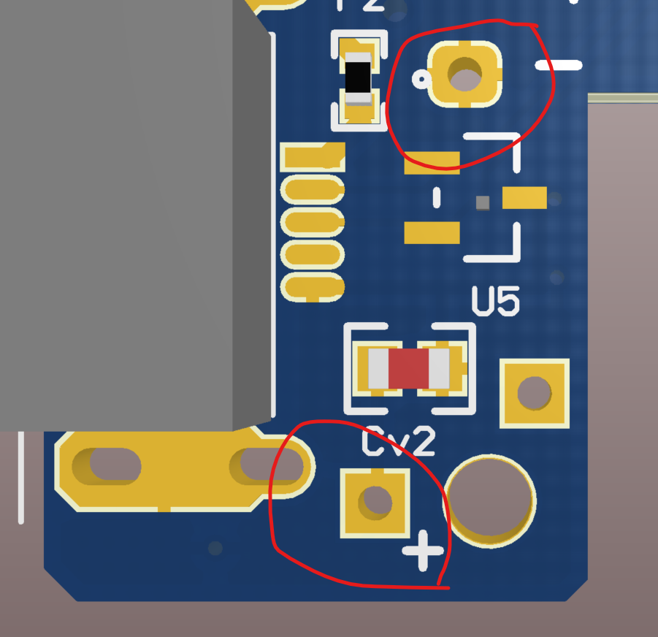

 |  |  |  |  | <= Vibrator holes for connection

