BOM Report
 |  |  |  |  | Bill of Materials
 |  |  |  |  | Source Data From: |  |  | Outputs for HBB02-H1100501.zip
 |  |  |  |  | Project:
 |  |  |  |  | Variant: |  |  | 35 Different component

 |  |  |  |  | Creation Date: |  | 2021-02-02
 |  |  |  |  | Last Update:

10sets unit price | 10sets total | Your notes | Hygienic Echo notes |  | Footprint | Manufact Part Num | Comment | Description | Designator | Solder? | QTY | Alternate manufact number
 |  |  |  | 1 | 0402 | 500R07S100JV4T | 10 pF | Cap ceramic | C11, C12 | yes | 2
 |  |  |  | 2 | 0402 | GCM155R71C104KA55D | 0.1 uF | Cap ceramic | C3, C5, C8, C9, C10, C14, Cv1 | yes | 7
 |  |  |  | 3 | 0402 | GRM153R60J105ME95D | 1 uF | Cap ceramic | C1, C2, C7, C16, C17 | yes | 5
 |  |  |  | 4 | 0805 | F920J106MPA | 10 uF | Cap Tant | C13 | yes | 1
 |  |  |  | 5 | 0603 | GRM188R61A106KE69D | 10 uF | Cap ceramic | C4, C6, Cv2, C18 | yes | 4
 |  |  |  | 6 | 0603 | GRM188R61E225KA12D | 2.2 uF | Cap ceramic | C15 | yes | 1
 |  |  |  | 7 | 0402 | RC0402FR-071K47L | 1.47 K | Res | R16 | yes | 1
 |  |  |  | 8 | 0402 | RC0402JR-071KL | 1 K | Res | R3, R5, | yes | 2 | AC0402JR-071KL
 |  |  |  | 9 | 0402 | RC0402FR-0710KL | 10 K | Res | R1, R2, R4, R8, R22,R23 | yes | 6 | CR0402-FX-1002GLF
 |  |  |  | 10 | 0402 | AC0402FR-0712KL | 12 K | Res | R15 | yes | 1
 |  |  |  | 11 | 0402 | CRGCQ0402F15K | 15 K | Res | R14 | Yes | 1
 |  |  |  | 12 | 0402 | CRGCQ0402F120K | 120 K | Res | R7,R18, R12, R13, R19 | yes | 5
 |  |  |  | 13 | 0402 | AC0402FR-0768KL | 68 K | Res | R6, R10, R11 | yes | 3
 |  |  |  | 14 | 0402 | AC0402FR-07360KL | 360 K | Res | R17, | yes | 1
 |  |  |  | 15 | 0402 | RC0402FR-07330RL | 330 | Res | RR, R9 | yes | 2
 |  |  |  | 16 | 0402 | RC0402FR-0733RL | 33 | Res | RG, RB | yes | 2
 |  |  |  | 17 | 0603 | RCS06030000Z0EA | 0 ohm | Res | R21 | yes | 1
 |  |  |  | 18 | SOT-23-3 | PMEG2020CPA,115 | 1 Pair CC | Diode | D4 | yes | 1
 |  |  |  | 19 | SOD-123W | PMEG2010ER,115 | Schottky | Diode | D5 | yes | 1
 |  | No need to supply |  |  |  | LT VH9G-Q2OO-25-1 | Green | LED | D2 | no
 |  |  | it should be 2V Red, 2.8V Green, 3V Blue | 20 |  | 155124M173200 | RGB | 3ColorLED1 | D1 | yes | 1
 |  |  |  | 21 |  | LTST-S270KRKT | Red | LED | D3 | yes | 1
 |  |  |  | 22 |  | ERB-RD0R50X | Fuse | Fuse | F1, F2 | yes | 2
 |  |  |  | 23 |  | KMR631NG ULC LFS | Button | Button | S1 | yes | 1
 |  |  |  | 24 | DFN1212-3 | DMN2450UFD-7 | NMOS | Transistor | Q1, Q3 | yes | 2
 |  |  |  | 25 | DFN1212-3 | DMP21D6UFD-7 | PMOS | Transistor | Q2 | yes | 1
 |  |  |  | 26 | 6-WSON | TLV70233DSET | 3.3 V | 3.3v regulator | U7 | yes | 1
 |  |  |  | 27 | 8-SOIC | 24LC1025T-I/SN | 1MB | EEPROM | U1 | yes | 1
 |  |  |  | 28 | LGA16 3x3x1 | LIS3DHTR | LIS3DHTR | ST | U2 | yes | 1
 |  |  |  | 29 | QFN44_8x8 | PIC18F46J50-I/ML | PIC18F46J50-I/ML | MicroChip | U3 | yes | 1
 |  |  |  | 30 |  | TSSP77038TR | TSSP | IR sensor | U4 | yes | 1
 |  |  |  | 31 | SOT323 | D1213A-02WL-7 |  | USB Protector | U5 | yes | 1
 |  |  |  | 32 | DFN-10 | LTC4063EDD#PBF | IC charger+LDO | LTC4063 | U6 | yes | 1
 |  | Supply according to link,USB made in China | Link is attached in Hyperlink | 33 | DIP | AliExpress or whatever | Micro USB B | USB | USB | yes | 1
 |  | JL-A1027 from Alibaba | Link is attached in Hyperlink | 34 | DIP | AliBaba JL-A1027 |  | Vibrator | There are two pads on PCB, (marked with + and -) |  | 1
 |  |  |  | 35 | 2-SMD | ABS07-32.768KHZ-7-T | XTAL 32768 | XTAL | Y1 | yes | 1
Total Amount | $0 |  |  |  |  |  |  |  |  |  | 65
 |  |  |  |  | Approved |  |  | Notes

Supply according to Manufact Part Num

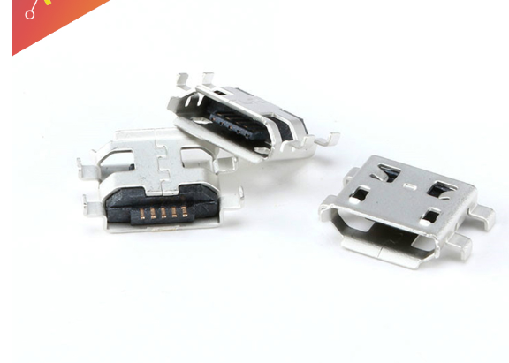

 |  |  | USB

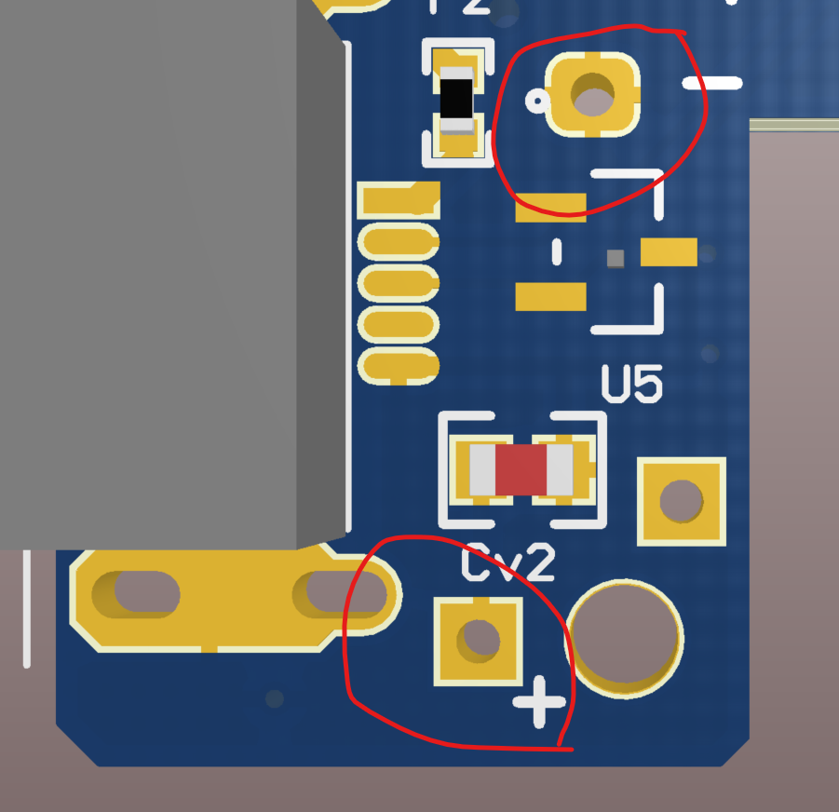

 |  |  |  |  |  | <= Vibrator holes for connection

