IranMap
Dynamic Maps
 |  |  | dummy coordinate
Assortment | Region | Revenue | x | y | Region | Revenue | Max Revenue | Select Assortment | Perfume
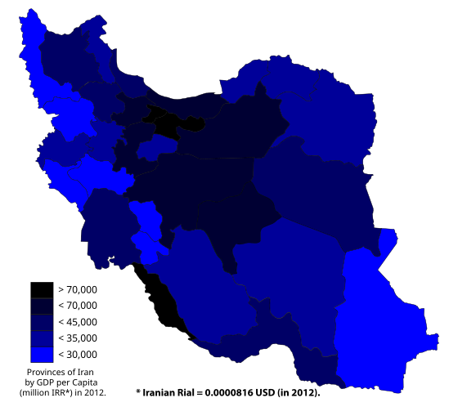
Perfume | North | 489 | 3 | 7.5 | North | 489
Perfume | South | 179 | 4.5 | 3 | South | 179
Perfume | East | 876 | 7.5 | 6 | East | 876 | 876
Perfume | West | 679 | 1.5 | 6 | West | 679
Perfume | Center | 312 | 4 | 7 | Center | 312
Toys | North | 298
Toys | South | 808
Toys | East | 621
Toys | West | 919
Toys | Center | 163
Phone | North | 980
Phone | South | 705
Phone | East | 610
Phone | West | 428
Phone | Center | 358
Laptop | North | 294
Laptop | South | 276
Laptop | East | 853
Laptop | West | 422
Laptop | Center | 956

WorldMap
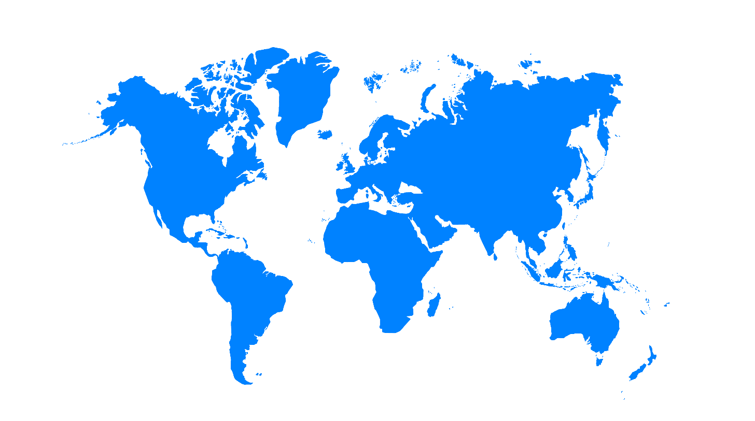
Company | Continent | Revenue | x | y | Region | Revenue | Max Revenue | Select Company | Apple
Microsoft | North America | 14419 | 1.5 | 6.5 | North America | 8641
Microsoft | South America | 84248 | 3 | 2 | South America | 74193 | 74193
Microsoft | Europe | 10363 | 5.5 | 6 | Europe | 41341
Microsoft | Africa | 79484 | 5.5 | 3.5 | Africa | 18542
Microsoft | Asia | 85048 | 7.5 | 6.5 | Asia | 26874
Google | North America | 1233
Google | South America | 52910
Google | Europe | 61261
Google | Africa | 93126
Google | Asia | 43218
Apple | North America | 8641
Apple | South America | 74193
Apple | Europe | 41341
Apple | Africa | 18542
Apple | Asia | 26874
Amazon | North America | 10352
Amazon | South America | 78690
Amazon | Europe | 30354
Amazon | Africa | 62909
Amazon | Asia | 49966
Facebook | North America | 70149
Facebook | South America | 87329
Facebook | Europe | 42828
Facebook | Africa | 95419
Facebook | Asia | 64295

